Displacement & Cam Protractor
 | Kei Car |  |  | Displacement Calculator, Table, Protractor, Valve Timings & Sizing
 | 750cc L4Cyl - Al6Mg½Sc Head & Block
Displacement Calculator |  |  |  |  |  | Magnesuim | Aluminum | Case
Squareness | 1.000 | 0.886 | Change Only Blue Numbers |  |  | S↓ x B→ | 77 | 83 | 85.5 | 86 | 87 | 88 | 90 | 90.5 | 92 | 94 | 96.5 | 101.6
 | 2.441" |  |  |  |  | 64 | 1192 | 1385 | 1470 | 1487 | 1522 | 1557 | 1629 | 1647 | 1702 | 1777 | 1782 | 2075
Bore (mm) | 62.00 | 187.2 | cc | <-- 58.2mm Bore = 660cc |  | 69 | 1285 | 1493 | 1585 | 1603 | 1641 | 1679 | 1756 | 1775 | 1835 | 1915 | 2019 | 2237
Stroke (mm) | 62.00 | 11.42 | in³ |  |  | 74 | 1378 | 1602 | 1700 | 1719 | 1760 | 1800 | 1883 | 1904 | 1968 | 2054 | 2165 | 2399
 | 2.441" |  |  |  |  | 76 | 1416 | 1645 | 1745 | 1766 | 1807 | 1849 | 1934 | 1956 | 2021 | 2110 | 2223 | 2465
 | 4.394" ≥ Length ≥ 3.906" |  |  | In | mm | 78 | 1453 | 1688 | 1791 | 1812 | 1855 | 1898 | 1985 | 2007 | 2074 | 2165 | 2282 | 2529
Rod Length (In) | 4.331 | 1.774 | :1 | 2.2913385827 | 58.2 | 80 | 1490 | 1731 | 1837 | 1859 | 1902 | 1946 | 2036 | 2058 | 2127 | 2221 | 2340 | 2594
 | 110.0 | mm |  | mm | In | 82 | 1527 | 1775 | 1883 | 1905 | 1950 | 1995 | 2087 | 2110 | 2180 | 2276 | 2399 | 2659
Cylinders | 4 |  | Other | 58.2 | 2.291 | 84 | 1565 | 1818 | 1929 | 1952 | 1997 | 2044 | 2138 | 2161 | 2234 | 2332 | 2457 | 2724
Displacement | 45.7 | in³ | Configurations |  |  | 86 | 1602 | 1861 | 1975 | 1998 | 2045 | 2092 | 2188 | 2213 | 2287 | 2387 | 2516 | 2789
Total | 748.7 | cc | 88×82 |  |  | 88 | 1639 | 1905 | 2021 | 2045 | 2093 | 2141 | 2239 | 2264 | 2340 | 2443 | 2574 | 2854
 | 0.74872949394 | L | 86×86 |  |  | 90 | 1676 | 1948 | 2067 | 2091 | 2140 | 2190 | 2290 | 2316 | 2393 | 2498 | 2633 | 2919
 |  |  | 92×86 |  |  | Studs | 10mm | 10mm | 10mm | 10mm | 10mm | 9mm | 8mm | 8mm | 8mm | 8mm | 8mm | 8mm
HP/Cyl. | 18.75 |  | 5 Cylinder
HP | 75.0 |  | Small Block Chevy |  |  |  |  |  |  |  |  | Links: | VW Boxster |  |  |  |  |  |  |  |  | A
HP/in³ | 1.64 |  |  |  |  |  |  |  |  |  |  |  | David Vizard
CR (8-18) vs. Tq/Cube (Max) | 1.34 | 61.1 | ft/lbs Max.Torque |  |  |  |  |  |  |  |  |  | How to Build Horsepower |  |  | 📓
Compression Ratio | 10.0 | :1 | With higher compression ceramic coated insulated combustion chambers are highly recomended. |  |  |  |  |  |  |  |  |  | How to Port & Flow Cylinder Heads |  |  |  | 📓
Crown to Wall Vol. | 1.00 | cc |  |  |  |  |  |  |  |  |  |  | IOP Flow program
Deck Height | 0.03 | " |  |  |  |  |  |  |  |  |  |  | Engine Math |  | 📓
Deck Ht Vol. | 2.30 | cc |  | Dynamic Calculations |  | ©2025 - J.S. Gilstrap - All Rights Reserved. |  |  |  |  |  |  | PipeMax
Chamber Vol. | 20.80 | cc |  | 29.4 |  | Creative Commons |  | (CC BY-SA 4.0) |  |  |  |  | Bain Racing |  | YouTube
Head Vol. | 17.50 | cc |  | 9.8 |  | Hardware Licenses: |  | TAPR-OHL |  | CERN-OHL-S |  |  | Turbo power without Turbo through resonance.
Dynamic Stroke | 44.78 | mm |  | 106.0 |  |  |  |  |  |  |  |  | Brian Salter |  | Salter Racing Engines
Dynamic Compression | 7.50 | :1 | × VE Factor: 9.21:1 | 96.2 |  |  |  |  |  |  |  |  | Ben Almeda |  | Alemeda Racing
(Intake Valve Close @ ~.020") | For Dynamic Stroke & Compression enter camshaft timing data, B39 to B42, and update valve events in camshaft protractor, C46 to C55. |  |  |  |  |  |  |  |  |  |  |  | MotoIQ | YouTube
Cranking Pressure | 149.9 | PSI
× VE Factor (Max) | 184.1 | PSI
Calculated Valve Diameter | In / Ex |  | LSA/LCA |  | Camshaft Protractor
Competition | 31.6 / 24.8 | mm | ~ 117.3 °
Production | 30.4 / 24.3 | mm | ~ 116.4 °
Cam Lift | 0.250 | " |  | Manual Input
Rocker Ratio 1: | 1.400 | 28.1% Lift Of Intake Valve Dia. |  | 28.7 | %
Valve Lift | 0.350 | " 32.5% Lift Of Intake Valve Dia. |  | 34.4 | % |  | TDC
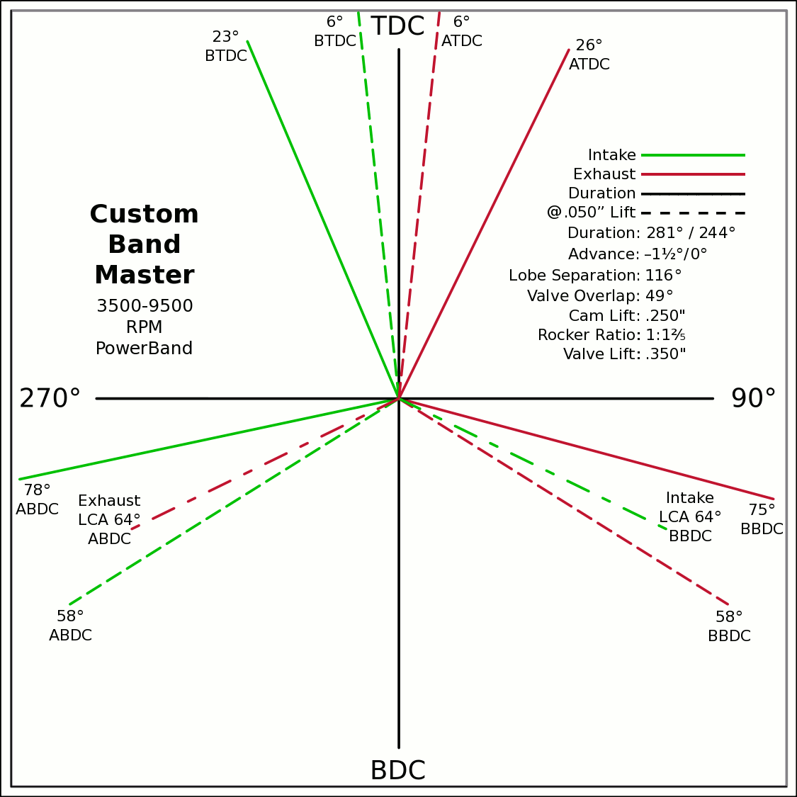
Advance | 0 | ° | -1.5 / 0 |  | 0 | 0
Lobes: Separation ∠ | 116 | ° | 281 / 244 |  | -0.3907 | 0.9205
Duration ───── | 281 | ° | Custom |  | 0 | 0
Dur. @ .050" ─ ─ ─ | 244 | ° |  |  | 0.4384 | 0.8988
Intake | ───── | 71.6 | DCR Angle |  | 0 | 0
Exaust | ───── | 1.250 | Radians |  | -0.9781 | -0.2079
 | ☞ | Valve Events |  |  | 0 | 0 | X & Y Axes
Intake Open | 24.5 | 23 | ° BTDC |  | 0.9659 | -0.2588 | 0 | 1
Exaust Close | 24.5 | 26 | ° ATDC |  | 24.5 |  | 0 | -1
Intake Close | 76.5 | 78 | ° ABDC |  | 18.5 |  | -1 | 0
Exaust Open | 76.5 | 75 | ° BBDC |  | 0 | 0 | 1 | 0
 | ☞ |  |  |  | -0.1045 | 0.9945
Dur. @ .050" | ☞ |  |  | 270° | 0 | 0 |  |  |  |  | 90°
Intake Open | 6 | 6 | ° BTDC |  | 0.1045 | 0.9945
Exaust Close | 6 | 6 | ° ATDC |  | 0 | 0
Intake Close | 58 | 58 | ° ABDC |  | -0.8480 | -0.5299
Exaust Open | 58 | 58 | ° BBDC |  | 0 | 0
 | ☞ | ⇓ |  |  | 0.8480 | -0.5299
 | Final Lobe Separation ∠ | 116 | ° |  | 122
 | Valve Overlap | 49 | ° |  | 354 | 244
 |  |  |  |  | 366 | 476
 |  |  |  |  | 598
 | Suggested Valve Specifications
 | & Cam LSA/LCA
Competition |  | 90.0% | Throat ÷ Valve Dia.
Valve Stem Dia. | 8 | mm | Manual Input
Intake Valve Dia. | 31.6 | mm | 31.0 |  |  |  | BDC
Intake Throat Dia. | 28.5 | mm | 27.9 |  |  |  |  |  |  |  |  |  |  |  |  |  |  |  |  | Piston Speed in FPM
Adjusted Throat Dia. | 27.3 | mm | 26.7 |  |  |  |  |  |  |  |  |  |  |  |  |  |  |  | 250 | Inc.
Bore Space | 5.6 | mm | 6.0 |  |  |  |  |  |  |  |  |  |  |  |  |  |  |  | RPM | Mean | Max
Exhaust Valve Dia. | 24.8 | mm | 25.0 |  |  |  |  |  |  |  |  |  |  |  |  |  |  |  | 2000 | 814 | 1278
Exhaust Throat Dia. | 22.3 | mm | 22.5 |  |  |  |  |  |  |  |  |  |  |  |  |  |  |  | 2250 | 915 | 1438
Adjusted Throat Dia. | 20.8 | mm | 21.0 |  |  |  |  |  |  |  |  |  |  |  |  |  |  |  | 2500 | 1017 | 1598
Exhaust ÷ Intake Throat Area | 58.2% | % | 61.9% |  |  |  |  |  |  |  |  |  |  |  |  |  |  |  | 2750 | 1119 | 1757
 | Calculated |  | Defined |  |  |  |  |  |  |  |  |  |  |  |  |  |  |  | 3000 | 1220 | 1917
Chamber cc ÷ Intake Throat Dia." | 9.2 | 12.555 | 9.4 |  |  |  |  |  |  |  |  |  |  |  |  |  |  |  | 3250 | 1322 | 2077
Lobe Centerline Angle | ~ 117.3 ° | ~ | 117.2 ° |  |  |  |  |  |  |  |  |  |  |  |  |  |  |  | 3500 | 1424 | 2237
K | 99 | Modified Equation (Nom.100) ☟ |  |  |  |  |  |  |  |  |  |  |  |  |  |  |  |  | 3750 | 1526 | 2396
 |  | Experiment with Different Values |  |  |  |  |  |  |  |  |  |  |  |  |  |  |  |  | 4000 | 1627 | 2556
 |  |  |  |  |  |  |  |  |  |  |  |  |  |  |  |  |  |  | 4250 | 1729 | 2716
Production |  |  |  |  |  |  |  |  |  |  |  |  |  |  |  |  |  |  | 4500 | 1831 | 2876
Valve Stem Dia. | 7 | mm | Manual Input |  |  |  |  |  |  |  |  |  |  |  |  |  |  |  | 4750 | 1932 | 3035
Intake Valve Dia. | 30.4 | mm | 29.0 |  |  |  |  |  |  |  |  |  |  |  |  |  |  |  | 5000 | 2034 | 3195
Intake Throat Dia. | 24.9 | mm | 23.5 |  |  |  |  |  |  |  |  |  |  |  |  |  |  |  | 5250 | 2136 | 3355
Adjusted Throat Dia. | 23.8 | mm | 22.4 |  |  |  |  |  |  |  |  |  |  |  |  |  |  |  | 5500 | 2238 | 3515
Bore Space | 7.3 | mm | 9.0 |  |  |  |  |  |  |  |  |  |  |  |  |  |  |  | 5750 | 2339 | 3674
Exhaust Valve Dia. | 24.3 | mm | 24.0 |  |  | (Intake Throat Dia.In) |  | Graph Data From: |  | Graph | Test |  |  |  |  |  |  |  | 6000 | 2441 | 3834
Exhaust Throat Dia. | 18.8 | mm | 18.5 | K +1.164 × (28.196-Cham.cc÷ITD) |  |  |  | How to Build Horespower |  | Try Me | 28.1957 |  |  |  |  |  |  |  | 6250 | 2543 | 3994
Adjusted Throat Dia. | 17.5 | mm | 17.1 | Modified Equation & Konstants |  |  |  |  |  | 100 | Konstant |  |  |  |  |  |  |  | 6500 | 2644 | 4154
Exhaust ÷ Intake Throat Area | 53.6% | % | 58.3% | 99.0 | ? VW Air Cooled |  |  |  |  | 28.20 | Cyl. / Valve |  |  |  |  |  |  |  | 6750 | 2746 | 4314
 | Calculated |  | Defined | 99.0 | Small Block Ford |  | 127 |  |  | 10 | CR |  |  |  |  |  |  |  | 7000 | 2848 | 4473
Chamber cc ÷ Intake Throat Dia." | 10.5 | 12.555 | 11.1 | 100.0 | Small Block Chevy |  | 128 |  |  | 100 ° | LSA/LCA |  |  |  |  |  |  |  | 7250 | 2949 | 4633
Lobe Centerline Angle | ~ 116.4 ° | ~ | 116 ° | 104.0 | Big Block Chevy |  | 132 | LSA=LCA when the cam is timed straight up, no advance/retard. |  |  |  |  |  |  |  |  |  |  | 7500 | 3051 | 4793
K | 99 | Modified Equation (Nom.100) ☞ |  | 105.0 | Big Block Ford |  | 133 |  |  |  |  |  |  |  |  |  |  |  | 7750 | 3153 | 4953
 |  | Experiment with Different Values |  |  |  | Vizard's Original Equation & Konstants |  |  |  |  |  |  |  |  |  |  |  |  | 8000 | 3255 | 5112
 |  |  |  |  |  | K - (Cyl.CID ÷ ValveDia. × 0.91) |  |  |  |  |  |  |  |  |  |  |  |  | 8250 | 3356 | 5272
The Konstant will vary according chamber shape, valve canting, crossflow ability, valve shrouding & other factors. |  |  |  |  |  |  | 3.00 |  |  |  |  |  |  |  |  |  |  |  | 8500 | 3458 | 5432
 |  | Finding the right value for the head design is important. |  |  |  |  | CR Comp |  |  |  |  |  |  |  |  |  |  |  | 8750 | 3560 | 5592
LCA Formula |  |  |  |  | Graph curve tweaking parameters. Do NOT change unless necessary. ☞ | 4.320 | 3.63 |  |  |  |  |  |  |  |  |  |  |  | 9000 | 3661 | 5751
Let CDTD = Chamber cc ÷ Intake Throat Dia. |  | 20 to 14 Compensation |  | 14 to 10 Compensation |  | 20 to 14 | 14 to 10 |  |  |  |  |  |  |  |  |  |  |  | 9250 | 3763 | 5911
K +1.1642×(28.1957─CDTD) ─IF[CDTD<20,(20─CDTD)÷4.32,0] ─IF[CDTD<14,(14─CDTD)÷3.63,0] +(10-CR)/3 |  |  |  |  |  |  |  |  |  |  |  |  |  |  |  |  |  |  | 9500 | 3865 | 6071
This equation has been tuned to follow the graph exactly within ±⅛° (above right). |  |  |  | 12.555=0.9×25.4×Cyl.CID÷Chamber.cc @ 10:1 CR |  |  |  |  |  |  |  |  |  |  |  |  |  |  | Valves | Rings | Rings

Airflow & Carburation
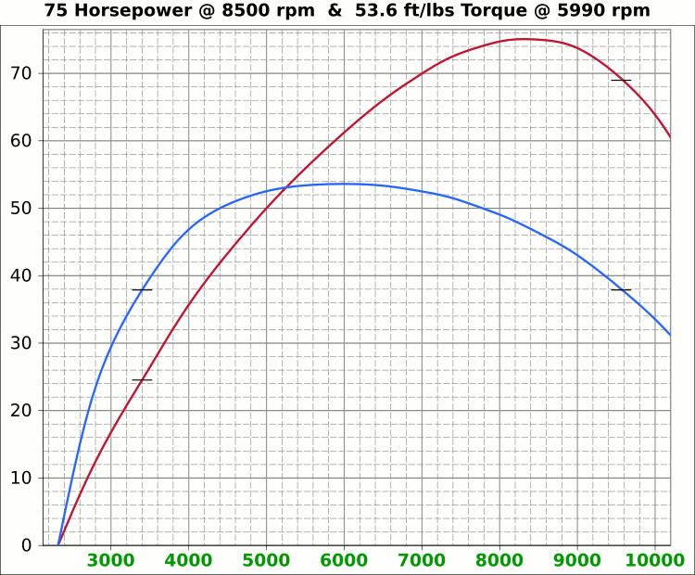
 | Airflow & Carburation |  |  |  |  | 2.441 | in.
 |  |  |  |  | Bore (mm) | 62 | 187.2 | cc
 | Change Only Blue Numbers |  |  |  | Stroke (mm) | 62 | 11.42 | in³
 |  |  |  |  |  | 2.441 | in.

 | 14.696 PSI At Sea Level |  |  |  | Cylinders | 4
14.696 | Atmospheric Pressure @ Altitude |  |  |  | Disp. | 45.7 | in³
3.00 | in/hg Carb. Calibration Value
0.74 | in/hg Maximum Carb. Pressure Drop
0.3610 | ∆PSI @ 0.735''/hg Pressure Drop |  |  |  |  | MCA Factors |  |  | Port MCA Dia" = RPM × Bore² × Stroke / 176000
92.0% | Wet Flow Compensation |  |  |  |  | 173881 | Brian Salter |  | Total Port Vol. / Cyl.Vol. = 92% to 95%
155 | Allocate CFM (Within Carburetor Limits) |  |  |  |  | 175831 | Avg. ↑ ↓
138 | Effective Available CFM (Drop/Cal., Wet Flow & Altitude Adj.) |  |  |  |  | 177780 | Flat Tappet | David Vizard
89.0% | Allocated CFM Usage |  |  |  |  | 195558 | Pro-Stock | Via
1.84 | CFM / BHP |  |  |  |  | 184136 | Race Roller | Bain Racing
75.0 | Peak BHP |  |  |  |  | Minimal Crossectional Area
122.8% | Volumetric Effeciency @ Peak |  |  |  |  | MCA Factor | 176000
3.35 | PSI Boost above 100% V.E. |  |  |  |  | Cyl.Vol. | 95.0% |  |  | 10.000 | in/H₂O | <─┐
8500 | @ Peak RPM |  |  |  |  | Ttl Port Vol. | 10.9 | in³ |  | 0.735 | in/hg | |
↑ ↑ ↑ |  |  |  |  |  |  |  |  |  | 0.361 | psi | 6.1949
13012 | RPM | 211.3 | 114.8 | Competition | 1.075 | 27.3 | 12.0 | 30.4 | MCA Redux | 383.765 | in/H₂O | <─┘
12034 | RPM | 195.4 | 106.2 | Competition | 0.994 | 25.3 | 14.0 | 35.5 | 0.95 | 28.200 | in/hg |  |  |  | 0
↑ ↑ ↑ |  |  |  |  |  | Port Dia.mm |  |  |  | 13.851 | psi
11363 | RPM | 184.5 | 100.3 | Production | 0.939 | 23.8 | 15.7 | 39.8 | MCA Redux | 14.696 | Air Pressure (PSI)
10474 | RPM | 170.1 | 92.4 | Production | 0.866 | 22.0 | 18.4 | 46.8 | 0.98 | 166 | CFM @ 10 in/H₂O
 |  |  |  |  |  |  |  |  |  | 1028.3 | CFM @ 28.2 in/hg
Inc. |  | RPM CFM Horsepower |  |  | Port MCA |  | Runner
100 |  | Carb |  |  | Diameter |  | Length |  |  | 6.799 | in/H₂O
RPM |  | CFM | HP |  | In. | mm | In. | cm |  | 0.500 | in/hg
1000 |  | 16.2 | 8.8 |  | 0.083 | 2.1 | 2023.4 | 5139.4 |  | 0.245 | psi
1100 |  | 17.9 | 9.7 |  | 0.091 | 2.3 | 1672.2 | 4247.4
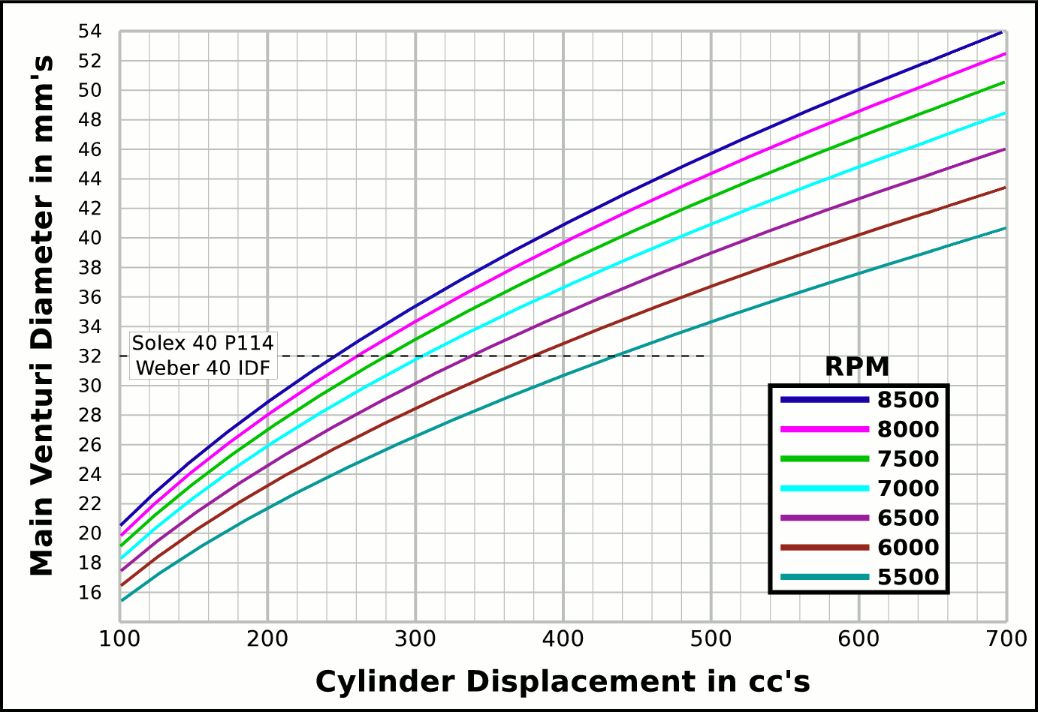
1200 |  | 19.5 | 10.6 |  | 0.099 | 2.5 | 1405.1 | 3569.0 |  |  | CFM | CFM |  | Airflow Comparisons of
1300 |  | 21.1 | 11.5 |  | 0.107 | 2.7 | 1197.3 | 3041.0 |  | Carb | @ 10 in/H₂O | @ 1.5 in/hg |  | Frequently Used VW Carburetors
1400 |  | 22.7 | 12.4 |  | 0.116 | 2.9 | 1032.3 | 2622.1 |  | 28 PIC 36hp | 47 | 67 | Stock 21.5 Vent, Choke
1500 |  | 24.4 | 13.2 |  | 0.124 | 3.1 | 899.3 | 2284.2 |  | 28 PIC F-Vee | 58 | 83 | Mod F-Vee Type, Big Vent, No Choke, Blended Top
1600 |  | 26.0 | 14.1 |  | 0.132 | 3.4 | 790.4 | 2007.6 |  | 28 PIC 40hp | 52 | 74 | Stock 22.5 Vent
1700 |  | 27.6 | 15.0 |  | 0.140 | 3.6 | 700.1 | 1778.3 |  | 30 PICT, 1 or 2 | 64 | 91 | Stock 24 Vent
1800 |  | 29.2 | 15.9 |  | 0.149 | 3.8 | 624.5 | 1586.2 |  | 32 PDSIT - 2 | 53 | 76 | Stock 21.5 Vent.
1900 |  | 30.9 | 16.8 |  | 0.157 | 4.0 | 560.5 | 1423.6 |  | 32 PDSIT - 2 | 64 | 91 | Mod 24.5 Vent, Smooth Shaft, Choke Out
2000 |  | 32.5 | 17.6 |  | 0.165 | 4.2 | 505.8 | 1284.8 |  | 34 PICT - 3 | 80 | 114 | Stock 27 Vent
2100 |  | 34.1 | 18.5 |  | 0.174 | 4.4 | 458.8 | 1165.4 |  | 32 PBIC Okrasa | 58 | 83 | Stock 24 Vent
2200 |  | 35.7 | 19.4 |  | 0.182 | 4.6 | 418.1 | 1061.9 |  | 32 PBIC Okrasa | 63 | 90 | Mod 26 Vent, Smooth Shaft
2300 |  | 37.3 | 20.3 |  | 0.190 | 4.8 | 382.5 | 971.5 |  | 34 ICT Weber | 82 | 117 | Stock 29 Vent
2400 |  | 39.0 | 21.2 |  | 0.198 | 5.0 | 351.3 | 892.2 |  | 32 NDIX Zenith | 137 | 196 | Stock 24 Vent, 1600N or VW Single
2500 |  | 40.6 | 22.1 |  | 0.207 | 5.2 | 323.7 | 822.3 |  | 32 NDIX Zenith | 150 | 214 | Stock 28 Vent, 1600S Porsche
2600 |  | 42.2 | 22.9 |  | 0.215 | 5.5 | 299.3 | 760.3 |  | 32 NDIX Zenith | 161 | 230 | Mod 31 Vent, Top Crossbar, Out & Blended
2700 |  | 43.8 | 23.8 |  | 0.223 | 5.7 | 277.6 | 705.0 |  | 40 Solex/Kadron EIS | 100 | 143 | Stock 28 Vent, Crosssbar, Top Style
2800 |  | 45.5 | 24.7 |  | 0.231 | 5.9 | 258.1 | 655.5 |  | Solex 36/40 PDSI | 111 | 159 | Stock 30 Vent, BMW 2002, Choke Out
2900 |  | 47.1 | 25.6 |  | 0.240 | 6.1 | 240.6 | 611.1 |  | Holley/Weber R6503 | 157 | 224 | Mod 26/27 Vent, Choke Out, Mod Inlet & Progressive
3000 |  | 48.7 | 26.5 |  | 0.248 | 6.3 | 224.8 | 571.0 |  | Weber DGEV 32/36 | 166 | 237 | Stock 26/27 Vent, Progressive
3100 |  | 50.3 | 27.4 |  | 0.256 | 6.5 | 210.5 | 534.8 |  | Weber DGEV 32/36 | 186 | 266 | Mod 26/30 Vent, Annular Boosters, Progressive
3200 |  | 52.0 | 28.2 |  | 0.264 | 6.7 | 197.6 | 501.9 |  | Weber 40 DCNF | 237 | 339 | Stock 32 Vent
3300 |  | 53.6 | 29.1 |  | 0.273 | 6.9 | 185.8 | 471.9 |  | Aisin 21100-35463 32/40 | 228 | 326 | 26/40 Vent, 1985+ 22R (Toyota Hilux/Truck)
3400 |  | 55.2 | 30.0 |  | 0.281 | 7.1 | 175.0 | 444.6 |  | Solex 40 P114 | 233 | 332 | Stock 32 Vent
3500 |  | 56.8 | 30.9 |  | 0.289 | 7.3 | 165.2 | 419.5 |  | Solex 40 P114 | 253 | 361 | Mod 37.5 Vent, Pro Super Vee
3600 |  | 58.5 | 31.8 |  | 0.297 | 7.6 | 156.1 | 396.6 |  | Rochester VaraLet 2SE | 262 | 374 | 2.5L L4 Iron Duke, 2.8L 60° V6
3700 |  | 60.1 | 32.7 |  | 0.306 | 7.8 | 147.8 | 375.4 |  | Weber 40 IDF | 202 | 289 | Stock 28 Vent, w/ Air Horn
3800 |  | 61.7 | 33.5 |  | 0.314 | 8.0 | 140.1 | 355.9 |  | Weber 40 IDF (39) | 251 | 358 | Stock 32 Vent, Tall Sec. Vent & Air Horn
3900 |  | 63.3 | 34.4 |  | 0.322 | 8.2 | 133.0 | 337.9 |  | Weber 40 IDF (39) | 266 | 380 | Mod 34 Vent, Tall Sec. Vent & Air Horn
4000 |  | 64.9 | 35.3 |  | 0.331 | 8.4 | 126.5 | 321.2 |  | Weber 40 IDF (39) | 278 | 397 | Mod 36 Vent, Tall Sec. Vent & Air Horn
4100 |  | 66.6 | 36.2 |  | 0.339 | 8.6 | 120.4 | 305.7 |  | Weber 48 IDA | 290 | 414 | Stock 37 Vent, Tall Sec. Vent & Air Horn
4200 |  | 68.2 | 37.1 |  | 0.347 | 8.8 | 114.7 | 291.3 |  | Weber 48 DCO 1/SP | 376 | 538 | Stock 42 Vent, w/ Air Horn
4300 |  | 69.8 | 37.9 |  | 0.355 | 9.0 | 109.4 | 278.0
4400 |  | 71.4 | 38.8 |  | 0.364 | 9.2 | 104.5 | 265.5 |  |  |  |  | One Venturi per Cylinder Setup
4500 |  | 73.1 | 39.7 |  | 0.372 | 9.4 | 99.9 | 253.8
4600 |  | 74.7 | 40.6 |  | 0.380 | 9.7 | 95.6 | 242.9
4700 |  | 76.3 | 41.5 |  | 0.388 | 9.9 | 91.6 | 232.7
4800 |  | 77.9 | 42.4 |  | 0.397 | 10.1 | 87.8 | 223.1
4900 |  | 79.6 | 43.2 |  | 0.405 | 10.3 | 84.3 | 214.1
5000 |  | 81.2 | 44.1 |  | 0.413 | 10.5 | 80.9 | 205.6
5100 |  | 82.8 | 45.0 |  | 0.421 | 10.7 | 77.8 | 197.6
5200 |  | 84.4 | 45.9 |  | 0.430 | 10.9 | 74.8 | 190.1
5300 |  | 86.1 | 46.8 |  | 0.438 | 11.1 | 72.0 | 183.0
5400 |  | 87.7 | 47.7 |  | 0.446 | 11.3 | 69.4 | 176.2
5500 |  | 89.3 | 48.5 |  | 0.454 | 11.5 | 66.9 | 169.9
5600 |  | 90.9 | 49.4 |  | 0.463 | 11.8 | 64.5 | 163.9
5700 |  | 92.6 | 50.3 |  | 0.471 | 12.0 | 62.3 | 158.2
5800 |  | 94.2 | 51.2 |  | 0.479 | 12.2 | 60.1 | 152.8
5900 |  | 95.8 | 52.1 |  | 0.488 | 12.4 | 58.1 | 147.6
6000 |  | 97.4 | 52.9 |  | 0.496 | 12.6 | 56.2 | 142.8
6100 |  | 99.0 | 53.8 |  | 0.504 | 12.8 | 54.4 | 138.1
6200 |  | 100.7 | 54.7 |  | 0.512 | 13.0 | 52.6 | 133.7
6300 |  | 102.3 | 55.6 |  | 0.521 | 13.2 | 51.0 | 129.5
6400 |  | 103.9 | 56.5 |  | 0.529 | 13.4 | 49.4 | 125.5
6500 |  | 105.5 | 57.4 |  | 0.537 | 13.6 | 47.9 | 121.6
6600 |  | 107.2 | 58.2 |  | 0.545 | 13.9 | 46.5 | 118.0
6700 |  | 108.8 | 59.1 |  | 0.554 | 14.1 | 45.1 | 114.5
6800 |  | 110.4 | 60.0 |  | 0.562 | 14.3 | 43.8 | 111.1
6900 |  | 112.0 | 60.9 |  | 0.570 | 14.5 | 42.5 | 107.9
7000 |  | 113.7 | 61.8 |  | 0.578 | 14.7 | 41.3 | 104.9
7100 |  | 115.3 | 62.7 |  | 0.587 | 14.9 | 40.1 | 102.0
7200 |  | 116.9 | 63.5 |  | 0.595 | 15.1 | 39.0 | 99.1
...

Intake Horn & Runner
 |  |  |  |  | Throat Dia. | 27.3
 |  |  |  |  | From | 25.3
 |  |  | Volume |  | Suggested | 23.8
X |  | Runner | 7.9431388 |  | Valve Spec. | 22.0
~ Eff. Lngth |  | Horn | 2.984 | Correct Horn Volume Requires the Proper Summation Range be Set, Located @ Cells i51 & i52.
mm Horn Dia. |  | Total | 10.93
0 | 0.66929133858 | -0.66929133858
0.125 | 0.67282923423 | -0.67282923423
0.25 | 0.67638583132 | -0.67638583132
0.375 | 0.67996122869 | -0.67996122869
0.5 | 0.68355552572 | -0.68355552572
0.625 | 0.68716882233 | -0.68716882233
0.75 | 0.69080121894 | -0.69080121894
0.875 | 0.69445281651 | -0.69445281651
1 | 0.69812371655 | -0.69812371655
1.125 | 0.70181402108 | -0.70181402108
1.25 | 0.70552383268 | -0.70552383268
1.375 | 0.70925325447 | -0.70925325447
1.5 | 0.7130023901 | -0.7130023901
1.625 | 0.71677134378 | -0.71677134378
1.75 | 0.72056022028 | -0.72056022028
1.875 | 0.72436912489 | -0.72436912489
2 | 0.7281981635 | -0.7281981635
2.125 | 0.73204744254 | -0.73204744254
2.25 | 0.73591706898 | -0.73591706898
2.375 | 0.7398071504 | -0.7398071504
2.5 | 0.74371779491 | -0.74371779491
2.625 | 0.74764911122 | -0.74764911122
2.75 | 0.75160120859 | -0.75160120859
2.875 | 0.75557419687 | -0.75557419687
3 | 0.7595681865 | -0.7595681865
3.125 | 0.76358328849 | -0.76358328849
3.25 | 0.76761961444 | -0.76761961444
3.375 | 0.77167727653 | -0.77167727653
3.5 | 0.77575638756 | -0.77575638756
3.625 | 0.7798570609 | -0.7798570609
3.75 | 0.78397941054 | -0.78397941054
3.875 | 0.78812355104 | -0.78812355104
4 | 0.79228959761 | -0.79228959761
4.125 | 0.79647766604 | -0.79647766604
4.25 | 0.80068787273 | -0.80068787273
4.375 | 0.8049203347 | -0.8049203347
4.5 | 0.80917516961 | -0.80917516961
4.625 | 0.81345249572 | -0.81345249572
4.75 | 0.81775243191 | -0.81775243191
4.875 | 0.8220750977 | -0.8220750977
5 | 0.82642061324 | -0.82642061324
5.125 | 0.83078909931 | -0.83078909931
5.25 | 0.83518067735 | -0.83518067735
5.375 | 0.83959546941 | -0.83959546941
5.5 | 0.8440335982 | -0.8440335982
5.625 | 0.84849518709 | -0.84849518709
5.75 | 0.85298036007 | -0.85298036007
5.875 | 0.85748924183 | -0.85748924183
6 | 0.86202195768 | -0.86202195768
6.125 | 0.86657863362 | -0.86657863362
...
Deg. |  |  | in³
 |  |  | 95.7 | %
 |  |  | Cyl. Vol. |  | 0.68025547001
1.0074 | Dia.
mm | in. | +in. | -in.
22.0 | 0.866 | 0.433 | -0.433
22.1 | 0.872 | 0.436 | -0.436
22.3 | 0.878 | 0.439 | -0.439
22.5 | 0.885 | 0.442 | -0.442
22.6 | 0.891 | 0.446 | -0.446
22.8 | 0.898 | 0.449 | -0.449
23.0 | 0.904 | 0.452 | -0.452
23.1 | 0.911 | 0.456 | -0.456 |  | -0.68025547001
23.3 | 0.918 | 0.459 | -0.459
23.5 | 0.925 | 0.462 | -0.462
23.7 | 0.931 | 0.466 | -0.466
23.8 | 0.938 | 0.469 | -0.469
24.0 | 0.945 | 0.473 | -0.473 |  |  | Length " | Dia. "
24.2 | 0.952 | 0.476 | -0.476 |  |  | 0 | 0.866
24.4 | 0.959 | 0.480 | -0.480 |  |  | 0.5 | 0.891
24.5 | 0.966 | 0.483 | -0.483 |  |  | 1 | 0.918
24.7 | 0.973 | 0.487 | -0.487 |  |  | 1.5 | 0.945
24.9 | 0.980 | 0.490 | -0.490 |  |  | 2 | 0.973
25.1 | 0.988 | 0.494 | -0.494 |  |  | 2.5 | 1.002
25.3 | 0.995 | 0.497 | -0.497 |  |  | 3 | 1.032
25.5 | 1.002 | 0.501 | -0.501 |  |  | 3.5 | 1.063
...

Tires, Trans, RPM, MPH
...
 |  |  |  |  |  |  |  |  |  |  | VW Beetle Tire Sizes
-5.0 | 5.5 | 9.3 | 13.8 | 18.5 | 22.5 | 22.0 | In. Tire Diameter |  |  | Front | 185/75R14, 24.9x7.3
-5.6 | 6.2 | 10.5 | 15.6 | 20.8 | 25.4 | 5.7 | Ft. Circumference |  |  | Rear | 215/65R14, 25x8.5
-6.3 | 6.8 | 11.7 | 17.3 | 23.1 | 28.2 |  | 5-Seed Manual
-6.9 | 7.5 | 12.8 | 19.0 | 25.4 | 31.0 | Diff | 5.455 | ∆ |  |  | 15x6 Rims | A
-7.5 | 8.2 | 14.0 | 20.8 | 27.7 | 33.8 | 5 | 0.850 | 1.220 | 1.220 | Front | 185/70R15, 25.2x7.3
-8.2 | 8.9 | 15.1 | 22.5 | 30.0 | 36.6 | 4 | 1.037 | 1.335 | 1.629 | Rear | 215/60R15, 25.2x8.5
-8.8 | 9.6 | 16.3 | 24.2 | 32.3 | 39.4 | 3 | 1.385 | 1.485 | 2.418
-9.4 | 10.3 | 17.5 | 25.9 | 34.6 | 42.3 | 2 | 2.056 | 1.703 | 4.118 |  | 16x6 Rims
-10.0 | 10.9 | 18.6 | 27.7 | 37.0 | 45.1 | 1 | 3.500 |  | Total∆ | Front | 185/65R16, 25.5x7.3
-10.7 | 11.6 | 19.8 | 29.4 | 39.3 | 47.9 | Rev | -3.818 | Final | 4.636 | Rear | 215/55R16, 25.3x8.5
5 | 0.85
4 | 1
3 | 1.3
2 | 2
1 | 3.5
-11.3 | 12.3 | 21.0 | 31.1 | 41.6 | 50.7
-11.9 | 13.0 | 22.1 | 32.9 | 43.9 | 53.5
-12.5 | 13.7 | 23.3 | 34.6 | 46.2 | 56.4
-13.2 | 14.4 | 24.5 | 36.3 | 48.5 | 59.2
-13.8 | 15.1 | 25.6 | 38.1 | 50.8 | 62.0
-14.4 | 15.7 | 26.8 | 39.8 | 53.1 | 64.8
-15.1 | 16.4 | 28.0 | 41.5 | 55.4 | 67.6
-15.7 | 17.1 | 29.1 | 43.2 | 57.7 | 70.4
-16.3 | 17.8 | 30.3 | 45.0 | 60.0 | 73.3
-16.9 | 18.5 | 31.5 | 46.7 | 62.4 | 76.1
-17.6 | 19.2 | 32.6 | 48.4 | 64.7 | 78.9
-18.2 | 19.8 | 33.8 | 50.2 | 67.0 | 81.7
-18.8 | 20.5 | 35.0 | 51.9 | 69.3 | 84.5
-19.4 | 21.2 | 36.1 | 53.6 | 71.6 | 87.4
-20.1 | 21.9 | 37.3 | 55.4 | 73.9 | 90.2
-20.7 | 22.6 | 38.5 | 57.1 | 76.2 | 93.0
-21.3 | 23.3 | 39.6 | 58.8 | 78.5 | 95.8
-22.0 | 24.0 | 40.8 | 60.5 | 80.8 | 98.6
-22.6 | 24.6 | 41.9 | 62.3 | 83.1 | 101.4
-23.2 | 25.3 | 43.1 | 64.0 | 85.5 | 104.3
-23.8 | 26.0 | 44.3 | 65.7 | 87.8 | 107.1
-24.5 | 26.7 | 45.4 | 67.5 | 90.1 | 109.9
-25.1 | 27.4 | 46.6 | 69.2 | 92.4 | 112.7
-25.7 | 28.1 | 47.8 | 70.9 | 94.7 | 115.5
-26.3 | 28.7 | 48.9 | 72.7 | 97.0 | 118.3
-27.0 | 29.4 | 50.1 | 74.4 | 99.3 | 121.2
-27.6 | 30.1 | 51.3 | 76.1 | 101.6 | 124.0
-28.2 | 30.8 | 52.4 | 77.8 | 103.9 | 126.8
-28.9 | 31.5 | 53.6 | 79.6 | 106.2 | 129.6
-29.5 | 32.2 | 54.8 | 81.3 | 108.5 | 132.4
-30.1 | 32.8 | 55.9 | 83.0 | 110.9 | 135.3
-30.7 | 33.5 | 57.1 | 84.8 | 113.2 | 138.1
MPH | MPH | MPH | MPH | MPH | MPH | WheelRPM
-6.7 | 7.3 | 12.4 | 18.4 | 24.6 | 30.0 | 459
-7.8 | 8.5 | 14.5 | 21.5 | 28.7 | 35.0 | 536
-8.9 | 9.7 | 16.5 | 24.6 | 32.8 | 40.0 | 612
-10.0 | 10.9 | 18.6 | 27.6 | 36.9 | 45.0 | 689
-11.1 | 12.1 | 20.7 | 30.7 | 41.0 | 50.0 | 765
-12.2 | 13.4 | 22.7 | 33.8 | 45.1 | 55.0 | 842
-13.4 | 14.6 | 24.8 | 36.8 | 49.2 | 60.0 | 919
-14.5 | 15.8 | 26.9 | 39.9 | 53.3 | 65.0 | 995
-15.6 | 17.0 | 28.9 | 43.0 | 57.4 | 70.0 | 1072
...

