Displacement & Cam Protractor
 |  | VW Air Cooled Boxster |  | Displacement Calculator, Table, Protractor, Valve Timings & Sizing
 |  | TOYOTA 22R
Displacement Calculator |  |  |  |  |  | Magnesuim | Aluminum | Case
Squareness | 1.034 | 0.916 | Change Only Blue Numbers |  |  | S↓ x B→ | 77 | 83 | 85.5 | 86 | 87 | 88 | 90 | 90.5 | 92 | 94 | 96.5 | 101.6
 | 3.622" |  |  |  |  | 64 | 1192 | 1385 | 1470 | 1487 | 1522 | 1557 | 1629 | 1647 | 1702 | 1777 | 1782 | 2075
Bore (mm) | 92.00 | 591.6 | cc |  |  | 69 | 1285 | 1493 | 1585 | 1603 | 1641 | 1679 | 1756 | 1775 | 1835 | 1915 | 2019 | 2237
Stroke (mm) | 89.00 | 36.10 | in³ |  |  | 74 | 1378 | 1602 | 1700 | 1719 | 1760 | 1800 | 1883 | 1904 | 1968 | 2054 | 2165 | 2399
 | 3.504" |  |  |  |  | 76 | 1416 | 1645 | 1745 | 1766 | 1807 | 1849 | 1934 | 1956 | 2021 | 2110 | 2223 | 2465
 | 6.307" ≥ Length ≥ 5.606" |  |  | In | mm | 78 | 1453 | 1688 | 1791 | 1812 | 1855 | 1898 | 1985 | 2007 | 2074 | 2165 | 2282 | 2529
Rod Length (In) | 5.820 | 1.661 | :1 | 4 | 142 | 80 | 1490 | 1731 | 1837 | 1859 | 1902 | 1946 | 2036 | 2058 | 2127 | 2221 | 2340 | 2594
 | 147.8 | mm | Other | mm | In | 82 | 1527 | 1775 | 1883 | 1905 | 1950 | 1995 | 2087 | 2110 | 2180 | 2276 | 2399 | 2659
Cylinders | 4 |  | Configurations | 101.6 | 5.591 | 84 | 1565 | 1818 | 1929 | 1952 | 1997 | 2044 | 2138 | 2161 | 2234 | 2332 | 2457 | 2724
Displacement | 144.4 | in³ | 88×74 |  |  | 86 | 1602 | 1861 | 1975 | 1998 | 2045 | 2092 | 2188 | 2213 | 2287 | 2387 | 2516 | 2789
Total | 2366.5 | cc | 88×82 |  |  | 88 | 1639 | 1905 | 2021 | 2045 | 2093 | 2141 | 2239 | 2264 | 2340 | 2443 | 2574 | 2854
 | 2.4 | L | 86×86 |  |  | 90 | 1676 | 1948 | 2067 | 2091 | 2140 | 2190 | 2290 | 2316 | 2393 | 2498 | 2633 | 2919
 |  |  | 92×86 |  |  | Studs | 10mm | 10mm | 10mm | 10mm | 10mm | 9mm | 8mm | 8mm | 8mm | 8mm | 8mm | 8mm
HP/Cyl. | 37.50 |  | 5 Cylinder
HP | 150.0 |  | Small Block Chevy |  |  |  |  |  |  |  |  | Links: | VW Boxster |  |  |  |  |  |  |  |  | A
HP/in³ | 1.04 |  |  |  |  |  |  |  |  |  |  |  | David Vizard |  |  |  |  |  |  | Piston Speed in FPM
CR (8-18) vs. Tq/Cube (Max) | 1.30 | 187.0 | ft/lbs Max.Torque |  |  |  |  |  |  |  |  |  | How to Build Horsepower |  |  | 📓 |  |  | 250 | Inc.
Compression Ratio | 9.5 | :1 | With higher compression ceramic coated insulated combustion chambers are highly recomended. |  |  |  |  |  |  |  |  |  | How to Port & Flow Cylinder Heads |  |  |  | 📓 |  | RPM | Mean | Max
Crown to Wall Vol. | 1.69 | cc |  |  |  |  |  |  |  |  |  |  | IOP Flow program |  |  |  |  |  | 2000 | 1168 | 1835
Deck Height | 0.035 | " |  |  |  |  |  |  |  |  |  |  | Engine Math |  | 📓 |  |  |  | 2250 | 1314 | 2064
Deck Ht Vol. | 5.91 | cc |  | Dynamic Calculations |  | ©2025 - J.S. Gilstrap - All Rights Reserved. |  |  |  |  |  |  | PipeMax |  |  |  |  |  | 2500 | 1460 | 2293
Total Vol. | 69.60 | cc |  | 40.2 |  | Creative Commons |  | (CC BY-SA 4.0) |  |  |  |  | Bain Racing |  | YouTube |  |  |  | 2750 | 1606 | 2523
Chamber Vol. | 62.00 | cc |  | 19.1 |  | Hardware Licenses: |  | TAPR-OHL |  | CERN-OHL-S |  |  | Turbo power without Turbo through resonance. |  |  |  |  |  | 3000 | 1752 | 2752
Dynamic Stroke | 69.14 | mm |  | 142.3 |  |  |  |  |  |  |  |  | Brian Salter |  | Salter Racing Engines |  |  |  | 3250 | 1898 | 2981
Dynamic Compression | 7.60 | :1 | × VE Factor: 9.13:1 | 123.2 |  |  |  |  |  |  |  |  | Ben Almeda |  | Alemeda Racing |  |  |  | 3500 | 2044 | 3211
(Intake Valve Close @ ~.020") | For Dynamic Stroke & Compression enter camshaft timing data, B39 to B42, and update valve events in camshaft protractor, C46 to C55. |  |  |  |  |  |  |  |  |  |  |  | MotoIQ | YouTube |  |  |  |  | 3750 | 2190 | 3440
Cranking Pressure | 152.0 | PSI |  |  |  |  |  |  |  |  |  |  |  |  |  |  |  |  | 4000 | 2336 | 3669
× VE Factor (Max) | 182.5 | PSI |  |  |  |  |  |  |  |  |  |  |  |  |  |  |  |  | 4250 | 2482 | 3899
Calculated Valve Diameter | In / Ex |  | LSA/LCA |  | Camshaft Protractor |  |  |  |  |  |  |  |  |  |  |  |  |  | 4500 | 2628 | 4128
Competition | 46.9 / 36.8 | mm | ~ 111.4 ° |  |  |  |  |  |  |  |  |  |  |  |  |  |  |  | 4750 | 2774 | 4357
Production | 45 / 36.1 | mm | ~ 110 ° |  |  |  |  |  |  |  |  |  |  |  |  |  |  |  | 5000 | 2920 | 4587
Cam Lift | 0.325 | " |  | Manual Input |  |  |  |  |  |  |  |  |  |  |  |  |  |  | 5250 | 3066 | 4816
Rocker Ratio 1: | 1.400 | 24.6% Lift Of Intake Valve Dia. |  | 24.6 | % |  |  |  |  |  |  |  |  |  |  |  |  |  | 5500 | 3212 | 5045
Valve Lift | 0.455 | " 27.6% Lift Of Intake Valve Dia. |  | 27.7 | % |  | TDC |  |  |  |  |  |  |  |  |  |  |  | 5750 | 3358 | 5275
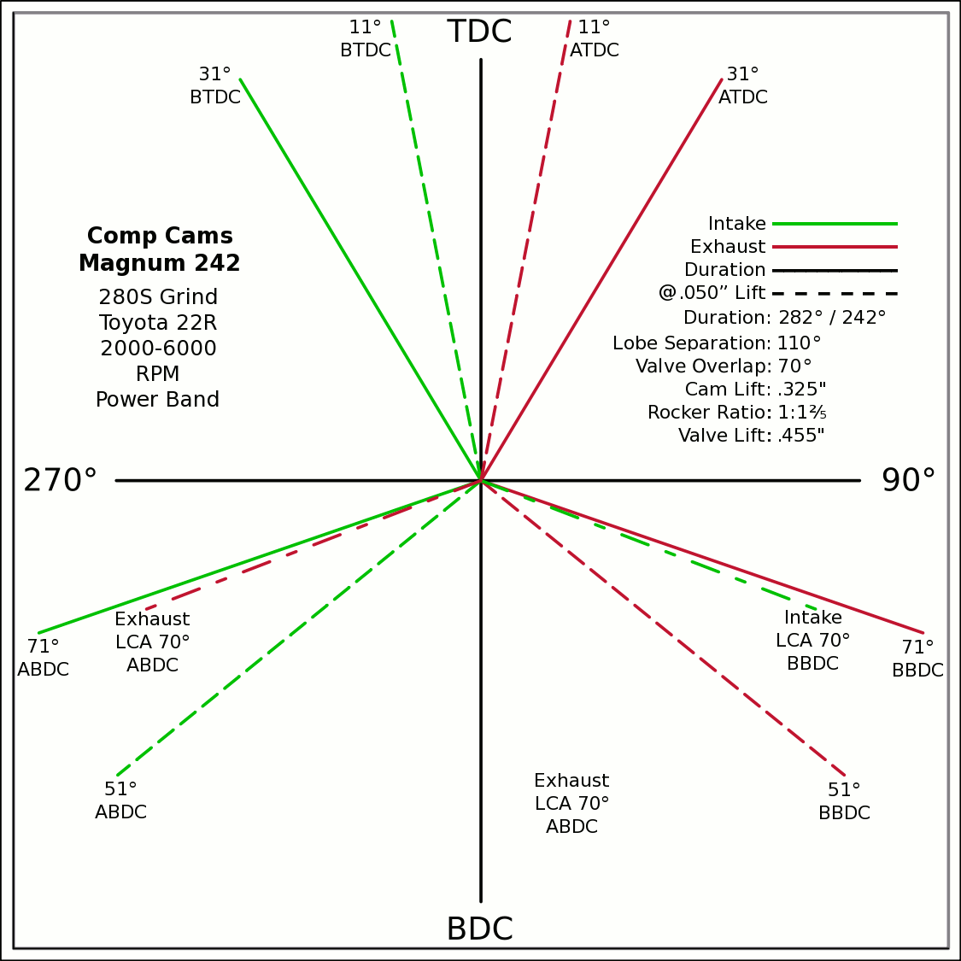
Advance | 0 | ° |  |  | 0 | 0 |  |  |  |  |  |  |  |  |  |  |  |  | 6000 | 3504 | 5504
Lobes: Separation ∠ | 110 | ° |  |  | -0.5150 | 0.8572 |  |  |  |  |  |  |  |  |  |  |  |  | 6250 | 3650 | 5733
Duration ───── | 282 | ° | Custom |  | 0 | 0 |  |  |  |  |  |  |  |  |  |  |  |  | 6500 | 3796 | 5963
Dur. @ .050" ─ ─ ─ | 242 | ° |  |  | 0.5150 | 0.8572 |  |  |  |  |  |  |  |  |  |  |  |  | 6750 | 3942 | 6192
Intake | ───── | 64.6 | DCR Angle |  | 0 | 0 |  |  |  |  |  |  |  |  |  |  |  |  | 7000 | 4088 | 6421
Exaust | ───── | 1.128 | Radians |  | -0.9455 | -0.3256 |  |  |  |  |  |  |  |  |  |  |  |  | 7250 | 4234 | 6651
 | ☞ | Valve Events |  |  | 0 | 0 | X & Y Axes |  |  |  |  |  |  |  |  |  |  |  | 7500 | 4380 | 6880
Intake Open | 31 | 31 | ° BTDC |  | 0.9455 | -0.3256 | 0 | 1 |  |  |  |  |  |  |  |  |  |  | 7750 | 4526 | 7109
Exaust Close | 31 | 31 | ° ATDC |  | 31 |  | 0 | -1 |  |  |  |  |  |  |  |  |  |  | 8000 | 4672 | 7339
Intake Close | 71 | 71 | ° ABDC |  | 20 |  | -1 | 0 |  |  |  |  |  |  |  |  |  |  | 8250 | 4818 | 7568
Exaust Open | 71 | 71 | ° BBDC |  | 0 | 0 | 1 | 0 |  |  |  |  |  |  |  |  |  |  | 8500 | 4964 | 7797
 | ☞ |  |  |  | -0.1908 | 0.9816 |  |  |  |  |  |  |  |  |  |  |  |  | 8750 | 5110 | 8027
Dur. @ .050" | ☞ |  |  | 270° | 0 | 0 |  |  |  |  | 90° |  |  |  |  |  |  |  | 9000 | 5256 | 8256
Intake Open | 11 | 11 | ° BTDC |  | 0.1908 | 0.9816 |  |  |  |  |  |  |  |  |  |  |  |  | 9250 | 5402 | 8485
Exaust Close | 11 | 11 | ° ATDC |  | 0 | 0 |  |  |  |  |  |  |  |  |  |  |  |  | 9500 | 5548 | 8715
Intake Close | 51 | 51 | ° ABDC |  | -0.7771 | -0.6293 |  |  |  |  |  |  |  |  |  |  |  |  | Valves | Rings | Rings
Exaust Open | 51 | 51 | ° BBDC |  | 0 | 0
 | ☞ | ⇓ |  |  | 0.7771 | -0.6293
 | Final Lobe Separation ∠ | 110 | ° |  | 129
 | Valve Overlap | 62 | ° |  | 349 | 250
 |  |  |  |  | 371 | 470
 |  |  |  |  | 591
 | Suggested Valve Specifications
 | & Cam LSA/LCA
Competition |  | 91.0% | Throat ÷ Valve Dia.
Valve Stem Dia. | 8 | mm | Manual Input
Intake Valve Dia. | 46.9 | mm | 47.0 |  |  |  | BDC
Intake Throat Dia. | 42.7 | mm | 42.8
Adjusted Throat Dia. | 41.9 | mm | 42.0
Bore Space | 8.3 | mm | 8.0
Exhaust Valve Dia. | 36.8 | mm | 37.0
Exhaust Throat Dia. | 33.5 | mm | 33.7
Adjusted Throat Dia. | 32.5 | mm | 32.7
Exhaust ÷ Intake Throat Area | 60.1% | % | 60.6%
 | Calculated |  | Defined
Cyl.CID ÷ Intake Throat Dia. | 20.7 | 12.695 | 20.7
Lobe Centerline Angle | ~ 111.4 ° | ~ | 111.4 °
K | 102.5 | Modified Equation (Nom.100) ☟
 |  | Experiment with Different Values
 | 10.9102 | 12.193796888
Production
Valve Stem Dia. | 8 | mm | Manual Input
Intake Valve Dia. | 45.0 | mm | 45.0
Intake Throat Dia. | 38.0 | mm | 38.0
Adjusted Throat Dia. | 37.2 | mm | 37.1
Bore Space | 10.9 | mm | 10.0
Exhaust Valve Dia. | 36.1 | mm | 37.0 |  |  |  | (Intake Throat Dia.In) |  |  | Graph | Test
Exhaust Throat Dia. | 29.1 | mm | 30.0 | K +1.164 × (28.196-Cyl.CID÷ITD) +¾(CR -10.5) |  |  |  |  |  | Try Me | 28.1957
Adjusted Throat Dia. | 27.9 | mm | 28.9 | Modified Equation & Konstants |  |  |  |  |  | 100 | Konstant
Exhaust ÷ Intake Throat Area | 56.4% | % | 60.6% | 99.0 | ? VW Air Cooled |  |  |  |  | 28.20 | Cyl. / Valve
 | Calculated |  | Defined | 99.0 | Small Block Ford |  | 127 |  |  | 10 | CR
Cyl.CID ÷ Intake Throat Dia. | 23.2 | 12.695 | 23.3 | 100.0 | Small Block Chevy |  | 128 |  |  | 100 ° | LSA/LCA
Lobe Centerline Angle | ~ 110 ° | ~ | 109.9 ° | 104.0 | Big Block Chevy |  | 132 | LSA=LCA when the cam is timed straight up, no advance/retard.
K | 104 | Modified Equation (Nom.100) ☞ |  | 105.0 | Big Block Ford |  | 133
 |  | Experiment with Different Values |  |  |  | Vizard's Original Equation & Konstants
 |  |  |  |  |  | K - (Cyl.CID ÷ ValveDia. × 0.91)
The Konstant will vary according chamber shape, valve canting, crossflow ability, valve shrouding & other factors. |  |  |  |  |  |  | 3.00
 |  | Finding the right value for the head design is important. |  |  |  |  | CR Comp
LCA Formula |  |  |  |  | Graph curve tweaking parameters. Do NOT change unless necessary. ☞ | 4.320 | 3.63
Let CDTD = Chamber cc ÷ Intake Throat Dia. |  | 20 to 14 Compensation |  | 14 to 10 Compensation |  | 20 to 14 | 14 to 10
K +1.1642×(28.1957─CDTD) ─IF[CDTD<20,(20─CDTD)÷4.32,0] ─IF[CDTD<14,(14─CDTD)÷3.63,0] +(10-CR)/3
This equation has been tuned to follow the graph exactly within ±⅛° (above right). |  |  |  | 12.695=0.91×25.4×Cyl.CID÷Chamber.cc @ 10:1 CR

Airflow & Carburation
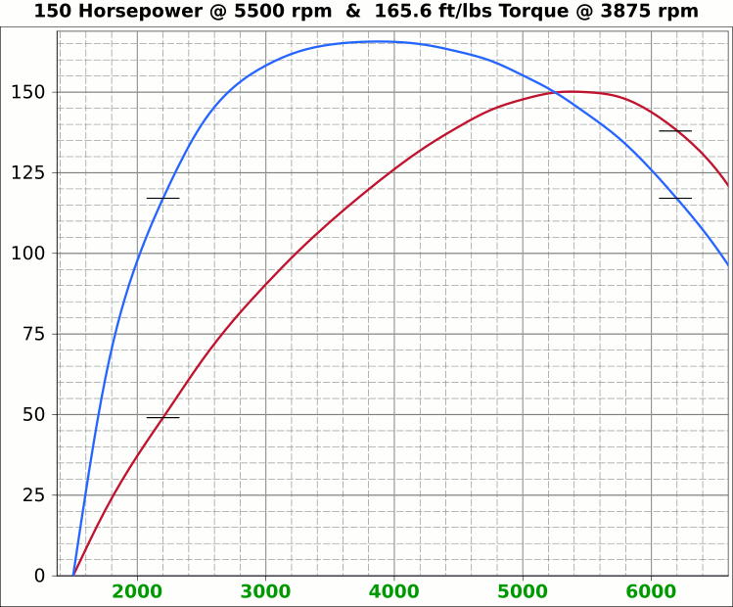
 | Airflow & Carburation |  |  |  |  | 3.622 | in.
 |  |  |  |  | Bore (mm) | 92 | 591.6 | cc
 | Change Only Blue Numbers |  |  |  | Stroke (mm) | 89 | 36.10 | in³
 |  |  |  |  |  | 3.504 | in.

 | 14.696 PSI At Sea Level |  |  |  | Cylinders | 4
14.696 | Atmospheric Pressure @ Altitude |  |  |  | Disp. | 144.4 | in³
3.00 | in/hg Carb. Calibration Value
0.74 | in/hg Maximum Carb. Pressure Drop
0.3610 | ∆PSI @ 0.735''/hg Pressure Drop |  |  |  |  | MCA Factors |  |  | Port MCA Dia" = RPM × Bore² × Stroke / 176000
92.0% | Wet Flow Compensation |  |  |  |  | 173881 | Brian Salter |  | Total Port Vol. / Cyl.Vol. = 92% to 95%
310 | Allocate CFM (Within Carburetor Limits) |  |  |  |  | 175831 | Avg. ↑ ↓
276 | Effective Available CFM (Drop/Cal., Wet Flow & Altitude Adj.) |  |  |  |  | 177780 | Flat Tappet | David Vizard
89.0% | Allocated CFM Usage |  |  |  |  | 195558 | Pro-Stock | Via
1.84 | CFM / BHP |  |  |  |  | 184136 | Race Roller | Bain Racing
150.0 | Peak BHP |  |  |  |  | Minimal Crossectional Area
120.1% | Volumetric Effeciency @ Peak |  |  |  |  | MCA Factor | 176000
2.95 | PSI Boost above 100% V.E. |  |  |  |  | Cyl.Vol. | 92.0% |  |  | 10.000 | in/H₂O | <─┐
5500 | @ Peak RPM |  |  |  |  | Ttl Port Vol. | 33.2 | in³ |  | 0.735 | in/hg | |
↑ ↑ ↑ |  |  |  |  |  |  |  |  |  | 0.361 | psi | 1.4287
6322 | RPM | 317.3 | 172.4 | Competition | 1.651 | 41.9 | 15.5 | 39.4 | MCA Redux | 20.413 | in/H₂O | <─┘
6017 | RPM | 302.0 | 164.1 | Competition | 1.571 | 39.9 | 17.1 | 43.5 | 0.95 | 1.500 | in/hg |  |  |  | 0
↑ ↑ ↑ |  |  |  |  |  | Port Dia.mm |  |  |  | 0.737 | psi
5606 | RPM | 281.4 | 152.9 | Production | 1.464 | 37.2 | 19.7 | 50.1 | MCA Redux | 14.696 | Air Pressure (PSI)
5572 | RPM | 279.6 | 152.0 | Production | 1.455 | 37.0 | 20.0 | 50.7 | 1.00 | 266 | CFM @ 10 in/H₂O
 |  |  |  |  |  |  |  |  |  | 380.0 | CFM @ 1.5 in/hg
Inc. |  | RPM CFM Horsepower |  |  | Port MCA |  | Runner
100 |  | Carb |  |  | Diameter |  | Length |  |  | 20.414 | in/H₂O
RPM |  | CFM | HP |  | In. | mm | In. | cm |  | 1.500 | in/hg
1000 |  | 50.2 | 27.3 |  | 0.261 | 6.6 | 619.9 | 1574.6 |  | 0.737 | psi
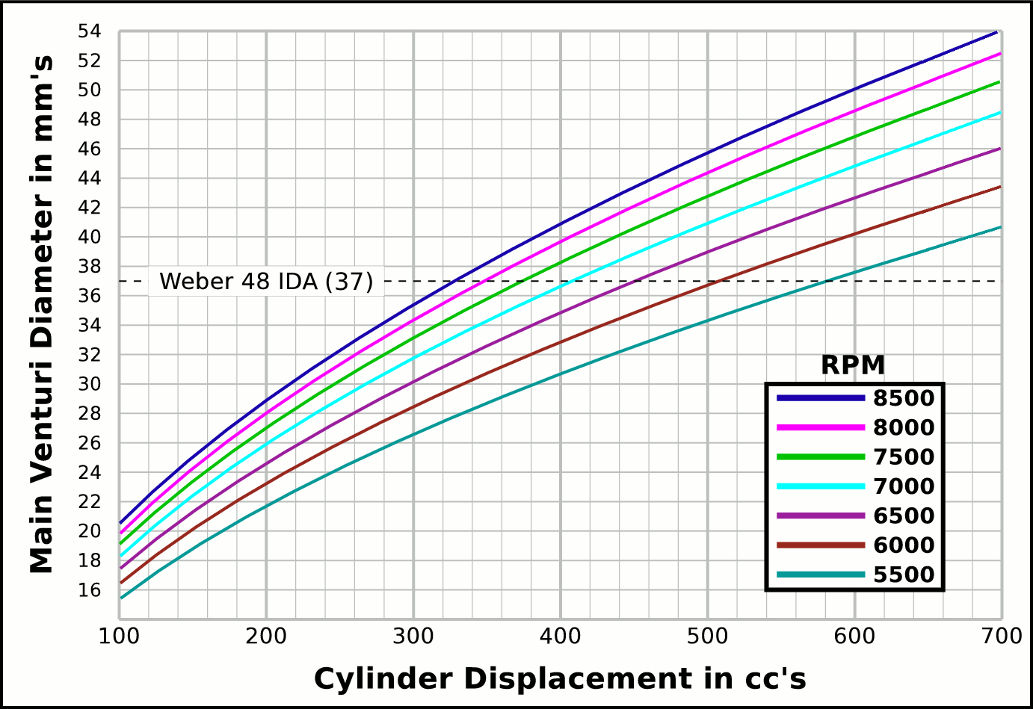
1100 |  | 55.2 | 30.0 |  | 0.287 | 7.3 | 512.3 | 1301.4
1200 |  | 60.2 | 32.7 |  | 0.313 | 8.0 | 430.5 | 1093.5 |  |  | CFM | CFM |  | Airflow Comparisons of
1300 |  | 65.2 | 35.5 |  | 0.340 | 8.6 | 366.8 | 931.7 |  | Carb | @ 10 in/H₂O | @ 1.5 in/hg |  | Frequently Used VW Carburetors
1400 |  | 70.3 | 38.2 |  | 0.366 | 9.3 | 316.3 | 803.4 |  | 28 PIC 36hp | 47 | 67 | Stock 21.5 Vent, Choke
1500 |  | 75.3 | 40.9 |  | 0.392 | 10.0 | 275.5 | 699.8 |  | 28 PIC F-Vee | 58 | 83 | Mod F-Vee Type, Big Vent, No Choke, Blended Top
1600 |  | 80.3 | 43.6 |  | 0.418 | 10.6 | 242.2 | 615.1 |  | 28 PIC 40hp | 52 | 74 | Stock 22.5 Vent
1700 |  | 85.3 | 46.4 |  | 0.444 | 11.3 | 214.5 | 544.9 |  | 30 PICT, 1 or 2 | 64 | 91 | Stock 24 Vent
1800 |  | 90.3 | 49.1 |  | 0.470 | 11.9 | 191.3 | 486.0 |  | 32 PDSIT - 2 | 53 | 76 | Stock 21.5 Vent.
1900 |  | 95.4 | 51.8 |  | 0.496 | 12.6 | 171.7 | 436.2 |  | 32 PDSIT - 2 | 64 | 91 | Mod 24.5 Vent, Smooth Shaft, Choke Out
2000 |  | 100.4 | 54.6 |  | 0.522 | 13.3 | 155.0 | 393.7 |  | 34 PICT - 3 | 80 | 114 | Stock 27 Vent
2100 |  | 105.4 | 57.3 |  | 0.548 | 13.9 | 140.6 | 357.1 |  | 32 PBIC Okrasa | 58 | 83 | Stock 24 Vent
2200 |  | 110.4 | 60.0 |  | 0.575 | 14.6 | 128.1 | 325.3 |  | 32 PBIC Okrasa | 63 | 90 | Mod 26 Vent, Smooth Shaft
2300 |  | 115.4 | 62.7 |  | 0.601 | 15.3 | 117.2 | 297.7 |  | 34 ICT Weber | 82 | 117 | Stock 29 Vent
2400 |  | 120.4 | 65.5 |  | 0.627 | 15.9 | 107.6 | 273.4 |  | 32 NDIX Zenith | 137 | 196 | Stock 24 Vent, 1600N or VW Single
2500 |  | 125.5 | 68.2 |  | 0.653 | 16.6 | 99.2 | 251.9 |  | 32 NDIX Zenith | 150 | 214 | Stock 28 Vent, 1600S Porsche
2600 |  | 130.5 | 70.9 |  | 0.679 | 17.2 | 91.7 | 232.9 |  | 32 NDIX Zenith | 161 | 230 | Mod 31 Vent, Top Crossbar, Out & Blended
2700 |  | 135.5 | 73.6 |  | 0.705 | 17.9 | 85.0 | 216.0 |  | 40 Solex/Kadron EIS | 100 | 143 | Stock 28 Vent, Crosssbar, Top Style
2800 |  | 140.5 | 76.4 |  | 0.731 | 18.6 | 79.1 | 200.8 |  | Solex 36/40 PDSI | 111 | 159 | Stock 30 Vent, BMW 2002, Choke Out
2900 |  | 145.5 | 79.1 |  | 0.757 | 19.2 | 73.7 | 187.2 |  | Holley/Weber R6503 | 157 | 224 | Mod 26/27 Vent, Choke Out, Mod Inlet & Progressive
3000 |  | 150.6 | 81.8 |  | 0.784 | 19.9 | 68.9 | 175.0 |  | Weber DGEV 32/36 | 166 | 237 | Stock 26/27 Vent, Progressive
3100 |  | 155.6 | 84.6 |  | 0.810 | 20.6 | 64.5 | 163.9 |  | Weber DGEV 32/36 | 186 | 266 | Mod 26/30 Vent, Annular Boosters, Progressive
3200 |  | 160.6 | 87.3 |  | 0.836 | 21.2 | 60.5 | 153.8 |  | Weber 40 DCNF | 237 | 339 | Stock 32 Vent
3300 |  | 165.6 | 90.0 |  | 0.862 | 21.9 | 56.9 | 144.6 |  | Aisin 21100-35463 32/40 | 228 | 326 | 26/40 Vent, 1985+ 22R (Toyota Hilux/Truck)
3400 |  | 170.6 | 92.7 |  | 0.888 | 22.6 | 53.6 | 136.2 |  | Solex 40 P114 | 233 | 332 | Stock 32 Vent
3500 |  | 175.7 | 95.5 |  | 0.914 | 23.2 | 50.6 | 128.5 |  | Solex 40 P114 | 253 | 361 | Mod 37.5 Vent, Pro Super Vee
3600 |  | 180.7 | 98.2 |  | 0.940 | 23.9 | 47.8 | 121.5 |  | Rochester VaraLet 2SE | 262 | 374 | 2.5L L4 Iron Duke, 2.8L 60° V6
3700 |  | 185.7 | 100.9 |  | 0.966 | 24.5 | 45.3 | 115.0 |  | Weber 40 IDF | 202 | 289 | Stock 28 Vent, w/ Air Horn
3800 |  | 190.7 | 103.6 |  | 0.993 | 25.2 | 42.9 | 109.0 |  | Weber 40 IDF (39) | 251 | 358 | Stock 32 Vent, Tall Sec. Vent & Air Horn
3900 |  | 195.7 | 106.4 |  | 1.019 | 25.9 | 40.8 | 103.5 |  | Weber 40 IDF (39) | 266 | 380 | Mod 34 Vent, Tall Sec. Vent & Air Horn
4000 |  | 200.7 | 109.1 |  | 1.045 | 26.5 | 38.7 | 98.4 |  | Weber 40 IDF (39) | 278 | 397 | Mod 36 Vent, Tall Sec. Vent & Air Horn
4100 |  | 205.8 | 111.8 |  | 1.071 | 27.2 | 36.9 | 93.7 |  | Weber 48 IDA | 290 | 414 | Stock 37 Vent, Tall Sec. Vent & Air Horn
4200 |  | 210.8 | 114.6 |  | 1.097 | 27.9 | 35.1 | 89.3 |  | Weber 48 DCO 1/SP | 376 | 538 | Stock 42 Vent, w/ Air Horn
4300 |  | 215.8 | 117.3 |  | 1.123 | 28.5 | 33.5 | 85.2
4400 |  | 220.8 | 120.0 |  | 1.149 | 29.2 | 32.0 | 81.3 |  |  |  |  | One Venturi per Cylinder Setup
4500 |  | 225.8 | 122.7 |  | 1.175 | 29.9 | 30.6 | 77.8
4600 |  | 230.9 | 125.5 |  | 1.201 | 30.5 | 29.3 | 74.4
4700 |  | 235.9 | 128.2 |  | 1.228 | 31.2 | 28.1 | 71.3
4800 |  | 240.9 | 130.9 |  | 1.254 | 31.8 | 26.9 | 68.3
4900 |  | 245.9 | 133.7 |  | 1.280 | 32.5 | 25.8 | 65.6
5000 |  | 250.9 | 136.4 |  | 1.306 | 33.2 | 24.8 | 63.0
5100 |  | 256.0 | 139.1 |  | 1.332 | 33.8 | 23.8 | 60.5
5200 |  | 261.0 | 141.8 |  | 1.358 | 34.5 | 22.9 | 58.2
5300 |  | 266.0 | 144.6 |  | 1.384 | 35.2 | 22.1 | 56.1
5400 |  | 271.0 | 147.3 |  | 1.410 | 35.8 | 21.3 | 54.0
5500 |  | 276.0 | 150.0 |  | 1.437 | 36.5 | 20.5 | 52.1
5600 |  | 281.0 | 152.7 |  | 1.463 | 37.2 | 19.8 | 50.2
5700 |  | 286.1 | 155.5 |  | 1.489 | 37.8 | 19.1 | 48.5
5800 |  | 291.1 | 158.2 |  | 1.515 | 38.5 | 18.4 | 46.8
5900 |  | 296.1 | 160.9 |  | 1.541 | 39.1 | 17.8 | 45.2
6000 |  | 301.1 | 163.7 |  | 1.567 | 39.8 | 17.2 | 43.7
6100 |  | 306.1 | 166.4 |  | 1.593 | 40.5 | 16.7 | 42.3
6200 |  | 311.2 | 169.1 |  | 1.619 | 41.1 | 16.1 | 41.0
6300 |  | 316.2 | 171.8 |  | 1.645 | 41.8 | 15.6 | 39.7
6400 |  | 321.2 | 174.6 |  | 1.672 | 42.5 | 15.1 | 38.4
6500 |  | 326.2 | 177.3 |  | 1.698 | 43.1 | 14.7 | 37.3
6600 |  | 331.2 | 180.0 |  | 1.724 | 43.8 | 14.2 | 36.1
6700 |  | 336.3 | 182.7 |  | 1.750 | 44.4 | 13.8 | 35.1
6800 |  | 341.3 | 185.5 |  | 1.776 | 45.1 | 13.4 | 34.1
6900 |  | 346.3 | 188.2 |  | 1.802 | 45.8 | 13.0 | 33.1
7000 |  | 351.3 | 190.9 |  | 1.828 | 46.4 | 12.7 | 32.1
7100 |  | 356.3 | 193.7 |  | 1.854 | 47.1 | 12.3 | 31.2
7200 |  | 361.3 | 196.4 |  | 1.881 | 47.8 | 12.0 | 30.4
7300 |  | 366.4 | 199.1 |  | 1.907 | 48.4 | 11.6 | 29.5
7400 |  | 371.4 | 201.8 |  | 1.933 | 49.1 | 11.3 | 28.8
7500 |  | 376.4 | 204.6 |  | 1.959 | 49.8 | 11.0 | 28.0
7600 |  | 381.4 | 207.3 |  | 1.985 | 50.4 | 10.7 | 27.3
7700 |  | 386.4 | 210.0 |  | 2.011 | 51.1 | 10.5 | 26.6
7800 |  | 391.5 | 212.8 |  | 2.037 | 51.7 | 10.2 | 25.9
7900 |  | 396.5 | 215.5 |  | 2.063 | 52.4 | 9.9 | 25.2
8000 |  | 401.5 | 218.2 |  | 2.089 | 53.1 | 9.7 | 24.6

Intake Horn & Runner
 |  |  |  |  | Throat Dia. | 41.9
 |  |  |  |  | From | 39.9
 |  |  | Volume |  | Suggested | 37.2
X |  | Runner | 20.79015413 |  | Valve Spec. | 37.0
~ Eff. Lngth |  | Horn | 12.652 | Correct Horn Volume Requires the Proper Summation Range be Set, Located @ Cells i71 & i72.
mm Horn Dia. |  | Total | 33.44
0 | 0.66929133858 | -0.66929133858
0.125 | 0.67282923423 | -0.67282923423
0.25 | 0.67638583132 | -0.67638583132
0.375 | 0.67996122869 | -0.67996122869
0.5 | 0.68355552572 | -0.68355552572
0.625 | 0.68716882233 | -0.68716882233
0.75 | 0.69080121894 | -0.69080121894
0.875 | 0.69445281651 | -0.69445281651
1 | 0.69812371655 | -0.69812371655
1.125 | 0.70181402108 | -0.70181402108
1.25 | 0.70552383268 | -0.70552383268
1.375 | 0.70925325447 | -0.70925325447
1.5 | 0.7130023901 | -0.7130023901
1.625 | 0.71677134378 | -0.71677134378
1.75 | 0.72056022028 | -0.72056022028
1.875 | 0.72436912489 | -0.72436912489
2 | 0.7281981635 | -0.7281981635
2.125 | 0.73204744254 | -0.73204744254
2.25 | 0.73591706898 | -0.73591706898
2.375 | 0.7398071504 | -0.7398071504
2.5 | 0.74371779491 | -0.74371779491
2.625 | 0.74764911122 | -0.74764911122
2.75 | 0.75160120859 | -0.75160120859
2.875 | 0.75557419687 | -0.75557419687
3 | 0.7595681865 | -0.7595681865
3.125 | 0.76358328849 | -0.76358328849
3.25 | 0.76761961444 | -0.76761961444
3.375 | 0.77167727653 | -0.77167727653
3.5 | 0.77575638756 | -0.77575638756
3.625 | 0.7798570609 | -0.7798570609
3.75 | 0.78397941054 | -0.78397941054
3.875 | 0.78812355104 | -0.78812355104
4 | 0.79228959761 | -0.79228959761
4.125 | 0.79647766604 | -0.79647766604
4.25 | 0.80068787273 | -0.80068787273
4.375 | 0.8049203347 | -0.8049203347
4.5 | 0.80917516961 | -0.80917516961
4.625 | 0.81345249572 | -0.81345249572
4.75 | 0.81775243191 | -0.81775243191
4.875 | 0.8220750977 | -0.8220750977
5 | 0.82642061324 | -0.82642061324
5.125 | 0.83078909931 | -0.83078909931
5.25 | 0.83518067735 | -0.83518067735
5.375 | 0.83959546941 | -0.83959546941
5.5 | 0.8440335982 | -0.8440335982
5.625 | 0.84849518709 | -0.84849518709
5.75 | 0.85298036007 | -0.85298036007
5.875 | 0.85748924183 | -0.85748924183
6 | 0.86202195768 | -0.86202195768
6.125 | 0.86657863362 | -0.86657863362
...
Deg. |  |  | in³
 |  |  | 92.6 | %
 |  |  | Cyl. Vol. |  | 1.0742149517
1.0049 | Dia.
mm | in. | +in. | -in.
37.0 | 1.455 | 0.728 | -0.728
37.1 | 1.462 | 0.731 | -0.731
37.3 | 1.469 | 0.735 | -0.735
37.5 | 1.477 | 0.738 | -0.738
37.7 | 1.484 | 0.742 | -0.742
37.9 | 1.491 | 0.746 | -0.746
38.1 | 1.498 | 0.749 | -0.749
38.2 | 1.506 | 0.753 | -0.753 |  | -1.0742149517
38.4 | 1.513 | 0.756 | -0.756
38.6 | 1.520 | 0.760 | -0.760
38.8 | 1.528 | 0.764 | -0.764
39.0 | 1.535 | 0.768 | -0.768
39.2 | 1.543 | 0.771 | -0.771 |  |  | Length " | Dia. "
39.4 | 1.550 | 0.775 | -0.775 |  |  | 0 | 1.455
39.6 | 1.558 | 0.779 | -0.779 |  |  | 0.5 | 1.484
39.8 | 1.565 | 0.783 | -0.783 |  |  | 1 | 1.513
40.0 | 1.573 | 0.787 | -0.787 |  |  | 1.5 | 1.543
40.1 | 1.581 | 0.790 | -0.790 |  |  | 2 | 1.573
40.3 | 1.588 | 0.794 | -0.794 |  |  | 2.5 | 1.604
40.5 | 1.596 | 0.798 | -0.798 |  |  | 3 | 1.635
40.7 | 1.604 | 0.802 | -0.802 |  |  | 3.5 | 1.668
...

Tires, Trans, RPM, MPH
...
 |  |  |  |  |  |  |  |  |  | 165/80R15, 25.4x6.5
-7.5 | 8.1 | 13.9 | 20.6 | 27.5 | 33.5 | 26.1 | In. Tire Diameter |  |  | 185/70R15, 25.2x7.3
-8.1 | 8.9 | 15.1 | 22.4 | 30.0 | 36.5 | 6.8 | Ft. Circumference |  |  | Rear
-8.8 | 9.6 | 16.4 | 24.3 | 32.5 | 39.6 |  | 5-Seed Manual |  |  | 215/60R15, 25.2x8.5
-9.5 | 10.4 | 17.6 | 26.2 | 34.9 | 42.6 | Diff | 3.750 | ∆ |  |  | A
-10.2 | 11.1 | 18.9 | 28.0 | 37.4 | 45.7 | 5 | 0.850 | 1.220 | 1.220 | 16x6 Rims
-10.8 | 11.8 | 20.2 | 29.9 | 39.9 | 48.7 | 4 | 1.037 | 1.335 | 1.629 | Front
-11.5 | 12.6 | 21.4 | 31.8 | 42.4 | 51.8 | 3 | 1.385 | 1.485 | 2.418 | 185/65R16, 25.5x7.3
-12.2 | 13.3 | 22.7 | 33.7 | 44.9 | 54.8 | 2 | 2.056 | 1.703 | 4.118 | Rear
-12.9 | 14.1 | 23.9 | 35.5 | 47.4 | 57.9 | 1 | 3.500 |  | Total∆ | 215/55R16, 25.3x8.5
-13.6 | 14.8 | 25.2 | 37.4 | 49.9 | 60.9 | Rev | -3.818 | Final | 3.188
5 | 0.85
4 | 1
3 | 1.3
2 | 2
1 | 3.5
-14.2 | 15.5 | 26.4 | 39.3 | 52.4 | 64.0
-14.9 | 16.3 | 27.7 | 41.1 | 54.9 | 67.0
-15.6 | 17.0 | 29.0 | 43.0 | 57.4 | 70.1
-16.3 | 17.8 | 30.2 | 44.9 | 59.9 | 73.1
-17.0 | 18.5 | 31.5 | 46.7 | 62.4 | 76.1
-17.6 | 19.2 | 32.7 | 48.6 | 64.9 | 79.2
-18.3 | 20.0 | 34.0 | 50.5 | 67.4 | 82.2
-19.0 | 20.7 | 35.3 | 52.4 | 69.9 | 85.3
-19.7 | 21.5 | 36.5 | 54.2 | 72.4 | 88.3
-20.3 | 22.2 | 37.8 | 56.1 | 74.9 | 91.4
-21.0 | 22.9 | 39.0 | 58.0 | 77.4 | 94.4
-21.7 | 23.7 | 40.3 | 59.8 | 79.9 | 97.5
-22.4 | 24.4 | 41.6 | 61.7 | 82.4 | 100.5
-23.1 | 25.1 | 42.8 | 63.6 | 84.9 | 103.6
-23.7 | 25.9 | 44.1 | 65.4 | 87.4 | 106.6
-24.4 | 26.6 | 45.3 | 67.3 | 89.9 | 109.6
-25.1 | 27.4 | 46.6 | 69.2 | 92.4 | 112.7
-25.8 | 28.1 | 47.9 | 71.1 | 94.9 | 115.7
-26.4 | 28.8 | 49.1 | 72.9 | 97.4 | 118.8
-27.1 | 29.6 | 50.4 | 74.8 | 99.9 | 121.8
-27.8 | 30.3 | 51.6 | 76.7 | 102.4 | 124.9
-28.5 | 31.1 | 52.9 | 78.5 | 104.8 | 127.9
-29.2 | 31.8 | 54.2 | 80.4 | 107.3 | 131.0
-29.8 | 32.5 | 55.4 | 82.3 | 109.8 | 134.0
-30.5 | 33.3 | 56.7 | 84.1 | 112.3 | 137.1
-31.2 | 34.0 | 57.9 | 86.0 | 114.8 | 140.1
-31.9 | 34.8 | 59.2 | 87.9 | 117.3 | 143.1
-32.5 | 35.5 | 60.5 | 89.7 | 119.8 | 146.2
-33.2 | 36.2 | 61.7 | 91.6 | 122.3 | 149.2
-33.9 | 37.0 | 63.0 | 93.5 | 124.8 | 152.3
-34.6 | 37.7 | 64.2 | 95.4 | 127.3 | 155.3
-35.3 | 38.5 | 65.5 | 97.2 | 129.8 | 158.4
MPH | MPH | MPH | MPH | MPH | MPH | WheelRPM
-6.7 | 7.3 | 12.4 | 18.4 | 24.6 | 30.0 | 386
-7.8 | 8.5 | 14.5 | 21.5 | 28.7 | 35.0 | 451
-8.9 | 9.7 | 16.5 | 24.6 | 32.8 | 40.0 | 515
-10.0 | 10.9 | 18.6 | 27.6 | 36.9 | 45.0 | 579
-11.1 | 12.1 | 20.7 | 30.7 | 41.0 | 50.0 | 644
-12.2 | 13.4 | 22.7 | 33.8 | 45.1 | 55.0 | 708
-13.4 | 14.6 | 24.8 | 36.8 | 49.2 | 60.0 | 773
-14.5 | 15.8 | 26.9 | 39.9 | 53.3 | 65.0 | 837
-15.6 | 17.0 | 28.9 | 43.0 | 57.4 | 70.0 | 901
...

