Displacement & Cam Protractor
 | VW Air Cooled Boxster |  |  | Displacement Calculator, Table, Protractor, Valve Timings & Sizing
 | ⅗L Motorcycle - Al6Mg½Sc Case
Displacement Calculator |  |  |  |  |  | Magnesuim | Aluminum | Case
Squareness | 1.057 | 0.937 | Change Only Blue Numbers |  |  | S↓ x B→ | 77 | 83 | 85.5 | 86 | 87 | 88 | 90 | 90.5 | 92 | 94 | 96.5 | 101.6
 | 2.913" |  |  |  |  | 64 | 1192 | 1385 | 1470 | 1487 | 1522 | 1557 | 1629 | 1647 | 1702 | 1777 | 1782 | 2075
Bore (mm) | 74.00 | 301.1 | cc |  |  | 69 | 1285 | 1493 | 1585 | 1603 | 1641 | 1679 | 1756 | 1775 | 1835 | 1915 | 2019 | 2237
Stroke (mm) | 70.00 | 18.37 | in³ | In | mm | 74 | 1378 | 1602 | 1700 | 1719 | 1760 | 1800 | 1883 | 1904 | 1968 | 2054 | 2165 | 2399
 | 2.756" |  |  | 3 | 73.8 | 76 | 1416 | 1645 | 1745 | 1766 | 1807 | 1849 | 1934 | 1956 | 2021 | 2110 | 2223 | 2465
 | 4.961" ≥ Length ≥ 4.409" |  |  | mm | In | 78 | 1453 | 1688 | 1791 | 1812 | 1855 | 1898 | 1985 | 2007 | 2074 | 2165 | 2282 | 2529
Rod Length (In) | 4.724 | 1.714 | :1 | 76.2 | 2.906 | 80 | 1490 | 1731 | 1837 | 1859 | 1902 | 1946 | 2036 | 2058 | 2127 | 2221 | 2340 | 2594
 | 120.0 | mm | Other |  |  | 82 | 1527 | 1775 | 1883 | 1905 | 1950 | 1995 | 2087 | 2110 | 2180 | 2276 | 2399 | 2659
Cylinders | 2 |  | Configurations |  |  | 84 | 1565 | 1818 | 1929 | 1952 | 1997 | 2044 | 2138 | 2161 | 2234 | 2332 | 2457 | 2724
Displacement | 36.7 | in³ | 88×74 |  |  | 86 | 1602 | 1861 | 1975 | 1998 | 2045 | 2092 | 2188 | 2213 | 2287 | 2387 | 2516 | 2789
Total | 602.1 | cc | 88×82 |  |  | 88 | 1639 | 1905 | 2021 | 2045 | 2093 | 2141 | 2239 | 2264 | 2340 | 2443 | 2574 | 2854
 | 0.60211764799 | L | 86×86 |  |  | 90 | 1676 | 1948 | 2067 | 2091 | 2140 | 2190 | 2290 | 2316 | 2393 | 2498 | 2633 | 2919
 |  |  | 92×86 |  |  | Studs | 10mm | 10mm | 10mm | 10mm | 10mm | 9mm | 8mm | 8mm | 8mm | 8mm | 8mm | 8mm
HP/Cyl. | 22.50 |  | 5 Cylinder
HP | 45.0 |  | Small Block Chevy |  |  |  |  |  |  |  |  | Links: | VW Boxster |  |  |  |  |  |  |  |  | A
HP/in³ | 1.22 |  |  |  |  |  |  |  |  |  |  |  | David Vizard
CR (8-18) vs. Tq/Cube (Max) | 1.32 | 48.4 | ft/lbs Max.Torque |  |  |  |  |  |  |  |  |  | How to Build Horsepower |  |  | 📓
Compression Ratio | 9.75 | :1 | With higher compression ceramic coated insulated combustion chambers are highly recomended. |  |  |  |  |  |  |  |  |  | How to Port & Flow Cylinder Heads |  |  |  | 📓
Crown to Wall Vol. | 1.00 | cc |  |  |  |  |  |  |  |  |  |  | IOP Flow program
Deck Height | 0.04 | " |  |  |  |  |  |  |  |  |  |  | Engine Math |  | 📓
Deck Ht Vol. | 4.37 | cc |  | Dynamic Calculations |  | ©2025 - J.S. Gilstrap - All Rights Reserved. |  |  |  |  |  |  | PipeMax
Chamber Vol. | 34.41 | cc |  | 32.6 |  | Creative Commons |  | (CC BY-SA 4.0) |  |  |  |  | Bain Racing |  | YouTube
Head Vol. | 29.04 | cc |  | 12.8 |  | Hardware Licenses: |  | TAPR-OHL |  | CERN-OHL-S |  |  | Turbo power without Turbo through resonance.
Dynamic Stroke | 52.26 | mm |  | 115.5 |  |  |  |  |  |  |  |  | Brian Salter |  | Salter Racing Engines
Dynamic Compression | 7.53 | :1 | × VE Factor: 8.38:1 | 102.7 |  |  |  |  |  |  |  |  | Ben Almeda |  | Alemeda Racing |  |  |  |  | Piston Speed in FPM
(Intake Valve Close @ ~.020") | For Dynamic Stroke & Compression enter camshaft timing data, B39 to B42, and update valve events in camshaft protractor, C46 to C55. |  |  |  |  |  |  |  |  |  |  |  | MotoIQ | YouTube |  |  |  |  | 250 | Inc.
Cranking Pressure | 150.6 | PSI |  |  |  |  |  |  |  |  |  |  |  |  |  |  |  |  | RPM | Mean | Max
× VE Factor (Max) | 167.5 | PSI |  |  |  |  |  |  |  |  |  |  |  |  |  |  |  |  | 2000 | 919 | 1443
Calculated Valve Diameter | In / Ex |  | LSA/LCA |  | Camshaft Protractor |  |  |  |  |  |  |  |  |  |  |  |  |  | 2250 | 1033 | 1623
Competition | 37.7 / 29.6 | mm | ~ 115.1 ° |  |  |  |  |  |  |  |  |  |  |  |  |  |  |  | 2500 | 1148 | 1804
Production | 36.2 / 29 | mm | ~ 113.5 ° |  |  |  |  |  |  |  |  |  |  |  |  |  |  |  | 2750 | 1263 | 1984
Cam Lift | 0.300 | " |  | Manual Input |  |  |  |  |  |  |  |  |  |  |  |  |  |  | 3000 | 1378 | 2164
Rocker Ratio 1: | 1.250 | 25.2% Lift Of Intake Valve Dia. |  | 26.5 | % |  |  |  |  |  |  |  |  |  |  |  |  |  | 3250 | 1493 | 2345
Valve Lift | 0.375 | " 29.7% Lift Of Intake Valve Dia. |  | 32.1 | % |  | TDC |  |  |  |  |  |  |  |  |  |  |  | 3500 | 1608 | 2525
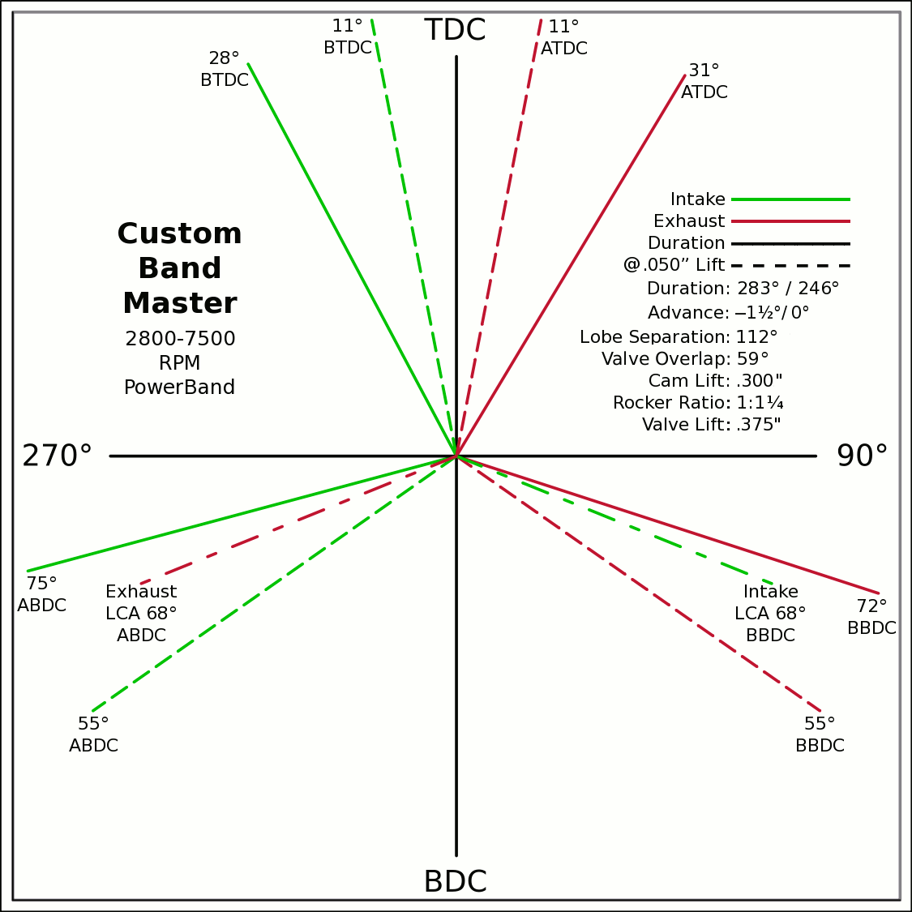
Advance | 0 | ° | -1.5 / 0 |  | 0 | 0 |  |  |  |  |  |  |  |  |  |  |  |  | 3750 | 1722 | 2706
Lobes: Separation ∠ | 112 | ° | 283 / 246 |  | -0.4695 | 0.8829 |  |  |  |  |  |  |  |  |  |  |  |  | 4000 | 1837 | 2886
Duration ───── | 283 | ° | Custom |  | 0 | 0 |  |  |  |  |  |  |  |  |  |  |  |  | 4250 | 1952 | 3066
Dur. @ .050" ─ ─ ─ | 246 | ° |  |  | 0.5150 | 0.8572 |  |  |  |  |  |  |  |  |  |  |  |  | 4500 | 2067 | 3247
Intake | ───── | 68.6 | DCR Angle |  | 0 | 0 |  |  |  |  |  |  |  |  |  |  |  |  | 4750 | 2182 | 3427
Exaust | ───── | 1.198 | Radians |  | -0.9659 | -0.2588 |  |  |  |  |  |  |  |  |  |  |  |  | 5000 | 2297 | 3607
 | ☞ | Valve Events |  |  | 0 | 0 | X & Y Axes |  |  |  |  |  |  |  |  |  |  |  | 5250 | 2411 | 3788
Intake Open | 29.5 | 28 | ° BTDC |  | 0.9511 | -0.3090 | 0 | 1 |  |  |  |  |  |  |  |  |  |  | 5500 | 2526 | 3968
Exaust Close | 29.5 | 31 | ° ATDC |  | 29.5 |  | 0 | -1 |  |  |  |  |  |  |  |  |  |  | 5750 | 2641 | 4149
Intake Close | 73.5 | 75 | ° ABDC |  | 18.5 |  | -1 | 0 |  |  |  |  |  |  |  |  |  |  | 6000 | 2756 | 4329
Exaust Open | 73.5 | 72 | ° BBDC |  | 0 | 0 | 1 | 0 |  |  |  |  |  |  |  |  |  |  | 6250 | 2871 | 4509
 | ☞ |  |  |  | -0.1908 | 0.9816 |  |  |  |  |  |  |  |  |  |  |  |  | 6500 | 2986 | 4690
Dur. @ .050" | ☞ |  |  | 270° | 0 | 0 |  |  |  |  | 90° |  |  |  |  |  |  |  | 6750 | 3100 | 4870
Intake Open | 11 | 11 | ° BTDC |  | 0.1908 | 0.9816 |  |  |  |  |  |  |  |  |  |  |  |  | 7000 | 3215 | 5050
Exaust Close | 11 | 11 | ° ATDC |  | 0 | 0 |  |  |  |  |  |  |  |  |  |  |  |  | 7250 | 3330 | 5231
Intake Close | 55 | 55 | ° ABDC |  | -0.8192 | -0.5736 |  |  |  |  |  |  |  |  |  |  |  |  | 7500 | 3445 | 5411
Exaust Open | 55 | 55 | ° BBDC |  | 0 | 0 |  |  |  |  |  |  |  |  |  |  |  |  | 7750 | 3560 | 5592
 | ☞ | ⇓ |  |  | 0.8192 | -0.5736 |  |  |  |  |  |  |  |  |  |  |  |  | 8000 | 3675 | 5772
 | Final Lobe Separation ∠ | 112 | ° |  | 125 |  |  |  |  |  |  |  |  |  |  |  |  |  | 8250 | 3789 | 5952
 | Valve Overlap | 59 | ° |  | 349 | 248 |  |  |  |  |  |  |  |  |  |  |  |  | 8500 | 3904 | 6133
 |  |  |  |  | 371 | 472 |  |  |  |  |  |  |  |  |  |  |  |  | 8750 | 4019 | 6313
 |  |  |  |  | 595 |  |  |  |  |  |  |  |  |  |  |  |  |  | 9000 | 4134 | 6493
 | Suggested Valve Specifications |  |  |  |  |  |  |  |  |  |  |  |  |  |  |  |  |  | 9250 | 4249 | 6674
 | & Cam LSA/LCA |  |  |  |  |  |  |  |  |  |  |  |  |  |  |  |  |  | 9500 | 4364 | 6854
Competition |  | 90.0% | Throat ÷ Valve Dia. |  |  |  |  |  |  |  |  |  |  |  |  |  |  |  | Valves | Rings | Rings
Valve Stem Dia. | 8 | mm | Manual Input
Intake Valve Dia. | 37.7 | mm | 36.0 |  |  |  | BDC
Intake Throat Dia. | 34.0 | mm | 32.4
Adjusted Throat Dia. | 33.0 | mm | 31.4
Bore Space | 6.7 | mm | 8.0
Exhaust Valve Dia. | 29.6 | mm | 30.0
Exhaust Throat Dia. | 26.6 | mm | 27.0
Adjusted Throat Dia. | 25.4 | mm | 25.8
Exhaust ÷ Intake Throat Area | 59.3% | % | 67.5%
 | Calculated |  | Defined
Chamber cc ÷ Intake Throat Dia." | 12.7 | 12.555 | 13.3
Lobe Centerline Angle | ~ 115.1 ° | ~ | 114.7 °
K | 99 | Modified Equation (Nom.100) ☟
 |  | Experiment with Different Values

Production
Valve Stem Dia. | 8 | mm | Manual Input
Intake Valve Dia. | 36.2 | mm | 34.0
Intake Throat Dia. | 29.2 | mm | 27.0
Adjusted Throat Dia. | 28.1 | mm | 25.8
Bore Space | 8.8 | mm | 10.0
Exhaust Valve Dia. | 29.0 | mm | 30.0 |  |  | (Intake Throat Dia.In) |  | Graph Data From: |  | Graph | Test
Exhaust Throat Dia. | 22.0 | mm | 23.0 | K +1.164 × (28.196-Cham.cc÷ITD) |  |  |  | How to Build Horespower |  | Try Me | 28.1957
Adjusted Throat Dia. | 20.5 | mm | 21.6 | Modified Equation & Konstants |  |  |  |  |  | 100 | Konstant
Exhaust ÷ Intake Throat Area | 53.2% | % | 69.9% | 99.0 | ? VW Air Cooled |  |  |  |  | 28.20 | Cyl. / Valve
 | Calculated |  | Defined | 99.0 | Small Block Ford |  | 127 |  |  | 10 | CR
Chamber cc ÷ Intake Throat Dia." | 14.8 | 12.555 | 16.0 | 100.0 | Small Block Chevy |  | 128 |  |  | 100 ° | LSA/LCA
Lobe Centerline Angle | ~ 113.5 ° | ~ | 112.4 ° | 104.0 | Big Block Chevy |  | 132 | LSA=LCA when the cam is timed straight up, no advance/retard.
K | 99 | Modified Equation (Nom.100) ☞ |  | 105.0 | Big Block Ford |  | 133
 |  | Experiment with Different Values |  |  |  | Vizard's Original Equation & Konstants
 |  |  |  |  |  | K - (Cyl.CID ÷ ValveDia. × 0.91)
The Konstant will vary according chamber shape, valve canting, crossflow ability, valve shrouding & other factors. |  |  |  |  |  |  | 3.00
 |  | Finding the right value for the head design is important. |  |  |  |  | CR Comp
LCA Formula |  |  |  |  | Graph curve tweaking parameters. Do NOT change unless necessary. ☞ | 4.320 | 3.63
Let CDTD = Chamber cc ÷ Intake Throat Dia. |  | 20 to 14 Compensation |  | 14 to 10 Compensation |  | 20 to 14 | 14 to 10
K +1.1642×(28.1957─CDTD) ─IF[CDTD<20,(20─CDTD)÷4.32,0] ─IF[CDTD<14,(14─CDTD)÷3.63,0] +(10-CR)/3
This equation has been tuned to follow the graph exactly within ±⅛° (above right). |  |  |  | 12.555=0.9×25.4×Cyl.CID÷Chamber.cc @ 10:1 CR

Airflow & Carburation
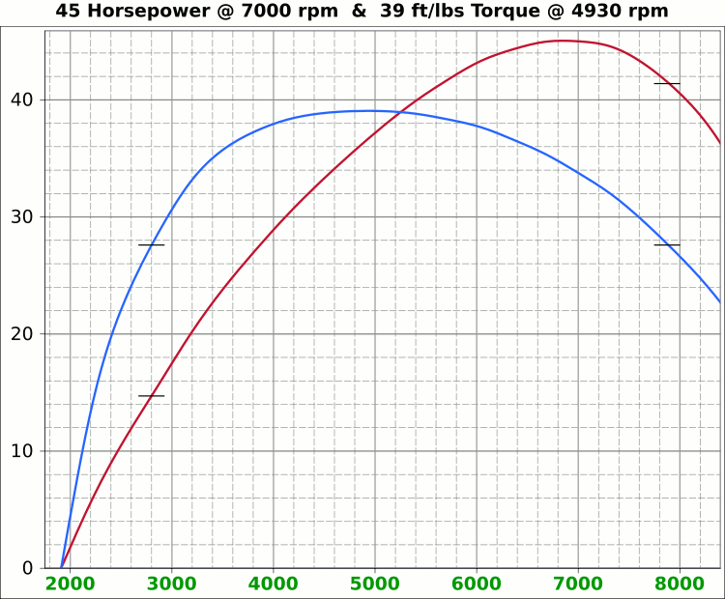
 | Airflow & Carburation |  |  |  |  | 2.913 | in.
 |  |  |  |  | Bore (mm) | 74 | 301.1 | cc
 | Change Only Blue Numbers |  |  |  | Stroke (mm) | 70 | 18.37 | in³
 |  |  |  |  |  | 2.756 | in.

 | 14.696 PSI At Sea Level |  |  |  | Cylinders | 2
14.696 | Atmospheric Pressure @ Altitude |  |  |  | Disp. | 36.7 | in³
3.00 | in/hg Carb. Calibration Value
0.74 | in/hg Maximum Carb. Pressure Drop
0.3610 | ∆PSI @ 0.735''/hg Pressure Drop |  |  |  |  | MCA Factors |  |  | Port MCA Dia" = RPM × Bore² × Stroke / 176000
92.0% | Wet Flow Compensation |  |  |  |  | 173881 | Brian Salter |  | Total Port Vol. / Cyl.Vol. = 92% to 95%
93 | Allocate CFM (Within Carburetor Limits) |  |  |  |  | 175831 | Avg. ↑ ↓
83 | Effective Available CFM (Drop/Cal., Wet Flow & Altitude Adj.) |  |  |  |  | 177780 | Flat Tappet | David Vizard
89.0% | Allocated CFM Usage |  |  |  |  | 195558 | Pro-Stock | Via
1.84 | CFM / BHP |  |  |  |  | 184136 | Race Roller | Bain Racing
45.0 | Peak BHP |  |  |  |  | Minimal Crossectional Area
111.2% | Volumetric Effeciency @ Peak |  |  |  |  | MCA Factor | 176000
1.65 | PSI Boost above 100% V.E. |  |  |  |  | Cyl.Vol. | 92.0% |  |  | 10.000 | in/H₂O | <─┐
7000 | @ Peak RPM |  |  |  |  | Ttl Port Vol. | 16.9 | in³ |  | 0.735 | in/hg | |
↑ ↑ ↑ |  |  |  |  |  |  |  |  |  | 0.361 | psi | 1.4287
9778 | RPM | 115.6 | 62.8 | Competition | 1.300 | 33.0 | 12.7 | 32.4 | MCA Redux | 20.413 | in/H₂O | <─┘
9296 | RPM | 109.9 | 59.7 | Competition | 1.235 | 31.4 | 14.1 | 35.8 | 1.00 | 1.500 | in/hg |  |  |  | 0
↑ ↑ ↑ |  |  |  |  |  | Port Dia.mm |  |  |  | 0.737 | psi
8328 | RPM | 98.5 | 53.5 | Production | 1.107 | 28.1 | 17.6 | 44.6 | MCA Redux | 14.696 | Air Pressure (PSI)
7524 | RPM | 89.0 | 48.4 | Production | 1.000 | 25.4 | 21.5 | 54.7 | 0.99 | 166 | CFM @ 10 in/H₂O
 |  |  |  |  |  |  |  |  |  | 237.2 | CFM @ 1.5 in/hg
Inc. |  | RPM CFM Horsepower |  |  | Port MCA |  | Runner
100 |  | Carb |  |  | Diameter |  | Length |  |  | 6.799 | in/H₂O
RPM |  | CFM | HP |  | In. | mm | In. | cm |  | 0.500 | in/hg
1000 |  | 11.8 | 6.4 |  | 0.133 | 3.4 | 1218.3 | 3094.5 |  | 0.245 | psi
1100 |  | 13.0 | 7.1 |  | 0.146 | 3.7 | 1006.9 | 2557.4
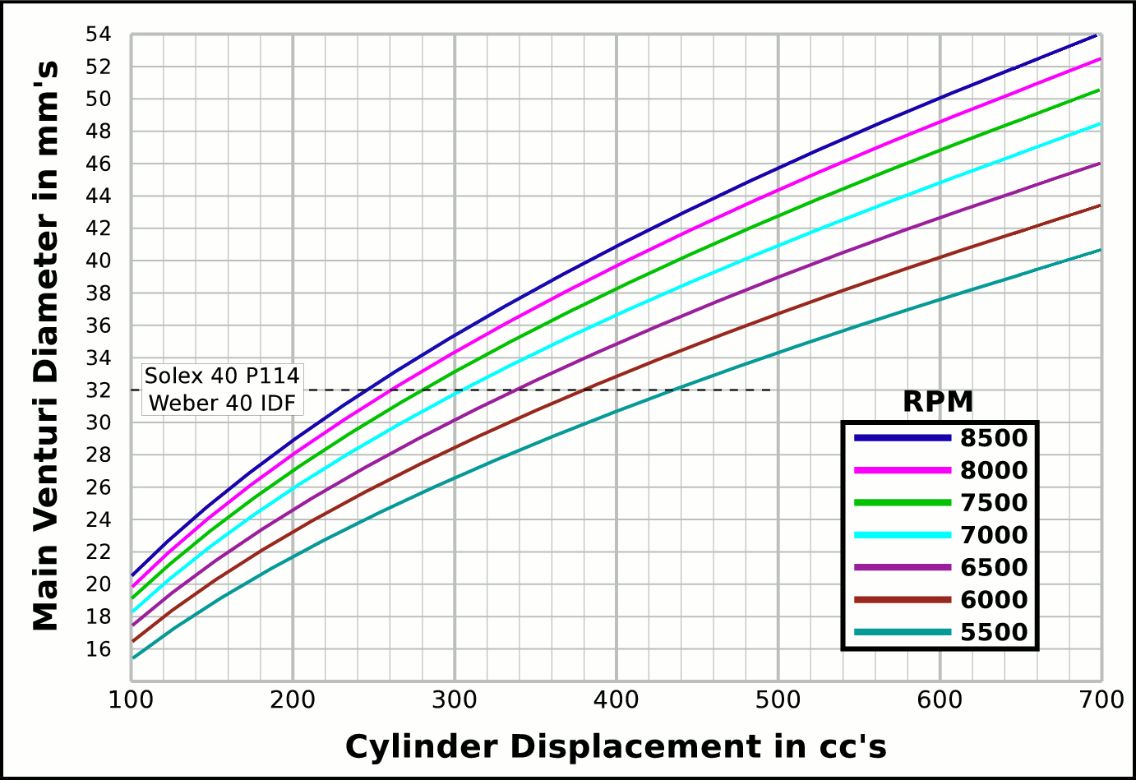
1200 |  | 14.2 | 7.7 |  | 0.159 | 4.1 | 846.0 | 2148.9 |  |  | CFM | CFM |  | Airflow Comparisons of
1300 |  | 15.4 | 8.4 |  | 0.173 | 4.4 | 720.9 | 1831.0 |  | Carb | @ 10 in/H₂O | @ 1.5 in/hg |  | Frequently Used VW Carburetors
1400 |  | 16.6 | 9.0 |  | 0.186 | 4.7 | 621.6 | 1578.8 |  | 28 PIC 36hp | 47 | 67 | Stock 21.5 Vent, Choke
1500 |  | 17.7 | 9.6 |  | 0.199 | 5.1 | 541.5 | 1375.3 |  | 28 PIC F-Vee | 58 | 83 | Mod F-Vee Type, Big Vent, No Choke, Blended Top
1600 |  | 18.9 | 10.3 |  | 0.213 | 5.4 | 475.9 | 1208.8 |  | 28 PIC 40hp | 52 | 74 | Stock 22.5 Vent
1700 |  | 20.1 | 10.9 |  | 0.226 | 5.7 | 421.6 | 1070.8 |  | 30 PICT, 1 or 2 | 64 | 91 | Stock 24 Vent
1800 |  | 21.3 | 11.6 |  | 0.239 | 6.1 | 376.0 | 955.1 |  | 32 PDSIT - 2 | 53 | 76 | Stock 21.5 Vent.
1900 |  | 22.5 | 12.2 |  | 0.253 | 6.4 | 337.5 | 857.2 |  | 32 PDSIT - 2 | 64 | 91 | Mod 24.5 Vent, Smooth Shaft, Choke Out
2000 |  | 23.7 | 12.9 |  | 0.266 | 6.8 | 304.6 | 773.6 |  | 34 PICT - 3 | 80 | 114 | Stock 27 Vent
2100 |  | 24.8 | 13.5 |  | 0.279 | 7.1 | 276.3 | 701.7 |  | 32 PBIC Okrasa | 58 | 83 | Stock 24 Vent
2200 |  | 26.0 | 14.1 |  | 0.292 | 7.4 | 251.7 | 639.4 |  | 32 PBIC Okrasa | 63 | 90 | Mod 26 Vent, Smooth Shaft
2300 |  | 27.2 | 14.8 |  | 0.306 | 7.8 | 230.3 | 585.0 |  | 34 ICT Weber | 82 | 117 | Stock 29 Vent
2400 |  | 28.4 | 15.4 |  | 0.319 | 8.1 | 211.5 | 537.2 |  | 32 NDIX Zenith | 137 | 196 | Stock 24 Vent, 1600N or VW Single
2500 |  | 29.6 | 16.1 |  | 0.332 | 8.4 | 194.9 | 495.1 |  | 32 NDIX Zenith | 150 | 214 | Stock 28 Vent, 1600S Porsche
2600 |  | 30.7 | 16.7 |  | 0.346 | 8.8 | 180.2 | 457.8 |  | 32 NDIX Zenith | 161 | 230 | Mod 31 Vent, Top Crossbar, Out & Blended
2700 |  | 31.9 | 17.4 |  | 0.359 | 9.1 | 167.1 | 424.5 |  | 40 Solex/Kadron EIS | 100 | 143 | Stock 28 Vent, Crosssbar, Top Style
2800 |  | 33.1 | 18.0 |  | 0.372 | 9.5 | 155.4 | 394.7 |  | Solex 36/40 PDSI | 111 | 159 | Stock 30 Vent, BMW 2002, Choke Out
2900 |  | 34.3 | 18.6 |  | 0.385 | 9.8 | 144.9 | 368.0 |  | Holley/Weber R6503 | 157 | 224 | Mod 26/27 Vent, Choke Out, Mod Inlet & Progressive
3000 |  | 35.5 | 19.3 |  | 0.399 | 10.1 | 135.4 | 343.8 |  | Weber DGEV 32/36 | 166 | 237 | Stock 26/27 Vent, Progressive
3100 |  | 36.7 | 19.9 |  | 0.412 | 10.5 | 126.8 | 322.0 |  | Weber DGEV 32/36 | 186 | 266 | Mod 26/30 Vent, Annular Boosters, Progressive
3200 |  | 37.8 | 20.6 |  | 0.425 | 10.8 | 119.0 | 302.2 |  | Weber 40 DCNF | 237 | 339 | Stock 32 Vent
3300 |  | 39.0 | 21.2 |  | 0.439 | 11.1 | 111.9 | 284.2 |  | Aisin 21100-35463 32/40 | 228 | 326 | 26/40 Vent, 1985+ 22R (Toyota Hilux/Truck)
3400 |  | 40.2 | 21.9 |  | 0.452 | 11.5 | 105.4 | 267.7 |  | Solex 40 P114 | 233 | 332 | Stock 32 Vent
3500 |  | 41.4 | 22.5 |  | 0.465 | 11.8 | 99.5 | 252.6 |  | Solex 40 P114 | 253 | 361 | Mod 37.5 Vent, Pro Super Vee
3600 |  | 42.6 | 23.1 |  | 0.478 | 12.2 | 94.0 | 238.8 |  | Rochester VaraLet 2SE | 262 | 374 | 2.5L L4 Iron Duke, 2.8L 60° V6
3700 |  | 43.8 | 23.8 |  | 0.492 | 12.5 | 89.0 | 226.0 |  | Weber 40 IDF | 202 | 289 | Stock 28 Vent, w/ Air Horn
3800 |  | 44.9 | 24.4 |  | 0.505 | 12.8 | 84.4 | 214.3 |  | Weber 40 IDF (39) | 251 | 358 | Stock 32 Vent, Tall Sec. Vent & Air Horn
3900 |  | 46.1 | 25.1 |  | 0.518 | 13.2 | 80.1 | 203.4 |  | Weber 40 IDF (39) | 266 | 380 | Mod 34 Vent, Tall Sec. Vent & Air Horn
4000 |  | 47.3 | 25.7 |  | 0.532 | 13.5 | 76.1 | 193.4 |  | Weber 40 IDF (39) | 278 | 397 | Mod 36 Vent, Tall Sec. Vent & Air Horn
4100 |  | 48.5 | 26.4 |  | 0.545 | 13.8 | 72.5 | 184.1 |  | Weber 48 IDA | 290 | 414 | Stock 37 Vent, Tall Sec. Vent & Air Horn
4200 |  | 49.7 | 27.0 |  | 0.558 | 14.2 | 69.1 | 175.4 |  | Weber 48 DCO 1/SP | 376 | 538 | Stock 42 Vent, w/ Air Horn
4300 |  | 50.9 | 27.6 |  | 0.571 | 14.5 | 65.9 | 167.4
4400 |  | 52.0 | 28.3 |  | 0.585 | 14.9 | 62.9 | 159.8 |  |  |  |  | One Venturi per Cylinder Setup
4500 |  | 53.2 | 28.9 |  | 0.598 | 15.2 | 60.2 | 152.8
4600 |  | 54.4 | 29.6 |  | 0.611 | 15.5 | 57.6 | 146.2
4700 |  | 55.6 | 30.2 |  | 0.625 | 15.9 | 55.2 | 140.1
4800 |  | 56.8 | 30.9 |  | 0.638 | 16.2 | 52.9 | 134.3
4900 |  | 57.9 | 31.5 |  | 0.651 | 16.5 | 50.7 | 128.9
5000 |  | 59.1 | 32.1 |  | 0.665 | 16.9 | 48.7 | 123.8
5100 |  | 60.3 | 32.8 |  | 0.678 | 17.2 | 46.8 | 119.0
5200 |  | 61.5 | 33.4 |  | 0.691 | 17.6 | 45.1 | 114.4
5300 |  | 62.7 | 34.1 |  | 0.704 | 17.9 | 43.4 | 110.2
5400 |  | 63.9 | 34.7 |  | 0.718 | 18.2 | 41.8 | 106.1
5500 |  | 65.0 | 35.3 |  | 0.731 | 18.6 | 40.3 | 102.3
5600 |  | 66.2 | 36.0 |  | 0.744 | 18.9 | 38.8 | 98.7
5700 |  | 67.4 | 36.6 |  | 0.758 | 19.2 | 37.5 | 95.2
5800 |  | 68.6 | 37.3 |  | 0.771 | 19.6 | 36.2 | 92.0
5900 |  | 69.8 | 37.9 |  | 0.784 | 19.9 | 35.0 | 88.9
6000 |  | 71.0 | 38.6 |  | 0.797 | 20.3 | 33.8 | 86.0
6100 |  | 72.1 | 39.2 |  | 0.811 | 20.6 | 32.7 | 83.2
6200 |  | 73.3 | 39.8 |  | 0.824 | 20.9 | 31.7 | 80.5
6300 |  | 74.5 | 40.5 |  | 0.837 | 21.3 | 30.7 | 78.0
6400 |  | 75.7 | 41.1 |  | 0.851 | 21.6 | 29.7 | 75.5
6500 |  | 76.9 | 41.8 |  | 0.864 | 21.9 | 28.8 | 73.2
6600 |  | 78.1 | 42.4 |  | 0.877 | 22.3 | 28.0 | 71.0
6700 |  | 79.2 | 43.1 |  | 0.890 | 22.6 | 27.1 | 68.9
6800 |  | 80.4 | 43.7 |  | 0.904 | 23.0 | 26.3 | 66.9
6900 |  | 81.6 | 44.3 |  | 0.917 | 23.3 | 25.6 | 65.0
7000 |  | 82.8 | 45.0 |  | 0.930 | 23.6 | 24.9 | 63.2
7100 |  | 84.0 | 45.6 |  | 0.944 | 24.0 | 24.2 | 61.4
7200 |  | 85.1 | 46.3 |  | 0.957 | 24.3 | 23.5 | 59.7
7300 |  | 86.3 | 46.9 |  | 0.970 | 24.6 | 22.9 | 58.1
7400 |  | 87.5 | 47.6 |  | 0.984 | 25.0 | 22.2 | 56.5
7500 |  | 88.7 | 48.2 |  | 0.997 | 25.3 | 21.7 | 55.0
7600 |  | 89.9 | 48.8 |  | 1.010 | 25.7 | 21.1 | 53.6
7700 |  | 91.1 | 49.5 |  | 1.023 | 26.0 | 20.5 | 52.2
7800 |  | 92.2 | 50.1 |  | 1.037 | 26.3 | 20.0 | 50.9
7900 |  | 93.4 | 50.8 |  | 1.050 | 26.7 | 19.5 | 49.6
8000 |  | 94.6 | 51.4 |  | 1.063 | 27.0 | 19.0 | 48.4

Intake Horn & Runner
 | Change Only Blue Numbers |  |  |  |  |  |  |  | Throat Dia. | 33.0
 |  |  |  |  |  |  |  |  | From | 31.4
 | Linear Accelerated Horn |  |  |  |  |  | Volume |  | Suggested | 28.1
Runner Length | 16.5 | in. | 1.7777777778 | X |  | Runner | 12.959865628 |  | Valve Spec. | 25.4
Horn Length | 5.5 | in. | 4.13 | ~ Eff. Lngth |  | Horn | 4.380 | Correct Horn Volume Requires the Proper Summation Range be Set, Located @ Cells i55 & i56.
Throat/Port Dia. | 25.4 | mm 1" 1.333" | 33.9 | mm Horn Dia. |  | Total | 17.34
0 | 0.66929133858 | -0.66929133858
0.125 | 0.67282923423 | -0.67282923423
0.25 | 0.67638583132 | -0.67638583132
0.375 | 0.67996122869 | -0.67996122869
0.5 | 0.68355552572 | -0.68355552572
0.625 | 0.68716882233 | -0.68716882233
0.75 | 0.69080121894 | -0.69080121894
0.875 | 0.69445281651 | -0.69445281651
1 | 0.69812371655 | -0.69812371655
1.125 | 0.70181402108 | -0.70181402108
1.25 | 0.70552383268 | -0.70552383268
1.375 | 0.70925325447 | -0.70925325447
1.5 | 0.7130023901 | -0.7130023901
1.625 | 0.71677134378 | -0.71677134378
1.75 | 0.72056022028 | -0.72056022028
1.875 | 0.72436912489 | -0.72436912489
2 | 0.7281981635 | -0.7281981635
2.125 | 0.73204744254 | -0.73204744254
2.25 | 0.73591706898 | -0.73591706898
2.375 | 0.7398071504 | -0.7398071504
2.5 | 0.74371779491 | -0.74371779491
2.625 | 0.74764911122 | -0.74764911122
2.75 | 0.75160120859 | -0.75160120859
2.875 | 0.75557419687 | -0.75557419687
3 | 0.7595681865 | -0.7595681865
3.125 | 0.76358328849 | -0.76358328849
3.25 | 0.76761961444 | -0.76761961444
3.375 | 0.77167727653 | -0.77167727653
3.5 | 0.77575638756 | -0.77575638756
3.625 | 0.7798570609 | -0.7798570609
3.75 | 0.78397941054 | -0.78397941054
3.875 | 0.78812355104 | -0.78812355104
4 | 0.79228959761 | -0.79228959761
4.125 | 0.79647766604 | -0.79647766604
4.25 | 0.80068787273 | -0.80068787273
4.375 | 0.8049203347 | -0.8049203347
4.5 | 0.80917516961 | -0.80917516961
4.625 | 0.81345249572 | -0.81345249572
4.75 | 0.81775243191 | -0.81775243191
4.875 | 0.8220750977 | -0.8220750977
5 | 0.82642061324 | -0.82642061324
5.125 | 0.83078909931 | -0.83078909931
5.25 | 0.83518067735 | -0.83518067735
5.375 | 0.83959546941 | -0.83959546941
5.5 | 0.8440335982 | -0.8440335982
5.625 | 0.84849518709 | -0.84849518709
5.75 | 0.85298036007 | -0.85298036007
5.875 | 0.85748924183 | -0.85748924183
6 | 0.86202195768 | -0.86202195768
6.125 | 0.86657863362 | -0.86657863362
...
Port Speed | 320 | fps | 1.736 | Deg. |  |  | in³
Horn Speed | 180 | fps | ( ≤2° ) |  |  |  | 94.4 | %
 | 44 |  |  |  |  |  | Cyl. Vol. |  | 0.76668713931
 | 1.0132 |  |  | 1.0066 | Dia.
Scaling | Step | fps | Taper | mm | in. | +in. | -in.
0.098 | 0.000 | 320 |  | 25.4 | 1.000 | 0.500 | -0.500
0.099 | 0.125 | 315.8 | 1.5° | 25.6 | 1.007 | 0.503 | -0.503
0.101 | 0.250 | 311.7 | 1.51° | 25.7 | 1.013 | 0.507 | -0.507
0.102 | 0.375 | 307.7 | 1.52° | 25.9 | 1.020 | 0.510 | -0.510
0.103 | 0.500 | 303.7 | 1.53° | 26.1 | 1.027 | 0.513 | -0.513
0.105 | 0.625 | 299.7 | 1.54° | 26.2 | 1.033 | 0.517 | -0.517
0.106 | 0.750 | 295.9 | 1.55° | 26.4 | 1.040 | 0.520 | -0.520
0.108 | 0.875 | 292.0 | 1.56° | 26.6 | 1.047 | 0.523 | -0.523 |  | -0.76668713931
0.109 | 1.000 | 288.2 | 1.57° | 26.8 | 1.054 | 0.527 | -0.527
0.110 | 1.125 | 284.5 | 1.58° | 26.9 | 1.061 | 0.530 | -0.530
0.112 | 1.250 | 280.8 | 1.59° | 27.1 | 1.068 | 0.534 | -0.534
0.113 | 1.375 | 277.1 | 1.6° | 27.3 | 1.075 | 0.537 | -0.537
0.115 | 1.500 | 273.5 | 1.62° | 27.5 | 1.082 | 0.541 | -0.541 |  |  | Length " | Dia. "
0.116 | 1.625 | 270.0 | 1.63° | 27.7 | 1.089 | 0.544 | -0.544 |  |  | 0 | 1.000
0.118 | 1.750 | 266.5 | 1.64° | 27.8 | 1.096 | 0.548 | -0.548 |  |  | 0.5 | 1.027
0.119 | 1.875 | 263.0 | 1.65° | 28.0 | 1.103 | 0.552 | -0.552 |  |  | 1 | 1.054
0.121 | 2.000 | 259.6 | 1.66° | 28.2 | 1.110 | 0.555 | -0.555 |  |  | 1.5 | 1.082
0.123 | 2.125 | 256.2 | 1.67° | 28.4 | 1.118 | 0.559 | -0.559 |  |  | 2 | 1.110
0.124 | 2.250 | 252.9 | 1.68° | 28.6 | 1.125 | 0.562 | -0.562 |  |  | 2.5 | 1.140
0.126 | 2.375 | 249.6 | 1.69° | 28.8 | 1.132 | 0.566 | -0.566 |  |  | 3 | 1.170
0.128 | 2.500 | 246.4 | 1.7° | 28.9 | 1.140 | 0.570 | -0.570 |  |  | 3.5 | 1.201
0.129 | 2.625 | 243.2 | 1.71° | 29.1 | 1.147 | 0.574 | -0.574 |  |  | 4 | 1.233
0.131 | 2.750 | 240.0 | 1.72° | 29.3 | 1.155 | 0.577 | -0.577 |  |  | 4.5 | 1.265
...

Tires, Trans, RPM, MPH
...
 |  |  |  |  |  |  |  |  |  |  | VW Beetle Tire Sizes
-4.9 | 5.3 | 9.0 | 13.4 | 17.9 | 21.8 | 20.4 | In. Tire Diameter |  |  | Front | 185/75R14, 24.9x7.3
-5.4 | 5.9 | 10.1 | 14.9 | 19.9 | 24.3 | 5.4 | Ft. Circumference |  |  | Rear | 215/65R14, 25x8.5
-6.0 | 6.5 | 11.1 | 16.5 | 22.0 | 26.8 |  | 5-Seed Manual
-6.5 | 7.1 | 12.1 | 18.0 | 24.0 | 29.3 | Diff | 5.000 | ∆ |  |  | 15x6 Rims | A
-7.1 | 7.7 | 13.2 | 19.5 | 26.1 | 31.8 | 5 | 0.850 | 1.220 | 1.220 | Front | 185/70R15, 25.2x7.3
-7.6 | 8.3 | 14.2 | 21.1 | 28.2 | 34.3 | 4 | 1.037 | 1.335 | 1.629 | Rear | 215/60R15, 25.2x8.5
-8.2 | 8.9 | 15.2 | 22.6 | 30.2 | 36.9 | 3 | 1.385 | 1.485 | 2.418
-8.8 | 9.6 | 16.3 | 24.2 | 32.3 | 39.4 | 2 | 2.056 | 1.703 | 4.118 |  | 16x6 Rims
-9.3 | 10.2 | 17.3 | 25.7 | 34.3 | 41.9 | 1 | 3.500 |  | Total∆ | Front | 185/65R16, 25.5x7.3
-9.9 | 10.8 | 18.3 | 27.2 | 36.4 | 44.4 | Rev | -3.818 | Final | 4.250 | Rear | 215/55R16, 25.3x8.5
5 | 0.85
4 | 1
3 | 1.3
2 | 2
1 | 3.5
-10.4 | 11.4 | 19.4 | 28.8 | 38.4 | 46.9
-11.0 | 12.0 | 20.4 | 30.3 | 40.5 | 49.4
-11.5 | 12.6 | 21.5 | 31.8 | 42.5 | 51.9
-12.1 | 13.2 | 22.5 | 33.4 | 44.6 | 54.4
-12.7 | 13.8 | 23.5 | 34.9 | 46.6 | 56.9
-13.2 | 14.4 | 24.6 | 36.5 | 48.7 | 59.4
-13.8 | 15.0 | 25.6 | 38.0 | 50.7 | 61.9
-14.3 | 15.6 | 26.6 | 39.5 | 52.8 | 64.4
-14.9 | 16.2 | 27.7 | 41.1 | 54.8 | 66.9
-15.5 | 16.9 | 28.7 | 42.6 | 56.9 | 69.4
-16.0 | 17.5 | 29.7 | 44.1 | 58.9 | 71.9
-16.6 | 18.1 | 30.8 | 45.7 | 61.0 | 74.4
-17.1 | 18.7 | 31.8 | 47.2 | 63.0 | 76.9
-17.7 | 19.3 | 32.8 | 48.8 | 65.1 | 79.4
-18.2 | 19.9 | 33.9 | 50.3 | 67.2 | 81.9
-18.8 | 20.5 | 34.9 | 51.8 | 69.2 | 84.4
-19.4 | 21.1 | 36.0 | 53.4 | 71.3 | 86.9
-19.9 | 21.7 | 37.0 | 54.9 | 73.3 | 89.4
-20.5 | 22.3 | 38.0 | 56.4 | 75.4 | 92.0
-21.0 | 22.9 | 39.1 | 58.0 | 77.4 | 94.5
-21.6 | 23.5 | 40.1 | 59.5 | 79.5 | 97.0
-22.1 | 24.2 | 41.1 | 61.1 | 81.5 | 99.5
-22.7 | 24.8 | 42.2 | 62.6 | 83.6 | 102.0
-23.3 | 25.4 | 43.2 | 64.1 | 85.6 | 104.5
-23.8 | 26.0 | 44.2 | 65.7 | 87.7 | 107.0
-24.4 | 26.6 | 45.3 | 67.2 | 89.7 | 109.5
-24.9 | 27.2 | 46.3 | 68.7 | 91.8 | 112.0
-25.5 | 27.8 | 47.3 | 70.3 | 93.8 | 114.5
-26.0 | 28.4 | 48.4 | 71.8 | 95.9 | 117.0
-26.6 | 29.0 | 49.4 | 73.4 | 97.9 | 119.5
-27.2 | 29.6 | 50.5 | 74.9 | 100.0 | 122.0
-27.7 | 30.2 | 51.5 | 76.4 | 102.1 | 124.5
MPH | MPH | MPH | MPH | MPH | MPH | WheelRPM
-6.7 | 7.3 | 12.4 | 18.4 | 24.6 | 30.0 | 493
-7.8 | 8.5 | 14.5 | 21.5 | 28.7 | 35.0 | 575
-8.9 | 9.7 | 16.5 | 24.6 | 32.8 | 40.0 | 658
-10.0 | 10.9 | 18.6 | 27.6 | 36.9 | 45.0 | 740
-11.1 | 12.1 | 20.7 | 30.7 | 41.0 | 50.0 | 822
-12.2 | 13.4 | 22.7 | 33.8 | 45.1 | 55.0 | 904
-13.4 | 14.6 | 24.8 | 36.8 | 49.2 | 60.0 | 986
-14.5 | 15.8 | 26.9 | 39.9 | 53.3 | 65.0 | 1069
-15.6 | 17.0 | 28.9 | 43.0 | 57.4 | 70.0 | 1151
...

