Displacement & Cam Protractor
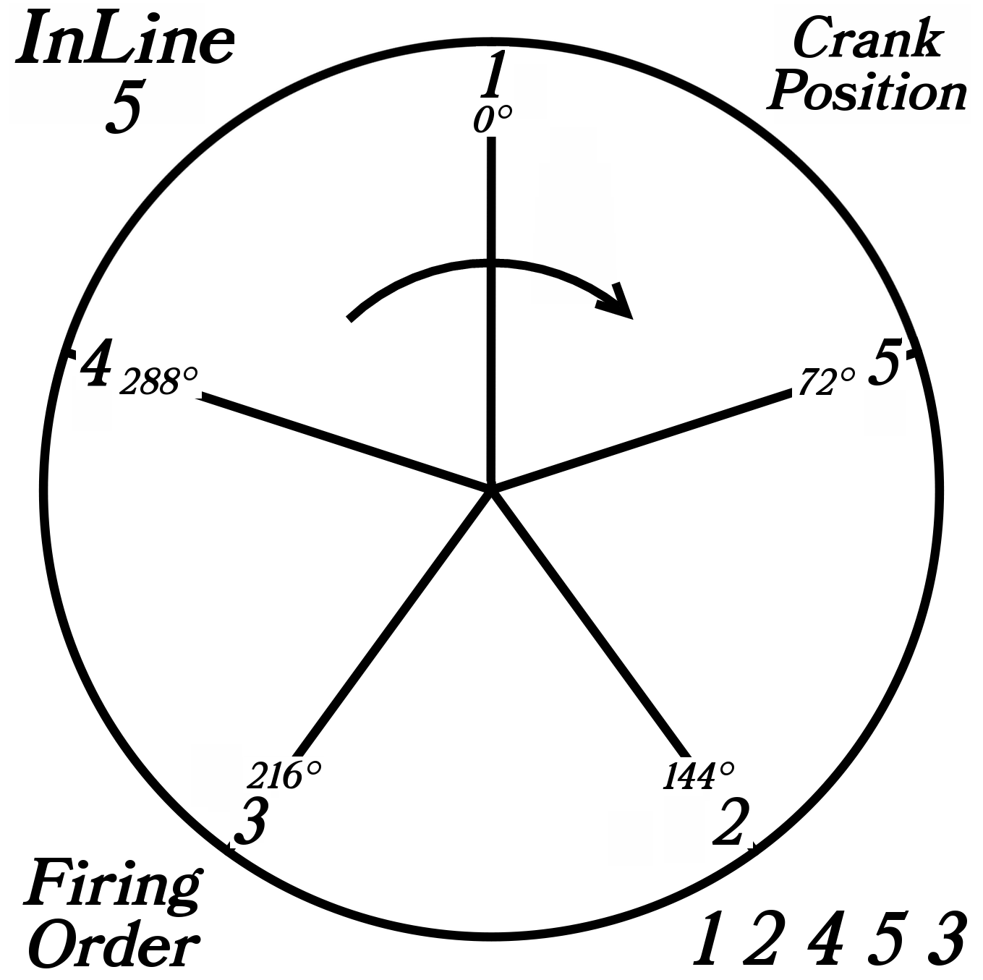
 | InLine 5 Cylinder |  |  | Displacement Calculator, Table, Protractor, Valve Timings & Sizing
 | ( ⅚2JZ, ⁵/₄[1RZ,3S,3Y,1TR,K20,SR20,FA20,FE,4B11] )
Displacement Calculator |  |  |  |  |  | Magnesuim | Aluminum | Case
Squareness | 1.000 | 0.886 | Change Only Blue Numbers |  |  | S↓ x B→ | 77 | 83 | 85.5 | 86 | 87 | 88 | 90 | 90.5 | 92 | 94 | 96.5 | 101.6
 | 3.386" |  |  |  |  | 64 | 1192 | 1385 | 1470 | 1487 | 1522 | 1557 | 1629 | 1647 | 1702 | 1777 | 1782 | 2075
Bore (mm) | 86.00 | 499.6 | cc |  |  | 69 | 1285 | 1493 | 1585 | 1603 | 1641 | 1679 | 1756 | 1775 | 1835 | 1915 | 2019 | 2237
Stroke (mm) | 86.00 | 30.48 | in³ |  |  | 74 | 1378 | 1602 | 1700 | 1719 | 1760 | 1800 | 1883 | 1904 | 1968 | 2054 | 2165 | 2399
 | 3.386" |  |  |  |  | 76 | 1416 | 1645 | 1745 | 1766 | 1807 | 1849 | 1934 | 1956 | 2021 | 2110 | 2223 | 2465
 | 6.094" ≥ Length ≥ 5.417" |  |  | In | mm | 78 | 1453 | 1688 | 1791 | 1812 | 1855 | 1898 | 1985 | 2007 | 2074 | 2165 | 2282 | 2529
Rod Length (In) | 5.591 | 1.651 | :1 | 3.875 | 142 | 80 | 1490 | 1731 | 1837 | 1859 | 1902 | 1946 | 2036 | 2058 | 2127 | 2221 | 2340 | 2594
 | 142.0 | mm |  | mm | In | 82 | 1527 | 1775 | 1883 | 1905 | 1950 | 1995 | 2087 | 2110 | 2180 | 2276 | 2399 | 2659
Cylinders | 5 |  | Other | 98.4 | 5.591 | 84 | 1565 | 1818 | 1929 | 1952 | 1997 | 2044 | 2138 | 2161 | 2234 | 2332 | 2457 | 2724
Displacement | 152.4 | in³ | Configurations |  |  | 86 | 1602 | 1861 | 1975 | 1998 | 2045 | 2092 | 2188 | 2213 | 2287 | 2387 | 2516 | 2789
Total | 2497.8 | cc | 88×74 |  |  | 88 | 1639 | 1905 | 2021 | 2045 | 2093 | 2141 | 2239 | 2264 | 2340 | 2443 | 2574 | 2854
 | 2.5 | L | 88×82 |  |  | 90 | 1676 | 1948 | 2067 | 2091 | 2140 | 2190 | 2290 | 2316 | 2393 | 2498 | 2633 | 2919
 |  |  | 86×86 |  |  | Studs | 10mm | 10mm | 10mm | 10mm | 10mm | 9mm | 8mm | 8mm | 8mm | 8mm | 8mm | 8mm
HP/Cyl. | 36.00 |  | 92×86
HP | 180.0 |  | Small Block Chevy |  |  |  |  |  |  |  |  | Links: | VW Boxster |  |  |  |  |  |  |  |  | A
HP/in³ | 1.18 |  |  |  |  |  |  |  |  |  |  |  | David Vizard
CR (8-18) vs. Tq/Cube (Max) | 1.30 | 197.4 | ft/lbs Max.Torque |  |  |  |  |  |  |  |  |  | How to Build Horsepower |  |  | 📓
Compression Ratio | 9.5 | :1 | With higher compression ceramic coated insulated combustion chambers are highly recomended. |  |  |  |  |  |  |  |  |  | How to Port & Flow Cylinder Heads |  |  |  | 📓
Crown to Wall Vol. | 1.61 | cc |  |  |  |  |  |  |  |  |  |  | IOP Flow program
Deck Height | 0.035 | " |  |  |  | ©2025 - J.S. Gilstrap - All Rights Reserved. |  |  |  |  |  |  | Engine Math |  | 📓
Deck Ht Vol. | 5.16 | cc |  | Dynamic Calculations |  | Creative Commons |  | (CC BY-SA 4.0) |  |  |  |  | PipeMax |  |  |  |  |  |  | Piston Speed in FPM
Chamber Vol. | 58.77 | cc |  | 39.5 |  | Hardware Licenses: |  | TAPR-OHL |  | CERN-OHL-S |  |  | Bain Racing |  | YouTube |  |  |  | 250 | Inc.
Head Vol. | 52.00 | cc |  | 17.1 |  |  |  |  |  |  |  |  | Turbo power without Turbo through resonance. |  |  |  |  |  | RPM | Mean | Max
Dynamic Stroke | 65.65 | mm |  | 136.4 |  |  |  |  |  |  |  |  | Brian Salter |  | Salter Racing Engines |  |  |  | 2000 | 1129 | 1773
Dynamic Compression | 7.49 | :1 | × VE Factor: 9.7:1 | 119.3 |  |  |  |  |  |  |  |  | Ben Almeda |  | Alemeda Racing |  |  |  | 2250 | 1270 | 1994
(Intake Valve Close @ ~.020") | For Dynamic Stroke & Compression enter camshaft timing data, B39 to B42, and update valve events in camshaft protractor, C46 to C55. |  |  |  |  |  |  |  |  |  |  |  | MotoIQ | YouTube |  |  |  |  | 2500 | 1411 | 2216
Cranking Pressure | 149.7 | PSI |  |  |  |  |  |  |  |  |  |  |  |  |  |  |  |  | 2750 | 1552 | 2438
× VE Factor (Max) | 193.8 | PSI |  |  |  |  |  |  |  |  |  |  |  |  |  |  |  |  | 3000 | 1693 | 2659
Calculated Valve Diameter | In / Ex |  | LSA/LCA |  | Camshaft Protractor |  |  |  |  |  |  |  |  |  |  |  |  |  | 3250 | 1834 | 2881
Competition | 43.9 / 34.4 | mm | ~ 110.9 ° |  |  |  |  |  |  |  |  |  |  |  |  |  |  |  | 3500 | 1975 | 3102
Production | 42.1 / 33.7 | mm | ~ 108.6 ° |  |  |  |  |  |  |  |  |  |  |  |  |  |  |  | 3750 | 2116 | 3324
Cam Lift | 0.393 | " |  | Manual Input |  |  |  |  |  |  |  |  |  |  |  |  |  |  | 4000 | 2257 | 3546
Rocker Ratio 1: | 1.400 | 31.9% Lift Of Intake Valve Dia. |  | 31.8 | % |  |  |  |  |  |  |  |  |  |  |  |  |  | 4250 | 2398 | 3767
Valve Lift | 0.550 | " 35.7% Lift Of Intake Valve Dia. |  | 34.8 | % |  | TDC |  |  |  |  |  |  |  |  |  |  |  | 4500 | 2539 | 3989
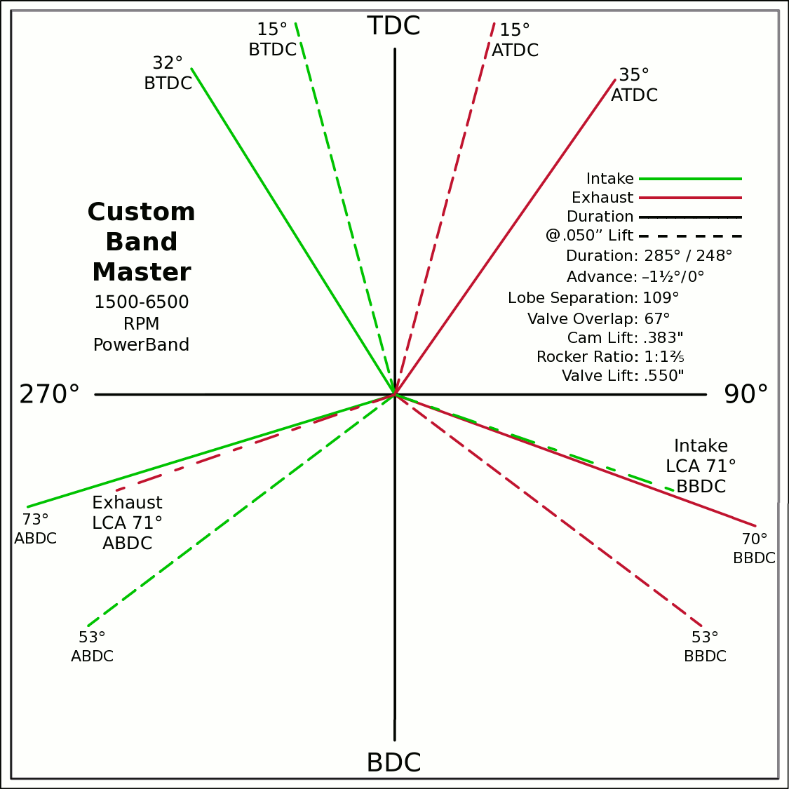
Advance | 0 | ° |  |  | 0 | 0 |  |  |  |  |  |  |  |  |  |  |  |  | 4750 | 2680 | 4210
Lobes: Separation ∠ | 109 | ° | Custom |  | -0.5299 | 0.8480 |  |  |  |  |  |  |  |  |  |  |  |  | 5000 | 2822 | 4432
Duration ───── | 285 | ° |  |  | 0 | 0 |  |  |  |  |  |  |  |  |  |  |  |  | 5250 | 2963 | 4654
Dur. @ .050" ─ ─ ─ | 248 | ° |  |  | 0.5736 | 0.8192 |  |  |  |  |  |  |  |  |  |  |  |  | 5500 | 3104 | 4875
Intake | ───── | 66.6 | DCR Angle |  | 0 | 0 |  |  |  |  |  |  |  |  |  |  |  |  | 5750 | 3245 | 5097
Exaust | ───── | 1.163 | Radians |  | -0.9563 | -0.2924 |  |  |  |  |  |  |  |  |  |  |  |  | 6000 | 3386 | 5318
 | ☞ | Valve Events |  |  | 0 | 0 | X & Y Axes |  |  |  |  |  |  |  |  |  |  |  | 6250 | 3527 | 5540
Intake Open | 33.5 | 32 | ° BTDC |  | 0.9397 | -0.3420 | 0 | 1 |  |  |  |  |  |  |  |  |  |  | 6500 | 3668 | 5762
Exaust Close | 33.5 | 35 | ° ATDC |  | 33.5 |  | 0 | -1 |  |  |  |  |  |  |  |  |  |  | 6750 | 3809 | 5983
Intake Close | 71.5 | 73 | ° ABDC |  | 18.5 |  | -1 | 0 |  |  |  |  |  |  |  |  |  |  | 7000 | 3950 | 6205
Exaust Open | 71.5 | 70 | ° BBDC |  | 0 | 0 | 1 | 0 |  |  |  |  |  |  |  |  |  |  | 7250 | 4091 | 6426
 | ☞ |  |  |  | -0.2588 | 0.9659 |  |  |  |  |  |  |  |  |  |  |  |  | 7500 | 4232 | 6648
Dur. @ .050" | ☞ |  |  | 270° | 0 | 0 |  |  |  |  | 90° |  |  |  |  |  |  |  | 7750 | 4373 | 6870
Intake Open | 15 | 15 | ° BTDC |  | 0.2588 | 0.9659 |  |  |  |  |  |  |  |  |  |  |  |  | 8000 | 4514 | 7091
Exaust Close | 15 | 15 | ° ATDC |  | 0 | 0 |  |  |  |  |  |  |  |  |  |  |  |  | 8250 | 4656 | 7313
Intake Close | 53 | 53 | ° ABDC |  | -0.7986 | -0.6018 |  |  |  |  |  |  |  |  |  |  |  |  | 8500 | 4797 | 7534
Exaust Open | 53 | 53 | ° BBDC |  | 0 | 0 |  |  |  |  |  |  |  |  |  |  |  |  | 8750 | 4938 | 7756
 | ☞ | ⇓ |  |  | 0.7986 | -0.6018 |  |  |  |  |  |  |  |  |  |  |  |  | 9000 | 5079 | 7978
 | Final Lobe Separation ∠ | 109 | ° |  | 127 |  |  |  |  |  |  |  |  |  |  |  |  |  | 9250 | 5220 | 8199
 | Valve Overlap | 67 | ° |  | 345 | 251 |  |  |  |  |  |  |  |  |  |  |  |  | 9500 | 5361 | 8421
 |  |  |  |  | 375 | 469 |  |  |  |  |  |  |  |  |  |  |  |  | Valves | Rings | Rings
 |  |  |  |  | 593
 | Suggested Valve Specifications
 | & Cam LSA/LCA
Competition |  | 91.0% | Throat ÷ Valve Dia.
Valve Stem Dia. | 8 | mm | Manual Input
Intake Valve Dia. | 43.9 | mm | 44.0 |  |  |  | BDC
Intake Throat Dia. | 39.9 | mm | 40.0
Adjusted Throat Dia. | 39.1 | mm | 39.2
Bore Space | 7.7 | mm | 7.5
Exhaust Valve Dia. | 34.4 | mm | 34.5
Exhaust Throat Dia. | 31.3 | mm | 31.4
Adjusted Throat Dia. | 30.3 | mm | 30.4
Exhaust ÷ Intake Throat Area | 59.9% | % | 59.9%
 | Calculated |  | Defined
Chamber cc ÷ Intake Throat Dia." | 18.7 | 12.695 | 18.6
Lobe Centerline Angle | ~ 110.9 ° | ~ | 111 °
K | 100 | Modified Equation (Nom.100) ☟
 |  | Experiment with Different Values

Production
Valve Stem Dia. | 8 | mm | Manual Input
Intake Valve Dia. | 42.1 | mm | 43.0
Intake Throat Dia. | 35.6 | mm | 36.5
Adjusted Throat Dia. | 34.7 | mm | 35.6
Bore Space | 10.2 | mm | 8.0
Exhaust Valve Dia. | 33.7 | mm | 35.0 |  |  | (Intake Throat Dia.In) |  | Graph Data From: |  | Graph | Test
Exhaust Throat Dia. | 27.2 | mm | 28.5 | K +1.164 × (28.196-Cham.cc÷ITD) |  |  |  | How to Build Horespower |  | Try Me | 28.1957
Adjusted Throat Dia. | 26.0 | mm | 27.4 | Modified Equation & Konstants |  |  |  |  |  | 100 | Konstant
Exhaust ÷ Intake Throat Area | 56.2% | % | 59.0% | 99.0 | ? VW Air Cooled |  |  |  |  | 28.20 | Cyl. / Valve
 | Calculated |  | Defined | 99.0 | Small Block Ford |  | 127 |  |  | 10 | CR
Chamber cc ÷ Intake Throat Dia." | 21.0 | 12.695 | 20.4 | 100.0 | Small Block Chevy |  | 128 |  |  | 100 ° | LSA/LCA
Lobe Centerline Angle | ~ 108.6 ° | ~ | 109.2 ° | 104.0 | Big Block Chevy |  | 132 | LSA=LCA when the cam is timed straight up, no advance/retard.
K | 100 | Modified Equation (Nom.100) ☞ |  | 105.0 | Big Block Ford |  | 133
 |  | Experiment with Different Values |  |  |  | Vizard's Original Equation & Konstants
 |  |  |  |  |  | K - (Cyl.CID ÷ ValveDia. × 0.91)
The Konstant will vary according chamber shape, valve canting, crossflow ability, valve shrouding & other factors. |  |  |  |  |  |  | 3.00
 |  | Finding the right value for the head design is important. |  |  |  |  | CR Comp
LCA Formula |  |  |  |  | Graph curve tweaking parameters. Do NOT change unless necessary. ☞ | 4.320 | 3.63
Let CDTD = Chamber cc ÷ Intake Throat Dia. |  | 20 to 14 Compensation |  | 14 to 10 Compensation |  | 20 to 14 | 14 to 10
K +1.1642×(28.1957─CDTD) ─IF[CDTD<20,(20─CDTD)÷4.32,0] ─IF[CDTD<14,(14─CDTD)÷3.63,0] +(10-CR)/3
This equation has been tuned to follow the graph exactly within ±⅛° (above right). |  |  |  | 12.695=0.91×25.4×Cyl.CID÷Chamber.cc @ 10:1 CR

Airflow & Carburation
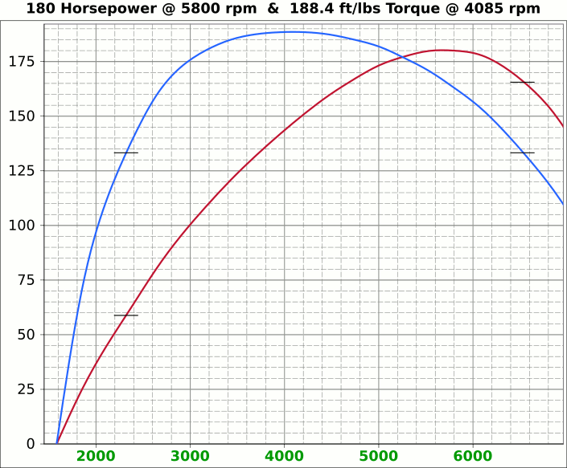
 | Airflow & Carburation |  |  |  |  | 3.386 | in.
 |  |  |  |  | Bore (mm) | 86 | 499.6 | cc
 | Change Only Blue Numbers |  |  |  | Stroke (mm) | 86 | 30.48 | in³
 |  |  |  |  |  | 3.386 | in.

 | 14.696 PSI At Sea Level |  |  |  | Cylinders | 5
14.696 | Atmospheric Pressure @ Altitude |  |  |  | Disp. | 152.4 | in³
3.00 | in/hg Carb. Calibration Value
0.74 | in/hg Maximum Carb. Pressure Drop
0.3610 | ∆PSI @ 0.735''/hg Pressure Drop |  |  |  |  | MCA Factors |  |  | Port MCA Dia" = RPM × Bore² × Stroke / 173881
92.0% | Wet Flow Compensation |  |  |  |  | 173881 | Brian Salter |  | Total Port Vol. / Cyl.Vol. = 92% to 95%
372 | Allocate CFM (Within Carburetor Limits) |  |  |  |  | 175831 | Avg. ↑ ↓
331 | Effective Available CFM (Drop/Cal., Wet Flow & Altitude Adj.) |  |  |  |  | 177780 | Flat Tappet | David Vizard
89.0% | Allocated CFM Usage |  |  |  |  | 195558 | Pro-Stock | Via
1.84 | CFM / BHP |  |  |  |  | 184136 | Race Roller | Bain Racing
180.0 | Peak BHP |  |  |  |  | Minimal Crossectional Area
129.5% | Volumetric Effeciency @ Peak |  |  |  |  | MCA Factor | 173881
4.33 | PSI Boost above 100% V.E. |  |  |  |  | Cyl.Vol. | 92.0% |  |  | 10.000 | in/H₂O | <─┐
5800 | @ Peak RPM |  |  |  |  | Ttl Port Vol. | 28.0 | in³ |  | 0.735 | in/hg | |
↑ ↑ ↑ |  |  |  |  |  |  |  |  |  | 0.361 | psi | 1.4287
6897 | RPM | 393.8 | 214.0 | Competition | 1.539 | 39.1 | 15.1 | 38.3 | MCA Redux | 20.413 | in/H₂O | <─┘
6525 | RPM | 372.6 | 202.5 | Competition | 1.457 | 37.0 | 16.8 | 42.8 | 0.94 | 1.500 | in/hg |  |  |  | 0
↑ ↑ ↑ |  |  |  |  |  | Port Dia.mm |  |  |  | 0.737 | psi
6119 | RPM | 349.4 | 189.9 | Production | 1.366 | 34.7 | 19.1 | 48.6 | MCA Redux | 14.696 | Air Pressure (PSI)
6256 | RPM | 357.2 | 194.1 | Production | 1.396 | 35.5 | 18.3 | 46.5 | 1.00 | 266 | CFM @ 10 in/H₂O
 |  |  |  |  |  |  |  |  |  | 380.0 | CFM @ 1.5 in/hg
Inc. |  | RPM CFM Horsepower |  |  | Port MCA |  | Runner
100 |  | Carb |  |  | Diameter |  | Length |  |  | 20.414 | in/H₂O
RPM |  | CFM | HP |  | In. | mm | In. | cm |  | 1.500 | in/hg
1000 |  | 57.1 | 31.0 |  | 0.223 | 5.7 | 716.6 | 1820.3 |  | 0.737 | psi
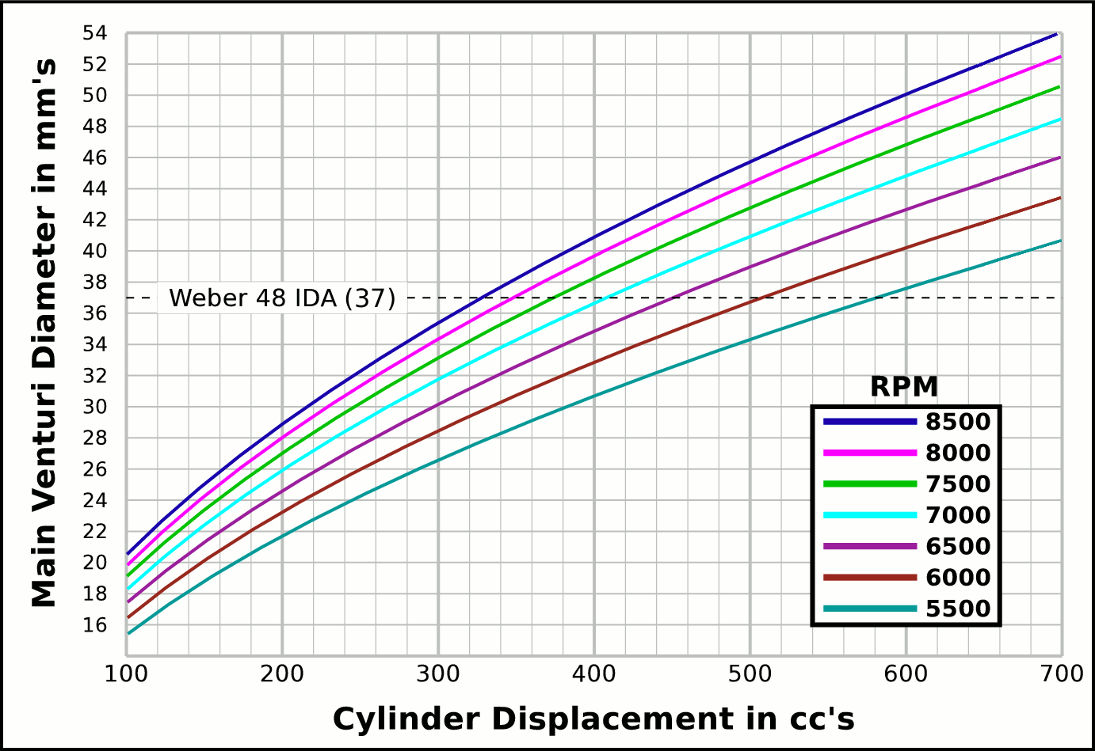
1100 |  | 62.8 | 34.1 |  | 0.246 | 6.2 | 592.3 | 1504.3
1200 |  | 68.5 | 37.2 |  | 0.268 | 6.8 | 497.7 | 1264.1 |  |  | CFM | CFM |  | Airflow Comparisons of
1300 |  | 74.2 | 40.3 |  | 0.290 | 7.4 | 424.0 | 1077.1 |  | Carb | @ 10 in/H₂O | @ 1.5 in/hg |  | Frequently Used VW Carburetors
1400 |  | 79.9 | 43.4 |  | 0.313 | 7.9 | 365.6 | 928.7 |  | 28 PIC 36hp | 47 | 67 | Stock 21.5 Vent, Choke
1500 |  | 85.7 | 46.6 |  | 0.335 | 8.5 | 318.5 | 809.0 |  | 28 PIC F-Vee | 58 | 83 | Mod F-Vee Type, Big Vent, No Choke, Blended Top
1600 |  | 91.4 | 49.7 |  | 0.357 | 9.1 | 279.9 | 711.0 |  | 28 PIC 40hp | 52 | 74 | Stock 22.5 Vent
1700 |  | 97.1 | 52.8 |  | 0.379 | 9.6 | 248.0 | 629.8 |  | 30 PICT, 1 or 2 | 64 | 91 | Stock 24 Vent
1800 |  | 102.8 | 55.9 |  | 0.402 | 10.2 | 221.2 | 561.8 |  | 32 PDSIT - 2 | 53 | 76 | Stock 21.5 Vent.
1900 |  | 108.5 | 59.0 |  | 0.424 | 10.8 | 198.5 | 504.2 |  | 32 PDSIT - 2 | 64 | 91 | Mod 24.5 Vent, Smooth Shaft, Choke Out
2000 |  | 114.2 | 62.1 |  | 0.446 | 11.3 | 179.2 | 455.1 |  | 34 PICT - 3 | 80 | 114 | Stock 27 Vent
2100 |  | 119.9 | 65.2 |  | 0.469 | 11.9 | 162.5 | 412.8 |  | 32 PBIC Okrasa | 58 | 83 | Stock 24 Vent
2200 |  | 125.6 | 68.3 |  | 0.491 | 12.5 | 148.1 | 376.1 |  | 32 PBIC Okrasa | 63 | 90 | Mod 26 Vent, Smooth Shaft
2300 |  | 131.3 | 71.4 |  | 0.513 | 13.0 | 135.5 | 344.1 |  | 34 ICT Weber | 82 | 117 | Stock 29 Vent
2400 |  | 137.0 | 74.5 |  | 0.536 | 13.6 | 124.4 | 316.0 |  | 32 NDIX Zenith | 137 | 196 | Stock 24 Vent, 1600N or VW Single
2500 |  | 142.8 | 77.6 |  | 0.558 | 14.2 | 114.7 | 291.2 |  | 32 NDIX Zenith | 150 | 214 | Stock 28 Vent, 1600S Porsche
2600 |  | 148.5 | 80.7 |  | 0.580 | 14.7 | 106.0 | 269.3 |  | 32 NDIX Zenith | 161 | 230 | Mod 31 Vent, Top Crossbar, Out & Blended
2700 |  | 154.2 | 83.8 |  | 0.603 | 15.3 | 98.3 | 249.7 |  | 40 Solex/Kadron EIS | 100 | 143 | Stock 28 Vent, Crosssbar, Top Style
2800 |  | 159.9 | 86.9 |  | 0.625 | 15.9 | 91.4 | 232.2 |  | Solex 36/40 PDSI | 111 | 159 | Stock 30 Vent, BMW 2002, Choke Out
2900 |  | 165.6 | 90.0 |  | 0.647 | 16.4 | 85.2 | 216.4 |  | Holley/Weber R6503 | 157 | 224 | Mod 26/27 Vent, Choke Out, Mod Inlet & Progressive
3000 |  | 171.3 | 93.1 |  | 0.670 | 17.0 | 79.6 | 202.3 |  | Weber DGEV 32/36 | 166 | 237 | Stock 26/27 Vent, Progressive
3100 |  | 177.0 | 96.2 |  | 0.692 | 17.6 | 74.6 | 189.4 |  | Weber 40 DCNF | 237 | 339 | Stock 32 Vent
3200 |  | 182.7 | 99.3 |  | 0.714 | 18.1 | 70.0 | 177.8 |  | Aisin 21100-35463 32/40 | 228 | 326 | 26/40 Vent, 1985+ 22R (Toyota Hilux/Truck)
3300 |  | 188.4 | 102.4 |  | 0.737 | 18.7 | 65.8 | 167.1 |  | Solex 40 P114 | 233 | 332 | Stock 32 Vent
3400 |  | 194.1 | 105.5 |  | 0.759 | 19.3 | 62.0 | 157.5 |  | Solex 40 P114 | 253 | 361 | Mod 37.5 Vent, Pro Super Vee
3500 |  | 199.9 | 108.6 |  | 0.781 | 19.8 | 58.5 | 148.6 |  | Rochester VaraLet 2SE | 262 | 374 | 2.5L L4 Iron Duke, 2.8L 60° V6
3600 |  | 205.6 | 111.7 |  | 0.804 | 20.4 | 55.3 | 140.5 |  | Weber 40 IDF | 202 | 289 | Stock 28 Vent, w/ Air Horn
3700 |  | 211.3 | 114.8 |  | 0.826 | 21.0 | 52.3 | 133.0 |  | Weber 40 IDF (39) | 251 | 358 | Stock 32 Vent, Tall Sec. Vent & Air Horn
3800 |  | 217.0 | 117.9 |  | 0.848 | 21.5 | 49.6 | 126.1 |  | Weber 40 IDF (39) | 266 | 380 | Mod 34 Vent, Tall Sec. Vent & Air Horn
3900 |  | 222.7 | 121.0 |  | 0.871 | 22.1 | 47.1 | 119.7 |  | Weber 40 IDF (39) | 278 | 397 | Mod 36 Vent, Tall Sec. Vent & Air Horn
4000 |  | 228.4 | 124.1 |  | 0.893 | 22.7 | 44.8 | 113.8 |  | Weber 48 IDA | 290 | 414 | Stock 37 Vent, Tall Sec. Vent & Air Horn
4100 |  | 234.1 | 127.2 |  | 0.915 | 23.2 | 42.6 | 108.3 |  | Weber 48 DCO 1/SP | 376 | 538 | Stock 42 Vent, w/ Air Horn
4200 |  | 239.8 | 130.3 |  | 0.938 | 23.8 | 40.6 | 103.2
4300 |  | 245.5 | 133.4 |  | 0.960 | 24.4 | 38.8 | 98.4
4400 |  | 251.2 | 136.5 |  | 0.982 | 24.9 | 37.0 | 94.0 |  |  |  |  | One Venturi per Cylinder Setup
4500 |  | 257.0 | 139.7 |  | 1.005 | 25.5 | 35.4 | 89.9
4600 |  | 262.7 | 142.8 |  | 1.027 | 26.1 | 33.9 | 86.0
4700 |  | 268.4 | 145.9 |  | 1.049 | 26.6 | 32.4 | 82.4
4800 |  | 274.1 | 149.0 |  | 1.071 | 27.2 | 31.1 | 79.0
4900 |  | 279.8 | 152.1 |  | 1.094 | 27.8 | 29.8 | 75.8
5000 |  | 285.5 | 155.2 |  | 1.116 | 28.3 | 28.7 | 72.8
5100 |  | 291.2 | 158.3 |  | 1.138 | 28.9 | 27.6 | 70.0
5200 |  | 296.9 | 161.4 |  | 1.161 | 29.5 | 26.5 | 67.3
5300 |  | 302.6 | 164.5 |  | 1.183 | 30.1 | 25.5 | 64.8
5400 |  | 308.4 | 167.6 |  | 1.205 | 30.6 | 24.6 | 62.4
5500 |  | 314.1 | 170.7 |  | 1.228 | 31.2 | 23.7 | 60.2
5600 |  | 319.8 | 173.8 |  | 1.250 | 31.8 | 22.9 | 58.0
5700 |  | 325.5 | 176.9 |  | 1.272 | 32.3 | 22.1 | 56.0
5800 |  | 331.2 | 180.0 |  | 1.295 | 32.9 | 21.3 | 54.1
5900 |  | 336.9 | 183.1 |  | 1.317 | 33.5 | 20.6 | 52.3
6000 |  | 342.6 | 186.2 |  | 1.339 | 34.0 | 19.9 | 50.6
6100 |  | 348.3 | 189.3 |  | 1.362 | 34.6 | 19.3 | 48.9
6200 |  | 354.0 | 192.4 |  | 1.384 | 35.2 | 18.6 | 47.4
6300 |  | 359.7 | 195.5 |  | 1.406 | 35.7 | 18.1 | 45.9
6400 |  | 365.5 | 198.6 |  | 1.429 | 36.3 | 17.5 | 44.4
6500 |  | 371.2 | 201.7 |  | 1.451 | 36.9 | 17.0 | 43.1
6600 |  | 376.9 | 204.8 |  | 1.473 | 37.4 | 16.5 | 41.8
6700 |  | 382.6 | 207.9 |  | 1.496 | 38.0 | 16.0 | 40.5
6800 |  | 388.3 | 211.0 |  | 1.518 | 38.6 | 15.5 | 39.4
6900 |  | 394.0 | 214.1 |  | 1.540 | 39.1 | 15.1 | 38.2
7000 |  | 399.7 | 217.2 |  | 1.563 | 39.7 | 14.6 | 37.1
7100 |  | 405.4 | 220.3 |  | 1.585 | 40.3 | 14.2 | 36.1
7200 |  | 411.1 | 223.4 |  | 1.607 | 40.8 | 13.8 | 35.1
7300 |  | 416.8 | 226.5 |  | 1.630 | 41.4 | 13.4 | 34.2
7400 |  | 422.6 | 229.6 |  | 1.652 | 42.0 | 13.1 | 33.2
7500 |  | 428.3 | 232.8 |  | 1.674 | 42.5 | 12.7 | 32.4
7600 |  | 434.0 | 235.9 |  | 1.697 | 43.1 | 12.4 | 31.5
7700 |  | 439.7 | 239.0 |  | 1.719 | 43.7 | 12.1 | 30.7
7800 |  | 445.4 | 242.1 |  | 1.741 | 44.2 | 11.8 | 29.9
7900 |  | 451.1 | 245.2 |  | 1.763 | 44.8 | 11.5 | 29.2
8000 |  | 456.8 | 248.3 |  | 1.786 | 45.4 | 11.2 | 28.4

Intake Horn & Runner
 | Change Only Blue Numbers |  |  |  |  |  |  |  | Throat Dia. | 39.1
 |  |  |  |  |  |  |  |  | From | 37.0
 | Linear Accelerated Horn |  |  |  |  |  | Volume |  | Suggested | 34.7
Runner Length | 10.5 | in. | 1.7777777778 | X |  | Runner | 16.081823636 |  | Valve Spec. | 35.5
Horn Length | 7.5 | in. | 5.67 | ~ Eff. Lngth |  | Horn | 11.638 | Correct Horn Volume Requires the Proper Summation Range be Set, Located @ Cells i71 & i72.
Throat/Port Dia. | 35.5 | mm 1.4" 1.85" | 47.0 | mm Horn Dia. |  | Total | 27.72
0 | 0.66929133858 | -0.66929133858
0.125 | 0.67282923423 | -0.67282923423
0.25 | 0.67638583132 | -0.67638583132
0.375 | 0.67996122869 | -0.67996122869
0.5 | 0.68355552572 | -0.68355552572
0.625 | 0.68716882233 | -0.68716882233
0.75 | 0.69080121894 | -0.69080121894
0.875 | 0.69445281651 | -0.69445281651
1 | 0.69812371655 | -0.69812371655
1.125 | 0.70181402108 | -0.70181402108
1.25 | 0.70552383268 | -0.70552383268
1.375 | 0.70925325447 | -0.70925325447
1.5 | 0.7130023901 | -0.7130023901
1.625 | 0.71677134378 | -0.71677134378
1.75 | 0.72056022028 | -0.72056022028
1.875 | 0.72436912489 | -0.72436912489
2 | 0.7281981635 | -0.7281981635
2.125 | 0.73204744254 | -0.73204744254
2.25 | 0.73591706898 | -0.73591706898
2.375 | 0.7398071504 | -0.7398071504
2.5 | 0.74371779491 | -0.74371779491
2.625 | 0.74764911122 | -0.74764911122
2.75 | 0.75160120859 | -0.75160120859
2.875 | 0.75557419687 | -0.75557419687
3 | 0.7595681865 | -0.7595681865
3.125 | 0.76358328849 | -0.76358328849
3.25 | 0.76761961444 | -0.76761961444
3.375 | 0.77167727653 | -0.77167727653
3.5 | 0.77575638756 | -0.77575638756
3.625 | 0.7798570609 | -0.7798570609
3.75 | 0.78397941054 | -0.78397941054
3.875 | 0.78812355104 | -0.78812355104
4 | 0.79228959761 | -0.79228959761
4.125 | 0.79647766604 | -0.79647766604
4.25 | 0.80068787273 | -0.80068787273
4.375 | 0.8049203347 | -0.8049203347
4.5 | 0.80917516961 | -0.80917516961
4.625 | 0.81345249572 | -0.81345249572
4.75 | 0.81775243191 | -0.81775243191
4.875 | 0.8220750977 | -0.8220750977
5 | 0.82642061324 | -0.82642061324
5.125 | 0.83078909931 | -0.83078909931
5.25 | 0.83518067735 | -0.83518067735
5.375 | 0.83959546941 | -0.83959546941
5.5 | 0.8440335982 | -0.8440335982
5.625 | 0.84849518709 | -0.84849518709
5.75 | 0.85298036007 | -0.85298036007
5.875 | 0.85748924183 | -0.85748924183
6 | 0.86202195768 | -0.86202195768
6.125 | 0.86657863362 | -0.86657863362
...
Port Speed | 320 | fps | 1.727 | Deg. |  |  | in³
Horn Speed | 183 | fps | ( ≤2° ) |  |  |  | 90.9 | %
 | 60 |  |  |  |  |  | Cyl. Vol. |  | 1.0243206683
 | 1.0094 |  |  | 1.0047 | Dia.
Scaling | Step | fps | Taper | mm | in. | +in. | -in.
0.191 | 0.000 | 320 |  | 35.5 | 1.396 | 0.698 | -0.698
0.193 | 0.125 | 317.0 | 1.5° | 35.6 | 1.403 | 0.702 | -0.702
0.195 | 0.250 | 314.1 | 1.51° | 35.8 | 1.410 | 0.705 | -0.705
0.197 | 0.375 | 311.1 | 1.51° | 36.0 | 1.416 | 0.708 | -0.708
0.199 | 0.500 | 308.3 | 1.52° | 36.1 | 1.423 | 0.711 | -0.711
0.201 | 0.625 | 305.4 | 1.53° | 36.3 | 1.429 | 0.715 | -0.715
0.202 | 0.750 | 302.5 | 1.53° | 36.5 | 1.436 | 0.718 | -0.718
0.204 | 0.875 | 299.7 | 1.54° | 36.7 | 1.443 | 0.721 | -0.721 |  | -1.0243206683
0.206 | 1.000 | 296.9 | 1.55° | 36.8 | 1.450 | 0.725 | -0.725
0.208 | 1.125 | 294.2 | 1.56° | 37.0 | 1.456 | 0.728 | -0.728
0.210 | 1.250 | 291.4 | 1.56° | 37.2 | 1.463 | 0.732 | -0.732
0.212 | 1.375 | 288.7 | 1.57° | 37.3 | 1.470 | 0.735 | -0.735
0.214 | 1.500 | 286.0 | 1.58° | 37.5 | 1.477 | 0.739 | -0.739 |  |  | Length " | Dia. "
0.216 | 1.625 | 283.4 | 1.59° | 37.7 | 1.484 | 0.742 | -0.742 |  |  | 0 | 1.396
0.218 | 1.750 | 280.7 | 1.59° | 37.9 | 1.491 | 0.745 | -0.745 |  |  | 0.5 | 1.423
0.220 | 1.875 | 278.1 | 1.6° | 38.0 | 1.498 | 0.749 | -0.749 |  |  | 1 | 1.450
0.222 | 2.000 | 275.5 | 1.61° | 38.2 | 1.505 | 0.752 | -0.752 |  |  | 1.5 | 1.477
0.224 | 2.125 | 273.0 | 1.62° | 38.4 | 1.512 | 0.756 | -0.756 |  |  | 2 | 1.505
0.227 | 2.250 | 270.4 | 1.62° | 38.6 | 1.519 | 0.760 | -0.760 |  |  | 2.5 | 1.533
0.229 | 2.375 | 267.9 | 1.63° | 38.8 | 1.526 | 0.763 | -0.763 |  |  | 3 | 1.562
0.231 | 2.500 | 265.4 | 1.64° | 38.9 | 1.533 | 0.767 | -0.767 |  |  | 3.5 | 1.592
0.233 | 2.625 | 262.9 | 1.65° | 39.1 | 1.541 | 0.770 | -0.770 |  |  | 4 | 1.622
0.235 | 2.750 | 260.5 | 1.65° | 39.3 | 1.548 | 0.774 | -0.774 |  |  | 4.5 | 1.652
0.237 | 2.875 | 258.1 | 1.66° | 39.5 | 1.555 | 0.777 | -0.777 |  |  | 5 | 1.684
0.240 | 3.000 | 255.7 | 1.67° | 39.7 | 1.562 | 0.781 | -0.781 |  |  | 5.5 | 1.715
0.242 | 3.125 | 253.3 | 1.68° | 39.9 | 1.570 | 0.785 | -0.785 |  |  | 6 | 1.748
0.244 | 3.250 | 250.9 | 1.69° | 40.1 | 1.577 | 0.788 | -0.788 |  |  | 6.5 | 1.781
0.246 | 3.375 | 248.6 | 1.69° | 40.2 | 1.584 | 0.792 | -0.792 |  |  | 7 | 1.814
0.249 | 3.500 | 246.3 | 1.7° | 40.4 | 1.592 | 0.796 | -0.796 |  |  | 7.5 | 1.849
0.251 | 3.625 | 244.0 | 1.71° | 40.6 | 1.599 | 0.800 | -0.800 |  |  | 8 | 1.884
0.253 | 3.750 | 241.7 | 1.72° | 40.8 | 1.607 | 0.803 | -0.803 |  |  | 8.5 | 1.919
0.256 | 3.875 | 239.5 | 1.73° | 41.0 | 1.614 | 0.807 | -0.807 |  |  | 9 | 1.955
0.258 | 4.000 | 237.2 | 1.73° | 41.2 | 1.622 | 0.811 | -0.811 |  |  | 9.5 | 1.992
0.261 | 4.125 | 235.0 | 1.74° | 41.4 | 1.629 | 0.815 | -0.815 |  |  | 10 | 2.030
0.263 | 4.250 | 232.9 | 1.75° | 41.6 | 1.637 | 0.819 | -0.819
0.266 | 4.375 | 230.7 | 1.76° | 41.8 | 1.645 | 0.822 | -0.822
0.268 | 4.500 | 228.5 | 1.77° | 42.0 | 1.652 | 0.826 | -0.826
0.271 | 4.625 | 226.4 | 1.77° | 42.2 | 1.660 | 0.830 | -0.830
0.273 | 4.750 | 224.3 | 1.78° | 42.4 | 1.668 | 0.834 | -0.834
0.276 | 4.875 | 222.2 | 1.79° | 42.6 | 1.676 | 0.838 | -0.838
0.278 | 5.000 | 220.1 | 1.8° | 42.8 | 1.684 | 0.842 | -0.842
0.281 | 5.125 | 218.1 | 1.81° | 43.0 | 1.692 | 0.846 | -0.846
0.284 | 5.250 | 216.1 | 1.82° | 43.2 | 1.699 | 0.850 | -0.850
0.286 | 5.375 | 214.1 | 1.82° | 43.4 | 1.707 | 0.854 | -0.854
0.289 | 5.500 | 212.1 | 1.83° | 43.6 | 1.715 | 0.858 | -0.858
0.292 | 5.625 | 210.1 | 1.84° | 43.8 | 1.723 | 0.862 | -0.862
0.294 | 5.750 | 208.1 | 1.85° | 44.0 | 1.732 | 0.866 | -0.866
0.297 | 5.875 | 206.2 | 1.86° | 44.2 | 1.740 | 0.870 | -0.870
0.300 | 6.000 | 204.3 | 1.87° | 44.4 | 1.748 | 0.874 | -0.874
0.303 | 6.125 | 202.4 | 1.88° | 44.6 | 1.756 | 0.878 | -0.878
0.306 | 6.250 | 200.5 | 1.89° | 44.8 | 1.764 | 0.882 | -0.882
0.308 | 6.375 | 198.6 | 1.89° | 45.0 | 1.772 | 0.886 | -0.886
0.311 | 6.500 | 196.8 | 1.9° | 45.2 | 1.781 | 0.890 | -0.890
0.314 | 6.625 | 195.0 | 1.91° | 45.4 | 1.789 | 0.895 | -0.895
0.317 | 6.750 | 193.1 | 1.92° | 45.7 | 1.798 | 0.899 | -0.899
0.320 | 6.875 | 191.3 | 1.93° | 45.9 | 1.806 | 0.903 | -0.903
0.323 | 7.000 | 189.6 | 1.94° | 46.1 | 1.814 | 0.907 | -0.907
0.326 | 7.125 | 187.8 | 1.95° | 46.3 | 1.823 | 0.911 | -0.911
0.329 | 7.250 | 186.0 | 1.96° | 46.5 | 1.831 | 0.916 | -0.916
0.332 | 7.375 | 184.3 | 1.97° | 46.7 | 1.840 | 0.920 | -0.920 | 15.335
...

Tires, Trans, RPM, MPH
...
 |  |  |  |  |  |  |  |  |  | 165/80R15, 25.4x6.5
-7.5 | 8.2 | 13.9 | 20.7 | 27.6 | 33.7 | 26.7 | In. Tire Diameter |  |  | 185/70R15, 25.2x7.3
-8.2 | 8.9 | 15.2 | 22.6 | 30.1 | 36.8 | 7.0 | Ft. Circumference |  |  | Rear
-8.9 | 9.7 | 16.5 | 24.5 | 32.7 | 39.8 |  | 5-Seed Manual |  |  | 215/60R15, 25.2x8.5
-9.6 | 10.4 | 17.7 | 26.3 | 35.2 | 42.9 | Diff | 3.818 | ∆ |  |  | A
-10.2 | 11.2 | 19.0 | 28.2 | 37.7 | 46.0 | 5 | 0.850 | 1.220 | 1.220 | 16x6 Rims
-10.9 | 11.9 | 20.3 | 30.1 | 40.2 | 49.0 | 4 | 1.037 | 1.335 | 1.629 | Front
-11.6 | 12.7 | 21.5 | 32.0 | 42.7 | 52.1 | 3 | 1.385 | 1.485 | 2.418 | 185/65R16, 25.5x7.3
-12.3 | 13.4 | 22.8 | 33.9 | 45.2 | 55.2 | 2 | 2.056 | 1.703 | 4.118 | Rear
-13.0 | 14.1 | 24.1 | 35.7 | 47.7 | 58.2 | 1 | 3.500 |  | Total∆ | 215/55R16, 25.3x8.5
-13.6 | 14.9 | 25.3 | 37.6 | 50.2 | 61.3 | Rev | -3.818 | Final | 3.245
5 | 0.85
4 | 1
3 | 1.3
2 | 2
1 | 3.5
-14.3 | 15.6 | 26.6 | 39.5 | 52.7 | 64.4
-15.0 | 16.4 | 27.9 | 41.4 | 55.3 | 67.4
-15.7 | 17.1 | 29.1 | 43.3 | 57.8 | 70.5
-16.4 | 17.9 | 30.4 | 45.1 | 60.3 | 73.5
-17.1 | 18.6 | 31.7 | 47.0 | 62.8 | 76.6
-17.7 | 19.3 | 32.9 | 48.9 | 65.3 | 79.7
-18.4 | 20.1 | 34.2 | 50.8 | 67.8 | 82.7
-19.1 | 20.8 | 35.5 | 52.7 | 70.3 | 85.8
-19.8 | 21.6 | 36.7 | 54.6 | 72.8 | 88.9
-20.5 | 22.3 | 38.0 | 56.4 | 75.4 | 91.9
-21.1 | 23.1 | 39.3 | 58.3 | 77.9 | 95.0
-21.8 | 23.8 | 40.5 | 60.2 | 80.4 | 98.1
-22.5 | 24.6 | 41.8 | 62.1 | 82.9 | 101.1
-23.2 | 25.3 | 43.1 | 64.0 | 85.4 | 104.2
-23.9 | 26.0 | 44.4 | 65.8 | 87.9 | 107.3
-24.6 | 26.8 | 45.6 | 67.7 | 90.4 | 110.3
-25.2 | 27.5 | 46.9 | 69.6 | 92.9 | 113.4
-25.9 | 28.3 | 48.2 | 71.5 | 95.4 | 116.4
-26.6 | 29.0 | 49.4 | 73.4 | 98.0 | 119.5
-27.3 | 29.8 | 50.7 | 75.2 | 100.5 | 122.6
-28.0 | 30.5 | 52.0 | 77.1 | 103.0 | 125.6
-28.7 | 31.3 | 53.2 | 79.0 | 105.5 | 128.7
-29.3 | 32.0 | 54.5 | 80.9 | 108.0 | 131.8
-30.0 | 32.7 | 55.8 | 82.8 | 110.5 | 134.8
-30.7 | 33.5 | 57.0 | 84.7 | 113.0 | 137.9
-31.4 | 34.2 | 58.3 | 86.5 | 115.5 | 141.0
-32.1 | 35.0 | 59.6 | 88.4 | 118.1 | 144.0
-32.7 | 35.7 | 60.8 | 90.3 | 120.6 | 147.1
-33.4 | 36.5 | 62.1 | 92.2 | 123.1 | 150.2
-34.1 | 37.2 | 63.4 | 94.1 | 125.6 | 153.2
-34.8 | 38.0 | 64.6 | 95.9 | 128.1 | 156.3
-35.5 | 38.7 | 65.9 | 97.8 | 130.6 | 159.3
MPH | MPH | MPH | MPH | MPH | MPH | WheelRPM
-6.7 | 7.3 | 12.4 | 18.4 | 24.6 | 30.0 | 377
-7.8 | 8.5 | 14.5 | 21.5 | 28.7 | 35.0 | 440
-8.9 | 9.7 | 16.5 | 24.6 | 32.8 | 40.0 | 503
-10.0 | 10.9 | 18.6 | 27.6 | 36.9 | 45.0 | 566
-11.1 | 12.1 | 20.7 | 30.7 | 41.0 | 50.0 | 628
-12.2 | 13.4 | 22.7 | 33.8 | 45.1 | 55.0 | 691
-13.4 | 14.6 | 24.8 | 36.8 | 49.2 | 60.0 | 754
-14.5 | 15.8 | 26.9 | 39.9 | 53.3 | 65.0 | 817
-15.6 | 17.0 | 28.9 | 43.0 | 57.4 | 70.0 | 880
...

