Displacement & Cam Protractor
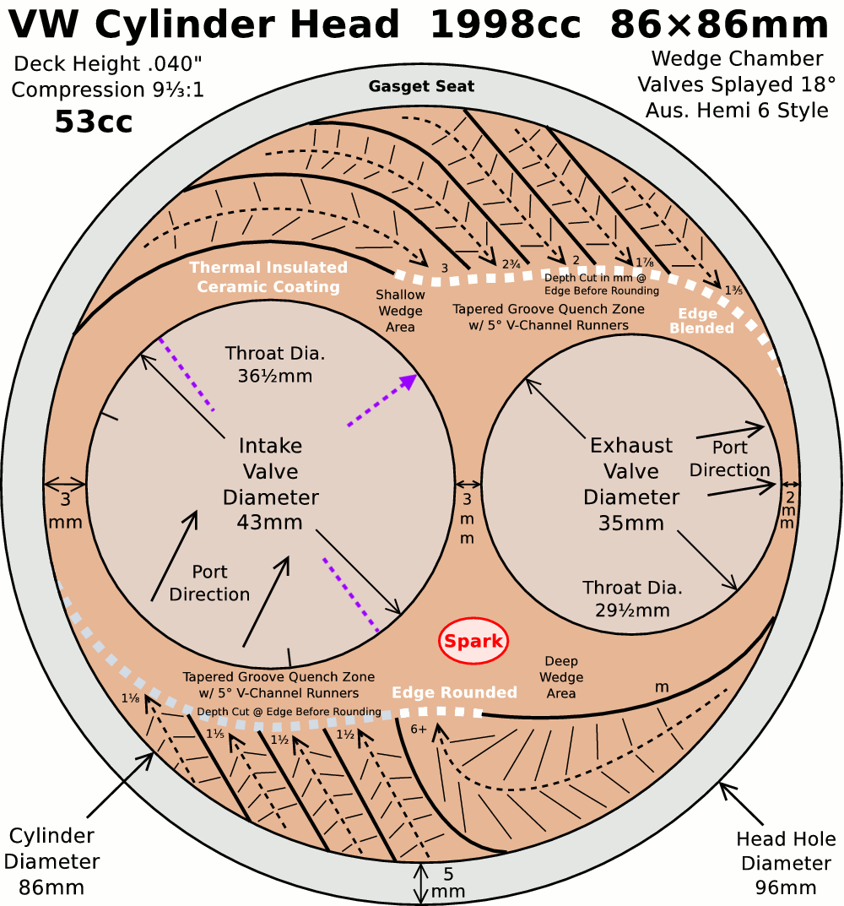
 | VW Air Cooled Boxster |  |  | Displacement Calculator, Table, Protractor, Valve Timings & Sizing
 | Al6Mg½Sc Case
Displacement Calculator |  |  |  |  |  | Magnesuim | Aluminum | Case
Squareness | 1.000 | 0.886 | Change Only Blue Numbers |  |  | S↓ x B→ | 77 | 83 | 85.5 | 86 | 87 | 88 | 90 | 90.5 | 92 | 94 | 96.5 | 101.6
 | 3.386" |  |  |  |  | 64 | 1192 | 1385 | 1470 | 1487 | 1522 | 1557 | 1629 | 1647 | 1702 | 1777 | 1782 | 2075
Bore (mm) | 86.00 | 499.6 | cc |  |  | 69 | 1285 | 1493 | 1585 | 1603 | 1641 | 1679 | 1756 | 1775 | 1835 | 1915 | 2019 | 2237
Stroke (mm) | 86.00 | 30.48 | in³ |  |  | 74 | 1378 | 1602 | 1700 | 1719 | 1760 | 1800 | 1883 | 1904 | 1968 | 2054 | 2165 | 2399
 | 3.386" |  |  |  |  | 76 | 1416 | 1645 | 1745 | 1766 | 1807 | 1849 | 1934 | 1956 | 2021 | 2110 | 2223 | 2465
 | 6.094" ≥ Length ≥ 5.417" |  |  | In | mm | 78 | 1453 | 1688 | 1791 | 1812 | 1855 | 1898 | 1985 | 2007 | 2074 | 2165 | 2282 | 2529
Rod Length (In) | 5.600 | 1.654 | :1 | 3.875 | 133 | 80 | 1490 | 1731 | 1837 | 1859 | 1902 | 1946 | 2036 | 2058 | 2127 | 2221 | 2340 | 2594
 | 142.2 | mm |  | mm | In | 82 | 1527 | 1775 | 1883 | 1905 | 1950 | 1995 | 2087 | 2110 | 2180 | 2276 | 2399 | 2659
 |  |  | Other | 98.4 | 5.236 | 84 | 1565 | 1818 | 1929 | 1952 | 1997 | 2044 | 2138 | 2161 | 2234 | 2332 | 2457 | 2724
Cylinders | 4 |  | Configurations |  |  | 86 | 1602 | 1861 | 1975 | 1998 | 2045 | 2092 | 2188 | 2213 | 2287 | 2387 | 2516 | 2789
Total | 1998.2 | cc | 88×74 |  |  | 88 | 1639 | 1905 | 2021 | 2045 | 2093 | 2141 | 2239 | 2264 | 2340 | 2443 | 2574 | 2854
Displacement | 121.9 | in³ | 88×82 |  |  | 90 | 1676 | 1948 | 2067 | 2091 | 2140 | 2190 | 2290 | 2316 | 2393 | 2498 | 2633 | 2919
 | 2.0 | L | 92×86 |  |  | Studs | 10mm | 10mm | 10mm | 10mm | 10mm | 9mm | 8mm | 8mm | 8mm | 8mm | 8mm | 8mm
HP/Cyl. | 32.50 |  | 5 Cylinder
HP | 130.0 |  | Small Block Chevy |  |  |  |  |  |  |  |  | Links: | VW Boxster |  |  |  |  |  |  |  |  | A
HP/in³ | 1.07 |  |  |  |  |  |  |  |  |  |  |  | David Vizard
CR (8-18) vs. Tq/Cube (Max) | 1.28 | 156.1 | ft/lbs Max.Torque |  |  |  |  |  |  |  |  |  | How to Build Horsepower |  |  | 📓
Compression Ratio | 9.33333333 | :1 | With higher compression ceramic coated insulated combustion chambers are highly recomended. |  |  |  |  |  |  |  |  |  | How to Port & Flow Cylinder Heads |  |  |  | 📓
Crown to Wall Vol. | 1.55 | cc |  |  |  |  |  |  |  |  |  |  | IOP Flow program
Deck Height | 0.04 | " |  |  |  | ©2025 - J.S. Gilstrap - All Rights Reserved. |  |  |  |  |  |  | Engine Math |  | 📓
Deck Ht Vol. | 5.90 | cc |  | Dynamic Calculations |  | Creative Commons |  | (CC BY-SA 4.0) |  |  |  |  | PipeMax
Chamber Vol. | 59.95 | cc |  | 38.9 |  | Hardware Licenses: |  | TAPR-OHL |  | CERN-OHL-S |  |  | Bain Racing |  | YouTube
Head Vol. | 52.50 | cc |  | 18.4 |  |  |  |  |  |  |  |  | Turbo power without Turbo through resonance.
Dynamic Stroke | 66.83 | mm |  | 136.8 |  |  |  |  |  |  |  |  | Brian Salter |  | Salter Racing Engines
Dynamic Compression | 7.48 | :1 | × VE Factor: 9.39:1 | 118.4 |  |  |  |  |  |  |  |  | Ben Almeda |  | Alemeda Racing
(Intake Valve Close @ ~.020") | For Dynamic Stroke & Compression enter camshaft timing data, B39 to B42, and update valve events in camshaft protractor, C46 to C55. |  |  |  |  |  |  |  |  |  |  |  | MotoIQ | YouTube
Cranking Pressure | 149.4 | PSI
× VE Factor (Max) | 187.6 | PSI
Calculated Valve Diameter | In / Ex |  | LSA/LCA |  | Camshaft Protractor
Competition | 43.9 / 34.4 | mm | ~ 109.6 °
Production | 42.1 / 33.7 | mm | ~ 107.1 °
Cam Lift | 0.360 | " |  | Manual Input
Rocker Ratio 1: | 1.250 | 26.1% Lift Of Intake Valve Dia. |  | 26.0 | %
Valve Lift | 0.450 | " 29.6% Lift Of Intake Valve Dia. |  | 31.5 | % |  | TDC
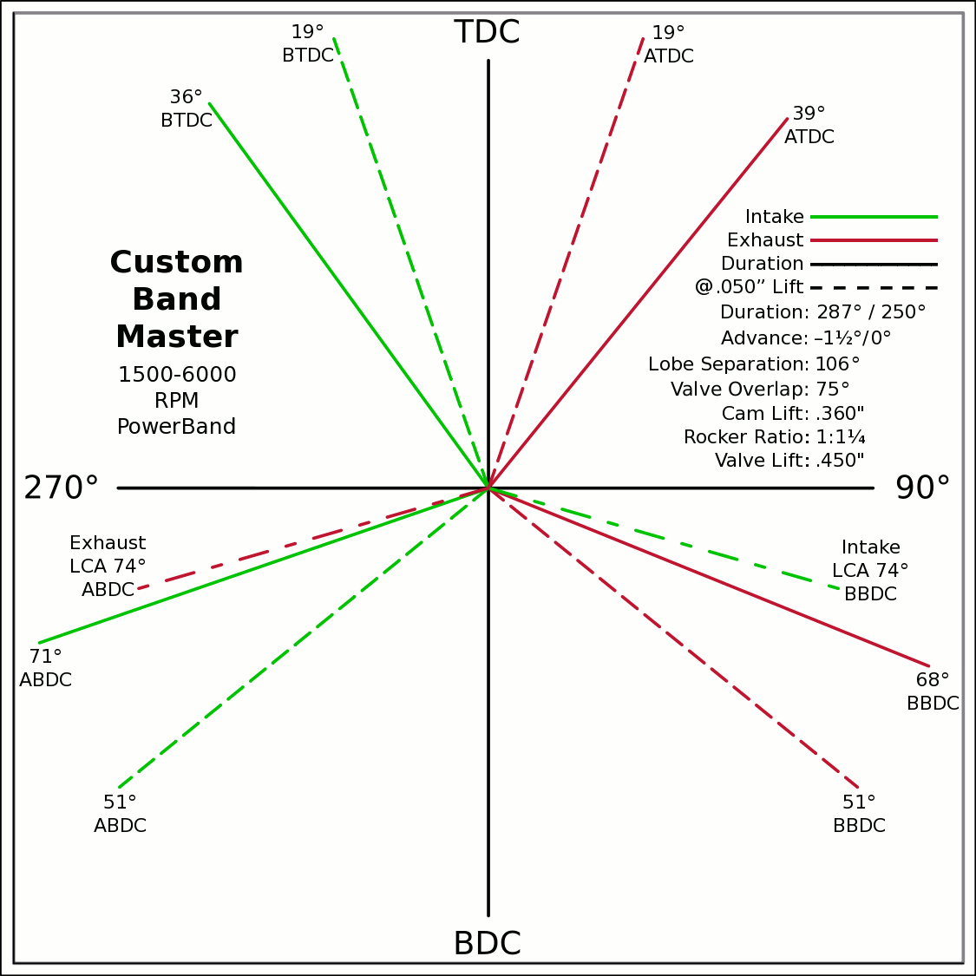
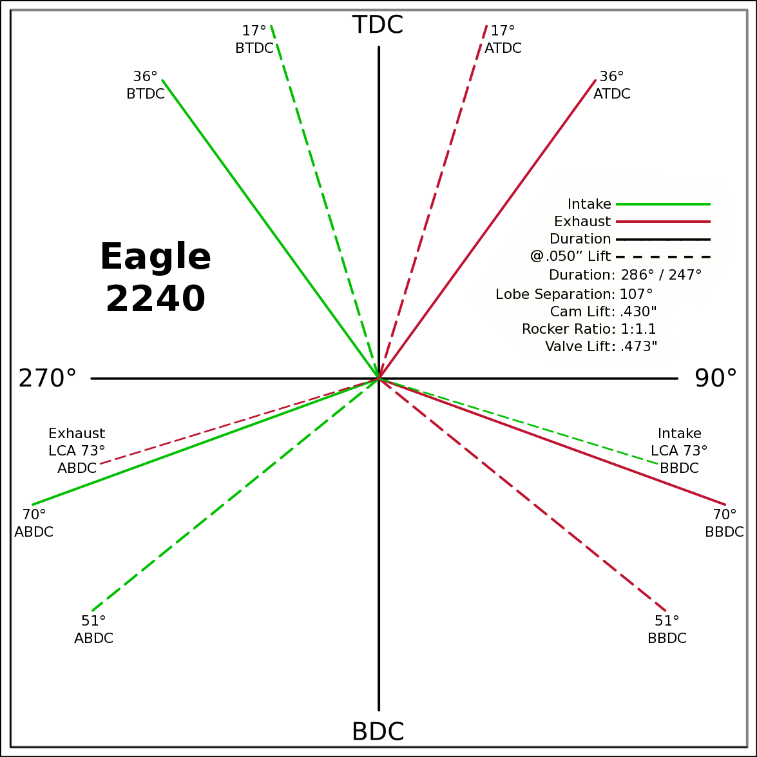
Advance | -1.5 | ° | -1.5 / 0 |  | 0 | 0
Lobes: Separation ∠ | 106 | ° | 285 / 248 |  | -0.5878 | 0.8090
Duration ───── | 287 | ° | Engle W110 |  | 0 | 0
Dur. @ .050" ─ ─ ─ | 250 | ° | Eagle 2240 |  | 0.6293 | 0.7771
Intake | ───── | 64.6 | DCR Angle |  | 0 | 0
Exaust | ───── | 1.128 | Radians |  | -0.9455 | -0.3256
 | ☞ | Valve Events |  |  | 0 | 0 | X & Y Axes
Intake Open | 36 | 36 | ° BTDC |  | 0.9272 | -0.3746 | 0 | 1
Exaust Close | 39 | 39 | ° ATDC |  | 37.5 |  | 0 | -1
Intake Close | 71 | 71 | ° ABDC |  | 18.5 |  | -1 | 0
Exaust Open | 68 | 68 | ° BBDC |  | 0 | 0 | 1 | 0
 | ☞ |  |  |  | -0.3256 | 0.9455
Dur. @ .050" | ☞ |  |  | 270° | 0 | 0 |  |  |  |  | 90°
Intake Open | 17.5 | 19 | ° BTDC |  | 0.3256 | 0.9455
Exaust Close | 20.5 | 19 | ° ATDC |  | 0 | 0
Intake Close | 52.5 | 51 | ° ABDC |  | -0.7771 | -0.6293
Exaust Open | 49.5 | 51 | ° BBDC |  | 0 | 0
 | ☞ | ⇓ |  |  | 0.7771 | -0.6293
 | Final Lobe Separation ∠ | 106 | ° |  | 129
 | Valve Overlap | 75 | ° |  | 341 | 254
 |  |  |  |  | 379 | 466
 |  |  |  |  | 591
 | Suggested Valve Specifications
 | & Cam LSA/LCA
Competition |  | 90.0% | Throat ÷ Valve Dia.
Valve Stem Dia. | 8 | mm | Manual Input
Intake Valve Dia. | 43.9 | mm | 44.0 |  |  |  | BDC
Intake Throat Dia. | 39.5 | mm | 39.6 |  |  |  |  |  |  |  |  |  |  |  |  |  |  |  |  | Piston Speed in FPM
Adjusted Throat Dia. | 38.7 | mm | 38.8 |  |  |  |  |  |  |  |  |  |  |  |  |  |  |  | 250 | Inc.
Bore Space | 7.7 | mm | 7.5 |  |  |  |  |  |  |  |  |  |  |  |  |  |  |  | RPM | Mean | Max
Exhaust Valve Dia. | 34.4 | mm | 34.5 |  |  |  |  |  |  |  |  |  |  |  |  |  |  |  | 2000 | 1129 | 1773
Exhaust Throat Dia. | 31.0 | mm | 31.1 |  |  |  |  |  |  |  |  |  |  |  |  |  |  |  | 2250 | 1270 | 1994
Adjusted Throat Dia. | 29.9 | mm | 30.0 |  |  |  |  |  |  |  |  |  |  |  |  |  |  |  | 2500 | 1411 | 2216
Exhaust ÷ Intake Throat Area | 59.9% | % | 59.8% |  |  |  |  |  |  |  |  |  |  |  |  |  |  |  | 2750 | 1552 | 2438
 | Calculated |  | Defined |  |  |  |  |  |  |  |  |  |  |  |  |  |  |  | 3000 | 1693 | 2659
Chamber cc ÷ Intake Throat Dia." | 19.1 | 12.555 | 19.0 |  |  |  |  |  |  |  |  |  |  |  |  |  |  |  | 3250 | 1834 | 2881
Lobe Centerline Angle | ~ 109.6 ° | ~ | 109.7 ° |  |  |  |  |  |  |  |  |  |  |  |  |  |  |  | 3500 | 1975 | 3102
K | 99 | Modified Equation (Nom.100) ☟ |  |  |  |  |  |  |  |  |  |  |  |  |  |  |  |  | 3750 | 2116 | 3324
 |  | Experiment with Different Values |  |  |  |  |  |  |  |  |  |  |  |  |  |  |  |  | 4000 | 2257 | 3546
 |  |  |  |  |  |  |  |  |  |  |  |  |  |  |  |  |  |  | 4250 | 2398 | 3767
Production |  |  | 044 Panchito Heads |  |  |  |  |  |  |  |  |  |  |  |  |  |  |  | 4500 | 2539 | 3989
Valve Stem Dia. | 8 | mm | Manual Input |  |  |  |  |  |  |  |  |  |  |  |  |  |  |  | 4750 | 2680 | 4210
Intake Valve Dia. | 42.1 | mm | 40.0 |  |  |  |  |  |  |  |  |  |  |  |  |  |  |  | 5000 | 2822 | 4432
Intake Throat Dia. | 35.1 | mm | 33.0 |  |  |  |  |  |  |  |  |  |  |  |  |  |  |  | 5250 | 2963 | 4654
Adjusted Throat Dia. | 34.2 | mm | 32.0 |  |  |  |  |  |  |  |  |  |  |  |  |  |  |  | 5500 | 3104 | 4875
Bore Space | 10.2 | mm | 10.5 |  |  |  |  |  |  |  |  |  |  |  |  |  |  |  | 5750 | 3245 | 5097
Exhaust Valve Dia. | 33.7 | mm | 35.5 |  |  | (Intake Throat Dia.In) |  | Graph Data From: |  | Graph | Test |  |  |  |  |  |  |  | 6000 | 3386 | 5318
Exhaust Throat Dia. | 26.7 | mm | 28.5 | K +1.164 × (28.196-Cham.cc÷ITD) |  |  |  | How to Build Horespower |  | Try Me | 28.1957 |  |  |  |  |  |  |  | 6250 | 3527 | 5540
Adjusted Throat Dia. | 25.5 | mm | 27.4 | Modified Equation & Konstants |  |  |  |  |  | 100 | Konstant |  |  |  |  |  |  |  | 6500 | 3668 | 5762
Exhaust ÷ Intake Throat Area | 55.6% | % | 73.0% | 99.0 | ? VW Air Cooled |  |  |  |  | 28.20 | Cyl. / Valve |  |  |  |  |  |  |  | 6750 | 3809 | 5983
 | Calculated |  | Defined | 99.0 | Small Block Ford |  | 127 |  |  | 10 | CR |  |  |  |  |  |  |  | 7000 | 3950 | 6205
Chamber cc ÷ Intake Throat Dia." | 21.4 | 12.555 | 22.8 | 100.0 | Small Block Chevy |  | 128 |  |  | 100 ° | LSA/LCA |  |  |  |  |  |  |  | 7250 | 4091 | 6426
Lobe Centerline Angle | ~ 107.1 ° | ~ | 105.5 ° | 104.0 | Big Block Chevy |  | 132 | LSA=LCA when the cam is timed straight up, no advance/retard. |  |  |  |  |  |  |  |  |  |  | 7500 | 4232 | 6648
K | 99 | Modified Equation (Nom.100) ☞ |  | 105.0 | Big Block Ford |  | 133 |  |  |  |  |  |  |  |  |  |  |  | 7750 | 4373 | 6870
 |  | Experiment with Different Values |  |  |  | Vizard's Original Equation & Konstants |  |  |  |  |  |  |  |  |  |  |  |  | 8000 | 4514 | 7091
 |  |  |  |  |  | K - (Cyl.CID ÷ ValveDia. × 0.91) |  |  |  |  |  |  |  |  |  |  |  |  | 8250 | 4656 | 7313
The Konstant will vary according chamber shape, valve canting, crossflow ability, valve shrouding & other factors. |  |  |  |  |  |  | 3.00 |  |  |  |  |  |  |  |  |  |  |  | 8500 | 4797 | 7534
 |  | Finding the right value for the head design is important. |  |  |  |  | CR Comp |  |  |  |  |  |  |  |  |  |  |  | 8750 | 4938 | 7756
LCA Formula |  |  |  |  | Graph curve tweaking parameters. Do NOT change unless necessary. ☞ | 4.320 | 3.63 |  |  |  |  |  |  |  |  |  |  |  | 9000 | 5079 | 7978
Let CDTD = Chamber cc ÷ Intake Throat Dia. |  | 20 to 14 Compensation |  | 14 to 10 Compensation |  | 20 to 14 | 14 to 10 |  |  |  |  |  |  |  |  |  |  |  | 9250 | 5220 | 8199
K +1.1642×(28.1957─CDTD) ─IF[CDTD<20,(20─CDTD)÷4.32,0] ─IF[CDTD<14,(14─CDTD)÷3.63,0] +(10-CR)/3 |  |  |  |  |  |  |  |  |  |  |  |  |  |  |  |  |  |  | 9500 | 5361 | 8421
This equation has been tuned to follow the graph exactly within ±⅛° (above right). |  |  |  | 12.555=0.9×25.4×Cyl.CID÷Chamber.cc @ 10:1 CR |  |  |  |  |  |  |  |  |  |  |  |  |  |  | Valves | Rings | Rings

Airflow & Carburation
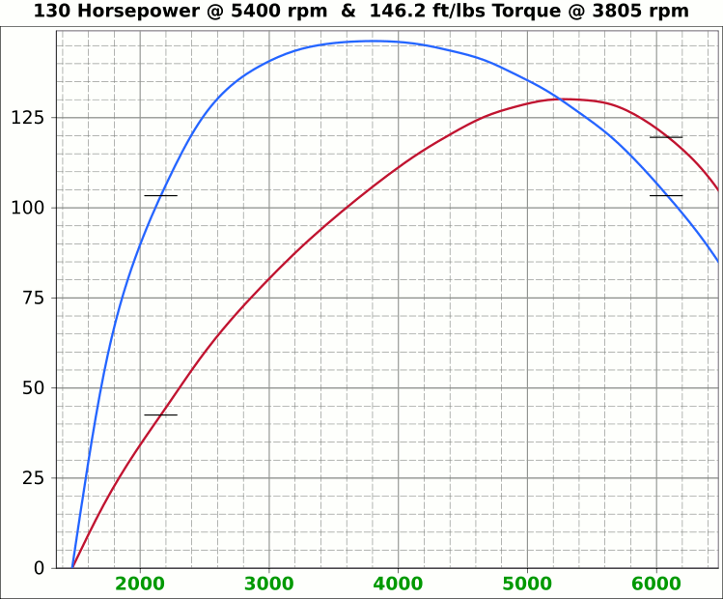
 | Airflow & Carburation |  |  |  |  | 3.386 | in.
 |  |  |  |  | Bore (mm) | 86 | 499.6 | cc
 | Change Only Blue Numbers |  |  |  | Stroke (mm) | 86 | 30.48 | in³
 |  |  |  |  |  | 3.386 | in.

 | 14.696 PSI At Sea Level |  |  |  | Cylinders | 4
14.696 | Atmospheric Pressure @ Altitude |  |  |  | Disp. | 121.9 | in³
3.00 | in/hg Carb. Calibration Value
0.74 | in/hg Maximum Carb. Pressure Drop
0.3610 | ∆PSI @ 0.735''/hg Pressure Drop |  |  |  |  | MCA Factors |  |  | Port MCA Dia" = RPM × Bore² × Stroke / 176000
92.0% | Wet Flow Compensation |  |  |  |  | 173881 | Brian Salter |  | Total Port Vol. / Cyl.Vol. = 92% to 95%
270 | Allocate CFM (Within Carburetor Limits) |  |  |  |  | 175831 | Avg. ↑ ↓
239 | Effective Available CFM (Drop/Cal., Wet Flow & Altitude Adj.) |  |  |  |  | 177780 | Flat Tappet | David Vizard
88.6% | Allocated CFM Usage |  |  |  |  | 195558 | Pro-Stock | Via
1.84 | CFM / BHP |  |  |  |  | 184136 | Race Roller | Bain Racing
130.0 | Peak BHP |  |  |  |  | Minimal Crossectional Area
125.5% | Volumetric Effeciency @ Peak |  |  |  |  | MCA Factor | 176000
3.75 | PSI Boost above 100% V.E. |  |  |  |  | Cyl.Vol. | 92.0% |  |  | 10.000 | in/H₂O | <─┐
5400 | @ Peak RPM |  |  |  |  | Ttl Port Vol. | 28.0 | in³ |  | 0.735 | in/hg | |
↑ ↑ ↑ |  |  |  |  |  |  |  |  |  | 0.361 | psi | 1.4287
6901 | RPM | 305.7 | 166.1 | Competition | 1.522 | 38.7 | 15.4 | 39.2 | MCA Redux | 20.413 | in/H₂O | <─┘
6356 | RPM | 281.5 | 153.0 | Competition | 1.402 | 35.6 | 18.2 | 46.2 | 0.92 | 1.500 | in/hg |  |  |  | 0
↑ ↑ ↑ |  |  |  |  |  | Port Dia.mm |  |  |  | 0.737 | psi
6102 | RPM | 270.3 | 146.9 | Production | 1.346 | 34.2 | 19.7 | 50.1 | MCA Redux | 14.696 | Air Pressure (PSI)
5715 | RPM | 253.2 | 137.6 | Production | 1.260 | 32.0 | 22.5 | 57.1 | 1.00 | 266 | CFM @ 10 in/H₂O
 |  |  |  |  |  |  |  |  |  | 380.0 | CFM @ 1.5 in/hg
Inc. |  | RPM CFM Horsepower |  |  | Port MCA |  | Runner
100 |  | Carb |  |  | Diameter |  | Length |  |  | 20.414 | in/H₂O
RPM |  | CFM | HP |  | In. | mm | In. | cm |  | 1.500 | in/hg
1000 |  | 44.3 | 24.1 |  | 0.221 | 5.6 | 734.2 | 1864.9 |  | 0.737 | psi
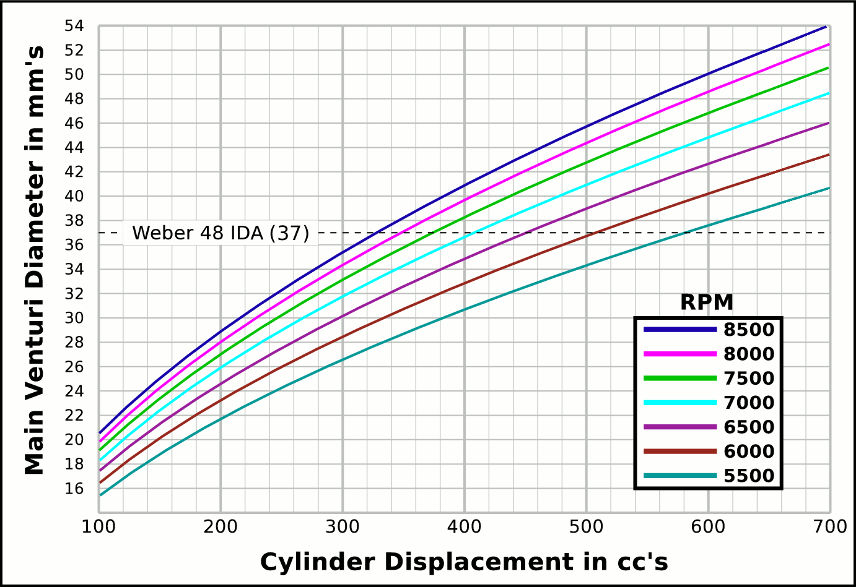
1100 |  | 48.7 | 26.5 |  | 0.243 | 6.2 | 606.8 | 1541.2
1200 |  | 53.2 | 28.9 |  | 0.265 | 6.7 | 509.9 | 1295.1 |  |  | CFM | CFM |  | Airflow Comparisons of
1300 |  | 57.6 | 31.3 |  | 0.287 | 7.3 | 434.4 | 1103.5 |  | Carb | @ 10 in/H₂O | @ 1.5 in/hg |  | Frequently Used VW Carburetors
1400 |  | 62.0 | 33.7 |  | 0.309 | 7.8 | 374.6 | 951.5 |  | 28 PIC 36hp | 47 | 67 | Stock 21.5 Vent, Choke
1500 |  | 66.4 | 36.1 |  | 0.331 | 8.4 | 326.3 | 828.8 |  | 28 PIC F-Vee | 58 | 83 | Mod F-Vee Type, Big Vent, No Choke, Blended Top
1600 |  | 70.9 | 38.5 |  | 0.353 | 9.0 | 286.8 | 728.5 |  | 28 PIC 40hp | 52 | 74 | Stock 22.5 Vent
1700 |  | 75.3 | 40.9 |  | 0.375 | 9.5 | 254.1 | 645.3 |  | 30 PICT, 1 or 2 | 64 | 91 | Stock 24 Vent
1800 |  | 79.7 | 43.3 |  | 0.397 | 10.1 | 226.6 | 575.6 |  | 32 PDSIT - 2 | 53 | 76 | Stock 21.5 Vent.
1900 |  | 84.2 | 45.7 |  | 0.419 | 10.6 | 203.4 | 516.6 |  | 32 PDSIT - 2 | 64 | 91 | Mod 24.5 Vent, Smooth Shaft, Choke Out
2000 |  | 88.6 | 48.1 |  | 0.441 | 11.2 | 183.6 | 466.2 |  | 34 PICT - 3 | 80 | 114 | Stock 27 Vent
2100 |  | 93.0 | 50.6 |  | 0.463 | 11.8 | 166.5 | 422.9 |  | 32 PBIC Okrasa | 58 | 83 | Stock 24 Vent
2200 |  | 97.5 | 53.0 |  | 0.485 | 12.3 | 151.7 | 385.3 |  | 32 PBIC Okrasa | 63 | 90 | Mod 26 Vent, Smooth Shaft
2300 |  | 101.9 | 55.4 |  | 0.507 | 12.9 | 138.8 | 352.5 |  | 34 ICT Weber | 82 | 117 | Stock 29 Vent
2400 |  | 106.3 | 57.8 |  | 0.529 | 13.4 | 127.5 | 323.8 |  | 32 NDIX Zenith | 137 | 196 | Stock 24 Vent, 1600N or VW Single
2500 |  | 110.7 | 60.2 |  | 0.551 | 14.0 | 117.5 | 298.4 |  | 32 NDIX Zenith | 150 | 214 | Stock 28 Vent, 1600S Porsche
2600 |  | 115.2 | 62.6 |  | 0.573 | 14.6 | 108.6 | 275.9 |  | 32 NDIX Zenith | 161 | 230 | Mod 31 Vent, Top Crossbar, Out & Blended
2700 |  | 119.6 | 65.0 |  | 0.595 | 15.1 | 100.7 | 255.8 |  | 40 Solex/Kadron EIS | 100 | 143 | Stock 28 Vent, Crosssbar, Top Style
2800 |  | 124.0 | 67.4 |  | 0.618 | 15.7 | 93.6 | 237.9 |  | Solex 36/40 PDSI | 111 | 159 | Stock 30 Vent, BMW 2002, Choke Out
2900 |  | 128.5 | 69.8 |  | 0.640 | 16.2 | 87.3 | 221.7 |  | Holley/Weber R6503 | 157 | 224 | Mod 26/27 Vent, Choke Out, Mod Inlet & Progressive
3000 |  | 132.9 | 72.2 |  | 0.662 | 16.8 | 81.6 | 207.2 |  | Weber DGEV 32/36 | 166 | 237 | Stock 26/27 Vent, Progressive
3100 |  | 137.3 | 74.6 |  | 0.684 | 17.4 | 76.4 | 194.1 |  | Weber 40 DCNF | 237 | 339 | Stock 32 Vent
3200 |  | 141.7 | 77.0 |  | 0.706 | 17.9 | 71.7 | 182.1 |  | Aisin 21100-35463 32/40 | 228 | 326 | 26/40 Vent, 1985+ 22R (Toyota Hilux/Truck)
3300 |  | 146.2 | 79.4 |  | 0.728 | 18.5 | 67.4 | 171.2 |  | Solex 40 P114 | 233 | 332 | Stock 32 Vent
3400 |  | 150.6 | 81.9 |  | 0.750 | 19.0 | 63.5 | 161.3 |  | Solex 40 P114 | 253 | 361 | Mod 37.5 Vent, Pro Super Vee
3500 |  | 155.0 | 84.3 |  | 0.772 | 19.6 | 59.9 | 152.2 |  | Rochester VaraLet 2SE | 262 | 374 | 2.5L L4 Iron Duke, 2.8L 60° V6
3600 |  | 159.5 | 86.7 |  | 0.794 | 20.2 | 56.7 | 143.9 |  | Weber 40 IDF | 202 | 289 | Stock 28 Vent, w/ Air Horn
3700 |  | 163.9 | 89.1 |  | 0.816 | 20.7 | 53.6 | 136.2 |  | Weber 40 IDF (39) | 251 | 358 | Stock 32 Vent, Tall Sec. Vent & Air Horn
3800 |  | 168.3 | 91.5 |  | 0.838 | 21.3 | 50.8 | 129.1 |  | Weber 40 IDF (39) | 266 | 380 | Mod 34 Vent, Tall Sec. Vent & Air Horn
3900 |  | 172.8 | 93.9 |  | 0.860 | 21.8 | 48.3 | 122.6 |  | Weber 40 IDF (39) | 278 | 397 | Mod 36 Vent, Tall Sec. Vent & Air Horn
4000 |  | 177.2 | 96.3 |  | 0.882 | 22.4 | 45.9 | 116.6 |  | Weber 48 IDA | 290 | 414 | Stock 37 Vent, Tall Sec. Vent & Air Horn
4100 |  | 181.6 | 98.7 |  | 0.904 | 23.0 | 43.7 | 110.9 |  | Weber 48 DCO 1/SP | 376 | 538 | Stock 42 Vent, w/ Air Horn
4200 |  | 186.0 | 101.1 |  | 0.926 | 23.5 | 41.6 | 105.7
4300 |  | 190.5 | 103.5 |  | 0.948 | 24.1 | 39.7 | 100.9
4400 |  | 194.9 | 105.9 |  | 0.970 | 24.6 | 37.9 | 96.3 |  |  |  |  | One Venturi per Cylinder Setup
4500 |  | 199.3 | 108.3 |  | 0.992 | 25.2 | 36.3 | 92.1
4600 |  | 203.8 | 110.7 |  | 1.014 | 25.8 | 34.7 | 88.1
4700 |  | 208.2 | 113.1 |  | 1.037 | 26.3 | 33.2 | 84.4
4800 |  | 212.6 | 115.6 |  | 1.059 | 26.9 | 31.9 | 80.9
4900 |  | 217.1 | 118.0 |  | 1.081 | 27.4 | 30.6 | 77.7
5000 |  | 221.5 | 120.4 |  | 1.103 | 28.0 | 29.4 | 74.6
5100 |  | 225.9 | 122.8 |  | 1.125 | 28.6 | 28.2 | 71.7
5200 |  | 230.3 | 125.2 |  | 1.147 | 29.1 | 27.2 | 69.0
5300 |  | 234.8 | 127.6 |  | 1.169 | 29.7 | 26.1 | 66.4
5400 |  | 239.2 | 130.0 |  | 1.191 | 30.2 | 25.2 | 64.0
5500 |  | 243.6 | 132.4 |  | 1.213 | 30.8 | 24.3 | 61.6
5600 |  | 248.1 | 134.8 |  | 1.235 | 31.4 | 23.4 | 59.5
5700 |  | 252.5 | 137.2 |  | 1.257 | 31.9 | 22.6 | 57.4
5800 |  | 256.9 | 139.6 |  | 1.279 | 32.5 | 21.8 | 55.4
5900 |  | 261.3 | 142.0 |  | 1.301 | 33.0 | 21.1 | 53.6
6000 |  | 265.8 | 144.4 |  | 1.323 | 33.6 | 20.4 | 51.8
6100 |  | 270.2 | 146.9 |  | 1.345 | 34.2 | 19.7 | 50.1
6200 |  | 274.6 | 149.3 |  | 1.367 | 34.7 | 19.1 | 48.5
6300 |  | 279.1 | 151.7 |  | 1.389 | 35.3 | 18.5 | 47.0
6400 |  | 283.5 | 154.1 |  | 1.411 | 35.9 | 17.9 | 45.5
6500 |  | 287.9 | 156.5 |  | 1.433 | 36.4 | 17.4 | 44.1
6600 |  | 292.4 | 158.9 |  | 1.456 | 37.0 | 16.9 | 42.8
6700 |  | 296.8 | 161.3 |  | 1.478 | 37.5 | 16.4 | 41.5
6800 |  | 301.2 | 163.7 |  | 1.500 | 38.1 | 15.9 | 40.3
6900 |  | 305.6 | 166.1 |  | 1.522 | 38.7 | 15.4 | 39.2
7000 |  | 310.1 | 168.5 |  | 1.544 | 39.2 | 15.0 | 38.1
7100 |  | 314.5 | 170.9 |  | 1.566 | 39.8 | 14.6 | 37.0
7200 |  | 318.9 | 173.3 |  | 1.588 | 40.3 | 14.2 | 36.0
7300 |  | 323.4 | 175.7 |  | 1.610 | 40.9 | 13.8 | 35.0
7400 |  | 327.8 | 178.1 |  | 1.632 | 41.5 | 13.4 | 34.1
7500 |  | 332.2 | 180.6 |  | 1.654 | 42.0 | 13.1 | 33.2
7600 |  | 336.7 | 183.0 |  | 1.676 | 42.6 | 12.7 | 32.3
7700 |  | 341.1 | 185.4 |  | 1.698 | 43.1 | 12.4 | 31.5
7800 |  | 345.5 | 187.8 |  | 1.720 | 43.7 | 12.1 | 30.7
7900 |  | 349.9 | 190.2 |  | 1.742 | 44.3 | 11.8 | 29.9
8000 |  | 354.4 | 192.6 |  | 1.764 | 44.8 | 11.5 | 29.1

Intake Horn & Runner
 | Change Only Blue Numbers |  |  |  |  |  |  |  | Throat Dia. | 38.7
 |  |  |  |  |  |  |  |  | From | 35.6
 | Linear Accelerated Horn |  |  |  |  |  | Volume |  | Suggested | 34.2
Runner Length | 16 | in. | 1.7777777778 | X |  | Runner | 19.964861243 |  | Valve Spec. | 32.0
Horn Length | 6.5 | in. | 4.90 | ~ Eff. Lngth |  | Horn | 8.219 | Correct Horn Volume Requires the Proper Summation Range be Set, Located @ Cells i63 & i64.
Throat/Port Dia. | 32.0 | mm 1.26" 1.67" | 42.5 | mm Horn Dia. |  | Total | 28.18
0 | 0.66929133858 | -0.66929133858
0.125 | 0.67282923423 | -0.67282923423
0.25 | 0.67638583132 | -0.67638583132
0.375 | 0.67996122869 | -0.67996122869
0.5 | 0.68355552572 | -0.68355552572
0.625 | 0.68716882233 | -0.68716882233
0.75 | 0.69080121894 | -0.69080121894
0.875 | 0.69445281651 | -0.69445281651
1 | 0.69812371655 | -0.69812371655
1.125 | 0.70181402108 | -0.70181402108
1.25 | 0.70552383268 | -0.70552383268
1.375 | 0.70925325447 | -0.70925325447
1.5 | 0.7130023901 | -0.7130023901
1.625 | 0.71677134378 | -0.71677134378
1.75 | 0.72056022028 | -0.72056022028
1.875 | 0.72436912489 | -0.72436912489
2 | 0.7281981635 | -0.7281981635
2.125 | 0.73204744254 | -0.73204744254
2.25 | 0.73591706898 | -0.73591706898
2.375 | 0.7398071504 | -0.7398071504
2.5 | 0.74371779491 | -0.74371779491
2.625 | 0.74764911122 | -0.74764911122
2.75 | 0.75160120859 | -0.75160120859
2.875 | 0.75557419687 | -0.75557419687
3 | 0.7595681865 | -0.7595681865
3.125 | 0.76358328849 | -0.76358328849
3.25 | 0.76761961444 | -0.76761961444
3.375 | 0.77167727653 | -0.77167727653
3.5 | 0.77575638756 | -0.77575638756
3.625 | 0.7798570609 | -0.7798570609
3.75 | 0.78397941054 | -0.78397941054
3.875 | 0.78812355104 | -0.78812355104
4 | 0.79228959761 | -0.79228959761
4.125 | 0.79647766604 | -0.79647766604
4.25 | 0.80068787273 | -0.80068787273
4.375 | 0.8049203347 | -0.8049203347
4.5 | 0.80917516961 | -0.80917516961
4.625 | 0.81345249572 | -0.81345249572
4.75 | 0.81775243191 | -0.81775243191
4.875 | 0.8220750977 | -0.8220750977
5 | 0.82642061324 | -0.82642061324
5.125 | 0.83078909931 | -0.83078909931
5.25 | 0.83518067735 | -0.83518067735
5.375 | 0.83959546941 | -0.83959546941
5.5 | 0.8440335982 | -0.8440335982
5.625 | 0.84849518709 | -0.84849518709
5.75 | 0.85298036007 | -0.85298036007
5.875 | 0.85748924183 | -0.85748924183
6 | 0.86202195768 | -0.86202195768
6.125 | 0.86657863362 | -0.86657863362
...
Port Speed | 320 | fps | 1.810 | Deg. |  |  | in³
Horn Speed | 182 | fps | ( ≤2° ) |  |  |  | 92.5 | %
 | 52 |  |  |  |  |  | Cyl. Vol. |  | 0.93567520309
 | 1.0109 |  |  | 1.0054 | Dia.
Scaling | Step | fps | Taper | mm | in. | +in. | -in.
0.156 | 0.000 | 320 |  | 32.0 | 1.260 | 0.630 | -0.630
0.158 | 0.125 | 316.5 | 1.57° | 32.2 | 1.267 | 0.634 | -0.634
0.159 | 0.250 | 313.1 | 1.58° | 32.4 | 1.274 | 0.637 | -0.637
0.161 | 0.375 | 309.7 | 1.59° | 32.5 | 1.281 | 0.641 | -0.641
0.163 | 0.500 | 306.4 | 1.6° | 32.7 | 1.288 | 0.644 | -0.644
0.165 | 0.625 | 303.1 | 1.61° | 32.9 | 1.295 | 0.648 | -0.648
0.166 | 0.750 | 299.8 | 1.61° | 33.1 | 1.302 | 0.651 | -0.651
0.168 | 0.875 | 296.6 | 1.62° | 33.3 | 1.309 | 0.655 | -0.655 |  | -0.93567520309
0.170 | 1.000 | 293.4 | 1.63° | 33.4 | 1.316 | 0.658 | -0.658
0.172 | 1.125 | 290.2 | 1.64° | 33.6 | 1.324 | 0.662 | -0.662
0.174 | 1.250 | 287.1 | 1.65° | 33.8 | 1.331 | 0.665 | -0.665
0.176 | 1.375 | 284.0 | 1.66° | 34.0 | 1.338 | 0.669 | -0.669
0.178 | 1.500 | 280.9 | 1.67° | 34.2 | 1.345 | 0.673 | -0.673 |  |  | Length " | Dia. "
0.180 | 1.625 | 277.9 | 1.68° | 34.4 | 1.353 | 0.676 | -0.676 |  |  | 0 | 1.260
0.182 | 1.750 | 274.9 | 1.69° | 34.5 | 1.360 | 0.680 | -0.680 |  |  | 0.5 | 1.288
0.184 | 1.875 | 271.9 | 1.7° | 34.7 | 1.367 | 0.684 | -0.684 |  |  | 1 | 1.316
0.186 | 2.000 | 269.0 | 1.7° | 34.9 | 1.375 | 0.687 | -0.687 |  |  | 1.5 | 1.345
0.188 | 2.125 | 266.1 | 1.71° | 35.1 | 1.382 | 0.691 | -0.691 |  |  | 2 | 1.375
0.190 | 2.250 | 263.2 | 1.72° | 35.3 | 1.390 | 0.695 | -0.695 |  |  | 2.5 | 1.405
0.192 | 2.375 | 260.4 | 1.73° | 35.5 | 1.397 | 0.699 | -0.699 |  |  | 3 | 1.436
0.194 | 2.500 | 257.6 | 1.74° | 35.7 | 1.405 | 0.702 | -0.702 |  |  | 3.5 | 1.467
0.196 | 2.625 | 254.8 | 1.75° | 35.9 | 1.413 | 0.706 | -0.706 |  |  | 4 | 1.499
0.198 | 2.750 | 252.0 | 1.76° | 36.1 | 1.420 | 0.710 | -0.710 |  |  | 4.5 | 1.532
0.200 | 2.875 | 249.3 | 1.77° | 36.3 | 1.428 | 0.714 | -0.714 |  |  | 5 | 1.566
0.202 | 3.000 | 246.6 | 1.78° | 36.5 | 1.436 | 0.718 | -0.718 |  |  | 5.5 | 1.600
0.205 | 3.125 | 244.0 | 1.79° | 36.7 | 1.444 | 0.722 | -0.722 |  |  | 6 | 1.635
0.207 | 3.250 | 241.3 | 1.8° | 36.9 | 1.451 | 0.726 | -0.726 |  |  | 6.5 | 1.671
0.209 | 3.375 | 238.7 | 1.81° | 37.1 | 1.459 | 0.730 | -0.730 |  |  | 7 | 1.708
0.211 | 3.500 | 236.1 | 1.82° | 37.3 | 1.467 | 0.734 | -0.734 |  |  | 7.5 | 1.745
0.214 | 3.625 | 233.6 | 1.83° | 37.5 | 1.475 | 0.738 | -0.738 |  |  | 8 | 1.784
0.216 | 3.750 | 231.1 | 1.84° | 37.7 | 1.483 | 0.742 | -0.742 |  |  | 8.5 | 1.823
0.218 | 3.875 | 228.6 | 1.85° | 37.9 | 1.491 | 0.746 | -0.746 |  |  | 9 | 1.863
0.221 | 4.000 | 226.1 | 1.86° | 38.1 | 1.499 | 0.750 | -0.750 |  |  | 9.5 | 1.904
0.223 | 4.125 | 223.7 | 1.87° | 38.3 | 1.508 | 0.754 | -0.754 |  |  | 10 | 1.946
0.226 | 4.250 | 221.3 | 1.88° | 38.5 | 1.516 | 0.758 | -0.758
0.228 | 4.375 | 218.9 | 1.89° | 38.7 | 1.524 | 0.762 | -0.762
0.231 | 4.500 | 216.5 | 1.9° | 38.9 | 1.532 | 0.766 | -0.766
0.233 | 4.625 | 214.2 | 1.91° | 39.1 | 1.541 | 0.770 | -0.770
0.236 | 4.750 | 211.9 | 1.92° | 39.3 | 1.549 | 0.775 | -0.775
0.238 | 4.875 | 209.6 | 1.93° | 39.6 | 1.558 | 0.779 | -0.779
0.241 | 5.000 | 207.3 | 1.94° | 39.8 | 1.566 | 0.783 | -0.783
0.243 | 5.125 | 205.1 | 1.95° | 40.0 | 1.575 | 0.787 | -0.787
0.246 | 5.250 | 202.9 | 1.96° | 40.2 | 1.583 | 0.792 | -0.792
0.249 | 5.375 | 200.7 | 1.97° | 40.4 | 1.592 | 0.796 | -0.796
0.251 | 5.500 | 198.5 | 1.98° | 40.6 | 1.600 | 0.800 | -0.800
0.254 | 5.625 | 196.4 | 1.99° | 40.9 | 1.609 | 0.805 | -0.805
0.257 | 5.750 | 194.2 | 2.01° | 41.1 | 1.618 | 0.809 | -0.809
0.260 | 5.875 | 192.1 | 2.02° | 41.3 | 1.627 | 0.813 | -0.813
0.263 | 6.000 | 190.1 | 2.03° | 41.5 | 1.635 | 0.818 | -0.818
0.265 | 6.125 | 188.0 | 2.04° | 41.8 | 1.644 | 0.822 | -0.822
0.268 | 6.250 | 186.0 | 2.05° | 42.0 | 1.653 | 0.827 | -0.827
0.271 | 6.375 | 184.0 | 2.06° | 42.2 | 1.662 | 0.831 | -0.831 | 10.839
...

Tires, Trans, RPM, MPH
...
 |  |  |  |  |  |  |  |  |  |  | VW Beetle Tire Sizes
-6.8 | 7.4 | 12.7 | 18.8 | 25.1 | 30.7 | 25.5 | In. Tire Diameter |  |  | Front | 185/75R14, 24.9x7.3
-7.4 | 8.1 | 13.8 | 20.5 | 27.4 | 33.5 | 6.7 | Ft. Circumference |  |  | Rear | 215/65R14, 25x8.5
-8.1 | 8.8 | 15.0 | 22.3 | 29.7 | 36.2 |  | 5-Seed Manual
-8.7 | 9.5 | 16.1 | 24.0 | 32.0 | 39.0 | Diff | 4.000 | ∆ |  |  | 15x6 Rims | A
-9.3 | 10.2 | 17.3 | 25.7 | 34.3 | 41.8 | 5 | 0.850 | 1.220 | 1.220 | Front | 185/70R15, 25.2x7.3
-9.9 | 10.8 | 18.4 | 27.4 | 36.6 | 44.6 | 4 | 1.037 | 1.335 | 1.629 | Rear | 215/60R15, 25.2x8.5
-10.6 | 11.5 | 19.6 | 29.1 | 38.9 | 47.4 | 3 | 1.385 | 1.485 | 2.418
-11.2 | 12.2 | 20.8 | 30.8 | 41.1 | 50.2 | 2 | 2.056 | 1.703 | 4.118 |  | 16x6 Rims
-11.8 | 12.9 | 21.9 | 32.5 | 43.4 | 53.0 | 1 | 3.500 |  | Total∆ | Front | 185/65R16, 25.5x7.3
-12.4 | 13.5 | 23.1 | 34.2 | 45.7 | 55.8 | Rev | -3.818 | Final | 3.400 | Rear | 215/55R16, 25.3x8.5
5 | 0.85
4 | 1
3 | 1.3
2 | 2
1 | 3.5
-13.0 | 14.2 | 24.2 | 35.9 | 48.0 | 58.6
-13.7 | 14.9 | 25.4 | 37.7 | 50.3 | 61.3
-14.3 | 15.6 | 26.5 | 39.4 | 52.6 | 64.1
-14.9 | 16.3 | 27.7 | 41.1 | 54.8 | 66.9
-15.5 | 16.9 | 28.8 | 42.8 | 57.1 | 69.7
-16.1 | 17.6 | 30.0 | 44.5 | 59.4 | 72.5
-16.8 | 18.3 | 31.1 | 46.2 | 61.7 | 75.3
-17.4 | 19.0 | 32.3 | 47.9 | 64.0 | 78.1
-18.0 | 19.6 | 33.4 | 49.6 | 66.3 | 80.9
-18.6 | 20.3 | 34.6 | 51.3 | 68.6 | 83.6
-19.2 | 21.0 | 35.7 | 53.1 | 70.8 | 86.4
-19.9 | 21.7 | 36.9 | 54.8 | 73.1 | 89.2
-20.5 | 22.3 | 38.0 | 56.5 | 75.4 | 92.0
-21.1 | 23.0 | 39.2 | 58.2 | 77.7 | 94.8
-21.7 | 23.7 | 40.4 | 59.9 | 80.0 | 97.6
-22.3 | 24.4 | 41.5 | 61.6 | 82.3 | 100.4
-23.0 | 25.1 | 42.7 | 63.3 | 84.6 | 103.2
-23.6 | 25.7 | 43.8 | 65.0 | 86.8 | 106.0
-24.2 | 26.4 | 45.0 | 66.8 | 89.1 | 108.7
-24.8 | 27.1 | 46.1 | 68.5 | 91.4 | 111.5
-25.4 | 27.8 | 47.3 | 70.2 | 93.7 | 114.3
-26.1 | 28.4 | 48.4 | 71.9 | 96.0 | 117.1
-26.7 | 29.1 | 49.6 | 73.6 | 98.3 | 119.9
-27.3 | 29.8 | 50.7 | 75.3 | 100.6 | 122.7
-27.9 | 30.5 | 51.9 | 77.0 | 102.8 | 125.5
-28.6 | 31.1 | 53.0 | 78.7 | 105.1 | 128.3
-29.2 | 31.8 | 54.2 | 80.4 | 107.4 | 131.0
-29.8 | 32.5 | 55.3 | 82.2 | 109.7 | 133.8
-30.4 | 33.2 | 56.5 | 83.9 | 112.0 | 136.6
-31.0 | 33.9 | 57.6 | 85.6 | 114.3 | 139.4
-31.7 | 34.5 | 58.8 | 87.3 | 116.6 | 142.2
-32.3 | 35.2 | 60.0 | 89.0 | 118.8 | 145.0
MPH | MPH | MPH | MPH | MPH | MPH | WheelRPM
-6.7 | 7.3 | 12.4 | 18.4 | 24.6 | 30.0 | 396
-7.8 | 8.5 | 14.5 | 21.5 | 28.7 | 35.0 | 462
-8.9 | 9.7 | 16.5 | 24.6 | 32.8 | 40.0 | 527
-10.0 | 10.9 | 18.6 | 27.6 | 36.9 | 45.0 | 593
-11.1 | 12.1 | 20.7 | 30.7 | 41.0 | 50.0 | 659
-12.2 | 13.4 | 22.7 | 33.8 | 45.1 | 55.0 | 725
-13.4 | 14.6 | 24.8 | 36.8 | 49.2 | 60.0 | 791
-14.5 | 15.8 | 26.9 | 39.9 | 53.3 | 65.0 | 857
-15.6 | 17.0 | 28.9 | 43.0 | 57.4 | 70.0 | 923
...

