Displacement & Cam Protractor
 | VW Air Cooled Boxster |  |  | Displacement Calculator, Table, Protractor, Valve Timings & Sizing
 | AS21 Magnesuim Case
Displacement Calculator |  |  |  |  |  | Magnesuim | Aluminum | Case
Squareness | 1.189 | 1.054 | Change Only Blue Numbers |  |  | S↓ x B→ | 77 | 83 | 85.5 | 86 | 87 | 88 | 90 | 90.5 | 92 | 94 | 96.5 | 101.6
 | 3.465" |  |  |  |  | 64 | 1192 | 1385 | 1470 | 1487 | 1522 | 1557 | 1629 | 1647 | 1702 | 1777 | 1782 | 2075
Bore (mm) | 88.00 | 450.1 | cc |  |  | 69 | 1285 | 1493 | 1585 | 1603 | 1641 | 1679 | 1756 | 1775 | 1835 | 1915 | 2019 | 2237
Stroke (mm) | 74.00 | 27.47 | in³ |  |  | 74 | 1378 | 1602 | 1700 | 1719 | 1760 | 1800 | 1883 | 1904 | 1968 | 2054 | 2165 | 2399
 | 2.913" |  |  |  |  | 76 | 1416 | 1645 | 1745 | 1766 | 1807 | 1849 | 1934 | 1956 | 2021 | 2110 | 2223 | 2465
 | 5.244" ≥ Length ≥ 4.661" |  |  | In | mm | 78 | 1453 | 1688 | 1791 | 1812 | 1855 | 1898 | 1985 | 2007 | 2074 | 2165 | 2282 | 2529
Rod Length (In) | 5.158 | 1.770 | :1 | 4 | 142 | 80 | 1490 | 1731 | 1837 | 1859 | 1902 | 1946 | 2036 | 2058 | 2127 | 2221 | 2340 | 2594
 | 131.0 | mm |  | mm | In | 82 | 1527 | 1775 | 1883 | 1905 | 1950 | 1995 | 2087 | 2110 | 2180 | 2276 | 2399 | 2659
Cylinders | 4 |  | Other | 101.6 | 5.591 | 84 | 1565 | 1818 | 1929 | 1952 | 1997 | 2044 | 2138 | 2161 | 2234 | 2332 | 2457 | 2724
Displacement | 109.9 | in³ | Configurations |  |  | 86 | 1602 | 1861 | 1975 | 1998 | 2045 | 2092 | 2188 | 2213 | 2287 | 2387 | 2516 | 2789
Total | 1800.3 | cc | 88×82 |  |  | 88 | 1639 | 1905 | 2021 | 2045 | 2093 | 2141 | 2239 | 2264 | 2340 | 2443 | 2574 | 2854
 | 1.8 | L | 86×86 |  |  | 90 | 1676 | 1948 | 2067 | 2091 | 2140 | 2190 | 2290 | 2316 | 2393 | 2498 | 2633 | 2919
 |  |  | 92×86 |  |  | Studs | 10mm | 10mm | 10mm | 10mm | 10mm | 9mm | 8mm | 8mm | 8mm | 8mm | 8mm | 8mm
HP/Cyl. | 35.00 |  | 5 Cylinder
HP | 140.0 |  | Small Block Chevy |  |  |  |  |  |  |  |  | Links: | VW Boxster |  |  |  |  |  |  |  |  | A
HP/in³ | 1.27 |  |  |  |  |  |  |  |  |  |  |  | David Vizard
CR (8-18) vs. Tq/Cube (Max) | 1.31 | 143.9 | ft/lbs Max.Torque |  |  |  |  |  |  |  |  |  | How to Build Horsepower |  |  | 📓
Compression Ratio | 9.6666666667 | :1 | With higher compression ceramic coated insulated combustion chambers are highly recomended. |  |  |  |  |  |  |  |  |  | How to Port & Flow Cylinder Heads |  |  |  | 📓
Crown to Wall Vol. | 1.26 | cc |  |  |  |  |  |  |  |  |  |  | IOP Flow program
Deck Height | 0.04 | " |  |  |  |  |  |  |  |  |  |  | Engine Math |  | 📓
Deck Ht Vol. | 6.18 | cc |  | Dynamic Calculations |  | ©2025 - J.S. Gilstrap - All Rights Reserved. |  |  |  |  |  |  | PipeMax
Chamber Vol. | 51.93 | cc |  | 34.5 |  | Creative Commons |  | (CC BY-SA 4.0) |  |  |  |  | Bain Racing |  | YouTube
Head Vol. | 44.49 | cc |  | 13.5 |  | Hardware Licenses: |  | TAPR-OHL |  | CERN-OHL-S |  |  | Turbo power without Turbo through resonance.
Dynamic Stroke | 55.09 | mm |  | 126.4 |  |  |  |  |  |  |  |  | Brian Salter |  | Salter Racing Engines
Dynamic Compression | 7.45 | :1 | × VE Factor: 9.29:1 | 112.9 |  |  |  |  |  |  |  |  | Ben Almeda |  | Alemeda Racing
(Intake Valve Close @ ~.020") | For Dynamic Stroke & Compression enter camshaft timing data, B39 to B42, and update valve events in camshaft protractor, C46 to C55. |  |  |  |  |  |  |  |  |  |  |  | MotoIQ | YouTube
Cranking Pressure | 148.9 | PSI
× VE Factor (Max) | 185.7 | PSI
Calculated Valve Diameter | In / Ex |  | LSA/LCA |  | Camshaft Protractor
Competition | 44.9 / 35.2 | mm | ~ 112.3 °
Production | 43.1 / 34.5 | mm | ~ 110.5 °
Cam Lift | 0.377 | " |  | Manual Input
Rocker Ratio 1: | 1.250 | 26.7% Lift Of Intake Valve Dia. |  | 26.6 | %
Valve Lift | 0.471 | " 29.8% Lift Of Intake Valve Dia. |  | 32.5 | % |  | TDC
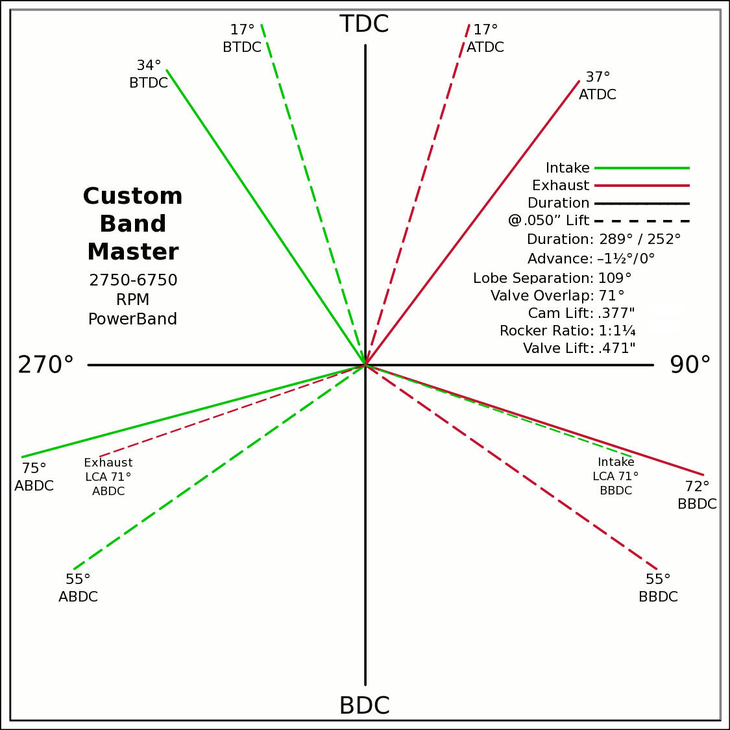
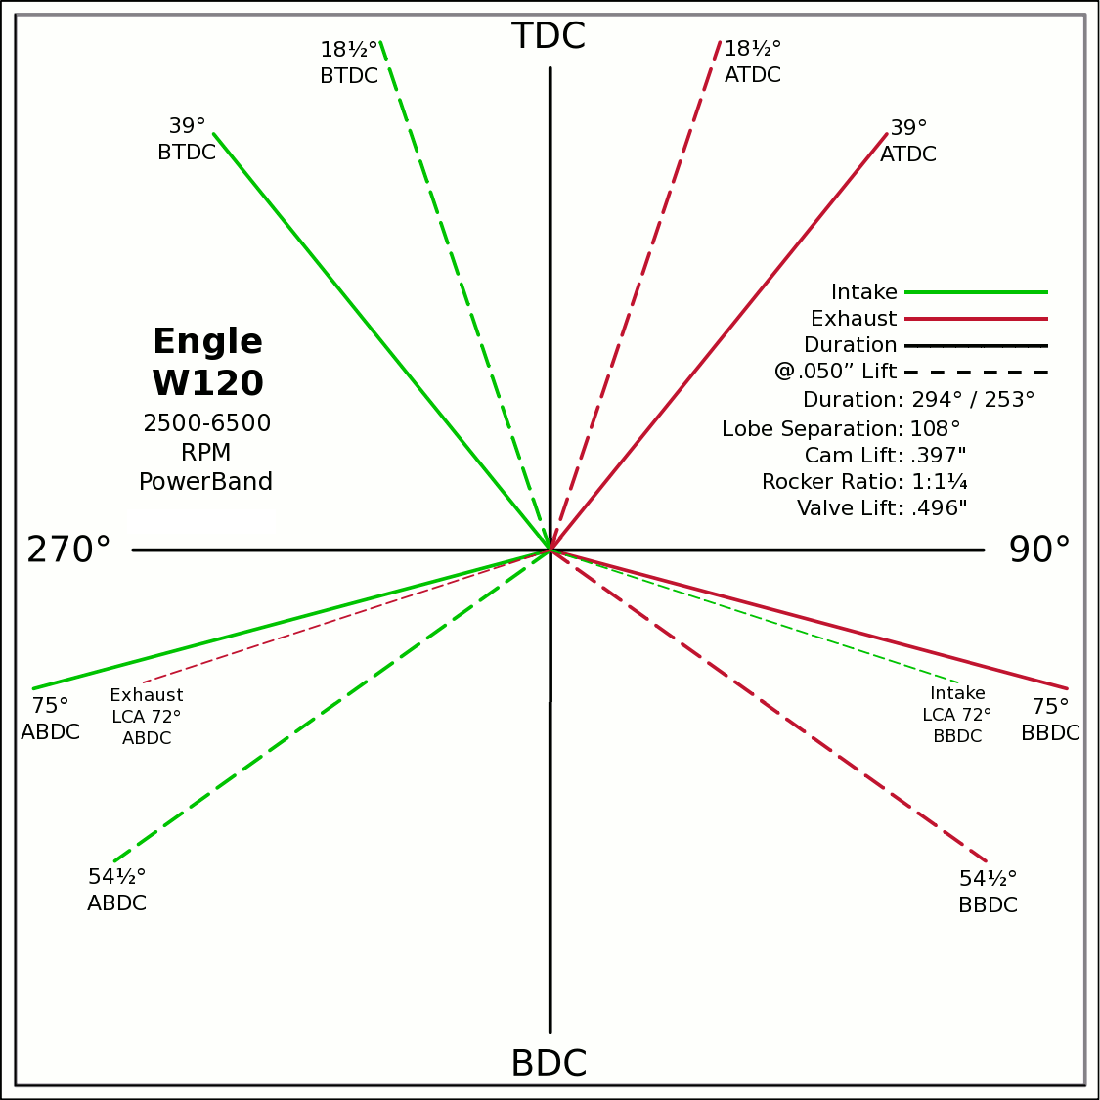
Advance | 0 | ° | -1.5 / 0 |  | 0 | 0
Lobes: Separation ∠ | 109 | ° | 289 / 252 |  | -0.5592 | 0.8290
Duration ───── | 289 | ° | Custom |  | 0 | 0
Dur. @ .050" ─ ─ ─ | 252 | ° | Engle W120 |  | 0.6018 | 0.7986
Intake | ───── | 68.6 | DCR Angle |  | 0 | 0
Exaust | ───── | 1.198 | Radians |  | -0.9659 | -0.2588
 | ☞ | Valve Events |  |  | 0 | 0 | X & Y Axes
Intake Open | 35.5 | 34 | ° BTDC |  | 0.9511 | -0.3090 | 0 | 1
Exaust Close | 35.5 | 37 | ° ATDC |  | 35.5 |  | 0 | -1
Intake Close | 73.5 | 75 | ° ABDC |  | 18.5 |  | -1 | 0
Exaust Open | 73.5 | 72 | ° BBDC |  | 0 | 0 | 1 | 0
 | ☞ |  |  |  | -0.2924 | 0.9563
Dur. @ .050" | ☞ |  |  | 270° | 0 | 0 |  |  |  |  | 90°
Intake Open | 17 | 17 | ° BTDC |  | 0.2924 | 0.9563
Exaust Close | 17 | 17 | ° ATDC |  | 0 | 0
Intake Close | 55 | 55 | ° ABDC |  | -0.8192 | -0.5736
Exaust Open | 55 | 55 | ° BBDC |  | 0 | 0
 | ☞ | ⇓ |  |  | 0.8192 | -0.5736
 | Final Lobe Separation ∠ | 109 | ° |  | 125
 | Valve Overlap | 71 | ° |  | 343 | 251
 |  |  |  |  | 377 | 469
 |  |  |  |  | 595
 | Suggested Valve Specifications
 | & Cam LSA/LCA
Competition |  | 91.0% | Throat ÷ Valve Dia.
Valve Stem Dia. | 8 | mm | Manual Input
Intake Valve Dia. | 44.9 | mm | 45.0 |  |  |  | BDC
Intake Throat Dia. | 40.8 | mm | 41.0 |  |  |  |  |  |  |  |  |  |  |  |  |  |  |  |  | Piston Speed in FPM
Adjusted Throat Dia. | 40.0 | mm | 40.2 |  |  |  |  |  |  |  |  |  |  |  |  |  |  |  | 250 | Inc.
Bore Space | 7.9 | mm | 7.0 |  |  |  |  |  |  |  |  |  |  |  |  |  |  |  | RPM | Mean | Max
Exhaust Valve Dia. | 35.2 | mm | 36.0 |  |  |  |  |  |  |  |  |  |  |  |  |  |  |  | 2000 | 971 | 1525
Exhaust Throat Dia. | 32.0 | mm | 32.8 |  |  |  |  |  |  |  |  |  |  |  |  |  |  |  | 2250 | 1093 | 1716
Adjusted Throat Dia. | 31.0 | mm | 31.8 |  |  |  |  |  |  |  |  |  |  |  |  |  |  |  | 2500 | 1214 | 1907
Exhaust ÷ Intake Throat Area | 60.0% | % | 62.6% |  |  |  |  |  |  |  |  |  |  |  |  |  |  |  | 2750 | 1335 | 2097
 | Calculated |  | Defined |  |  |  |  |  |  |  |  |  |  |  |  |  |  |  | 3000 | 1457 | 2288
Chamber cc ÷ Intake Throat Dia." | 16.1 | 12.695 | 16.1 |  |  |  |  |  |  |  |  |  |  |  |  |  |  |  | 3250 | 1578 | 2479
Lobe Centerline Angle | ~ 112.3 ° | ~ | 112.3 ° |  |  |  |  |  |  |  |  |  |  |  |  |  |  |  | 3500 | 1699 | 2670
K | 99 | Modified Equation (Nom.100) ☟ |  |  |  |  |  |  |  |  |  |  |  |  |  |  |  |  | 3750 | 1821 | 2860
 |  | Experiment with Different Values |  |  |  |  |  |  |  |  |  |  |  |  |  |  |  |  | 4000 | 1942 | 3051
 |  |  |  |  |  |  |  |  |  |  |  |  |  |  |  |  |  |  | 4250 | 2064 | 3242
Production |  |  | 044 Panchito Heads |  |  |  |  |  |  |  |  |  |  |  |  |  |  |  | 4500 | 2185 | 3432
Valve Stem Dia. | 8 | mm | Manual Input |  |  |  |  |  |  |  |  |  |  |  |  |  |  |  | 4750 | 2306 | 3623
Intake Valve Dia. | 43.1 | mm | 40.0 |  |  |  |  |  |  |  |  |  |  |  |  |  |  |  | 5000 | 2428 | 3814
Intake Throat Dia. | 36.6 | mm | 33.5 |  |  |  |  |  |  |  |  |  |  |  |  |  |  |  | 5250 | 2549 | 4004
Adjusted Throat Dia. | 35.7 | mm | 32.5 |  |  |  |  |  |  |  |  |  |  |  |  |  |  |  | 5500 | 2671 | 4195
Bore Space | 10.4 | mm | 12.5 |  |  |  |  |  |  |  |  |  |  |  |  |  |  |  | 5750 | 2792 | 4386
Exhaust Valve Dia. | 34.5 | mm | 35.5 |  |  | (Intake Throat Dia.In) |  | Graph Data From: |  | Graph | Test |  |  |  |  |  |  |  | 6000 | 2913 | 4576
Exhaust Throat Dia. | 28.0 | mm | 28.5 | K +1.164 × (28.196-Cham.cc÷ITD) |  |  |  | How to Build Horespower |  | Try Me | 28.1957 |  |  |  |  |  |  |  | 6250 | 3035 | 4767
Adjusted Throat Dia. | 26.8 | mm | 27.4 | Modified Equation & Konstants |  |  |  |  |  | 100 | Konstant |  |  |  |  |  |  |  | 6500 | 3156 | 4958
Exhaust ÷ Intake Throat Area | 56.5% | % | 70.7% | 99.0 | ? VW Air Cooled |  |  |  |  | 28.20 | Cyl. / Valve |  |  |  |  |  |  |  | 6750 | 3278 | 5148
 | Calculated |  | Defined | 99.0 | Small Block Ford |  | 127 |  |  | 10 | CR |  |  |  |  |  |  |  | 7000 | 3399 | 5339
Chamber cc ÷ Intake Throat Dia." | 18.0 | 12.695 | 19.7 | 100.0 | Small Block Chevy |  | 128 |  |  | 100 ° | LSA/LCA |  |  |  |  |  |  |  | 7250 | 3520 | 5530
Lobe Centerline Angle | ~ 110.5 ° | ~ | 109 ° | 104.0 | Big Block Chevy |  | 132 | LSA=LCA when the cam is timed straight up, no advance/retard. |  |  |  |  |  |  |  |  |  |  | 7500 | 3642 | 5720
K | 99 | Modified Equation (Nom.100) ☞ |  | 105.0 | Big Block Ford |  | 133 |  |  |  |  |  |  |  |  |  |  |  | 7750 | 3763 | 5911
 |  | Experiment with Different Values |  |  |  | Vizard's Original Equation & Konstants |  |  |  |  |  |  |  |  |  |  |  |  | 8000 | 3885 | 6102
 |  |  |  |  |  | K - (Cyl.CID ÷ ValveDia. × 0.91) |  |  |  |  |  |  |  |  |  |  |  |  | 8250 | 4006 | 6292
The Konstant will vary according chamber shape, valve canting, crossflow ability, valve shrouding & other factors. |  |  |  |  |  |  | 3.00 |  |  |  |  |  |  |  |  |  |  |  | 8500 | 4127 | 6483
 |  | Finding the right value for the head design is important. |  |  |  |  | CR Comp |  |  |  |  |  |  |  |  |  |  |  | 8750 | 4249 | 6674
LCA Formula |  |  |  |  | Graph curve tweaking parameters. Do NOT change unless necessary. ☞ | 4.320 | 3.63 |  |  |  |  |  |  |  |  |  |  |  | 9000 | 4370 | 6865
Let CDTD = Chamber cc ÷ Intake Throat Dia. |  | 20 to 14 Compensation |  | 14 to 10 Compensation |  | 20 to 14 | 14 to 10 |  |  |  |  |  |  |  |  |  |  |  | 9250 | 4491 | 7055
K +1.1642×(28.1957─CDTD) ─IF[CDTD<20,(20─CDTD)÷4.32,0] ─IF[CDTD<14,(14─CDTD)÷3.63,0] +(10-CR)/3 |  |  |  |  |  |  |  |  |  |  |  |  |  |  |  |  |  |  | 9500 | 4613 | 7246
This equation has been tuned to follow the graph exactly within ±⅛° (above right). |  |  |  | 12.695=0.91×25.4×Cyl.CID÷Chamber.cc @ 10:1 CR |  |  |  |  |  |  |  |  |  |  |  |  |  |  | Valves | Rings | Rings

Airflow & Carburation
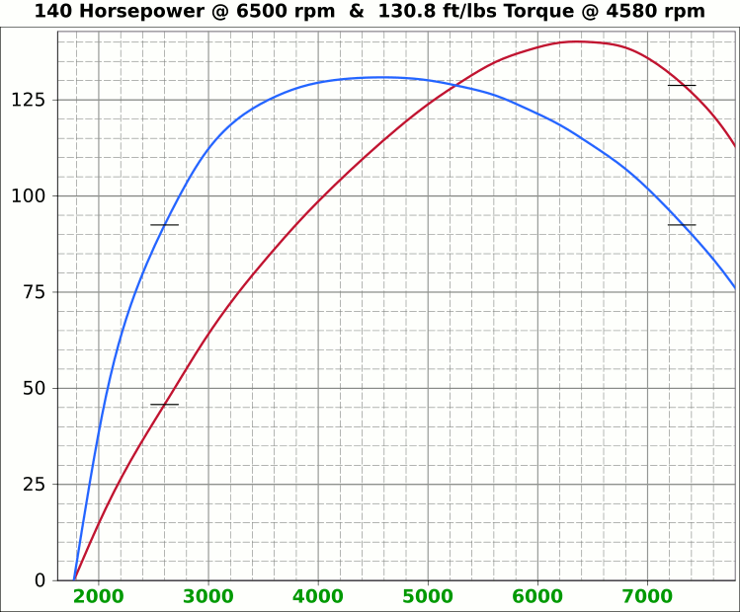
 | Airflow & Carburation |  |  |  |  | 3.465 | in.
 |  |  |  |  | Bore (mm) | 88 | 450.1 | cc
 | Change Only Blue Numbers |  |  |  | Stroke (mm) | 74 | 27.47 | in³
 |  |  |  |  |  | 2.913 | in.

 | 14.696 PSI At Sea Level |  |  |  | Cylinders | 4
14.696 | Atmospheric Pressure @ Altitude |  |  |  | Disp. | 109.9 | in³
3.00 | in/hg Carb. Calibration Value
0.74 | in/hg Maximum Carb. Pressure Drop
0.3610 | ∆PSI @ 0.735''/hg Pressure Drop |  |  |  |  | MCA Factors |  |  | Port MCA Dia" = RPM × Bore² × Stroke / 176000
92.0% | Wet Flow Compensation |  |  |  |  | 173881 | Brian Salter |  | Total Port Vol. / Cyl.Vol. = 92% to 95%
289 | Allocate CFM (Within Carburetor Limits) |  |  |  |  | 175831 | Avg. ↑ ↓
258 | Effective Available CFM (Drop/Cal., Wet Flow & Altitude Adj.) |  |  |  |  | 177780 | Flat Tappet | David Vizard
89.0% | Allocated CFM Usage |  |  |  |  | 195558 | Pro-Stock | Via
1.84 | CFM / BHP |  |  |  |  | 184136 | Race Roller | Bain Racing
140.0 | Peak BHP |  |  |  |  | Minimal Crossectional Area
124.7% | Volumetric Effeciency @ Peak |  |  |  |  | MCA Factor | 176000
3.62 | PSI Boost above 100% V.E. |  |  |  |  | Cyl.Vol. | 92.0% |  |  | 10.000 | in/H₂O | <─┐
6500 | @ Peak RPM |  |  |  |  | Ttl Port Vol. | 25.3 | in³ |  | 0.735 | in/hg | |
↑ ↑ ↑ |  |  |  |  |  |  |  |  |  | 0.361 | psi | 2.0205
7936 | RPM | 314.5 | 170.9 | Competition | 1.577 | 40.0 | 12.9 | 32.9 | MCA Redux | 40.826 | in/H₂O | <─┘
7520 | RPM | 298.0 | 162.0 | Competition | 1.494 | 38.0 | 14.4 | 36.6 | 0.95 | 3.000 | in/hg |  |  |  | 0
↑ ↑ ↑ |  |  |  |  |  | Port Dia.mm |  |  |  | 1.473 | psi
7074 | RPM | 280.3 | 152.3 | Production | 1.405 | 35.7 | 16.3 | 41.4 | MCA Redux | 14.696 | Air Pressure (PSI)
6542 | RPM | 259.3 | 140.9 | Production | 1.300 | 33.0 | 19.0 | 48.4 | 1.02 | 166 | CFM @ 10 in/H₂O
 |  |  |  |  |  |  |  |  |  | 335.4 | CFM @ 3 in/hg
Inc. |  | RPM CFM Horsepower |  |  | Port MCA |  | Runner
100 |  | Carb |  |  | Diameter |  | Length |  |  | 6.799 | in/H₂O
RPM |  | CFM | HP |  | In. | mm | In. | cm |  | 0.500 | in/hg
1000 |  | 39.6 | 21.5 |  | 0.199 | 5.0 | 814.9 | 2069.9 |  | 0.245 | psi
1100 |  | 43.6 | 23.7 |  | 0.219 | 5.6 | 673.5 | 1710.7
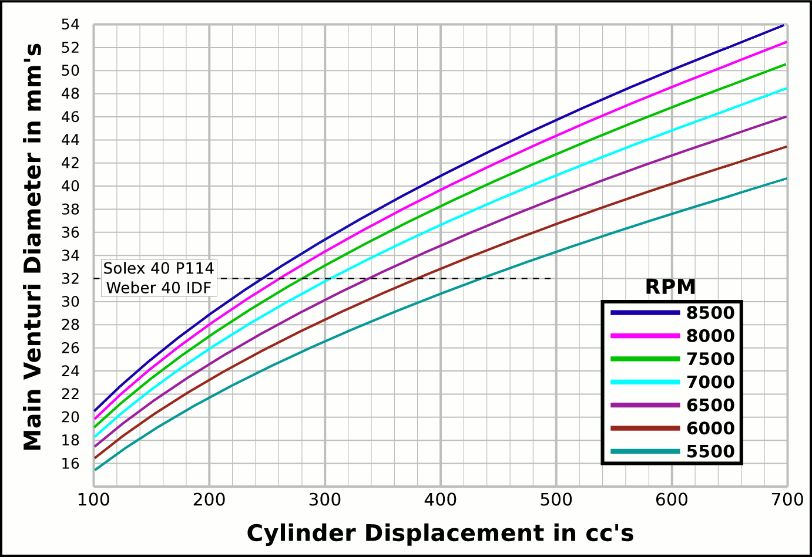
1200 |  | 47.6 | 25.8 |  | 0.238 | 6.1 | 565.9 | 1437.4 |  |  | CFM | CFM |  | Airflow Comparisons of
1300 |  | 51.5 | 28.0 |  | 0.258 | 6.6 | 482.2 | 1224.8 |  | Carb | @ 10 in/H₂O | @ 1.5 in/hg |  | Frequently Used VW Carburetors
1400 |  | 55.5 | 30.2 |  | 0.278 | 7.1 | 415.8 | 1056.1 |  | 28 PIC 36hp | 47 | 67 | Stock 21.5 Vent, Choke
1500 |  | 59.4 | 32.3 |  | 0.298 | 7.6 | 362.2 | 920.0 |  | 28 PIC F-Vee | 58 | 83 | Mod F-Vee Type, Big Vent, No Choke, Blended Top
1600 |  | 63.4 | 34.5 |  | 0.318 | 8.1 | 318.3 | 808.6 |  | 28 PIC 40hp | 52 | 74 | Stock 22.5 Vent
1700 |  | 67.4 | 36.6 |  | 0.338 | 8.6 | 282.0 | 716.2 |  | 30 PICT, 1 or 2 | 64 | 91 | Stock 24 Vent
1800 |  | 71.3 | 38.8 |  | 0.358 | 9.1 | 251.5 | 638.9 |  | 32 PDSIT - 2 | 53 | 76 | Stock 21.5 Vent.
1900 |  | 75.3 | 40.9 |  | 0.378 | 9.6 | 225.7 | 573.4 |  | 32 PDSIT - 2 | 64 | 91 | Mod 24.5 Vent, Smooth Shaft, Choke Out
2000 |  | 79.3 | 43.1 |  | 0.397 | 10.1 | 203.7 | 517.5 |  | 34 PICT - 3 | 80 | 114 | Stock 27 Vent
2100 |  | 83.2 | 45.2 |  | 0.417 | 10.6 | 184.8 | 469.4 |  | 32 PBIC Okrasa | 58 | 83 | Stock 24 Vent
2200 |  | 87.2 | 47.4 |  | 0.437 | 11.1 | 168.4 | 427.7 |  | 32 PBIC Okrasa | 63 | 90 | Mod 26 Vent, Smooth Shaft
2300 |  | 91.1 | 49.5 |  | 0.457 | 11.6 | 154.0 | 391.3 |  | 34 ICT Weber | 82 | 117 | Stock 29 Vent
2400 |  | 95.1 | 51.7 |  | 0.477 | 12.1 | 141.5 | 359.4 |  | 32 NDIX Zenith | 137 | 196 | Stock 24 Vent, 1600N or VW Single
2500 |  | 99.1 | 53.8 |  | 0.497 | 12.6 | 130.4 | 331.2 |  | 32 NDIX Zenith | 150 | 214 | Stock 28 Vent, 1600S Porsche
2600 |  | 103.0 | 56.0 |  | 0.517 | 13.1 | 120.6 | 306.2 |  | 32 NDIX Zenith | 161 | 230 | Mod 31 Vent, Top Crossbar, Out & Blended
2700 |  | 107.0 | 58.1 |  | 0.536 | 13.6 | 111.8 | 283.9 |  | 40 Solex/Kadron EIS | 100 | 143 | Stock 28 Vent, Crosssbar, Top Style
2800 |  | 111.0 | 60.3 |  | 0.556 | 14.1 | 103.9 | 264.0 |  | Solex 36/40 PDSI | 111 | 159 | Stock 30 Vent, BMW 2002, Choke Out
2900 |  | 114.9 | 62.5 |  | 0.576 | 14.6 | 96.9 | 246.1 |  | Holley/Weber R6503 | 157 | 224 | Mod 26/27 Vent, Choke Out, Mod Inlet & Progressive
3000 |  | 118.9 | 64.6 |  | 0.596 | 15.1 | 90.5 | 230.0 |  | Weber DGEV 32/36 | 166 | 237 | Stock 26/27 Vent, Progressive
3100 |  | 122.8 | 66.8 |  | 0.616 | 15.6 | 84.8 | 215.4 |  | Weber DGEV 32/36 | 186 | 266 | Mod 26/30 Vent, Annular Boosters, Progressive
3200 |  | 126.8 | 68.9 |  | 0.636 | 16.1 | 79.6 | 202.1 |  | Weber 40 DCNF | 237 | 339 | Stock 32 Vent
3300 |  | 130.8 | 71.1 |  | 0.656 | 16.7 | 74.8 | 190.1 |  | Aisin 21100-35463 32/40 | 228 | 326 | 26/40 Vent, 1985+ 22R (Toyota Hilux/Truck)
3400 |  | 134.7 | 73.2 |  | 0.676 | 17.2 | 70.5 | 179.1 |  | Solex 40 P114 | 233 | 332 | Stock 32 Vent
3500 |  | 138.7 | 75.4 |  | 0.695 | 17.7 | 66.5 | 169.0 |  | Solex 40 P114 | 253 | 361 | Mod 37.5 Vent, Pro Super Vee
3600 |  | 142.7 | 77.5 |  | 0.715 | 18.2 | 62.9 | 159.7 |  | Rochester VaraLet 2SE | 262 | 374 | 2.5L L4 Iron Duke, 2.8L 60° V6
3700 |  | 146.6 | 79.7 |  | 0.735 | 18.7 | 59.5 | 151.2 |  | Weber 40 IDF | 202 | 289 | Stock 28 Vent, w/ Air Horn
3800 |  | 150.6 | 81.8 |  | 0.755 | 19.2 | 56.4 | 143.3 |  | Weber 40 IDF (39) | 251 | 358 | Stock 32 Vent, Tall Sec. Vent & Air Horn
3900 |  | 154.5 | 84.0 |  | 0.775 | 19.7 | 53.6 | 136.1 |  | Weber 40 IDF (39) | 266 | 380 | Mod 34 Vent, Tall Sec. Vent & Air Horn
4000 |  | 158.5 | 86.1 |  | 0.795 | 20.2 | 50.9 | 129.4 |  | Weber 40 IDF (39) | 278 | 397 | Mod 36 Vent, Tall Sec. Vent & Air Horn
4100 |  | 162.5 | 88.3 |  | 0.815 | 20.7 | 48.5 | 123.1 |  | Weber 48 IDA | 290 | 414 | Stock 37 Vent, Tall Sec. Vent & Air Horn
4200 |  | 166.4 | 90.5 |  | 0.835 | 21.2 | 46.2 | 117.3 |  | Weber 48 DCO 1/SP | 376 | 538 | Stock 42 Vent, w/ Air Horn
4300 |  | 170.4 | 92.6 |  | 0.854 | 21.7 | 44.1 | 111.9
4400 |  | 174.4 | 94.8 |  | 0.874 | 22.2 | 42.1 | 106.9 |  |  |  |  | One Venturi per Cylinder Setup
4500 |  | 178.3 | 96.9 |  | 0.894 | 22.7 | 40.2 | 102.2
4600 |  | 182.3 | 99.1 |  | 0.914 | 23.2 | 38.5 | 97.8
4700 |  | 186.3 | 101.2 |  | 0.934 | 23.7 | 36.9 | 93.7
4800 |  | 190.2 | 103.4 |  | 0.954 | 24.2 | 35.4 | 89.8
4900 |  | 194.2 | 105.5 |  | 0.974 | 24.7 | 33.9 | 86.2
5000 |  | 198.1 | 107.7 |  | 0.993 | 25.2 | 32.6 | 82.8
5100 |  | 202.1 | 109.8 |  | 1.013 | 25.7 | 31.3 | 79.6
5200 |  | 206.1 | 112.0 |  | 1.033 | 26.2 | 30.1 | 76.5
5300 |  | 210.0 | 114.1 |  | 1.053 | 26.7 | 29.0 | 73.7
5400 |  | 214.0 | 116.3 |  | 1.073 | 27.3 | 27.9 | 71.0
5500 |  | 218.0 | 118.5 |  | 1.093 | 27.8 | 26.9 | 68.4
5600 |  | 221.9 | 120.6 |  | 1.113 | 28.3 | 26.0 | 66.0
5700 |  | 225.9 | 122.8 |  | 1.133 | 28.8 | 25.1 | 63.7
5800 |  | 229.8 | 124.9 |  | 1.152 | 29.3 | 24.2 | 61.5
5900 |  | 233.8 | 127.1 |  | 1.172 | 29.8 | 23.4 | 59.5
6000 |  | 237.8 | 129.2 |  | 1.192 | 30.3 | 22.6 | 57.5
6100 |  | 241.7 | 131.4 |  | 1.212 | 30.8 | 21.9 | 55.6
6200 |  | 245.7 | 133.5 |  | 1.232 | 31.3 | 21.2 | 53.8
6300 |  | 249.7 | 135.7 |  | 1.252 | 31.8 | 20.5 | 52.2
6400 |  | 253.6 | 137.8 |  | 1.272 | 32.3 | 19.9 | 50.5
6500 |  | 257.6 | 140.0 |  | 1.292 | 32.8 | 19.3 | 49.0
6600 |  | 261.5 | 142.1 |  | 1.311 | 33.3 | 18.7 | 47.5
6700 |  | 265.5 | 144.3 |  | 1.331 | 33.8 | 18.2 | 46.1
6800 |  | 269.5 | 146.5 |  | 1.351 | 34.3 | 17.6 | 44.8
6900 |  | 273.4 | 148.6 |  | 1.371 | 34.8 | 17.1 | 43.5
7000 |  | 277.4 | 150.8 |  | 1.391 | 35.3 | 16.6 | 42.2
7100 |  | 281.4 | 152.9 |  | 1.411 | 35.8 | 16.2 | 41.1
7200 |  | 285.3 | 155.1 |  | 1.431 | 36.3 | 15.7 | 39.9
...

Intake Horn & Runner
 |  |  |  |  | Throat Dia. | 40.0
 |  |  |  |  | From | 38.0
 |  |  | Volume |  | Suggested | 35.7
X |  | Runner | 15.92663605 |  | Valve Spec. | 33.0
~ Eff. Lngth |  | Horn | 9.419 | Correct Horn Volume Requires the Proper Summation Range be Set, Located @ Cells i67 & i68.
mm Horn Dia. |  | Total | 25.35
0 | 0.66929133858 | -0.66929133858
0.125 | 0.67282923423 | -0.67282923423
0.25 | 0.67638583132 | -0.67638583132
0.375 | 0.67996122869 | -0.67996122869
0.5 | 0.68355552572 | -0.68355552572
0.625 | 0.68716882233 | -0.68716882233
0.75 | 0.69080121894 | -0.69080121894
0.875 | 0.69445281651 | -0.69445281651
1 | 0.69812371655 | -0.69812371655
1.125 | 0.70181402108 | -0.70181402108
1.25 | 0.70552383268 | -0.70552383268
1.375 | 0.70925325447 | -0.70925325447
1.5 | 0.7130023901 | -0.7130023901
1.625 | 0.71677134378 | -0.71677134378
1.75 | 0.72056022028 | -0.72056022028
1.875 | 0.72436912489 | -0.72436912489
2 | 0.7281981635 | -0.7281981635
2.125 | 0.73204744254 | -0.73204744254
2.25 | 0.73591706898 | -0.73591706898
2.375 | 0.7398071504 | -0.7398071504
2.5 | 0.74371779491 | -0.74371779491
2.625 | 0.74764911122 | -0.74764911122
2.75 | 0.75160120859 | -0.75160120859
2.875 | 0.75557419687 | -0.75557419687
3 | 0.7595681865 | -0.7595681865
3.125 | 0.76358328849 | -0.76358328849
3.25 | 0.76761961444 | -0.76761961444
3.375 | 0.77167727653 | -0.77167727653
3.5 | 0.77575638756 | -0.77575638756
3.625 | 0.7798570609 | -0.7798570609
3.75 | 0.78397941054 | -0.78397941054
3.875 | 0.78812355104 | -0.78812355104
4 | 0.79228959761 | -0.79228959761
4.125 | 0.79647766604 | -0.79647766604
4.25 | 0.80068787273 | -0.80068787273
4.375 | 0.8049203347 | -0.8049203347
4.5 | 0.80917516961 | -0.80917516961
4.625 | 0.81345249572 | -0.81345249572
4.75 | 0.81775243191 | -0.81775243191
4.875 | 0.8220750977 | -0.8220750977
5 | 0.82642061324 | -0.82642061324
5.125 | 0.83078909931 | -0.83078909931
5.25 | 0.83518067735 | -0.83518067735
5.375 | 0.83959546941 | -0.83959546941
5.5 | 0.8440335982 | -0.8440335982
5.625 | 0.84849518709 | -0.84849518709
5.75 | 0.85298036007 | -0.85298036007
5.875 | 0.85748924183 | -0.85748924183
6 | 0.86202195768 | -0.86202195768
6.125 | 0.86657863362 | -0.86657863362
...
Deg. |  |  | in³
 |  |  | 92.3 | %
 |  |  | Cyl. Vol. |  | 0.96663296586
1.0052 | Dia.
mm | in. | +in. | -in.
33.0 | 1.300 | 0.650 | -0.650
33.2 | 1.307 | 0.653 | -0.653
33.4 | 1.313 | 0.657 | -0.657
33.5 | 1.320 | 0.660 | -0.660
33.7 | 1.327 | 0.663 | -0.663
33.9 | 1.334 | 0.667 | -0.667
34.1 | 1.341 | 0.670 | -0.670
34.2 | 1.348 | 0.674 | -0.674 |  | -0.96663296586
34.4 | 1.354 | 0.677 | -0.677
34.6 | 1.361 | 0.681 | -0.681
34.8 | 1.368 | 0.684 | -0.684
34.9 | 1.376 | 0.688 | -0.688
35.1 | 1.383 | 0.691 | -0.691 |  |  | Length " | Dia. "
35.3 | 1.390 | 0.695 | -0.695 |  |  | 0 | 1.300
35.5 | 1.397 | 0.698 | -0.698 |  |  | 0.5 | 1.327
35.7 | 1.404 | 0.702 | -0.702 |  |  | 1 | 1.354
35.8 | 1.411 | 0.706 | -0.706 |  |  | 1.5 | 1.383
36.0 | 1.419 | 0.709 | -0.709 |  |  | 2 | 1.411
36.2 | 1.426 | 0.713 | -0.713 |  |  | 2.5 | 1.441
36.4 | 1.433 | 0.717 | -0.717 |  |  | 3 | 1.471
36.6 | 1.441 | 0.720 | -0.720 |  |  | 3.5 | 1.501
...

Tires, Trans, RPM, MPH
...
 |  |  |  |  |  |  |  |  |  |  | VW Beetle Tire Sizes
-6.1 | 6.7 | 11.4 | 16.9 | 22.6 | 27.5 | 25.5 | In. Tire Diameter |  |  | Front | 185/75R14, 24.9x7.3
-6.7 | 7.3 | 12.4 | 18.4 | 24.6 | 30.0 | 6.7 | Ft. Circumference |  |  | Rear | 215/65R14, 25x8.5
-7.2 | 7.9 | 13.5 | 20.0 | 26.7 | 32.5 |  | 5-Seed Manual
-7.8 | 8.5 | 14.5 | 21.5 | 28.7 | 35.1 | Diff | 4.455 | ∆ |  |  | 15x6 Rims | A
-8.4 | 9.1 | 15.5 | 23.1 | 30.8 | 37.6 | 5 | 0.850 | 1.220 | 1.220 | Front | 185/70R15, 25.2x7.3
-8.9 | 9.7 | 16.6 | 24.6 | 32.8 | 40.1 | 4 | 1.037 | 1.335 | 1.629 | Rear | 215/60R15, 25.2x8.5
-9.5 | 10.3 | 17.6 | 26.1 | 34.9 | 42.6 | 3 | 1.385 | 1.485 | 2.418
-10.0 | 10.9 | 18.6 | 27.7 | 36.9 | 45.1 | 2 | 2.056 | 1.703 | 4.118 |  | 16x6 Rims
-10.6 | 11.6 | 19.7 | 29.2 | 39.0 | 47.6 | 1 | 3.500 |  | Total∆ | Front | 185/65R16, 25.5x7.3
-11.1 | 12.2 | 20.7 | 30.7 | 41.0 | 50.1 | Rev | -3.818 | Final | 3.786 | Rear | 215/55R16, 25.3x8.5
5 | 0.85
4 | 1
3 | 1.3
2 | 2
1 | 3.5
-11.7 | 12.8 | 21.7 | 32.3 | 43.1 | 52.6
-12.3 | 13.4 | 22.8 | 33.8 | 45.1 | 55.1
-12.8 | 14.0 | 23.8 | 35.4 | 47.2 | 57.6
-13.4 | 14.6 | 24.8 | 36.9 | 49.3 | 60.1
-13.9 | 15.2 | 25.9 | 38.4 | 51.3 | 62.6
-14.5 | 15.8 | 26.9 | 40.0 | 53.4 | 65.1
-15.0 | 16.4 | 28.0 | 41.5 | 55.4 | 67.6
-15.6 | 17.0 | 29.0 | 43.0 | 57.5 | 70.1
-16.2 | 17.6 | 30.0 | 44.6 | 59.5 | 72.6
-16.7 | 18.2 | 31.1 | 46.1 | 61.6 | 75.1
-17.3 | 18.8 | 32.1 | 47.6 | 63.6 | 77.6
-17.8 | 19.5 | 33.1 | 49.2 | 65.7 | 80.1
-18.4 | 20.1 | 34.2 | 50.7 | 67.7 | 82.6
-19.0 | 20.7 | 35.2 | 52.3 | 69.8 | 85.1
-19.5 | 21.3 | 36.2 | 53.8 | 71.8 | 87.6
-20.1 | 21.9 | 37.3 | 55.3 | 73.9 | 90.1
-20.6 | 22.5 | 38.3 | 56.9 | 75.9 | 92.6
-21.2 | 23.1 | 39.3 | 58.4 | 78.0 | 95.1
-21.7 | 23.7 | 40.4 | 59.9 | 80.0 | 97.6
-22.3 | 24.3 | 41.4 | 61.5 | 82.1 | 100.1
-22.9 | 24.9 | 42.4 | 63.0 | 84.1 | 102.7
-23.4 | 25.5 | 43.5 | 64.6 | 86.2 | 105.2
-24.0 | 26.1 | 44.5 | 66.1 | 88.2 | 107.7
-24.5 | 26.8 | 45.6 | 67.6 | 90.3 | 110.2
-25.1 | 27.4 | 46.6 | 69.2 | 92.3 | 112.7
-25.6 | 28.0 | 47.6 | 70.7 | 94.4 | 115.2
-26.2 | 28.6 | 48.7 | 72.2 | 96.4 | 117.7
-26.8 | 29.2 | 49.7 | 73.8 | 98.5 | 120.2
-27.3 | 29.8 | 50.7 | 75.3 | 100.6 | 122.7
-27.9 | 30.4 | 51.8 | 76.8 | 102.6 | 125.2
-28.4 | 31.0 | 52.8 | 78.4 | 104.7 | 127.7
-29.0 | 31.6 | 53.8 | 79.9 | 106.7 | 130.2
MPH | MPH | MPH | MPH | MPH | MPH | WheelRPM
-6.7 | 7.3 | 12.4 | 18.4 | 24.6 | 30.0 | 396
-7.8 | 8.5 | 14.5 | 21.5 | 28.7 | 35.0 | 462
-8.9 | 9.7 | 16.5 | 24.6 | 32.8 | 40.0 | 527
-10.0 | 10.9 | 18.6 | 27.6 | 36.9 | 45.0 | 593
-11.1 | 12.1 | 20.7 | 30.7 | 41.0 | 50.0 | 659
-12.2 | 13.4 | 22.7 | 33.8 | 45.1 | 55.0 | 725
-13.4 | 14.6 | 24.8 | 36.8 | 49.2 | 60.0 | 791
-14.5 | 15.8 | 26.9 | 39.9 | 53.3 | 65.0 | 857
-15.6 | 17.0 | 28.9 | 43.0 | 57.4 | 70.0 | 923
...

