Displacement & Cam Protractor
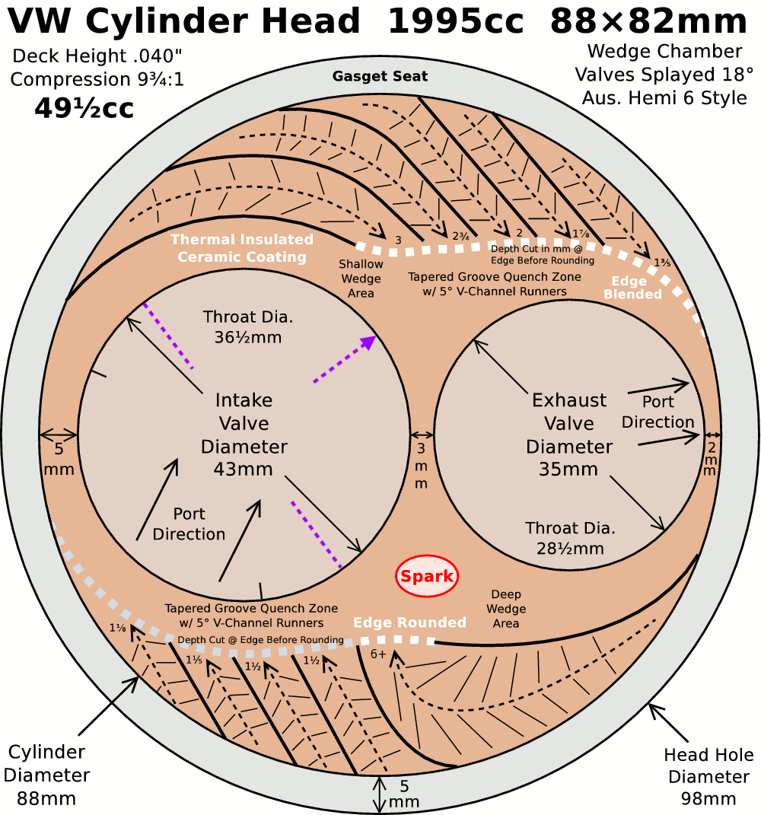
 | The older configuration for 88x74 in Vwboxer.xlsx is now in VWboxer88x74.xlsx
 | VW Air Cooled Boxster |  |  | Displacement Calculator, Table, Protractor, Valve Timings & Sizing
 | Al6Mg½Sc Case
Displacement Calculator |  |  |  |  |  | Magnesuim | Aluminum | Case
Squareness | 1.073 | 0.951 | Change Only Blue Numbers |  |  | S↓ x B→ | 77 | 83 | 85.5 | 86 | 87 | 88 | 90 | 90.5 | 92 | 94 | 96.5 | 101.6
 | 3.465" |  |  |  |  | 64 | 1192 | 1385 | 1470 | 1487 | 1522 | 1557 | 1629 | 1647 | 1702 | 1777 | 1782 | 2075
Bore (mm) | 88.00 | 498.7 | cc |  |  | 69 | 1285 | 1493 | 1585 | 1603 | 1641 | 1679 | 1756 | 1775 | 1835 | 1915 | 2019 | 2237
Stroke (mm) | 82.00 | 30.43 | in³ |  |  | 74 | 1378 | 1602 | 1700 | 1719 | 1760 | 1800 | 1883 | 1904 | 1968 | 2054 | 2165 | 2399
 | 3.228" |  |  |  |  | 76 | 1416 | 1645 | 1745 | 1766 | 1807 | 1849 | 1934 | 1956 | 2021 | 2110 | 2223 | 2465
 | 5.811" ≥ Length ≥ 5.165" |  |  | In | mm | 78 | 1453 | 1688 | 1791 | 1812 | 1855 | 1898 | 1985 | 2007 | 2074 | 2165 | 2282 | 2529
Rod Length (In) | 5.600 | 1.735 | :1 | 3.875 | 144 | 80 | 1490 | 1731 | 1837 | 1859 | 1902 | 1946 | 2036 | 2058 | 2127 | 2221 | 2340 | 2594
 | 142.2 | mm |  | mm | In | 82 | 1527 | 1775 | 1883 | 1905 | 1950 | 1995 | 2087 | 2110 | 2180 | 2276 | 2399 | 2659
Cylinders | 4 |  | Other | 98.4 | 5.669 | 84 | 1565 | 1818 | 1929 | 1952 | 1997 | 2044 | 2138 | 2161 | 2234 | 2332 | 2457 | 2724
Displacement | 121.7 | in³ | Configurations |  |  | 86 | 1602 | 1861 | 1975 | 1998 | 2045 | 2092 | 2188 | 2213 | 2287 | 2387 | 2516 | 2789
Total | 1994.9 | cc | 4cyl 750cc |  |  | 88 | 1639 | 1905 | 2021 | 2045 | 2093 | 2141 | 2239 | 2264 | 2340 | 2443 | 2574 | 2854
 | 2.0 | L | 86×86 |  |  | 90 | 1676 | 1948 | 2067 | 2091 | 2140 | 2190 | 2290 | 2316 | 2393 | 2498 | 2633 | 2919
 |  |  | 92×86 |  |  | Studs | 10mm | 10mm | 10mm | 10mm | 10mm | 9mm | 8mm | 8mm | 8mm | 8mm | 8mm | 8mm
HP/Cyl. | 40.0 |  | 5 Cylinder
HP | 160.0 |  | Small Block Chevy |  |  |  |  |  |  |  |  | Links: | VW Boxster |  |  |  |  |  |  |  |  | A
HP/in³ | 1.31 |  |  |  |  |  |  |  |  |  |  |  | David Vizard
CR (8-18) vs. Tq/Cube (Max) | 1.32 | 160.3 | ft/lbs Max.Torque |  |  |  |  |  |  |  |  |  | How to Build Horsepower |  |  | 📓
Compression Ratio | 9.75 | :1 | With higher compression ceramic coated insulated combustion chambers are highly recomended. |  |  |  |  |  |  |  |  |  | How to Port & Flow Cylinder Heads |  |  |  | 📓
Crown to Wall Vol. | 1.32 | cc |  |  |  |  |  |  |  |  |  |  | IOP Flow program
Deck Height | 0.04 | " |  |  |  | ©2025 - J.S. Gilstrap - All Rights Reserved. |  |  |  |  |  |  | Engine Math |  | 📓
Deck Ht Vol. | 6.18 | cc |  | Dynamic Calculations |  | Creative Commons |  | (CC BY-SA 4.0) |  |  |  |  | PipeMax
Chamber Vol. | 57.00 | cc |  | 38.2 |  | Hardware Licenses: |  | TAPR-OHL |  | CERN-OHL-S |  |  | Bain Racing |  | YouTube
Head Vol. | 49.50 | cc |  | 14.9 |  |  |  |  |  |  |  |  | Turbo power without Turbo through resonance.
Dynamic Stroke | 61.16 | mm |  | 137.0 |  |  |  |  |  |  |  |  | Brian Salter |  | Salter Racing Engines
Dynamic Compression | 7.53 | :1 | × VE Factor: 10.06:1 | 122.1 |  |  |  |  |  |  |  |  | Ben Almeda |  | Alemeda Racing
(Intake Valve Close @ ~.020") | For Dynamic Stroke & Compression enter camshaft timing data, B39 to B42, and update valve events in camshaft protractor, C46 to C55. |  |  |  |  |  |  |  |  |  |  |  | MotoIQ | YouTube
Cranking Pressure | 150.4 | PSI
× VE Factor (Max) | 201.1 | PSI
Calculated Valve Diameter | In / Ex |  | LSA/LCA |  | Camshaft Protractor
Competition | 44.9 / 35.2 | mm | ~ 110.8 °
Production | 43.1 / 34.5 | mm | ~ 109 °
Cam Lift | 0.442 | " |  | Manual Input
Rocker Ratio 1: | 1.250 | 31.3% Lift Of Intake Valve Dia. |  | 31.2 | %
Valve Lift | 0.553 | " 34.9% Lift Of Intake Valve Dia. |  | 35.0 | % |  | TDC
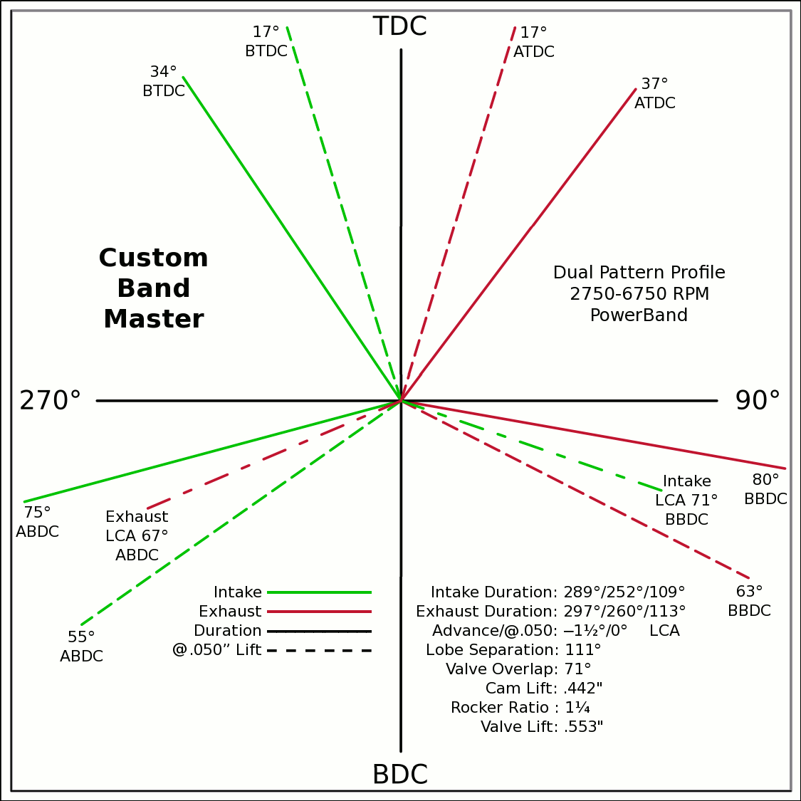
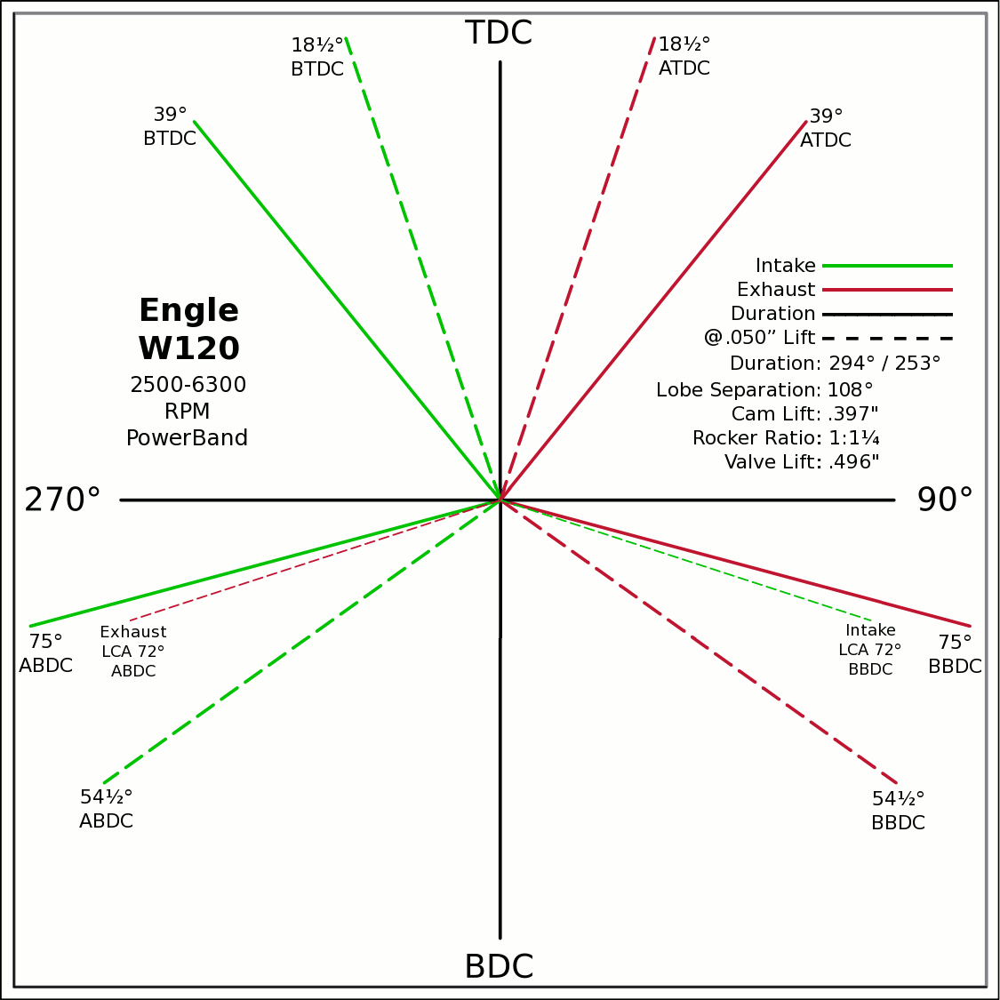
Advance | 0 | ° | -1.5 / 0 (@.050") |  | 0 | 0
Lobes: Separation ∠ | 109 | ° | I:289/252/109 E:297/260/113 |  | -0.5592 | 0.8290
Duration ───── | 289 | ° | Custom |  | 0 | 0
Dur. @ .050" ─ ─ ─ | 252 | ° | Engle W120 |  | 0.6018 | 0.7986
Intake | ───── | 68.6 | DCR Angle |  | 0 | 0
Exaust | ───── | 1.198 | Radians |  | -0.9659 | -0.2588
 | ☞ | Valve Events |  |  | 0 | 0 | X & Y Axes
Intake Open | 35.5 | 34 | ° BTDC |  | 0.9848 | -0.1736 | 0 | 1
Exaust Close | 35.5 | 37 | ° ATDC |  | 35.5 |  | 0 | -1
Intake Close | 73.5 | 75 | ° ABDC |  | 18.5 |  | -1 | 0
Exaust Open | 73.5 | 80 | ° BBDC |  | 0 | 0 | 1 | 0
 | ☞ |  |  |  | -0.2924 | 0.9563
Dur. @ .050" | ☞ |  |  | 270° | 0 | 0 |  |  |  |  | 90°
Intake Open | 17 | 17 | ° BTDC |  | 0.2924 | 0.9563
Exaust Close | 17 | 17 | ° ATDC |  | 0 | 0
Intake Close | 55 | 55 | ° ABDC |  | -0.8192 | -0.5736
Exaust Open | 55 | 63 | ° BBDC |  | 0 | 0
 | ☞ | ⇓ |  |  | 0.8910 | -0.4540
 | Final Lobe Separation ∠ | 111 | ° |  | 117
 | Valve Overlap | 71 | ° |  | 343 | 247
 |  |  |  |  | 377 | 469
 |  |  |  |  | 595
 | Suggested Valve Specifications
 | & Cam LSA/LCA
Competition |  | 90.0% | Throat ÷ Valve Dia.
Valve Stem Dia. | 8 | mm | Manual Input
Intake Valve Dia. | 44.9 | mm | 45.0 |  |  |  | BDC
Intake Throat Dia. | 40.4 | mm | 40.5 |  |  |  |  |  |  |  |  |  |  |  |  |  |  |  |  | Piston Speed in FPM
Adjusted Throat Dia. | 39.6 | mm | 39.7 |  |  |  |  |  |  |  |  |  |  |  |  |  |  |  | 250 | Inc.
Bore Space | 7.9 | mm | 7.5 |  |  |  |  |  |  |  |  |  |  |  |  |  |  |  | RPM | Mean | Max
Exhaust Valve Dia. | 35.2 | mm | 35.5 |  |  |  |  |  |  |  |  |  |  |  |  |  |  |  | 2000 | 1076 | 1690
Exhaust Throat Dia. | 31.7 | mm | 32.0 |  |  |  |  |  |  |  |  |  |  |  |  |  |  |  | 2250 | 1211 | 1902
Adjusted Throat Dia. | 30.7 | mm | 30.9 |  |  |  |  |  |  |  |  |  |  |  |  |  |  |  | 2500 | 1345 | 2113
Exhaust ÷ Intake Throat Area | 59.9% | % | 60.7% |  |  |  |  |  |  |  |  |  |  |  |  |  |  |  | 2750 | 1480 | 2324
 | Calculated |  | Defined |  |  |  |  |  |  |  |  |  |  |  |  |  |  |  | 3000 | 1614 | 2536
Chamber cc ÷ Intake Throat Dia." | 17.7 | 12.555 | 17.7 |  |  |  |  |  |  |  |  |  |  |  |  |  |  |  | 3250 | 1749 | 2747
Lobe Centerline Angle | ~ 110.8 ° | ~ | 110.8 ° |  |  |  |  |  |  |  |  |  |  |  |  |  |  |  | 3500 | 1883 | 2958
K | 99 | Modified Equation (Nom.100) ☟ |  |  |  |  |  |  |  |  |  |  |  |  |  |  |  |  | 3750 | 2018 | 3169
 |  | Experiment with Different Values |  |  |  |  |  |  |  |  |  |  |  |  |  |  |  |  | 4000 | 2152 | 3381
 |  |  |  |  |  |  |  |  |  |  |  |  |  |  |  |  |  |  | 4250 | 2287 | 3592
Production |  |  |  |  |  |  |  |  |  |  |  |  |  |  |  |  |  |  | 4500 | 2421 | 3803
Valve Stem Dia. | 8 | mm | Manual Input |  |  |  |  |  |  |  |  |  |  |  |  |  |  |  | 4750 | 2556 | 4015
Intake Valve Dia. | 43.1 | mm | 43.0 |  |  |  |  |  |  |  |  |  |  |  |  |  |  |  | 5000 | 2690 | 4226
Intake Throat Dia. | 36.6 | mm | 36.5 |  |  |  |  |  |  |  |  |  |  |  |  |  |  |  | 5250 | 2825 | 4437
Adjusted Throat Dia. | 35.7 | mm | 35.6 |  |  |  |  |  |  |  |  |  |  |  |  |  |  |  | 5500 | 2959 | 4648
Bore Space | 10.4 | mm | 10.0 |  |  |  |  |  |  |  |  |  |  |  |  |  |  |  | 5750 | 3094 | 4860
Exhaust Valve Dia. | 34.5 | mm | 35.0 |  |  | (Intake Throat Dia.In) |  | Graph Data From: |  | Graph | Test |  |  |  |  |  |  |  | 6000 | 3228 | 5071
Exhaust Throat Dia. | 28.0 | mm | 28.5 | K +1.164 × (28.196-Cham.cc÷ITD) |  |  |  | How to Build Horespower |  | Try Me | 28.1957 |  |  |  |  |  |  |  | 6250 | 3363 | 5282
Adjusted Throat Dia. | 26.8 | mm | 27.4 | Modified Equation & Konstants |  |  |  |  |  | 100 | Konstant |  |  |  |  |  |  |  | 6500 | 3497 | 5494
Exhaust ÷ Intake Throat Area | 56.5% | % | 59.0% | 99.0 | ? VW Air Cooled |  |  |  |  | 28.20 | Cyl. / Valve |  |  |  |  |  |  |  | 6750 | 3632 | 5705
 | Calculated |  | Defined | 99.0 | Small Block Ford |  | 127 |  |  | 10 | CR |  |  |  |  |  |  |  | 7000 | 3766 | 5916
Chamber cc ÷ Intake Throat Dia." | 19.6 | 12.555 | 19.6 | 100.0 | Small Block Chevy |  | 128 |  |  | 100 ° | LSA/LCA |  |  |  |  |  |  |  | 7250 | 3901 | 6128
Lobe Centerline Angle | ~ 109 ° | ~ | 109 ° | 104.0 | Big Block Chevy |  | 132 | LSA=LCA when the cam is timed straight up, no advance/retard. |  |  |  |  |  |  |  |  |  |  | 7500 | 4035 | 6339
K | 99 | Modified Equation (Nom.100) ☞ |  | 105.0 | Big Block Ford |  | 133 |  |  |  |  |  |  |  |  |  |  |  | 7750 | 4170 | 6550
 |  | Experiment with Different Values |  |  |  | Vizard's Original Equation & Konstants |  |  |  |  |  |  |  |  |  |  |  |  | 8000 | 4304 | 6761
 |  |  |  |  |  | K - (Cyl.CID ÷ ValveDia. × 0.91) |  |  |  |  |  |  |  |  |  |  |  |  | 8250 | 4439 | 6973
The Konstant will vary according chamber shape, valve canting, crossflow ability, valve shrouding & other factors. |  |  |  |  |  |  | 3.00 |  |  |  |  |  |  |  |  |  |  |  | 8500 | 4573 | 7184
 |  | Finding the right value for the head design is important. |  |  |  |  | CR Comp |  |  |  |  |  |  |  |  |  |  |  | 8750 | 4708 | 7395
LCA Formula |  |  |  |  | Graph curve tweaking parameters. Do NOT change unless necessary. ☞ | 4.320 | 3.63 |  |  |  |  |  |  |  |  |  |  |  | 9000 | 4843 | 7607
Let CDTD = Chamber cc ÷ Intake Throat Dia. |  | 20 to 14 Compensation |  | 14 to 10 Compensation |  | 20 to 14 | 14 to 10 |  |  |  |  |  |  |  |  |  |  |  | 9250 | 4977 | 7818
K +1.1642×(28.1957─CDTD) ─IF[CDTD<20,(20─CDTD)÷4.32,0] ─IF[CDTD<14,(14─CDTD)÷3.63,0] +(10-CR)/3 |  |  |  |  |  |  |  |  |  |  |  |  |  |  |  |  |  |  | 9500 | 5112 | 8029
This equation has been tuned to follow the graph exactly within ±⅛° (above right). |  |  |  | 12.555=0.9×25.4×Cyl.CID÷Chamber.cc @ 10:1 CR |  |  |  |  |  |  |  |  |  |  |  |  |  |  | Valves | Rings | Rings

Airflow & Carburation
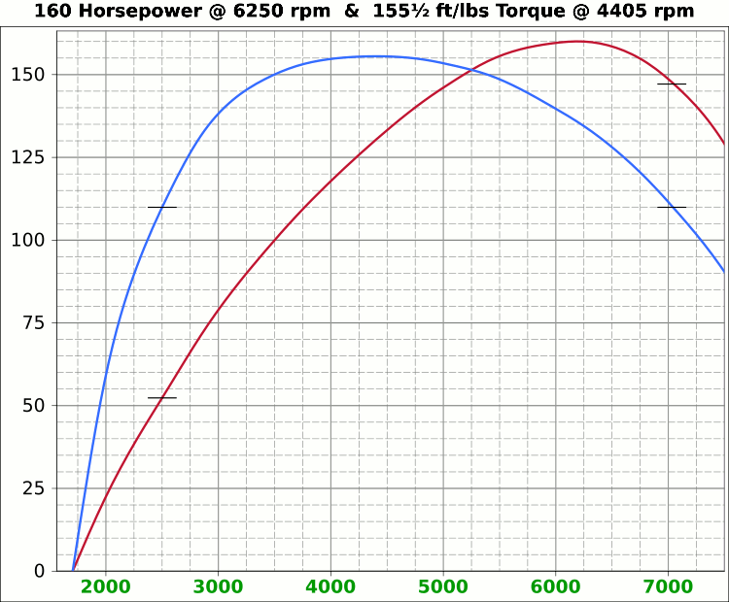
 | Airflow & Carburation |  |  |  |  | 3.465 | in.
 |  |  |  |  | Bore (mm) | 88 | 498.7 | cc
 | Change Only Blue Numbers |  |  |  | Stroke (mm) | 82 | 30.43 | in³
 |  |  |  |  |  | 3.228 | in.

 | 14.696 PSI At Sea Level |  |  |  | Cylinders | 4
14.696 | Atmospheric Pressure @ Altitude |  |  |  | Disp. | 121.7 | in³
3.00 | in/hg Carb. Calibration Value
0.74 | in/hg Maximum Carb. Pressure Drop
0.3610 | ∆PSI @ 0.735''/hg Pressure Drop |  |  |  |  | MCA Factors |  |  | Port MCA Dia" = RPM × Bore² × Stroke / 176000
92.0% | Wet Flow Compensation |  |  |  |  | 173881 | Brian Salter |  | Total Port Vol. / Cyl.Vol. = 92% to 95%
331 | Allocate CFM (Within Carburetor Limits) |  |  |  |  | 175831 | Avg. ↑ ↓
294 | Effective Available CFM (Drop/Cal., Wet Flow & Altitude Adj.) |  |  |  |  | 177780 | Flat Tappet | David Vizard
89.0% | Allocated CFM Usage |  |  |  |  | 195558 | Pro-Stock | Via
1.84 | CFM / BHP |  |  |  |  | 184136 | Race Roller | Bain Racing
160.0 | Peak BHP |  |  |  |  | Minimal Crossectional Area
133.7% | Volumetric Effeciency @ Peak |  |  |  |  | MCA Factor | 176000
4.95 | PSI Boost above 100% V.E. |  |  |  |  | Cyl.Vol. | 92.0% |  |  | 10.000 | in/H₂O | <─┐
6250 | @ Peak RPM |  |  |  |  | Ttl Port Vol. | 28.0 | in³ |  | 0.735 | in/hg | |
↑ ↑ ↑ |  |  |  |  |  |  |  |  |  | 0.361 | psi | 1.4287
7080 | RPM | 333.4 | 181.2 | Competition | 1.559 | 39.6 | 14.7 | 37.3 | MCA Redux | 20.413 | in/H₂O | <─┘
7064 | RPM | 332.7 | 180.8 | Competition | 1.555 | 39.5 | 14.7 | 37.4 | 99.5% | 1.500 | in/hg |  |  |  | 0
↑ ↑ ↑ |  |  |  |  |  | Port Dia.mm |  |  |  | 0.737 | psi
6384 | RPM | 300.7 | 163.4 | Production | 1.405 | 35.7 | 18.0 | 45.8 | MCA Redux | 14.696 | Air Pressure (PSI)
6250 | RPM | 294.4 | 160.0 | Production | 1.376 | 35.0 | 18.8 | 47.8 | 98.2% | 266 | CFM @ 10 in/H₂O
 |  |  |  |  |  |  |  |  |  | 380.0 | CFM @ 1.5 in/hg
Inc. |  | RPM CFM Horsepower |  |  | Port MCA |  | Runner
100 |  | Carb |  |  | Diameter |  | Length |  |  | 20.414 | in/H₂O
RPM |  | CFM | HP |  | In. | mm | In. | cm |  | 1.500 | in/hg
1000 |  | 47.1 | 25.6 |  | 0.220 | 5.6 | 735.4 | 1868.0 |  | 0.737 | psi
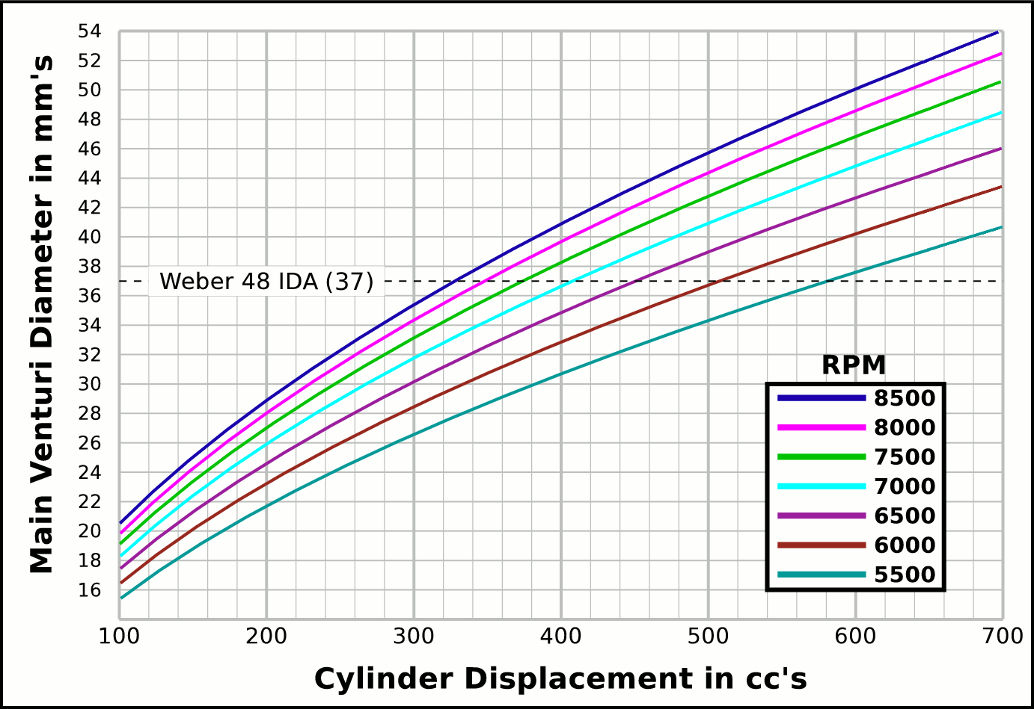
1100 |  | 51.8 | 28.2 |  | 0.242 | 6.2 | 607.8 | 1543.8
1200 |  | 56.5 | 30.7 |  | 0.264 | 6.7 | 510.7 | 1297.2 |  |  | CFM | CFM |  | Airflow Comparisons of
1300 |  | 61.2 | 33.3 |  | 0.286 | 7.3 | 435.2 | 1105.3 |  | Carb | @ 10 in/H₂O | @ 1.5 in/hg |  | Frequently Used VW Carburetors
1400 |  | 65.9 | 35.8 |  | 0.308 | 7.8 | 375.2 | 953.0 |  | 28 PIC 36hp | 47 | 67 | Stock 21.5 Vent, Choke
1500 |  | 70.6 | 38.4 |  | 0.330 | 8.4 | 326.9 | 830.2 |  | 28 PIC F-Vee | 58 | 83 | Mod F-Vee Type, Big Vent, No Choke, Blended Top
1600 |  | 75.4 | 41.0 |  | 0.352 | 8.9 | 287.3 | 729.7 |  | 28 PIC 40hp | 52 | 74 | Stock 22.5 Vent
1700 |  | 80.1 | 43.5 |  | 0.374 | 9.5 | 254.5 | 646.4 |  | 30 PICT, 1 or 2 | 64 | 91 | Stock 24 Vent
1800 |  | 84.8 | 46.1 |  | 0.396 | 10.1 | 227.0 | 576.5 |  | 32 PDSIT - 2 | 53 | 76 | Stock 21.5 Vent.
1900 |  | 89.5 | 48.6 |  | 0.418 | 10.6 | 203.7 | 517.4 |  | 32 PDSIT - 2 | 64 | 91 | Mod 24.5 Vent, Smooth Shaft, Choke Out
2000 |  | 94.2 | 51.2 |  | 0.440 | 11.2 | 183.9 | 467.0 |  | 34 PICT - 3 | 80 | 114 | Stock 27 Vent
2100 |  | 98.9 | 53.8 |  | 0.462 | 11.7 | 166.8 | 423.6 |  | 32 PBIC Okrasa | 58 | 83 | Stock 24 Vent
2200 |  | 103.6 | 56.3 |  | 0.484 | 12.3 | 151.9 | 385.9 |  | 32 PBIC Okrasa | 63 | 90 | Mod 26 Vent, Smooth Shaft
2300 |  | 108.3 | 58.9 |  | 0.506 | 12.9 | 139.0 | 353.1 |  | 34 ICT Weber | 82 | 117 | Stock 29 Vent
2400 |  | 113.0 | 61.4 |  | 0.528 | 13.4 | 127.7 | 324.3 |  | 32 NDIX Zenith | 137 | 196 | Stock 24 Vent, 1600N or VW Single
2500 |  | 117.7 | 64.0 |  | 0.550 | 14.0 | 117.7 | 298.9 |  | 32 NDIX Zenith | 150 | 214 | Stock 28 Vent, 1600S Porsche
2600 |  | 122.5 | 66.6 |  | 0.572 | 14.5 | 108.8 | 276.3 |  | 32 NDIX Zenith | 161 | 230 | Mod 31 Vent, Top Crossbar, Out & Blended
2700 |  | 127.2 | 69.1 |  | 0.594 | 15.1 | 100.9 | 256.2 |  | 40 Solex/Kadron EIS | 100 | 143 | Stock 28 Vent, Crosssbar, Top Style
2800 |  | 131.9 | 71.7 |  | 0.616 | 15.7 | 93.8 | 238.3 |  | Solex 36/40 PDSI | 111 | 159 | Stock 30 Vent, BMW 2002, Choke Out
2900 |  | 136.6 | 74.2 |  | 0.639 | 16.2 | 87.4 | 222.1 |  | Holley/Weber R6503 | 157 | 224 | Mod 26/27 Vent, Choke Out, Mod Inlet & Progressive
3000 |  | 141.3 | 76.8 |  | 0.661 | 16.8 | 81.7 | 207.6 |  | Weber DGEV 32/36 | 166 | 237 | Stock 26/27 Vent, Progressive
3100 |  | 146.0 | 79.3 |  | 0.683 | 17.3 | 76.5 | 194.4 |  | Weber 40 DCNF | 237 | 339 | Stock 32 Vent
3200 |  | 150.7 | 81.9 |  | 0.705 | 17.9 | 71.8 | 182.4 |  | Aisin 21100-35463 32/40 | 228 | 326 | 26/40 Vent, 1985+ 22R (Toyota Hilux/Truck)
3300 |  | 155.4 | 84.5 |  | 0.727 | 18.5 | 67.5 | 171.5 |  | Solex 40 P114 | 233 | 332 | Stock 32 Vent
3400 |  | 160.1 | 87.0 |  | 0.749 | 19.0 | 63.6 | 161.6 |  | Solex 40 P114 | 253 | 361 | Mod 37.5 Vent, Pro Super Vee
3500 |  | 164.8 | 89.6 |  | 0.771 | 19.6 | 60.0 | 152.5 |  | Rochester VaraLet 2SE | 262 | 375 | 2.5L L4 Iron Duke, 2.8L 60° V6
3600 |  | 169.6 | 92.1 |  | 0.793 | 20.1 | 56.7 | 144.1 |  | Weber 40 IDF | 202 | 289 | Stock 28 Vent, w/ Air Horn
3700 |  | 174.3 | 94.7 |  | 0.815 | 20.7 | 53.7 | 136.4 |  | Weber 40 IDF (39) | 251 | 358 | Stock 32 Vent, Tall Sec. Vent & Air Horn
3800 |  | 179.0 | 97.3 |  | 0.837 | 21.3 | 50.9 | 129.4 |  | Weber 40 IDF (39) | 266 | 380 | Mod 34 Vent, Tall Sec. Vent & Air Horn
3900 |  | 183.7 | 99.8 |  | 0.859 | 21.8 | 48.4 | 122.8 |  | Weber 40 IDF (39) | 278 | 397 | Mod 36 Vent, Tall Sec. Vent & Air Horn
4000 |  | 188.4 | 102.4 |  | 0.881 | 22.4 | 46.0 | 116.7 |  | Weber 48 IDA | 290 | 414 | Stock 37 Vent, Tall Sec. Vent & Air Horn
4100 |  | 193.1 | 104.9 |  | 0.903 | 22.9 | 43.7 | 111.1 |  | Weber 48 DCO 1/SP | 376 | 538 | Stock 42 Vent, w/ Air Horn
4200 |  | 197.8 | 107.5 |  | 0.925 | 23.5 | 41.7 | 105.9
4300 |  | 202.5 | 110.1 |  | 0.947 | 24.0 | 39.8 | 101.0
4400 |  | 207.2 | 112.6 |  | 0.969 | 24.6 | 38.0 | 96.5 |  |  |  |  | One Venturi per Cylinder Setup
4500 |  | 211.9 | 115.2 |  | 0.991 | 25.2 | 36.3 | 92.2
4600 |  | 216.7 | 117.7 |  | 1.013 | 25.7 | 34.8 | 88.3
4700 |  | 221.4 | 120.3 |  | 1.035 | 26.3 | 33.3 | 84.6
4800 |  | 226.1 | 122.9 |  | 1.057 | 26.8 | 31.9 | 81.1
4900 |  | 230.8 | 125.4 |  | 1.079 | 27.4 | 30.6 | 77.8
5000 |  | 235.5 | 128.0 |  | 1.101 | 28.0 | 29.4 | 74.7
5100 |  | 240.2 | 130.5 |  | 1.123 | 28.5 | 28.3 | 71.8
5200 |  | 244.9 | 133.1 |  | 1.145 | 29.1 | 27.2 | 69.1
5300 |  | 249.6 | 135.7 |  | 1.167 | 29.6 | 26.2 | 66.5
5400 |  | 254.3 | 138.2 |  | 1.189 | 30.2 | 25.2 | 64.1
5500 |  | 259.0 | 140.8 |  | 1.211 | 30.8 | 24.3 | 61.8
5600 |  | 263.7 | 143.3 |  | 1.233 | 31.3 | 23.5 | 59.6
5700 |  | 268.5 | 145.9 |  | 1.255 | 31.9 | 22.6 | 57.5
5800 |  | 273.2 | 148.5 |  | 1.277 | 32.4 | 21.9 | 55.5
5900 |  | 277.9 | 151.0 |  | 1.299 | 33.0 | 21.1 | 53.7
6000 |  | 282.6 | 153.6 |  | 1.321 | 33.6 | 20.4 | 51.9
6100 |  | 287.3 | 156.1 |  | 1.343 | 34.1 | 19.8 | 50.2
6200 |  | 292.0 | 158.7 |  | 1.365 | 34.7 | 19.1 | 48.6
6300 |  | 296.7 | 161.3 |  | 1.387 | 35.2 | 18.5 | 47.1
6400 |  | 301.4 | 163.8 |  | 1.409 | 35.8 | 18.0 | 45.6
6500 |  | 306.1 | 166.4 |  | 1.431 | 36.4 | 17.4 | 44.2
6600 |  | 310.8 | 168.9 |  | 1.453 | 36.9 | 16.9 | 42.9
6700 |  | 315.6 | 171.5 |  | 1.475 | 37.5 | 16.4 | 41.6
6800 |  | 320.3 | 174.1 |  | 1.497 | 38.0 | 15.9 | 40.4
6900 |  | 325.0 | 176.6 |  | 1.519 | 38.6 | 15.4 | 39.2
7000 |  | 329.7 | 179.2 |  | 1.541 | 39.1 | 15.0 | 38.1
7100 |  | 334.4 | 181.7 |  | 1.563 | 39.7 | 14.6 | 37.1
7200 |  | 339.1 | 184.3 |  | 1.585 | 40.3 | 14.2 | 36.0
7300 |  | 343.8 | 186.9 |  | 1.607 | 40.8 | 13.8 | 35.1
7400 |  | 348.5 | 189.4 |  | 1.629 | 41.4 | 13.4 | 34.1
7500 |  | 353.2 | 192.0 |  | 1.651 | 41.9 | 13.1 | 33.2
7600 |  | 357.9 | 194.5 |  | 1.673 | 42.5 | 12.7 | 32.3
7700 |  | 362.7 | 197.1 |  | 1.695 | 43.1 | 12.4 | 31.5
7800 |  | 367.4 | 199.7 |  | 1.717 | 43.6 | 12.1 | 30.7
7900 |  | 372.1 | 202.2 |  | 1.739 | 44.2 | 11.8 | 29.9
8000 |  | 376.8 | 204.8 |  | 1.761 | 44.7 | 11.5 | 29.2

Intake Horn & Runner
 | Change Only Blue Numbers |  |  |  |  |  |  |  | Throat Dia. | 39.6
 |  |  |  |  |  |  |  |  | From | 39.5
 | Linear Accelerated Horn |  |  |  |  |  | Volume |  | Suggested | 35.7
Runner Length | 10.5 | in. | 1.782729805 | X |  | Runner | 15.616986183 |  | Valve Spec. | 35.0 |  |  |  |  |  | Altrnate Tapered Runner with Horn
Horn Length | 7.5 | in. | 5.62 | ~ Eff. Lngth |  | Horn | 11.311 | Correct Horn Volume Requires the Proper Summation Range be Set, Located @ Cells i75 & i76. |  |  |  |  |  | Runner: | 10.5"L, 39-36mm Dia, 272.7-320fps, 17.96cuin, .322°
Throat/Port Dia. | 35.0 | mm 1.38" 1.84" | 46.7 | mm Horn Dia. |  | Total | 26.93 |  |  |  |  |  |  | Horn: | 5.5"L, 48-39mm Dia, 180-272.7fps, 12.63cuin, 1.85°
0 | 0.66929133858 | -0.66929133858
0.125 | 0.67282923423 | -0.67282923423
0.25 | 0.67638583132 | -0.67638583132
0.375 | 0.67996122869 | -0.67996122869
0.5 | 0.68355552572 | -0.68355552572
0.625 | 0.68716882233 | -0.68716882233
0.75 | 0.69080121894 | -0.69080121894
0.875 | 0.69445281651 | -0.69445281651
1 | 0.69812371655 | -0.69812371655
1.125 | 0.70181402108 | -0.70181402108
1.25 | 0.70552383268 | -0.70552383268
1.375 | 0.70925325447 | -0.70925325447
1.5 | 0.7130023901 | -0.7130023901
1.625 | 0.71677134378 | -0.71677134378
1.75 | 0.72056022028 | -0.72056022028
1.875 | 0.72436912489 | -0.72436912489
2 | 0.7281981635 | -0.7281981635
2.125 | 0.73204744254 | -0.73204744254
2.25 | 0.73591706898 | -0.73591706898
2.375 | 0.7398071504 | -0.7398071504
2.5 | 0.74371779491 | -0.74371779491
2.625 | 0.74764911122 | -0.74764911122
2.75 | 0.75160120859 | -0.75160120859
2.875 | 0.75557419687 | -0.75557419687
3 | 0.7595681865 | -0.7595681865
3.125 | 0.76358328849 | -0.76358328849
3.25 | 0.76761961444 | -0.76761961444
3.375 | 0.77167727653 | -0.77167727653
3.5 | 0.77575638756 | -0.77575638756
3.625 | 0.7798570609 | -0.7798570609
3.75 | 0.78397941054 | -0.78397941054
3.875 | 0.78812355104 | -0.78812355104
4 | 0.79228959761 | -0.79228959761
4.125 | 0.79647766604 | -0.79647766604
4.25 | 0.80068787273 | -0.80068787273
4.375 | 0.8049203347 | -0.8049203347
4.5 | 0.80917516961 | -0.80917516961
4.625 | 0.81345249572 | -0.81345249572
4.75 | 0.81775243191 | -0.81775243191
4.875 | 0.8220750977 | -0.8220750977
5 | 0.82642061324 | -0.82642061324
5.125 | 0.83078909931 | -0.83078909931
5.25 | 0.83518067735 | -0.83518067735
5.375 | 0.83959546941 | -0.83959546941
5.5 | 0.8440335982 | -0.8440335982
5.625 | 0.84849518709 | -0.84849518709
5.75 | 0.85298036007 | -0.85298036007
5.875 | 0.85748924183 | -0.85748924183
6 | 0.86202195768 | -0.86202195768
6.125 | 0.86657863362 | -0.86657863362
...
Port Speed | 320 | fps | 1.761 | Deg. |  |  | in³ |  |  |  |  |  |  |  |  |  | 30.59cuin
Horn Speed | 180 | fps | ( ≤2° ) |  |  |  | 88.5 | %
 | 60 |  |  |  |  |  | Cyl. Vol. |  | 1.0186959247
 | 1.0097 |  |  | 1.0048 | Dia.
Scaling | Step | fps | Taper | mm | in. | +in. | -in.
0.186 | 0.000 | 320 |  | 35.0 | 1.376 | 0.688 | -0.688
0.188 | 0.125 | 316.9 | 1.52° | 35.1 | 1.383 | 0.691 | -0.691
0.190 | 0.250 | 313.9 | 1.53° | 35.3 | 1.389 | 0.695 | -0.695
0.191 | 0.375 | 310.9 | 1.54° | 35.5 | 1.396 | 0.698 | -0.698
0.193 | 0.500 | 307.9 | 1.54° | 35.6 | 1.403 | 0.701 | -0.701
0.195 | 0.625 | 304.9 | 1.55° | 35.8 | 1.410 | 0.705 | -0.705
0.197 | 0.750 | 302.0 | 1.56° | 36.0 | 1.416 | 0.708 | -0.708
0.199 | 0.875 | 299.1 | 1.57° | 36.2 | 1.423 | 0.712 | -0.712 |  | -1.0186959247
0.201 | 1.000 | 296.3 | 1.58° | 36.3 | 1.430 | 0.715 | -0.715
0.203 | 1.125 | 293.4 | 1.58° | 36.5 | 1.437 | 0.719 | -0.719
0.205 | 1.250 | 290.6 | 1.59° | 36.7 | 1.444 | 0.722 | -0.722
0.207 | 1.375 | 287.8 | 1.6° | 36.9 | 1.451 | 0.726 | -0.726
0.209 | 1.500 | 285.1 | 1.61° | 37.0 | 1.458 | 0.729 | -0.729 |  |  | Length " | Dia. "
0.211 | 1.625 | 282.3 | 1.61° | 37.2 | 1.465 | 0.733 | -0.733 |  |  | 0 | 1.376
0.213 | 1.750 | 279.6 | 1.62° | 37.4 | 1.472 | 0.736 | -0.736 |  |  | 0.5 | 1.403
0.215 | 1.875 | 276.9 | 1.63° | 37.6 | 1.479 | 0.740 | -0.740 |  |  | 1 | 1.430
0.217 | 2.000 | 274.3 | 1.64° | 37.8 | 1.486 | 0.743 | -0.743 |  |  | 1.5 | 1.458
0.219 | 2.125 | 271.6 | 1.64° | 37.9 | 1.494 | 0.747 | -0.747 |  |  | 2 | 1.486
0.221 | 2.250 | 269.0 | 1.65° | 38.1 | 1.501 | 0.750 | -0.750 |  |  | 2.5 | 1.515
0.223 | 2.375 | 266.5 | 1.66° | 38.3 | 1.508 | 0.754 | -0.754 |  |  | 3 | 1.545
0.225 | 2.500 | 263.9 | 1.67° | 38.5 | 1.515 | 0.758 | -0.758 |  |  | 3.5 | 1.575
0.228 | 2.625 | 261.4 | 1.68° | 38.7 | 1.523 | 0.761 | -0.761 |  |  | 4 | 1.606
0.230 | 2.750 | 258.9 | 1.68° | 38.9 | 1.530 | 0.765 | -0.765 |  |  | 4.5 | 1.637
0.232 | 2.875 | 256.4 | 1.69° | 39.0 | 1.537 | 0.769 | -0.769 |  |  | 5 | 1.669
0.234 | 3.000 | 253.9 | 1.7° | 39.2 | 1.545 | 0.772 | -0.772 |  |  | 5.5 | 1.701
0.237 | 3.125 | 251.5 | 1.71° | 39.4 | 1.552 | 0.776 | -0.776 |  |  | 6 | 1.734
0.239 | 3.250 | 249.1 | 1.72° | 39.6 | 1.560 | 0.780 | -0.780 |  |  | 6.5 | 1.768
0.241 | 3.375 | 246.7 | 1.73° | 39.8 | 1.567 | 0.784 | -0.784 |  |  | 7 | 1.802
0.243 | 3.500 | 244.3 | 1.73° | 40.0 | 1.575 | 0.787 | -0.787 |  |  | 7.5 | 1.837
0.246 | 3.625 | 242.0 | 1.74° | 40.2 | 1.582 | 0.791 | -0.791 |  |  | 8 | 1.873
0.248 | 3.750 | 239.7 | 1.75° | 40.4 | 1.590 | 0.795 | -0.795 |  |  | 8.5 | 1.910 | Horned Runner: | 16" Long, 42½×34½mm Dia, 200-300fps / 1½× LinearAcceleration, Vol: 28¾in³ / 94½%, ⁹/₁₆° Taper
0.251 | 3.875 | 237.4 | 1.76° | 40.6 | 1.598 | 0.799 | -0.799 |  |  | 9 | 1.947
0.253 | 4.000 | 235.1 | 1.77° | 40.8 | 1.606 | 0.803 | -0.803 |  |  | 9.5 | 1.985
0.256 | 4.125 | 232.8 | 1.78° | 41.0 | 1.613 | 0.807 | -0.807 |  |  | 10 | 2.023
0.258 | 4.250 | 230.6 | 1.79° | 41.2 | 1.621 | 0.811 | -0.811
0.260 | 4.375 | 228.4 | 1.79° | 41.4 | 1.629 | 0.814 | -0.814
0.263 | 4.500 | 226.2 | 1.8° | 41.6 | 1.637 | 0.818 | -0.818
0.266 | 4.625 | 224.0 | 1.81° | 41.8 | 1.645 | 0.822 | -0.822
0.268 | 4.750 | 221.9 | 1.82° | 42.0 | 1.653 | 0.826 | -0.826
0.271 | 4.875 | 219.8 | 1.83° | 42.2 | 1.661 | 0.830 | -0.830
0.273 | 5.000 | 217.7 | 1.84° | 42.4 | 1.669 | 0.834 | -0.834
0.276 | 5.125 | 215.6 | 1.85° | 42.6 | 1.677 | 0.838 | -0.838
0.279 | 5.250 | 213.5 | 1.86° | 42.8 | 1.685 | 0.842 | -0.842
0.281 | 5.375 | 211.4 | 1.86° | 43.0 | 1.693 | 0.846 | -0.846
0.284 | 5.500 | 209.4 | 1.87° | 43.2 | 1.701 | 0.851 | -0.851
0.287 | 5.625 | 207.4 | 1.88° | 43.4 | 1.709 | 0.855 | -0.855
0.290 | 5.750 | 205.4 | 1.89° | 43.6 | 1.718 | 0.859 | -0.859
0.292 | 5.875 | 203.5 | 1.9° | 43.8 | 1.726 | 0.863 | -0.863
0.295 | 6.000 | 201.5 | 1.91° | 44.0 | 1.734 | 0.867 | -0.867
0.298 | 6.125 | 199.6 | 1.92° | 44.3 | 1.743 | 0.871 | -0.871
...

Tires, Trans, RPM, MPH
...
 |  |  |  |  |  |  |  |  |  |  | VW Beetle Tire Sizes
-7.2 | 7.9 | 13.4 | 19.9 | 26.6 | 32.5 | 25.3 | In. Tire Diameter |  |  | Front | 185/75R14, 24.9x7.3
-7.9 | 8.6 | 14.7 | 21.8 | 29.0 | 35.4 | 6.6 | Ft. Circumference |  |  | Rear | 215/65R14, 25x8.5
-8.5 | 9.3 | 15.9 | 23.6 | 31.5 | 38.4 |  | 5-Seed Manual
-9.2 | 10.0 | 17.1 | 25.4 | 33.9 | 41.3 | Diff | 3.750 | ∆ |  |  | 15x6 Rims | A
-9.9 | 10.8 | 18.3 | 27.2 | 36.3 | 44.3 | 5 | 0.850 | 1.220 | 1.220 | Front | 185/70R15, 25.2x7.3
-10.5 | 11.5 | 19.5 | 29.0 | 38.7 | 47.2 | 4 | 1.037 | 1.335 | 1.629 | Rear | 215/60R15, 25.2x8.5
-11.2 | 12.2 | 20.8 | 30.8 | 41.1 | 50.2 | 3 | 1.385 | 1.485 | 2.418
-11.8 | 12.9 | 22.0 | 32.6 | 43.6 | 53.2 | 2 | 2.056 | 1.703 | 4.118 |  | 16x6 Rims
-12.5 | 13.6 | 23.2 | 34.4 | 46.0 | 56.1 | 1 | 3.500 |  | Total∆ | Front | 185/65R16, 25.5x7.3
-13.1 | 14.3 | 24.4 | 36.3 | 48.4 | 59.1 | Rev | -3.818 | Final | 3.188 | Rear | 215/55R16, 25.3x8.5
5 | 0.85
4 | 1
3 | 1.3
2 | 2
1 | 3.5
-13.8 | 15.1 | 25.6 | 38.1 | 50.8 | 62.0
-14.5 | 15.8 | 26.9 | 39.9 | 53.2 | 65.0
-15.1 | 16.5 | 28.1 | 41.7 | 55.7 | 67.9
-15.8 | 17.2 | 29.3 | 43.5 | 58.1 | 70.9
-16.4 | 17.9 | 30.5 | 45.3 | 60.5 | 73.8
-17.1 | 18.6 | 31.7 | 47.1 | 62.9 | 76.8
-17.7 | 19.4 | 33.0 | 48.9 | 65.3 | 79.7
-18.4 | 20.1 | 34.2 | 50.8 | 67.8 | 82.7
-19.1 | 20.8 | 35.4 | 52.6 | 70.2 | 85.6
-19.7 | 21.5 | 36.6 | 54.4 | 72.6 | 88.6
-20.4 | 22.2 | 37.9 | 56.2 | 75.0 | 91.5
-21.0 | 22.9 | 39.1 | 58.0 | 77.5 | 94.5
-21.7 | 23.7 | 40.3 | 59.8 | 79.9 | 97.4
-22.4 | 24.4 | 41.5 | 61.6 | 82.3 | 100.4
-23.0 | 25.1 | 42.7 | 63.4 | 84.7 | 103.4
-23.7 | 25.8 | 44.0 | 65.3 | 87.1 | 106.3
-24.3 | 26.5 | 45.2 | 67.1 | 89.6 | 109.3
-25.0 | 27.3 | 46.4 | 68.9 | 92.0 | 112.2
-25.6 | 28.0 | 47.6 | 70.7 | 94.4 | 115.2
-26.3 | 28.7 | 48.8 | 72.5 | 96.8 | 118.1
-27.0 | 29.4 | 50.1 | 74.3 | 99.2 | 121.1
-27.6 | 30.1 | 51.3 | 76.1 | 101.7 | 124.0
-28.3 | 30.8 | 52.5 | 77.9 | 104.1 | 127.0
-28.9 | 31.6 | 53.7 | 79.8 | 106.5 | 129.9
-29.6 | 32.3 | 54.9 | 81.6 | 108.9 | 132.9
-30.2 | 33.0 | 56.2 | 83.4 | 111.3 | 135.8
-30.9 | 33.7 | 57.4 | 85.2 | 113.8 | 138.8
-31.6 | 34.4 | 58.6 | 87.0 | 116.2 | 141.7
-32.2 | 35.1 | 59.8 | 88.8 | 118.6 | 144.7
-32.9 | 35.9 | 61.1 | 90.6 | 121.0 | 147.6
-33.5 | 36.6 | 62.3 | 92.5 | 123.4 | 150.6
-34.2 | 37.3 | 63.5 | 94.3 | 125.9 | 153.6
MPH | MPH | MPH | MPH | MPH | MPH | WheelRPM
-6.7 | 7.3 | 12.4 | 18.4 | 24.6 | 30.0 | 398
-7.8 | 8.5 | 14.5 | 21.5 | 28.7 | 35.0 | 465
-8.9 | 9.7 | 16.5 | 24.6 | 32.8 | 40.0 | 531
-10.0 | 10.9 | 18.6 | 27.6 | 36.9 | 45.0 | 598
-11.1 | 12.1 | 20.7 | 30.7 | 41.0 | 50.0 | 664
-12.2 | 13.4 | 22.7 | 33.8 | 45.1 | 55.0 | 730
-13.4 | 14.6 | 24.8 | 36.8 | 49.2 | 60.0 | 797
-14.5 | 15.8 | 26.9 | 39.9 | 53.3 | 65.0 | 863
-15.6 | 17.0 | 28.9 | 43.0 | 57.4 | 70.0 | 930
...

