Displacement & Cam Protractor
 | VW Air Cooled Boxster |  |  | Displacement Calculator, Table, Protractor, Valve Timings & Sizing |  |  |  |  |  |  |  |  |  |  |  |  |  |  |  | Piston Speed in FPM
 | Al6Mg½Sc Case |  |  |  |  |  |  |  |  |  |  |  |  |  |  |  |  |  | 250 | Inc.
Displacement Calculator |  |  |  |  |  | Magnesuim | Aluminum | Case |  |  |  |  |  |  |  |  |  |  | RPM | Mean | Max
Squareness | 1.070 | 0.948 | Change Only Blue Numbers |  |  | S↓ x B→ | 77 | 83 | 85.5 | 86 | 87 | 88 | 90 | 90.5 | 92 | 94 | 96.5 | 101.6 | 2000 | 1129 | 1773
 | 3.622" |  |  |  |  | 64 | 1192 | 1385 | 1470 | 1487 | 1522 | 1557 | 1629 | 1647 | 1702 | 1777 | 1782 | 2075 | 2250 | 1270 | 1994
Bore (mm) | 92.00 | 571.7 | cc |  |  | 69 | 1285 | 1493 | 1585 | 1603 | 1641 | 1679 | 1756 | 1775 | 1835 | 1915 | 2019 | 2237 | 2500 | 1411 | 2216
Stroke (mm) | 86.00 | 34.89 | in³ |  |  | 74 | 1378 | 1602 | 1700 | 1719 | 1760 | 1800 | 1883 | 1904 | 1968 | 2054 | 2165 | 2399 | 2750 | 1552 | 2438
 | 3.386" |  |  |  |  | 76 | 1416 | 1645 | 1745 | 1766 | 1807 | 1849 | 1934 | 1956 | 2021 | 2110 | 2223 | 2465 | 3000 | 1693 | 2659
 | 6.094" ≥ Length ≥ 5.417" |  |  | In | mm | 78 | 1453 | 1688 | 1791 | 1812 | 1855 | 1898 | 1985 | 2007 | 2074 | 2165 | 2282 | 2529 | 3250 | 1834 | 2881
Rod Length (In) | 5.600 | 1.654 | :1 | 3.875 | 142 | 80 | 1490 | 1731 | 1837 | 1859 | 1902 | 1946 | 2036 | 2058 | 2127 | 2221 | 2340 | 2594 | 3500 | 1975 | 3102
 | 142.2 | mm |  | mm | In | 82 | 1527 | 1775 | 1883 | 1905 | 1950 | 1995 | 2087 | 2110 | 2180 | 2276 | 2399 | 2659 | 3750 | 2116 | 3324
Cylinders | 4 |  | Other | 98.4 | 5.591 | 84 | 1565 | 1818 | 1929 | 1952 | 1997 | 2044 | 2138 | 2161 | 2234 | 2332 | 2457 | 2724 | 4000 | 2257 | 3546
Displacement | 139.5 | in³ | Configurations |  |  | 86 | 1602 | 1861 | 1975 | 1998 | 2045 | 2092 | 2188 | 2213 | 2287 | 2387 | 2516 | 2789 | 4250 | 2398 | 3767
Total | 2286.8 | cc | 88×74 |  |  | 88 | 1639 | 1905 | 2021 | 2045 | 2093 | 2141 | 2239 | 2264 | 2340 | 2443 | 2574 | 2854 | 4500 | 2539 | 3989
 | 2.3 | L | 88×82 |  |  | 90 | 1676 | 1948 | 2067 | 2091 | 2140 | 2190 | 2290 | 2316 | 2393 | 2498 | 2633 | 2919 | 4750 | 2680 | 4210
 |  |  | 86×86 |  |  | Studs | 10mm | 10mm | 10mm | 10mm | 10mm | 9mm | 8mm | 8mm | 8mm | 8mm | 8mm | 8mm | 5000 | 2822 | 4432
HP/Cyl. | 37.50 |  | 5 Cylinder |  |  |  |  |  |  |  |  |  |  |  |  |  |  |  | 5250 | 2963 | 4654
HP | 150.0 |  | Small Block Chevy |  |  |  |  |  |  |  |  | Links: | VW Boxster |  |  |  |  |  | 5500 | 3104 | 4875 | A
HP/in³ | 1.07 |  |  |  |  |  |  |  |  |  |  |  | David Vizard |  |  |  |  |  | 5750 | 3245 | 5097
CR (8-18) vs. Tq/Cube (Max) | 1.28 | 179.2 | ft/lbs Max.Torque |  |  |  |  |  |  |  |  |  | How to Build Horsepower |  |  | 📓 |  |  | 6000 | 3386 | 5318
Compression Ratio | 9.375 | :1 | With higher compression ceramic coated insulated combustion chambers are highly recomended. |  |  |  |  |  |  |  |  |  | How to Port & Flow Cylinder Heads |  |  |  | 📓 |  | 6250 | 3527 | 5540
Crown to Wall Vol. | 1.85 | cc |  |  |  |  |  |  |  |  |  |  | IOP Flow program |  |  |  |  |  | 6500 | 3668 | 5762
Deck Height | 0.04 | " |  |  |  | ©2025 - J.S. Gilstrap - All Rights Reserved. |  |  |  |  |  |  | Engine Math |  | 📓 |  |  |  | 6750 | 3809 | 5983
Deck Ht Vol. | 6.75 | cc |  | Dynamic Calculations |  | Creative Commons |  | (CC BY-SA 4.0) |  |  |  |  | PipeMax |  |  |  |  |  | 7000 | 3950 | 6205
Chamber Vol. | 68.26 | cc |  | 38.9 |  | Hardware Licenses: |  | TAPR-OHL |  | CERN-OHL-S |  |  | Bain Racing |  | YouTube |  |  |  | 7250 | 4091 | 6426
Head Vol. | 59.66 | cc |  | 18.4 |  |  |  |  |  |  |  |  | Turbo power without Turbo through resonance. |  |  |  |  |  | 7500 | 4232 | 6648
Dynamic Stroke | 66.83 | mm |  | 136.8 |  |  |  |  |  |  |  |  | Brian Salter |  | Salter Racing Engines |  |  |  | 7750 | 4373 | 6870
Dynamic Compression | 7.51 | :1 | × VE Factor: 9.5:1 | 118.4 |  |  |  |  |  |  |  |  | Ben Almeda |  | Alemeda Racing |  |  |  | 8000 | 4514 | 7091
(Intake Valve Close @ ~.020") | For Dynamic Stroke & Compression enter camshaft timing data, B39 to B42, and update valve events in camshaft protractor, C46 to C55. |  |  |  |  |  |  |  |  |  |  |  | MotoIQ | YouTube |  |  |  |  | 8250 | 4656 | 7313
Cranking Pressure | 150.1 | PSI |  |  |  |  |  |  |  |  |  |  |  |  |  |  |  |  | 8500 | 4797 | 7534
× VE Factor (Max) | 189.9 | PSI |  |  |  |  |  |  |  |  |  |  |  |  |  |  |  |  | 8750 | 4938 | 7756
Calculated Valve Diameter | In / Ex |  | LSA/LCA |  | Camshaft Protractor |  |  |  |  |  |  |  |  |  |  |  |  |  | 9000 | 5079 | 7978
Competition | 46.9 / 36.8 | mm | ~ 108.4 ° |  |  |  |  |  |  |  |  |  |  |  |  |  |  |  | 9250 | 5220 | 8199
Production | 45 / 36.1 | mm | ~ 105.8 ° |  |  |  |  |  |  |  |  |  |  |  |  |  |  |  | 9500 | 5361 | 8421
Cam Lift | 0.400 | " |  | Manual Input |  |  |  |  |  |  |  |  |  |  |  |  |  |  | Valves | Rings | Rings
Rocker Ratio 1: | 1.250 | 27.1% Lift Of Intake Valve Dia. |  | 27.0 | %
Valve Lift | 0.500 | " 30.4% Lift Of Intake Valve Dia. |  | 30.4 | % |  | TDC
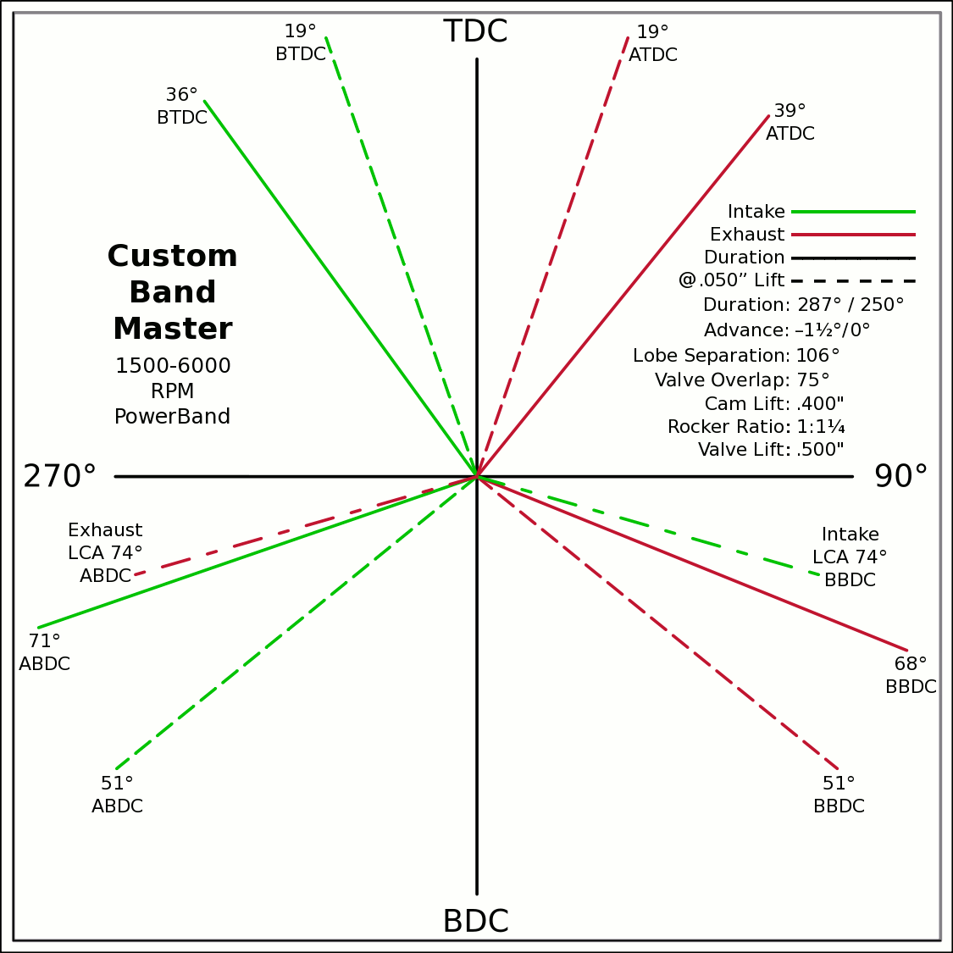
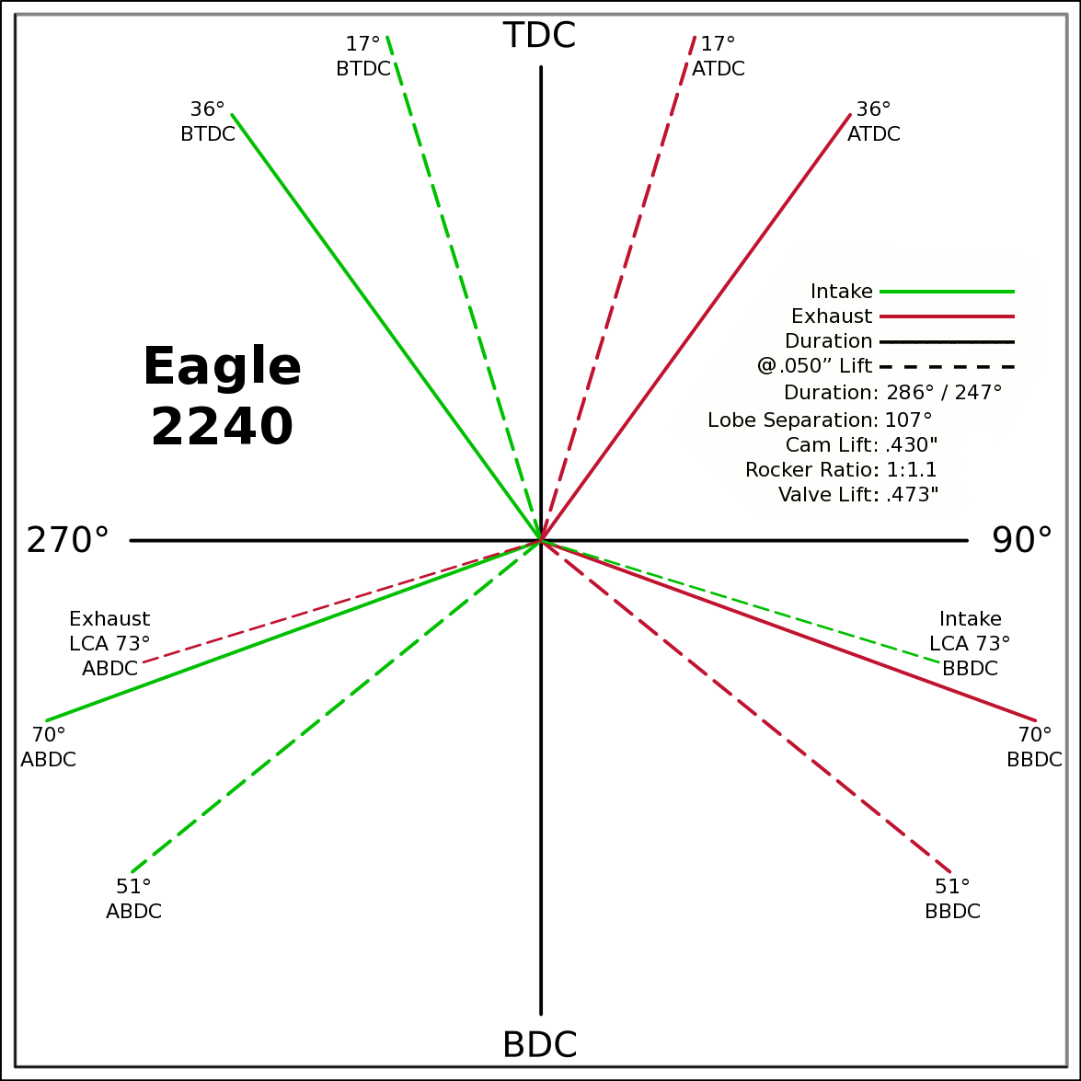
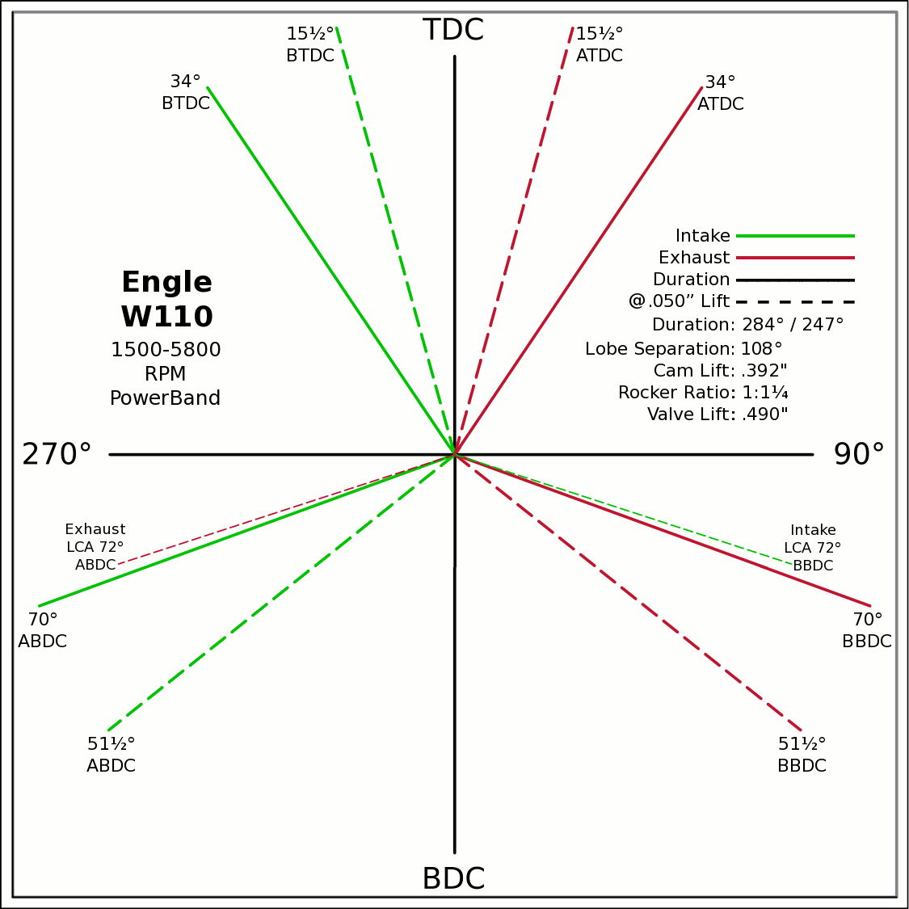
Advance | 0 | ° | -1.5 / 0 (@.050") |  | 0 | 0
Lobes: Separation ∠ | 106 | ° | Custom |  | -0.5878 | 0.8090
Duration ───── | 287 | ° | Eagle 2240 |  | 0 | 0
Dur. @ .050" ─ ─ ─ | 250 | ° | Engle 110 |  | 0.6293 | 0.7771
Intake | ───── | 64.6 | DCR Angle |  | 0 | 0
Exaust | ───── | 1.128 | Radians |  | -0.9455 | -0.3256
 | ☞ | Valve Events |  |  | 0 | 0 | X & Y Axes
Intake Open | 37.5 | 36 | ° BTDC |  | 0.9272 | -0.3746 | 0 | 1
Exaust Close | 37.5 | 39 | ° ATDC |  | 37.5 |  | 0 | -1
Intake Close | 69.5 | 71 | ° ABDC |  | 18.5 |  | -1 | 0
Exaust Open | 69.5 | 68 | ° BBDC |  | 0 | 0 | 1 | 0
 | ☞ |  |  |  | -0.3256 | 0.9455
Dur. @ .050" | ☞ |  |  | 270° | 0 | 0 |  |  |  |  | 90°
Intake Open | 19 | 19 | ° BTDC |  | 0.3256 | 0.9455
Exaust Close | 19 | 19 | ° ATDC |  | 0 | 0
Intake Close | 51 | 51 | ° ABDC |  | -0.7771 | -0.6293
Exaust Open | 51 | 51 | ° BBDC |  | 0 | 0
 | ☞ | ⇓ |  |  | 0.7771 | -0.6293
 | Final Lobe Separation ∠ | 106 | ° |  | 129
 | Valve Overlap | 75 | ° |  | 341 | 254
 |  |  |  |  | 379 | 466
 |  |  |  |  | 591
 | Suggested Valve Specifications
 | & Cam LSA/LCA
Competition |  | 90.0% | Throat ÷ Valve Dia.
Valve Stem Dia. | 8 | mm | Manual Input
Intake Valve Dia. | 46.9 | mm | 47.0 |  |  |  | BDC
Intake Throat Dia. | 42.2 | mm | 42.3
Adjusted Throat Dia. | 41.5 | mm | 41.5
Bore Space | 8.3 | mm | 8.0
Exhaust Valve Dia. | 36.8 | mm | 37.0
Exhaust Throat Dia. | 33.1 | mm | 33.3
Adjusted Throat Dia. | 32.1 | mm | 32.3
Exhaust ÷ Intake Throat Area | 60.1% | % | 60.6%
 | Calculated |  | Defined
Chamber cc ÷ Intake Throat Dia." | 20.3 | 12.555 | 20.3
Lobe Centerline Angle | ~ 108.4 ° | ~ | 108.4 °
K | 99 | Modified Equation (Nom.100) ☟
 |  | Experiment with Different Values

Production
Valve Stem Dia. | 8 | mm | Manual Input
Intake Valve Dia. | 45.0 | mm | 45.0
Intake Throat Dia. | 38.0 | mm | 38.0
Adjusted Throat Dia. | 37.2 | mm | 37.1
Bore Space | 10.9 | mm | 10.0
Exhaust Valve Dia. | 36.1 | mm | 37.0 |  |  | (Intake Throat Dia.In) |  | Graph Data From: |  | Graph | Test
Exhaust Throat Dia. | 29.1 | mm | 30.0 | K +1.164 × (28.196-Cham.cc÷ITD) |  |  |  | How to Build Horespower |  | Try Me | 28.1957
Adjusted Throat Dia. | 27.9 | mm | 28.9 | Modified Equation & Konstants |  |  |  |  |  | 100 | Konstant
Exhaust ÷ Intake Throat Area | 56.4% | % | 60.6% | 99.0 | ? VW Air Cooled |  |  |  |  | 28.20 | Cyl. / Valve
 | Calculated |  | Defined | 99.0 | Small Block Ford |  | 127 |  |  | 10 | CR
Chamber cc ÷ Intake Throat Dia." | 22.5 | 12.555 | 22.6 | 100.0 | Small Block Chevy |  | 128 |  |  | 100 ° | LSA/LCA
Lobe Centerline Angle | ~ 105.8 ° | ~ | 105.8 ° | 104.0 | Big Block Chevy |  | 132 | LSA=LCA when the cam is timed straight up, no advance/retard.
K | 99 | Modified Equation (Nom.100) ☞ |  | 105.0 | Big Block Ford |  | 133
 |  | Experiment with Different Values |  |  |  | Vizard's Original Equation & Konstants
 |  |  |  |  |  | K - (Cyl.CID ÷ ValveDia. × 0.91)
The Konstant will vary according chamber shape, valve canting, crossflow ability, valve shrouding & other factors. |  |  |  |  |  |  | 3.00
 |  | Finding the right value for the head design is important. |  |  |  |  | CR Comp
LCA Formula |  |  |  |  | Graph curve tweaking parameters. Do NOT change unless necessary. ☞ | 4.320 | 3.63
Let CDTD = Chamber cc ÷ Intake Throat Dia. |  | 20 to 14 Compensation |  | 14 to 10 Compensation |  | 20 to 14 | 14 to 10
K +1.1642×(28.1957─CDTD) ─IF[CDTD<20,(20─CDTD)÷4.32,0] ─IF[CDTD<14,(14─CDTD)÷3.63,0] +(10-CR)/3
This equation has been tuned to follow the graph exactly within ±⅛° (above right). |  |  |  | 12.555=0.9×25.4×Cyl.CID÷Chamber.cc @ 10:1 CR

Airflow & Carburation
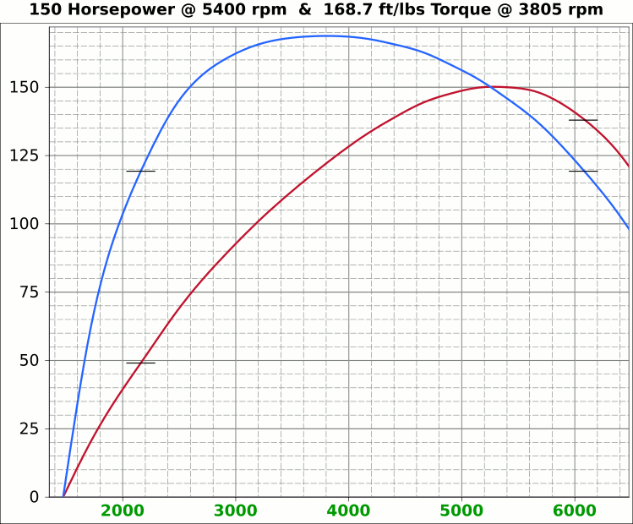
 | Airflow & Carburation |  |  |  |  | 3.622 | in.
 |  |  |  |  | Bore (mm) | 92 | 571.7 | cc
 | Change Only Blue Numbers |  |  |  | Stroke (mm) | 86 | 34.89 | in³
 |  |  |  |  |  | 3.386 | in.

 | 14.696 PSI At Sea Level |  |  |  | Cylinders | 4
14.696 | Atmospheric Pressure @ Altitude |  |  |  | Disp. | 139.5 | in³
3.00 | in/hg Carb. Calibration Value
0.74 | in/hg Maximum Carb. Pressure Drop
0.3610 | ∆PSI @ 0.735''/hg Pressure Drop |  |  |  |  | MCA Factors |  |  | Port MCA Dia" = RPM × Bore² × Stroke / 176000
92.0% | Wet Flow Compensation |  |  |  |  | 173881 | Brian Salter |  | Total Port Vol. / Cyl.Vol. = 92% to 95%
310 | Allocate CFM (Within Carburetor Limits) |  |  |  |  | 175831 | Avg. ↑ ↓
276 | Effective Available CFM (Drop/Cal., Wet Flow & Altitude Adj.) |  |  |  |  | 177780 | Flat Tappet | David Vizard
89.0% | Allocated CFM Usage |  |  |  |  | 195558 | Pro-Stock | Via
1.84 | CFM / BHP |  |  |  |  | 184136 | Race Roller | Bain Racing
150.0 | Peak BHP |  |  |  |  | Minimal Crossectional Area
126.6% | Volumetric Effeciency @ Peak |  |  |  |  | MCA Factor | 176000
3.91 | PSI Boost above 100% V.E. |  |  |  |  | Cyl.Vol. | 92.0% |  |  | 10.000 | in/H₂O | <─┐
5400 | @ Peak RPM |  |  |  |  | Ttl Port Vol. | 32.1 | in³ |  | 0.735 | in/hg | |
↑ ↑ ↑ |  |  |  |  |  |  |  |  |  | 0.361 | psi | 1.4287
6468 | RPM | 330.6 | 179.7 | Competition | 1.632 | 41.5 | 15.3 | 39.0 | MCA Redux | 20.413 | in/H₂O | <─┘
6162 | RPM | 314.9 | 171.2 | Competition | 1.555 | 39.5 | 16.9 | 42.9 | 0.95 | 1.500 | in/hg |  |  |  | 0
↑ ↑ ↑ |  |  |  |  |  | Port Dia.mm |  |  |  | 0.737 | psi
5802 | RPM | 296.5 | 161.2 | Production | 1.464 | 37.2 | 19.1 | 48.4 | MCA Redux | 14.696 | Air Pressure (PSI)
5766 | RPM | 294.7 | 160.2 | Production | 1.455 | 37.0 | 19.3 | 49.0 | 1.00 | 266 | CFM @ 10 in/H₂O
 |  |  |  |  |  |  |  |  |  | 380.0 | CFM @ 1.5 in/hg
Inc. |  | RPM CFM Horsepower |  |  | Port MCA |  | Runner
100 |  | Carb |  |  | Diameter |  | Length |  |  | 20.414 | in/H₂O
RPM |  | CFM | HP |  | In. | mm | In. | cm |  | 1.500 | in/hg
1000 |  | 51.1 | 27.8 |  | 0.252 | 6.4 | 641.6 | 1629.6 |  | 0.737 | psi
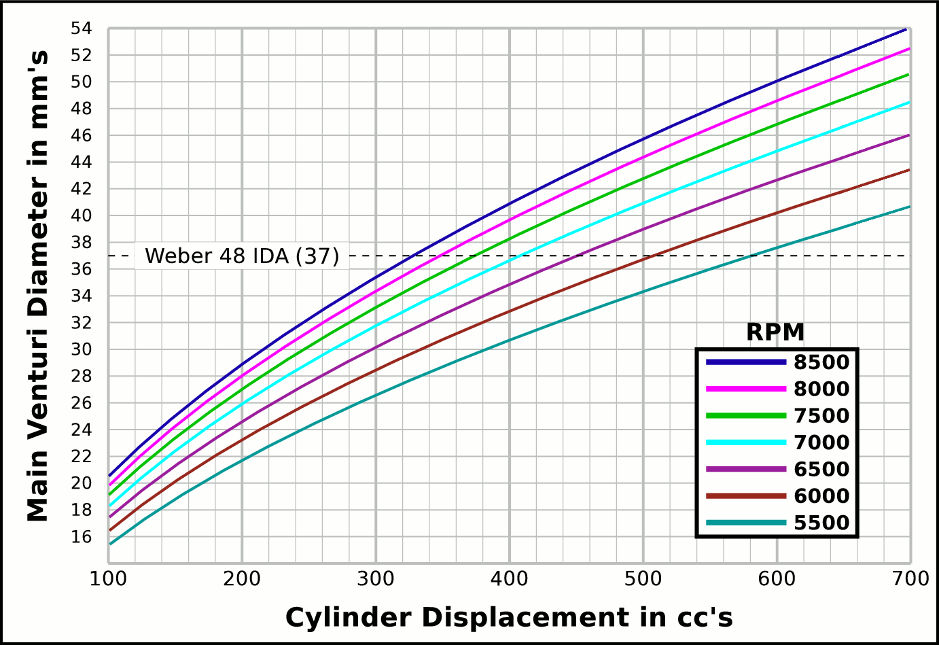
1100 |  | 56.2 | 30.6 |  | 0.278 | 7.1 | 530.2 | 1346.8
1200 |  | 61.3 | 33.3 |  | 0.303 | 7.7 | 445.5 | 1131.6 |  |  | CFM | CFM |  | Airflow Comparisons of
1300 |  | 66.4 | 36.1 |  | 0.328 | 8.3 | 379.6 | 964.2 |  | Carb | @ 10 in/H₂O | @ 1.5 in/hg |  | Frequently Used VW Carburetors
1400 |  | 71.6 | 38.9 |  | 0.353 | 9.0 | 327.3 | 831.4 |  | 28 PIC 36hp | 47 | 67 | Stock 21.5 Vent, Choke
1500 |  | 76.7 | 41.7 |  | 0.379 | 9.6 | 285.1 | 724.3 |  | 28 PIC F-Vee | 58 | 83 | Mod F-Vee Type, Big Vent, No Choke, Blended Top
1600 |  | 81.8 | 44.4 |  | 0.404 | 10.3 | 250.6 | 636.6 |  | 28 PIC 40hp | 52 | 74 | Stock 22.5 Vent
1700 |  | 86.9 | 47.2 |  | 0.429 | 10.9 | 222.0 | 563.9 |  | 30 PICT, 1 or 2 | 64 | 91 | Stock 24 Vent
1800 |  | 92.0 | 50.0 |  | 0.454 | 11.5 | 198.0 | 503.0 |  | 32 PDSIT - 2 | 53 | 76 | Stock 21.5 Vent.
1900 |  | 97.1 | 52.8 |  | 0.480 | 12.2 | 177.7 | 451.4 |  | 32 PDSIT - 2 | 64 | 91 | Mod 24.5 Vent, Smooth Shaft, Choke Out
2000 |  | 102.2 | 55.6 |  | 0.505 | 12.8 | 160.4 | 407.4 |  | 34 PICT - 3 | 80 | 114 | Stock 27 Vent
2100 |  | 107.3 | 58.3 |  | 0.530 | 13.5 | 145.5 | 369.5 |  | 32 PBIC Okrasa | 58 | 83 | Stock 24 Vent
2200 |  | 112.4 | 61.1 |  | 0.555 | 14.1 | 132.6 | 336.7 |  | 32 PBIC Okrasa | 63 | 90 | Mod 26 Vent, Smooth Shaft
2300 |  | 117.5 | 63.9 |  | 0.580 | 14.7 | 121.3 | 308.0 |  | 34 ICT Weber | 82 | 117 | Stock 29 Vent
2400 |  | 122.7 | 66.7 |  | 0.606 | 15.4 | 111.4 | 282.9 |  | 32 NDIX Zenith | 137 | 196 | Stock 24 Vent, 1600N or VW Single
2500 |  | 127.8 | 69.4 |  | 0.631 | 16.0 | 102.7 | 260.7 |  | 32 NDIX Zenith | 150 | 214 | Stock 28 Vent, 1600S Porsche
2600 |  | 132.9 | 72.2 |  | 0.656 | 16.7 | 94.9 | 241.1 |  | 32 NDIX Zenith | 161 | 230 | Mod 31 Vent, Top Crossbar, Out & Blended
2700 |  | 138.0 | 75.0 |  | 0.681 | 17.3 | 88.0 | 223.5 |  | 40 Solex/Kadron EIS | 100 | 143 | Stock 28 Vent, Crosssbar, Top Style
2800 |  | 143.1 | 77.8 |  | 0.707 | 17.9 | 81.8 | 207.9 |  | Solex 36/40 PDSI | 111 | 159 | Stock 30 Vent, BMW 2002, Choke Out
2900 |  | 148.2 | 80.6 |  | 0.732 | 18.6 | 76.3 | 193.8 |  | Holley/Weber R6503 | 157 | 224 | Mod 26/27 Vent, Choke Out, Mod Inlet & Progressive
3000 |  | 153.3 | 83.3 |  | 0.757 | 19.2 | 71.3 | 181.1 |  | Weber DGEV 32/36 | 166 | 237 | Stock 26/27 Vent, Progressive
3100 |  | 158.4 | 86.1 |  | 0.782 | 19.9 | 66.8 | 169.6 |  | Weber 40 DCNF | 237 | 339 | Stock 32 Vent
3200 |  | 163.5 | 88.9 |  | 0.808 | 20.5 | 62.7 | 159.1 |  | Aisin 21100-35463 32/40 | 228 | 326 | 26/40 Vent, 1985+ 22R (Toyota Hilux/Truck)
3300 |  | 168.7 | 91.7 |  | 0.833 | 21.2 | 58.9 | 149.6 |  | Solex 40 P114 | 233 | 332 | Stock 32 Vent
3400 |  | 173.8 | 94.4 |  | 0.858 | 21.8 | 55.5 | 141.0 |  | Solex 40 P114 | 253 | 361 | Mod 37.5 Vent, Pro Super Vee
3500 |  | 178.9 | 97.2 |  | 0.883 | 22.4 | 52.4 | 133.0 |  | Rochester VaraLet 2SE | 262 | 374 | 2.5L L4 Iron Duke, 2.8L 60° V6
3600 |  | 184.0 | 100.0 |  | 0.909 | 23.1 | 49.5 | 125.7 |  | Weber 40 IDF | 202 | 289 | Stock 28 Vent, w/ Air Horn
3700 |  | 189.1 | 102.8 |  | 0.934 | 23.7 | 46.9 | 119.0 |  | Weber 40 IDF (39) | 251 | 358 | Stock 32 Vent, Tall Sec. Vent & Air Horn
3800 |  | 194.2 | 105.5 |  | 0.959 | 24.4 | 44.4 | 112.9 |  | Weber 40 IDF (39) | 266 | 380 | Mod 34 Vent, Tall Sec. Vent & Air Horn
3900 |  | 199.3 | 108.3 |  | 0.984 | 25.0 | 42.2 | 107.1 |  | Weber 40 IDF (39) | 278 | 397 | Mod 36 Vent, Tall Sec. Vent & Air Horn
4000 |  | 204.4 | 111.1 |  | 1.010 | 25.6 | 40.1 | 101.8 |  | Weber 48 IDA | 290 | 414 | Stock 37 Vent, Tall Sec. Vent & Air Horn
4100 |  | 209.5 | 113.9 |  | 1.035 | 26.3 | 38.2 | 96.9 |  | Weber 48 DCO 1/SP | 376 | 538 | Stock 42 Vent, w/ Air Horn
4200 |  | 214.7 | 116.7 |  | 1.060 | 26.9 | 36.4 | 92.4
4300 |  | 219.8 | 119.4 |  | 1.085 | 27.6 | 34.7 | 88.1
4400 |  | 224.9 | 122.2 |  | 1.110 | 28.2 | 33.1 | 84.2 |  |  |  |  | One Venturi per Cylinder Setup
4500 |  | 230.0 | 125.0 |  | 1.136 | 28.8 | 31.7 | 80.5
4600 |  | 235.1 | 127.8 |  | 1.161 | 29.5 | 30.3 | 77.0
4700 |  | 240.2 | 130.5 |  | 1.186 | 30.1 | 29.0 | 73.8
4800 |  | 245.3 | 133.3 |  | 1.211 | 30.8 | 27.8 | 70.7
4900 |  | 250.4 | 136.1 |  | 1.237 | 31.4 | 26.7 | 67.9
5000 |  | 255.5 | 138.9 |  | 1.262 | 32.1 | 25.7 | 65.2
5100 |  | 260.7 | 141.7 |  | 1.287 | 32.7 | 24.7 | 62.7
5200 |  | 265.8 | 144.4 |  | 1.312 | 33.3 | 23.7 | 60.3
5300 |  | 270.9 | 147.2 |  | 1.338 | 34.0 | 22.8 | 58.0
5400 |  | 276.0 | 150.0 |  | 1.363 | 34.6 | 22.0 | 55.9
5500 |  | 281.1 | 152.8 |  | 1.388 | 35.3 | 21.2 | 53.9
5600 |  | 286.2 | 155.5 |  | 1.413 | 35.9 | 20.5 | 52.0
5700 |  | 291.3 | 158.3 |  | 1.439 | 36.5 | 19.7 | 50.2
5800 |  | 296.4 | 161.1 |  | 1.464 | 37.2 | 19.1 | 48.4
5900 |  | 301.5 | 163.9 |  | 1.489 | 37.8 | 18.4 | 46.8
6000 |  | 306.6 | 166.7 |  | 1.514 | 38.5 | 17.8 | 45.3
6100 |  | 311.8 | 169.4 |  | 1.540 | 39.1 | 17.2 | 43.8
6200 |  | 316.9 | 172.2 |  | 1.565 | 39.7 | 16.7 | 42.4
6300 |  | 322.0 | 175.0 |  | 1.590 | 40.4 | 16.2 | 41.1
6400 |  | 327.1 | 177.8 |  | 1.615 | 41.0 | 15.7 | 39.8
6500 |  | 332.2 | 180.5 |  | 1.640 | 41.7 | 15.2 | 38.6
6600 |  | 337.3 | 183.3 |  | 1.666 | 42.3 | 14.7 | 37.4
6700 |  | 342.4 | 186.1 |  | 1.691 | 43.0 | 14.3 | 36.3
6800 |  | 347.5 | 188.9 |  | 1.716 | 43.6 | 13.9 | 35.2
6900 |  | 352.6 | 191.7 |  | 1.741 | 44.2 | 13.5 | 34.2
7000 |  | 357.8 | 194.4 |  | 1.767 | 44.9 | 13.1 | 33.3
7100 |  | 362.9 | 197.2 |  | 1.792 | 45.5 | 12.7 | 32.3
...

Intake Horn & Runner
 |  |  |  |  | Throat Dia. | 41.5
 |  |  |  |  | From | 39.5
 |  |  | Volume |  | Suggested | 37.2
X |  | Runner | 22.45336646 |  | Valve Spec. | 37.0
~ Eff. Lngth |  | Horn | 10.111 | Correct Horn Volume Requires the Proper Summation Range be Set, Located @ Cells i59 & i60.
mm Horn Dia. |  | Total | 32.56
0 | 0.66929133858 | -0.66929133858
0.125 | 0.67282923423 | -0.67282923423
0.25 | 0.67638583132 | -0.67638583132
0.375 | 0.67996122869 | -0.67996122869
0.5 | 0.68355552572 | -0.68355552572
0.625 | 0.68716882233 | -0.68716882233
0.75 | 0.69080121894 | -0.69080121894
0.875 | 0.69445281651 | -0.69445281651
1 | 0.69812371655 | -0.69812371655
1.125 | 0.70181402108 | -0.70181402108
1.25 | 0.70552383268 | -0.70552383268
1.375 | 0.70925325447 | -0.70925325447
1.5 | 0.7130023901 | -0.7130023901
1.625 | 0.71677134378 | -0.71677134378
1.75 | 0.72056022028 | -0.72056022028
1.875 | 0.72436912489 | -0.72436912489
2 | 0.7281981635 | -0.7281981635
2.125 | 0.73204744254 | -0.73204744254
2.25 | 0.73591706898 | -0.73591706898
2.375 | 0.7398071504 | -0.7398071504
2.5 | 0.74371779491 | -0.74371779491
2.625 | 0.74764911122 | -0.74764911122
2.75 | 0.75160120859 | -0.75160120859
2.875 | 0.75557419687 | -0.75557419687
3 | 0.7595681865 | -0.7595681865
3.125 | 0.76358328849 | -0.76358328849
3.25 | 0.76761961444 | -0.76761961444
3.375 | 0.77167727653 | -0.77167727653
3.5 | 0.77575638756 | -0.77575638756
3.625 | 0.7798570609 | -0.7798570609
3.75 | 0.78397941054 | -0.78397941054
3.875 | 0.78812355104 | -0.78812355104
4 | 0.79228959761 | -0.79228959761
4.125 | 0.79647766604 | -0.79647766604
4.25 | 0.80068787273 | -0.80068787273
4.375 | 0.8049203347 | -0.8049203347
4.5 | 0.80917516961 | -0.80917516961
4.625 | 0.81345249572 | -0.81345249572
4.75 | 0.81775243191 | -0.81775243191
4.875 | 0.8220750977 | -0.8220750977
5 | 0.82642061324 | -0.82642061324
5.125 | 0.83078909931 | -0.83078909931
5.25 | 0.83518067735 | -0.83518067735
5.375 | 0.83959546941 | -0.83959546941
5.5 | 0.8440335982 | -0.8440335982
5.625 | 0.84849518709 | -0.84849518709
5.75 | 0.85298036007 | -0.85298036007
5.875 | 0.85748924183 | -0.85748924183
6 | 0.86202195768 | -0.86202195768
6.125 | 0.86657863362 | -0.86657863362
...
Deg. |  |  | in³
 |  |  | 93.3 | %
 |  |  | Cyl. Vol. |  | 1.0637435485
1.0059 | Dia.
mm | in. | +in. | -in.
37.0 | 1.455 | 0.728 | -0.728
37.2 | 1.464 | 0.732 | -0.732
37.4 | 1.472 | 0.736 | -0.736
37.6 | 1.481 | 0.741 | -0.741
37.8 | 1.490 | 0.745 | -0.745
38.1 | 1.498 | 0.749 | -0.749
38.3 | 1.507 | 0.754 | -0.754
38.5 | 1.516 | 0.758 | -0.758 |  | -1.0637435485
38.7 | 1.525 | 0.763 | -0.763
39.0 | 1.534 | 0.767 | -0.767
39.2 | 1.543 | 0.771 | -0.771
39.4 | 1.552 | 0.776 | -0.776
39.7 | 1.561 | 0.781 | -0.781 |  |  | Length " | Dia. "
39.9 | 1.570 | 0.785 | -0.785 |  |  | 0 | 1.455
40.1 | 1.580 | 0.790 | -0.790 |  |  | 0.5 | 1.490
40.4 | 1.589 | 0.794 | -0.794 |  |  | 1 | 1.525
40.6 | 1.598 | 0.799 | -0.799 |  |  | 1.5 | 1.561
40.8 | 1.608 | 0.804 | -0.804 |  |  | 2 | 1.598
41.1 | 1.617 | 0.808 | -0.808 |  |  | 2.5 | 1.636
41.3 | 1.626 | 0.813 | -0.813 |  |  | 3 | 1.675
41.6 | 1.636 | 0.818 | -0.818 |  |  | 3.5 | 1.714
...

Tires, Trans, RPM, MPH
...
 |  |  |  |  |  |  |  |  |  |  | VW Beetle Tire Sizes
-7.1 | 7.7 | 13.2 | 19.6 | 26.1 | 31.9 | 25.5 | In. Tire Diameter |  |  | Front | 185/75R14, 24.9x7.3
-7.7 | 8.5 | 14.4 | 21.4 | 28.5 | 34.8 | 6.7 | Ft. Circumference |  |  | Rear | 215/65R14, 25x8.5
-8.4 | 9.2 | 15.6 | 23.1 | 30.9 | 37.7 |  | 5-Seed Manual
-9.0 | 9.9 | 16.8 | 24.9 | 33.3 | 40.6 | Diff | 3.846 | ∆ |  |  | 15x6 Rims | A
-9.7 | 10.6 | 18.0 | 26.7 | 35.7 | 43.5 | 5 | 0.850 | 1.220 | 1.220 | Front | 185/70R15, 25.2x7.3
-10.3 | 11.3 | 19.2 | 28.5 | 38.0 | 46.4 | 4 | 1.037 | 1.335 | 1.629 | Rear | 215/60R15, 25.2x8.5
-11.0 | 12.0 | 20.4 | 30.3 | 40.4 | 49.3 | 3 | 1.385 | 1.485 | 2.418
-11.6 | 12.7 | 21.6 | 32.0 | 42.8 | 52.2 | 2 | 2.056 | 1.703 | 4.118 |  | 16x6 Rims
-12.3 | 13.4 | 22.8 | 33.8 | 45.2 | 55.1 | 1 | 3.500 |  | Total∆ | Front | 185/65R16, 25.5x7.3
-12.9 | 14.1 | 24.0 | 35.6 | 47.5 | 58.0 | Rev | -3.818 | Final | 3.269 | Rear | 215/55R16, 25.3x8.5
5 | 0.85
4 | 1
3 | 1.3
2 | 2
1 | 3.5
-13.6 | 14.8 | 25.2 | 37.4 | 49.9 | 60.9
-14.2 | 15.5 | 26.4 | 39.2 | 52.3 | 63.8
-14.8 | 16.2 | 27.6 | 40.9 | 54.7 | 66.7
-15.5 | 16.9 | 28.8 | 42.7 | 57.0 | 69.6
-16.1 | 17.6 | 30.0 | 44.5 | 59.4 | 72.5
-16.8 | 18.3 | 31.2 | 46.3 | 61.8 | 75.4
-17.4 | 19.0 | 32.4 | 48.1 | 64.2 | 78.3
-18.1 | 19.7 | 33.6 | 49.8 | 66.5 | 81.2
-18.7 | 20.4 | 34.8 | 51.6 | 68.9 | 84.1
-19.4 | 21.1 | 36.0 | 53.4 | 71.3 | 87.0
-20.0 | 21.8 | 37.2 | 55.2 | 73.7 | 89.9
-20.7 | 22.5 | 38.4 | 57.0 | 76.1 | 92.8
-21.3 | 23.2 | 39.6 | 58.7 | 78.4 | 95.7
-21.9 | 23.9 | 40.8 | 60.5 | 80.8 | 98.6
-22.6 | 24.6 | 42.0 | 62.3 | 83.2 | 101.5
-23.2 | 25.4 | 43.2 | 64.1 | 85.6 | 104.4
-23.9 | 26.1 | 44.4 | 65.9 | 87.9 | 107.3
-24.5 | 26.8 | 45.6 | 67.6 | 90.3 | 110.2
-25.2 | 27.5 | 46.8 | 69.4 | 92.7 | 113.1
-25.8 | 28.2 | 48.0 | 71.2 | 95.1 | 116.0
-26.5 | 28.9 | 49.2 | 73.0 | 97.4 | 118.9
-27.1 | 29.6 | 50.4 | 74.8 | 99.8 | 121.8
-27.8 | 30.3 | 51.6 | 76.5 | 102.2 | 124.7
-28.4 | 31.0 | 52.8 | 78.3 | 104.6 | 127.6
-29.0 | 31.7 | 54.0 | 80.1 | 107.0 | 130.5
-29.7 | 32.4 | 55.2 | 81.9 | 109.3 | 133.4
-30.3 | 33.1 | 56.4 | 83.7 | 111.7 | 136.3
-31.0 | 33.8 | 57.6 | 85.4 | 114.1 | 139.2
-31.6 | 34.5 | 58.8 | 87.2 | 116.5 | 142.1
-32.3 | 35.2 | 60.0 | 89.0 | 118.8 | 145.0
-32.9 | 35.9 | 61.2 | 90.8 | 121.2 | 147.9
-33.6 | 36.6 | 62.4 | 92.6 | 123.6 | 150.8
MPH | MPH | MPH | MPH | MPH | MPH | WheelRPM
-6.7 | 7.3 | 12.4 | 18.4 | 24.6 | 30.0 | 396
-7.8 | 8.5 | 14.5 | 21.5 | 28.7 | 35.0 | 462
-8.9 | 9.7 | 16.5 | 24.6 | 32.8 | 40.0 | 527
-10.0 | 10.9 | 18.6 | 27.6 | 36.9 | 45.0 | 593
-11.1 | 12.1 | 20.7 | 30.7 | 41.0 | 50.0 | 659
-12.2 | 13.4 | 22.7 | 33.8 | 45.1 | 55.0 | 725
-13.4 | 14.6 | 24.8 | 36.8 | 49.2 | 60.0 | 791
-14.5 | 15.8 | 26.9 | 39.9 | 53.3 | 65.0 | 857
-15.6 | 17.0 | 28.9 | 43.0 | 57.4 | 70.0 | 923
...

