Displacement & Cam Protractor
 | VW Air Cooled Boxster |  |  | Displacement Calculator, Table, Protractor, Valve Timings & Sizing
 | Small Block Chevy 327in³ V8
Displacement Calculator |  |  |  |  |  | Magnesuim | Aluminum | Case
Squareness | 1.231 | 1.091 | Change Only Blue Numbers |  |  | S↓ x B→ | 77 | 83 | 85.5 | 86 | 87 | 88 | 90 | 90.5 | 92 | 94 | 96.5 | 101.6
 | 4.001" |  |  |  |  | 64 | 1192 | 1385 | 1470 | 1487 | 1522 | 1557 | 1629 | 1647 | 1702 | 1777 | 1782 | 2075
Bore (mm) | 101.63 | 669.6 | cc |  |  | 69 | 1285 | 1493 | 1585 | 1603 | 1641 | 1679 | 1756 | 1775 | 1835 | 1915 | 2019 | 2237
Stroke (mm) | 82.55 | 40.861 | in³ |  |  | 74 | 1378 | 1602 | 1700 | 1719 | 1760 | 1800 | 1883 | 1904 | 1968 | 2054 | 2165 | 2399
 | 3.25" |  | 13.9500279 |  |  | 76 | 1416 | 1645 | 1745 | 1766 | 1807 | 1849 | 1934 | 1956 | 2021 | 2110 | 2223 | 2465
 | 5.85" ≥ Length ≥ 5.2" |  |  | In | mm | 78 | 1453 | 1688 | 1791 | 1812 | 1855 | 1898 | 1985 | 2007 | 2074 | 2165 | 2282 | 2529
Rod Length (In) | 5.700 | 1.754 | :1 | 3.25 | 145 | 80 | 1490 | 1731 | 1837 | 1859 | 1902 | 1946 | 2036 | 2058 | 2127 | 2221 | 2340 | 2594
 | 144.8 | mm |  | mm | In | 82 | 1527 | 1775 | 1883 | 1905 | 1950 | 1995 | 2087 | 2110 | 2180 | 2276 | 2399 | 2659
Cylinders | 8 |  | Other | 82.6 | 5.709 | 84 | 1565 | 1818 | 1929 | 1952 | 1997 | 2044 | 2138 | 2161 | 2234 | 2332 | 2457 | 2724
Displacement | 326.9 | in³ | Configurations |  |  | 86 | 1602 | 1861 | 1975 | 1998 | 2045 | 2092 | 2188 | 2213 | 2287 | 2387 | 2516 | 2789
Total | 5356.7 | cc | 88×74 |  |  | 88 | 1639 | 1905 | 2021 | 2045 | 2093 | 2141 | 2239 | 2264 | 2340 | 2443 | 2574 | 2854
 | 5.3567091102 | L | 88×82 |  |  | 90 | 1676 | 1948 | 2067 | 2091 | 2140 | 2190 | 2290 | 2316 | 2393 | 2498 | 2633 | 2919
 |  |  | 86×86 |  |  | Studs | 10mm | 10mm | 10mm | 10mm | 10mm | 9mm | 8mm | 8mm | 8mm | 8mm | 8mm | 8mm
HP/Cyl. | 56.25 |  | 92×86
HP | 450.0 |  | 5 Cylinder |  |  |  |  |  |  |  |  | Links: | VW Boxster |  |  |  |  |  |  |  |  | A
HP/in³ | 1.38 |  |  |  |  |  |  |  |  |  |  |  | David Vizard |  |  |  |  |  |  | Piston Speed in FPM
CR (8-18) vs. Tq/Cube (Max) | 1.34 | 437.5 | ft/lbs Max.Torque |  |  |  |  |  |  |  |  |  | How to Build Horsepower |  |  | 📓 |  |  | 250 | Inc.
Compression Ratio | 10.00 | :1 | With very high compression ceramic coated insulated combustion chambers are highly recomended. |  |  |  |  |  |  |  |  |  | How to Port & Flow Cylinder Heads |  |  |  | 📓 |  | RPM | Mean | Max
Crown to Wall Vol. | 2.00 | cc |  |  |  |  |  |  |  |  |  |  | IOP Flow program |  |  |  |  |  | 2000 | 1083 | 1702
Deck Height | 0.04 | " |  |  |  |  |  |  |  |  |  |  | Engine Math |  | 📓 |  |  |  | 2250 | 1219 | 1914
Deck Ht Vol. | 8.24 | cc |  | Dynamic Calculations |  | ©2025 - J.S. Gilstrap - All Rights Reserved. |  |  |  |  |  |  | PipeMax |  |  |  |  |  | 2500 | 1354 | 2127
Chamber Vol. | 74.40 | cc |  | 38.4 |  | Creative Commons |  | (CC BY-SA 4.0) |  |  |  |  | Bain Racing |  | YouTube |  |  |  | 2750 | 1490 | 2340
Head Vol. | 64.16 | cc |  | 15.0 |  | Hardware Licenses: |  | TAPR-OHL |  | CERN-OHL-S |  |  | Turbo power without Turbo through resonance. |  |  |  |  |  | 3000 | 1625 | 2553
Dynamic Stroke | 61.51 | mm |  | 139.6 |  |  |  |  |  |  |  |  | Brian Salter |  | Salter Racing Engines |  |  |  | 3250 | 1760 | 2765
Dynamic Compression | 7.71 | :1 | × VE Factor: 10.37:1 | 124.5 |  |  |  |  |  |  |  |  | Ben Almeda |  | Alemeda Racing |  |  |  | 3500 | 1896 | 2978
(Intake Valve Close @ ~.020") | For Dynamic Stroke & Compression enter camshaft timing data, B39 to B42, and update valve events in camshaft protractor, C46 to C55. |  |  |  |  |  |  |  |  |  |  |  | MotoIQ | YouTube |  |  |  |  | 3750 | 2031 | 3191
Cranking Pressure | 154.0 | PSI |  |  |  |  |  |  |  |  |  |  |  |  |  |  |  |  | 4000 | 2167 | 3403
× VE Factor (Max) | 207.3 | PSI |  |  |  |  |  |  |  |  |  |  |  |  |  |  |  |  | 4250 | 2302 | 3616
Calculated Valve Diameter | In / Ex |  | LSA/LCA |  | Camshaft Protractor |  |  |  |  |  |  |  |  |  |  |  |  |  | 4500 | 2438 | 3829
Competition | 51.8 / 40.7 | mm | ~ 109.5 ° |  |  |  |  |  |  |  |  |  |  |  |  |  |  |  | 4750 | 2573 | 4042
Production | 49.8 / 39.8 | mm | ~ 107.1 ° |  |  |  |  |  |  |  |  |  |  |  |  |  |  |  | 5000 | 2708 | 4254
Cam Lift | 0.400 | " |  | Manual Input |  |  |  |  |  |  |  |  |  |  |  |  |  |  | 5250 | 2844 | 4467
Rocker Ratio 1: | 1.600 | 31.4% Lift Of Intake Valve Dia. |  | 30.8 | % |  |  |  |  |  |  |  |  |  |  |  |  |  | 5500 | 2979 | 4680
Valve Lift | 0.640 | " 34.6% Lift Of Intake Valve Dia. |  | 33.4 | % |  | TDC |  |  |  |  |  |  |  |  |  |  |  | 5750 | 3115 | 4892
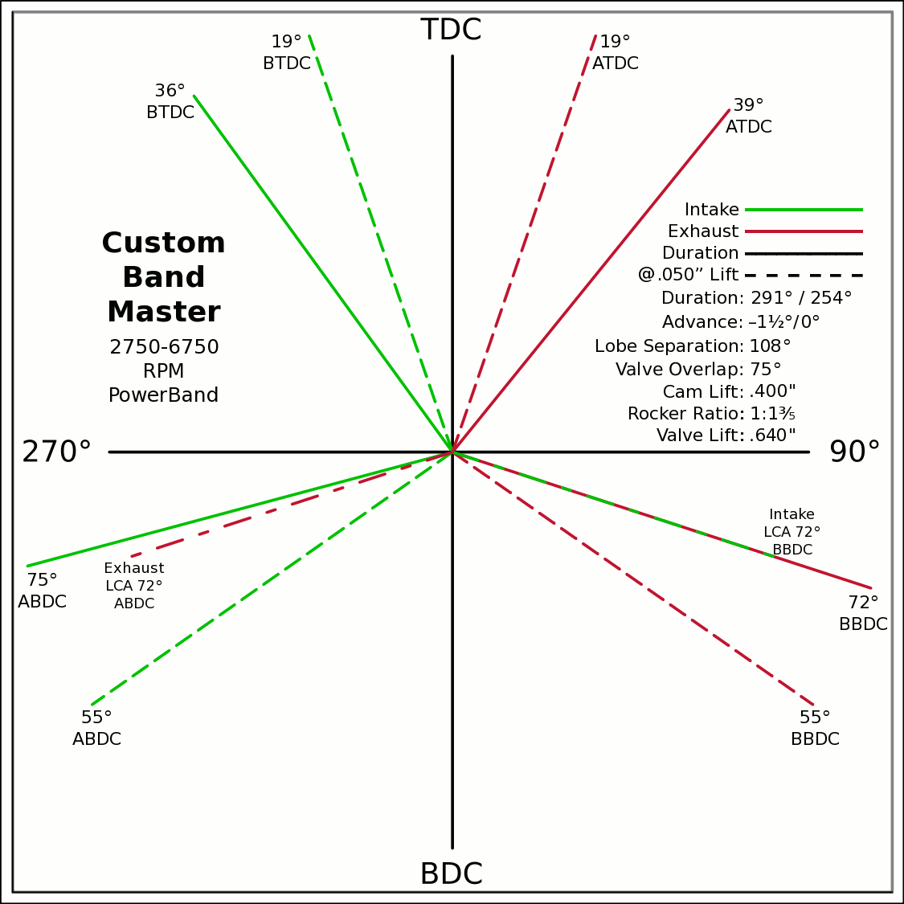
Advance | 0 | ° | -1.5 / 0 |  | 0 | 0 |  |  |  |  |  |  |  |  |  |  |  |  | 6000 | 3250 | 5105
Lobes: Separation ∠ | 108 | ° | 293 / 256 |  | -0.5878 | 0.8090 |  |  |  |  |  |  |  |  |  |  |  |  | 6250 | 3385 | 5318
Duration ───── | 291 | ° | Custom |  | 0 | 0 |  |  |  |  |  |  |  |  |  |  |  |  | 6500 | 3521 | 5531
Dur. @ .050" ─ ─ ─ | 254 | ° |  |  | 0.6293 | 0.7771 |  |  |  |  |  |  |  |  |  |  |  |  | 6750 | 3656 | 5743
Intake | ───── | 68.6 | DCR Angle |  | 0 | 0 |  |  |  |  |  |  |  |  |  |  |  |  | 7000 | 3792 | 5956
Exaust | ───── | 1.198 | Radians |  | -0.9659 | -0.2588 |  |  |  |  |  |  |  |  |  |  |  |  | 7250 | 3927 | 6169
 | ☞ | Valve Events |  |  | 0 | 0 | X & Y Axes |  |  |  |  |  |  |  |  |  |  |  | 7500 | 4063 | 6381
Intake Open | 37.5 | 36 | ° BTDC |  | 0.9511 | -0.3090 | 0 | 1 |  |  |  |  |  |  |  |  |  |  | 7750 | 4198 | 6594
Exaust Close | 37.5 | 39 | ° ATDC |  | 37.5 |  | 0 | -1 |  |  |  |  |  |  |  |  |  |  | 8000 | 4333 | 6807
Intake Close | 73.5 | 75 | ° ABDC |  | 18.5 |  | -1 | 0 |  |  |  |  |  |  |  |  |  |  | 8250 | 4469 | 7019
Exaust Open | 73.5 | 72 | ° BBDC |  | 0 | 0 | 1 | 0 |  |  |  |  |  |  |  |  |  |  | 8500 | 4604 | 7232
 | ☞ |  |  |  | -0.3256 | 0.9455 |  |  |  |  |  |  |  |  |  |  |  |  | 8750 | 4740 | 7445
Dur. @ .050" | ☞ |  |  | 270° | 0 | 0 |  |  |  |  | 90° |  |  |  |  |  |  |  | 9000 | 4875 | 7658
Intake Open | 19 | 19 | ° BTDC |  | 0.3256 | 0.9455 |  |  |  |  |  |  |  |  |  |  |  |  | 9250 | 5010 | 7870
Exaust Close | 19 | 19 | ° ATDC |  | 0 | 0 |  |  |  |  |  |  |  |  |  |  |  |  | 9500 | 5146 | 8083
Intake Close | 55 | 55 | ° ABDC |  | -0.8192 | -0.5736 |  |  |  |  |  |  |  |  |  |  |  |  | Valves | Rings | Rings
Exaust Open | 55 | 55 | ° BBDC |  | 0 | 0
 | ☞ | ⇓ |  |  | 0.8192 | -0.5736
 | Final Lobe Separation ∠ | 108 | ° |  | 125
 | Valve Overlap | 75 | ° |  | 341 | 252
 |  |  |  |  | 379 | 468
 |  |  |  |  | 595
 | Suggested Valve Specifications
 | & Cam LSA/LCA
Competition |  | 91.0% | Throat ÷ Valve Dia.
Valve Stem Dia. | 8 | mm | Manual Input
Intake Valve Dia. | 51.8 | mm | 52.8 |  |  |  | BDC
Intake Throat Dia. | 47.2 | mm | 48.1
Adjusted Throat Dia. | 46.5 | mm | 47.4
Bore Space | 9.1 | mm | 8.2
Exhaust Valve Dia. | 40.7 | mm | 40.6
Exhaust Throat Dia. | 37.0 | mm | 37.0
Adjusted Throat Dia. | 36.1 | mm | 36.1
Exhaust ÷ Intake Throat Area | 60.4% | % | 58.0%
 | Calculated |  | Defined
Chamber cc ÷ Intake Throat Dia." | 20.0 | 12.695 | 19.6
Lobe Centerline Angle | ~ 109.5 ° | ~ | 109.9 °
K | 100 | Modified Equation (Nom.100) ☟
 |  | Experiment with Different Values

Production
Valve Stem Dia. | 8 | mm | Manual Input
Intake Valve Dia. | 49.8 | mm | 51.3
Intake Throat Dia. | 42.8 | mm | 44.3
Adjusted Throat Dia. | 42.0 | mm | 43.6
Bore Space | 12.0 | mm | 9.7
Exhaust Valve Dia. | 39.8 | mm | 40.6 |  |  | (Intake Throat Dia.In) |  | Graph Data From: |  | Graph | Test
Exhaust Throat Dia. | 32.8 | mm | 33.6 | K +1.164 × (28.196-Cham.cc÷ITD) |  |  |  | How to Build Horespower |  | Try Me | 28.1957
Adjusted Throat Dia. | 31.8 | mm | 32.7 | Modified Equation & Konstants |  |  |  |  |  | 100 | Konstant
Exhaust ÷ Intake Throat Area | 57.5% | % | 56.2% | 99.0 | ? VW Air Cooled |  |  |  |  | 28.20 | Cyl. / Valve
 | Calculated |  | Defined | 99.0 | Small Block Ford |  | 127 |  |  | 10 | CR
Chamber cc ÷ Intake Throat Dia." | 22.1 | 12.695 | 21.3 | 100.0 | Small Block Chevy |  | 128 |  |  | 100 ° | LSA/LCA
Lobe Centerline Angle | ~ 107.1 ° | ~ | 108 ° | 104.0 | Big Block Chevy |  | 132 | LSA=LCA when the cam is timed straight up, no advance/retard.
K | 100 | Modified Equation (Nom.100) ☞ |  | 105.0 | Big Block Ford |  | 133
 |  | Experiment with Different Values |  |  |  | Vizard's Original Equation & Konstants
 |  |  |  |  |  | K - (Cyl.CID ÷ ValveDia. × 0.91)
The Konstant will vary according chamber shape, valve canting, crossflow ability, valve shrouding & other factors. |  |  |  |  |  |  | 3.00
 |  | Finding the right value for the head design is important. |  |  |  |  | CR Comp
LCA Formula |  |  |  |  | Graph curve tweaking parameters. Do NOT change unless necessary. ☞ | 4.320 | 3.63
Let CDTD = Chamber cc ÷ Intake Throat Dia. |  | 20 to 14 Compensation |  | 14 to 10 Compensation |  | 20 to 14 | 14 to 10
K +1.1642×(28.1957─CDTD) ─IF[CDTD<20,(20─CDTD)÷4.32,0] ─IF[CDTD<14,(14─CDTD)÷3.63,0] +(10-CR)/3
This equation has been tuned to follow the graph exactly within ±⅛° (above right). |  |  |  | 12.695=0.91×25.4×Cyl.CID÷Chamber.cc @ 10:1 CR

Airflow & Carburation
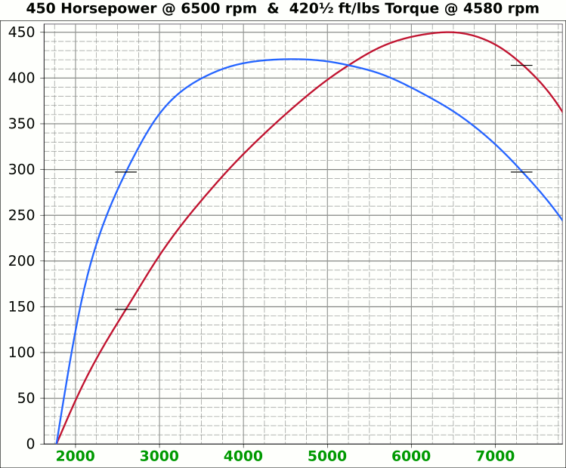
 | Airflow & Carburation |  |  |  |  | 4.001 | in.
 |  |  |  |  | Bore (mm) | 101.63 | 669.6 | cc
 | Change Only Blue Numbers |  |  |  | Stroke (mm) | 82.55 | 40.86 | in³
 |  |  |  |  |  | 3.250 | in.

 | 14.696 PSI At Sea Level |  |  |  | Cylinders | 8
14.696 | Atmospheric Pressure @ Altitude |  |  |  | Disp. | 326.9 | in³
1.50 | in/hg Carb. Calibration Value
0.74 | in/hg Maximum Carb. Pressure Drop
0.3610 | ∆PSI @ 0.735''/hg Pressure Drop |  |  |  |  | MCA Factors |  |  | Port MCA Dia" = RPM × Bore² × Stroke / 195558
92.0% | Wet Flow Compensation |  |  |  |  | 173881 | Brian Salter |  | Total Port Vol. / Cyl.Vol. = 92% to 95%
924 | Allocate CFM (Within Carburetor Limits) |  |  |  |  | 175831 | Avg. ↑ ↓
828 | Effective Available CFM (Drop/Cal., Wet Flow & Altitude Adj.) |  |  |  |  | 177780 | Flat Tappet | David Vizard
89.6% | Allocated CFM Usage |  |  |  |  | 195558 | Pro-Stock | Via
1.84 | CFM / BHP |  |  |  |  | 184136 | Race Roller | Bain Racing
450.0 | Peak BHP |  |  |  |  | Minimal Crossectional Area
134.6% | Volumetric Effeciency @ Peak |  |  |  |  | MCA Factor | 195558
5.08 | PSI Boost above 100% V.E. |  |  |  |  | Cyl.Vol. | 92.0% |  |  | 10.000 | in/H₂O | <─┐
6504 | @ Peak RPM |  |  |  |  | Ttl Port Vol. | 37.6 | in³ |  | 0.735 | in/hg | |
↑ ↑ ↑ |  |  |  |  |  |  |  |  |  | 0.361 | psi | 1.4287
6879 | RPM | 875.7 | 475.9 | Competition | 1.830 | 46.5 | 14.3 | 36.3 | MCA Redux | 20.413 | in/H₂O | <─┘
7030 | RPM | 894.9 | 486.4 | Competition | 1.870 | 47.5 | 13.7 | 34.8 | 1.00 | 1.500 | in/hg |  |  |  | 0
↑ ↑ ↑ |  |  |  |  |  | Port Dia.mm |  |  |  | 0.737 | psi
6216 | RPM | 791.3 | 430.0 | Production | 1.654 | 42.0 | 17.5 | 44.5 | MCA Redux | 14.696 | Air Pressure (PSI)
6504 | RPM | 828.0 | 450.0 | Production | 1.730 | 44.0 | 16.0 | 40.6 | 1.01 | 266 | CFM @ 10 in/H₂O
 |  |  |  |  |  |  |  |  |  | 380.0 | CFM @ 1.5 in/hg
Inc. |  | RPM CFM Horsepower |  |  | Port MCA |  | Runner
100 |  | Carb |  |  | Diameter |  | Length |  |  | 20.414 | in/H₂O
RPM |  | CFM | HP |  | In. | mm | In. | cm |  | 1.500 | in/hg
1000 |  | 127.3 | 69.2 |  | 0.266 | 6.8 | 676.3 | 1717.7 |  | 0.737 | psi
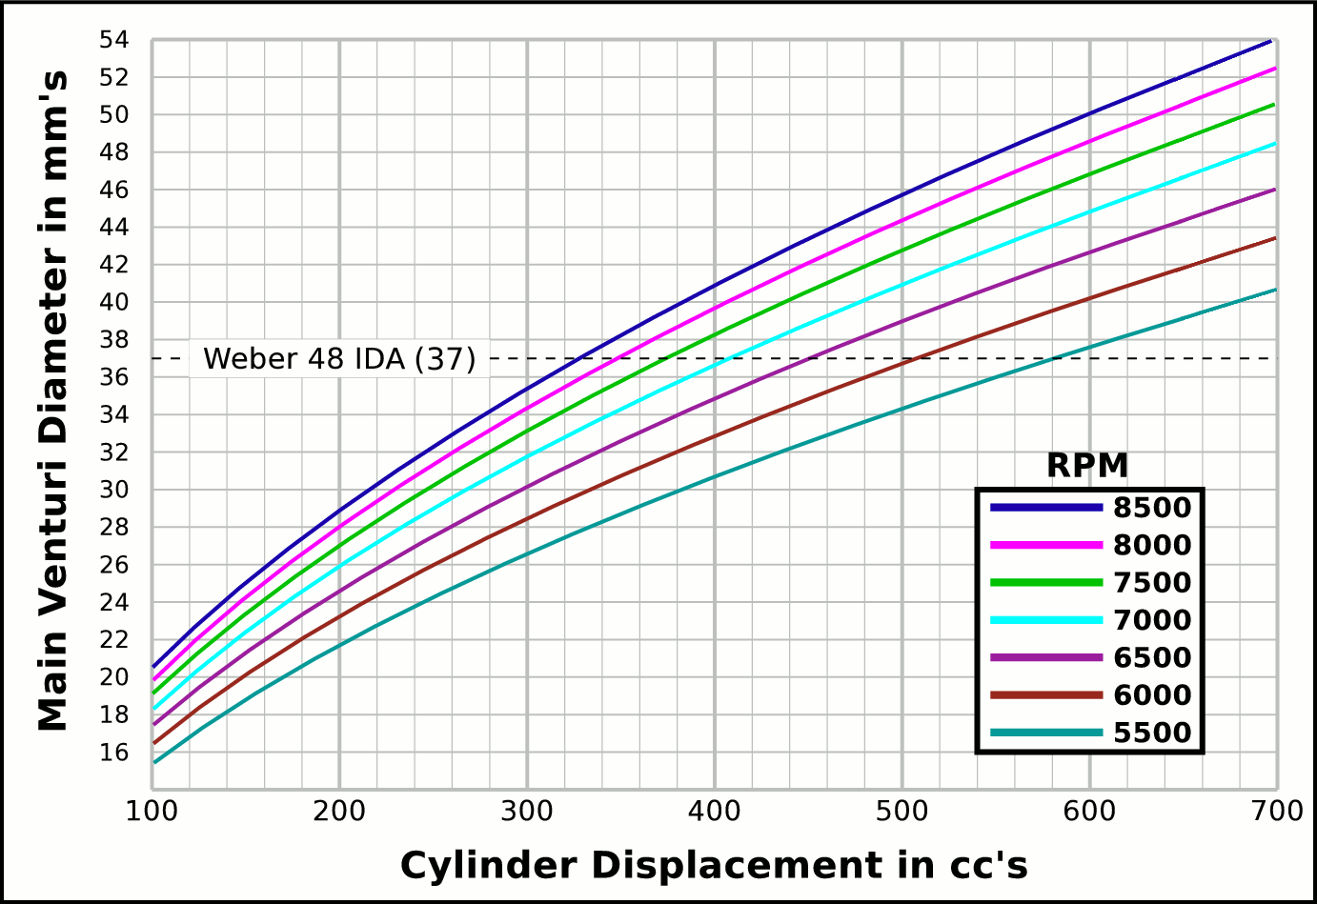
1100 |  | 140.0 | 76.1 |  | 0.293 | 7.4 | 558.9 | 1419.6
1200 |  | 152.8 | 83.0 |  | 0.319 | 8.1 | 469.6 | 1192.9 |  |  | CFM | CFM |  | Airflow Comparisons of
1300 |  | 165.5 | 89.9 |  | 0.346 | 8.8 | 400.2 | 1016.4 |  | Carb | @ 10 in/H₂O | @ 1.5 in/hg |  | Frequently Used VW Carburetors
1400 |  | 178.2 | 96.9 |  | 0.372 | 9.5 | 345.0 | 876.4 |  | 28 PIC 36hp | 47 | 67 | Stock 21.5 Vent, Choke
1500 |  | 191.0 | 103.8 |  | 0.399 | 10.1 | 300.6 | 763.4 |  | 28 PIC F-Vee | 58 | 83 | Mod F-Vee Type, Big Vent, No Choke, Blended Top
1600 |  | 203.7 | 110.7 |  | 0.426 | 10.8 | 264.2 | 671.0 |  | 28 PIC 40hp | 52 | 74 | Stock 22.5 Vent
1700 |  | 216.4 | 117.6 |  | 0.452 | 11.5 | 234.0 | 594.4 |  | 30 PICT, 1 or 2 | 64 | 91 | Stock 24 Vent
1800 |  | 229.1 | 124.5 |  | 0.479 | 12.2 | 208.7 | 530.2 |  | 32 PDSIT - 2 | 53 | 76 | Stock 21.5 Vent.
1900 |  | 241.9 | 131.5 |  | 0.505 | 12.8 | 187.3 | 475.8 |  | 32 PDSIT - 2 | 64 | 91 | Mod 24.5 Vent, Smooth Shaft, Choke Out
2000 |  | 254.6 | 138.4 |  | 0.532 | 13.5 | 169.1 | 429.4 |  | 34 PICT - 3 | 80 | 114 | Stock 27 Vent
2100 |  | 267.3 | 145.3 |  | 0.559 | 14.2 | 153.3 | 389.5 |  | 32 PBIC Okrasa | 58 | 83 | Stock 24 Vent
2200 |  | 280.1 | 152.2 |  | 0.585 | 14.9 | 139.7 | 354.9 |  | 32 PBIC Okrasa | 63 | 90 | Mod 26 Vent, Smooth Shaft
2300 |  | 292.8 | 159.1 |  | 0.612 | 15.5 | 127.8 | 324.7 |  | 34 ICT Weber | 82 | 117 | Stock 29 Vent
2400 |  | 305.5 | 166.0 |  | 0.638 | 16.2 | 117.4 | 298.2 |  | 32 NDIX Zenith | 137 | 196 | Stock 24 Vent, 1600N or VW Single
2500 |  | 318.3 | 173.0 |  | 0.665 | 16.9 | 108.2 | 274.8 |  | 32 NDIX Zenith | 150 | 214 | Stock 28 Vent, 1600S Porsche
2600 |  | 331.0 | 179.9 |  | 0.692 | 17.6 | 100.0 | 254.1 |  | 32 NDIX Zenith | 161 | 230 | Mod 31 Vent, Top Crossbar, Out & Blended
2700 |  | 343.7 | 186.8 |  | 0.718 | 18.2 | 92.8 | 235.6 |  | 40 Solex/Kadron EIS | 100 | 143 | Stock 28 Vent, Crosssbar, Top Style
2800 |  | 356.5 | 193.7 |  | 0.745 | 18.9 | 86.3 | 219.1 |  | Solex 36/40 PDSI BMW | 111 | 159 | Stock 30 Vent, BMW 2002, Choke Out
2900 |  | 369.2 | 200.6 |  | 0.772 | 19.6 | 80.4 | 204.2 |  | Holley/Weber R6503 | 157 | 224 | Mod 26/27 Vent, Choke Out, Mod Inlet & Progressive
3000 |  | 381.9 | 207.6 |  | 0.798 | 20.3 | 75.1 | 190.9 |  | Weber DGEV 32/36 | 166 | 237 | Stock 26/27 Vent, Progressive
3100 |  | 394.6 | 214.5 |  | 0.825 | 20.9 | 70.4 | 178.7 |  | Weber DGEV 32/36 | 186 | 267 | Mod 26/30 Vent, Annular Boosters, Progressive
3200 |  | 407.4 | 221.4 |  | 0.851 | 21.6 | 66.0 | 167.7 |  | Weber 40 DCNF | 237 | 339 | Stock 32 Vent
3300 |  | 420.1 | 228.3 |  | 0.878 | 22.3 | 62.1 | 157.7 |  | Aisin 21100-35463 32/40 | 228 | 326 | 26/40 Vent, 1985+ 22R (Toyota Hilux/Truck)
3400 |  | 432.8 | 235.2 |  | 0.905 | 23.0 | 58.5 | 148.6 |  | Solex 40 P114 | 233 | 332 | Stock 32 Vent
3500 |  | 445.6 | 242.2 |  | 0.931 | 23.7 | 55.2 | 140.2 |  | Solex 40 P114 | 253 | 361 | Mod 37.5 Vent, Pro Super Vee
3600 |  | 458.3 | 249.1 |  | 0.958 | 24.3 | 52.2 | 132.5 |  | Rochester VaraLet 2SE | 262 | 374 | 2.5L L4 Iron Duke, 2.8L 60° V6
3700 |  | 471.0 | 256.0 |  | 0.984 | 25.0 | 49.4 | 125.5 |  | Weber 40 IDF | 202 | 289 | Stock 28 Vent, w/ Air Horn
3800 |  | 483.8 | 262.9 |  | 1.011 | 25.7 | 46.8 | 119.0 |  | Weber 40 IDF (39) | 251 | 358 | Stock 32 Vent, Tall Sec. Vent & Air Horn
3900 |  | 496.5 | 269.8 |  | 1.038 | 26.4 | 44.5 | 112.9 |  | Weber 40 IDF (39) | 266 | 380 | Mod 34 Vent, Tall Sec. Vent & Air Horn
4000 |  | 509.2 | 276.7 |  | 1.064 | 27.0 | 42.3 | 107.4 |  | Weber 40 IDF (39) | 278 | 397 | Mod 36 Vent, Tall Sec. Vent & Air Horn
4100 |  | 521.9 | 283.7 |  | 1.091 | 27.7 | 40.2 | 102.2 |  | Weber 48 IDA | 290 | 414 | Stock 37 Vent, Tall Sec. Vent & Air Horn
4200 |  | 534.7 | 290.6 |  | 1.117 | 28.4 | 38.3 | 97.4 |  | Weber 48 DCO 1/SP | 376 | 538 | Stock 42 Vent, w/ Air Horn
4300 |  | 547.4 | 297.5 |  | 1.144 | 29.1 | 36.6 | 92.9
4400 |  | 560.1 | 304.4 |  | 1.171 | 29.7 | 34.9 | 88.7 |  |  |  |  | One Venturi per Cylinder Setup
4500 |  | 572.9 | 311.3 |  | 1.197 | 30.4 | 33.4 | 84.8
4600 |  | 585.6 | 318.3 |  | 1.224 | 31.1 | 32.0 | 81.2
4700 |  | 598.3 | 325.2 |  | 1.250 | 31.8 | 30.6 | 77.8
4800 |  | 611.1 | 332.1 |  | 1.277 | 32.4 | 29.4 | 74.6
4900 |  | 623.8 | 339.0 |  | 1.304 | 33.1 | 28.2 | 71.5
5000 |  | 636.5 | 345.9 |  | 1.330 | 33.8 | 27.1 | 68.7
5100 |  | 649.3 | 352.9 |  | 1.357 | 34.5 | 26.0 | 66.0
5200 |  | 662.0 | 359.8 |  | 1.383 | 35.1 | 25.0 | 63.5
5300 |  | 674.7 | 366.7 |  | 1.410 | 35.8 | 24.1 | 61.2
5400 |  | 687.4 | 373.6 |  | 1.437 | 36.5 | 23.2 | 58.9
5500 |  | 700.2 | 380.5 |  | 1.463 | 37.2 | 22.4 | 56.8
5600 |  | 712.9 | 387.4 |  | 1.490 | 37.8 | 21.6 | 54.8
5700 |  | 725.6 | 394.4 |  | 1.516 | 38.5 | 20.8 | 52.9
5800 |  | 738.4 | 401.3 |  | 1.543 | 39.2 | 20.1 | 51.1
5900 |  | 751.1 | 408.2 |  | 1.570 | 39.9 | 19.4 | 49.3
6000 |  | 763.8 | 415.1 |  | 1.596 | 40.5 | 18.8 | 47.7
6100 |  | 776.6 | 422.0 |  | 1.623 | 41.2 | 18.2 | 46.2
6200 |  | 789.3 | 429.0 |  | 1.649 | 41.9 | 17.6 | 44.7
6300 |  | 802.0 | 435.9 |  | 1.676 | 42.6 | 17.0 | 43.3
6400 |  | 814.7 | 442.8 |  | 1.703 | 43.2 | 16.5 | 41.9
6500 |  | 827.5 | 449.7 |  | 1.729 | 43.9 | 16.0 | 40.7
6600 |  | 840.2 | 456.6 |  | 1.756 | 44.6 | 15.5 | 39.4
6700 |  | 852.9 | 463.6 |  | 1.782 | 45.3 | 15.1 | 38.3
6800 |  | 865.7 | 470.5 |  | 1.809 | 45.9 | 14.6 | 37.1
6900 |  | 878.4 | 477.4 |  | 1.836 | 46.6 | 14.2 | 36.1
7000 |  | 891.1 | 484.3 |  | 1.862 | 47.3 | 13.8 | 35.1
7100 |  | 903.9 | 491.2 |  | 1.889 | 48.0 | 13.4 | 34.1
7200 |  | 916.6 | 498.1 |  | 1.915 | 48.7 | 13.0 | 33.1
7300 |  | 929.3 | 505.1 |  | 1.942 | 49.3 | 12.7 | 32.2
7400 |  | 942.1 | 512.0 |  | 1.969 | 50.0 | 12.3 | 31.4
7500 |  | 954.8 | 518.9 |  | 1.995 | 50.7 | 12.0 | 30.5
7600 |  | 967.5 | 525.8 |  | 2.022 | 51.4 | 11.7 | 29.7
7700 |  | 980.2 | 532.7 |  | 2.048 | 52.0 | 11.4 | 29.0
7800 |  | 993.0 | 539.7 |  | 2.075 | 52.7 | 11.1 | 28.2
7900 |  | 1005.7 | 546.6 |  | 2.102 | 53.4 | 10.8 | 27.5
...

Intake Horn & Runner
 |  |  |  |  | Throat Dia. | 46.5
 |  |  |  |  | From | 47.5
 |  |  | Volume |  | Suggested | 42.0
X |  | Runner | 19.987736744 |  | Valve Spec. | 44.0
~ Eff. Lngth |  | Horn | 19.068 | Correct Horn Volume Requires the Proper Summation Range be Set, Located @ Cells i75 & i76.
mm Horn Dia. |  | Total | 39.06
0 | 0.66929133858 | -0.66929133858
0.125 | 0.67282923423 | -0.67282923423
0.25 | 0.67638583132 | -0.67638583132
0.375 | 0.67996122869 | -0.67996122869
0.5 | 0.68355552572 | -0.68355552572
0.625 | 0.68716882233 | -0.68716882233
0.75 | 0.69080121894 | -0.69080121894
0.875 | 0.69445281651 | -0.69445281651
1 | 0.69812371655 | -0.69812371655
1.125 | 0.70181402108 | -0.70181402108
1.25 | 0.70552383268 | -0.70552383268
1.375 | 0.70925325447 | -0.70925325447
1.5 | 0.7130023901 | -0.7130023901
1.625 | 0.71677134378 | -0.71677134378
1.75 | 0.72056022028 | -0.72056022028
1.875 | 0.72436912489 | -0.72436912489
2 | 0.7281981635 | -0.7281981635
2.125 | 0.73204744254 | -0.73204744254
2.25 | 0.73591706898 | -0.73591706898
2.375 | 0.7398071504 | -0.7398071504
2.5 | 0.74371779491 | -0.74371779491
2.625 | 0.74764911122 | -0.74764911122
2.75 | 0.75160120859 | -0.75160120859
2.875 | 0.75557419687 | -0.75557419687
3 | 0.7595681865 | -0.7595681865
3.125 | 0.76358328849 | -0.76358328849
3.25 | 0.76761961444 | -0.76761961444
3.375 | 0.77167727653 | -0.77167727653
3.5 | 0.77575638756 | -0.77575638756
3.625 | 0.7798570609 | -0.7798570609
3.75 | 0.78397941054 | -0.78397941054
3.875 | 0.78812355104 | -0.78812355104
4 | 0.79228959761 | -0.79228959761
4.125 | 0.79647766604 | -0.79647766604
4.25 | 0.80068787273 | -0.80068787273
4.375 | 0.8049203347 | -0.8049203347
4.5 | 0.80917516961 | -0.80917516961
4.625 | 0.81345249572 | -0.81345249572
4.75 | 0.81775243191 | -0.81775243191
4.875 | 0.8220750977 | -0.8220750977
5 | 0.82642061324 | -0.82642061324
5.125 | 0.83078909931 | -0.83078909931
5.25 | 0.83518067735 | -0.83518067735
5.375 | 0.83959546941 | -0.83959546941
5.5 | 0.8440335982 | -0.8440335982
5.625 | 0.84849518709 | -0.84849518709
5.75 | 0.85298036007 | -0.85298036007
5.875 | 0.85748924183 | -0.85748924183
6 | 0.86202195768 | -0.86202195768
6.125 | 0.86657863362 | -0.86657863362
...
Deg. |  |  | in³
 |  |  | 95.6 | %
 |  |  | Cyl. Vol. |  | 1.2505489684
1.0045 | Dia.
mm | in. | +in. | -in.
44.0 | 1.730 | 0.865 | -0.865
44.1 | 1.738 | 0.869 | -0.869
44.3 | 1.746 | 0.873 | -0.873
44.5 | 1.754 | 0.877 | -0.877
44.7 | 1.761 | 0.881 | -0.881
44.9 | 1.769 | 0.885 | -0.885
45.1 | 1.777 | 0.889 | -0.889
45.3 | 1.785 | 0.893 | -0.893 |  | -1.2505489684
45.5 | 1.793 | 0.897 | -0.897
45.7 | 1.801 | 0.901 | -0.901
46.0 | 1.809 | 0.905 | -0.905
46.2 | 1.817 | 0.909 | -0.909
46.4 | 1.825 | 0.913 | -0.913 |  |  | Length " | Dia. "
46.6 | 1.833 | 0.917 | -0.917 |  |  | 0 | 1.730
46.8 | 1.842 | 0.921 | -0.921 |  |  | 0.5 | 1.761
47.0 | 1.850 | 0.925 | -0.925 |  |  | 1 | 1.793
47.2 | 1.858 | 0.929 | -0.929 |  |  | 1.5 | 1.825
47.4 | 1.866 | 0.933 | -0.933 |  |  | 2 | 1.858
47.6 | 1.875 | 0.937 | -0.937 |  |  | 2.5 | 1.892
47.8 | 1.883 | 0.942 | -0.942 |  |  | 3 | 1.926
48.0 | 1.892 | 0.946 | -0.946 |  |  | 3.5 | 1.960
...

Tires, Trans, RPM, MPH
...
 |  |  |  |  |  |  |  |  |  | 165/80R15, 25.4x6.5
-7.1 | 7.7 | 13.1 | 19.5 | 26.0 | 31.7 | 27.0 | In. Tire Diameter |  |  | 185/70R15, 25.2x7.3
-7.7 | 8.4 | 14.3 | 21.3 | 28.4 | 34.6 | 7.1 | Ft. Circumference |  |  | Rear
-8.4 | 9.1 | 15.5 | 23.0 | 30.8 | 37.5 |  | 5-Seed Manual |  |  | 215/60R15, 25.2x8.5
-9.0 | 9.8 | 16.7 | 24.8 | 33.1 | 40.4 | Diff | 4.100 | ∆ |  |  | A
-9.6 | 10.5 | 17.9 | 26.6 | 35.5 | 43.3 | 5 | 0.850 | 1.220 | 1.220 | 16x6 Rims
-10.3 | 11.2 | 19.1 | 28.3 | 37.8 | 46.2 | 4 | 1.037 | 1.335 | 1.629 | Front
-10.9 | 11.9 | 20.3 | 30.1 | 40.2 | 49.1 | 3 | 1.385 | 1.485 | 2.418 | 185/65R16, 25.5x7.3
-11.6 | 12.6 | 21.5 | 31.9 | 42.6 | 52.0 | 2 | 2.056 | 1.703 | 4.118 | Rear
-12.2 | 13.3 | 22.7 | 33.7 | 44.9 | 54.8 | 1 | 3.500 |  | Total∆ | 215/55R16, 25.3x8.5
-12.9 | 14.0 | 23.9 | 35.4 | 47.3 | 57.7 | Rev | -3.818 | Final | 3.485
5 | 0.85
4 | 1
3 | 1.3
2 | 2
1 | 3.5
-13.5 | 14.7 | 25.1 | 37.2 | 49.7 | 60.6
-14.1 | 15.4 | 26.3 | 39.0 | 52.0 | 63.5
-14.8 | 16.1 | 27.4 | 40.8 | 54.4 | 66.4
-15.4 | 16.8 | 28.6 | 42.5 | 56.8 | 69.3
-16.1 | 17.5 | 29.8 | 44.3 | 59.1 | 72.2
-16.7 | 18.2 | 31.0 | 46.1 | 61.5 | 75.0
-17.3 | 18.9 | 32.2 | 47.8 | 63.9 | 77.9
-18.0 | 19.6 | 33.4 | 49.6 | 66.2 | 80.8
-18.6 | 20.3 | 34.6 | 51.4 | 68.6 | 83.7
-19.3 | 21.0 | 35.8 | 53.2 | 71.0 | 86.6
-19.9 | 21.7 | 37.0 | 54.9 | 73.3 | 89.5
-20.6 | 22.4 | 38.2 | 56.7 | 75.7 | 92.4
-21.2 | 23.1 | 39.4 | 58.5 | 78.1 | 95.2
-21.8 | 23.8 | 40.6 | 60.2 | 80.4 | 98.1
-22.5 | 24.5 | 41.8 | 62.0 | 82.8 | 101.0
-23.1 | 25.2 | 43.0 | 63.8 | 85.2 | 103.9
-23.8 | 25.9 | 44.2 | 65.6 | 87.5 | 106.8
-24.4 | 26.6 | 45.4 | 67.3 | 89.9 | 109.7
-25.1 | 27.3 | 46.5 | 69.1 | 92.3 | 112.6
-25.7 | 28.0 | 47.7 | 70.9 | 94.6 | 115.4
-26.3 | 28.7 | 48.9 | 72.6 | 97.0 | 118.3
-27.0 | 29.4 | 50.1 | 74.4 | 99.4 | 121.2
-27.6 | 30.1 | 51.3 | 76.2 | 101.7 | 124.1
-28.3 | 30.8 | 52.5 | 78.0 | 104.1 | 127.0
-28.9 | 31.5 | 53.7 | 79.7 | 106.5 | 129.9
-29.6 | 32.2 | 54.9 | 81.5 | 108.8 | 132.8
-30.2 | 32.9 | 56.1 | 83.3 | 111.2 | 135.6
-30.8 | 33.6 | 57.3 | 85.0 | 113.5 | 138.5
-31.5 | 34.3 | 58.5 | 86.8 | 115.9 | 141.4
-32.1 | 35.0 | 59.7 | 88.6 | 118.3 | 144.3
-32.8 | 35.7 | 60.9 | 90.4 | 120.6 | 147.2
-33.4 | 36.4 | 62.1 | 92.1 | 123.0 | 150.1
MPH | MPH | MPH | MPH | MPH | MPH | WheelRPM
-6.7 | 7.3 | 12.4 | 18.4 | 24.6 | 30.0 | 373
-7.8 | 8.5 | 14.5 | 21.5 | 28.7 | 35.0 | 435
-8.9 | 9.7 | 16.5 | 24.6 | 32.8 | 40.0 | 497
-10.0 | 10.9 | 18.6 | 27.6 | 36.9 | 45.0 | 559
-11.1 | 12.1 | 20.7 | 30.7 | 41.0 | 50.0 | 621
-12.2 | 13.4 | 22.7 | 33.8 | 45.1 | 55.0 | 684
-13.4 | 14.6 | 24.8 | 36.8 | 49.2 | 60.0 | 746
-14.5 | 15.8 | 26.9 | 39.9 | 53.3 | 65.0 | 808
-15.6 | 17.0 | 28.9 | 43.0 | 57.4 | 70.0 | 870
...

